Equivalent Length
Line Type | Suction Lines- Compressor 1 & Compressor 2
Total Pipe Length | 103
Type of Fitting | Elbow 1(FXC) | Elbow 2(CXC) | Reducer | Ref Valve
 | 90 Deg LR | 90 Deg LR | FTC X C
Size | 1-3/8 | 1-3/8 | 1-3/8 X 1-5/8 | 1-3/8
Equivalent Length of the Fitting | 28.8 | 28.8 | 34.8 | 12
Quantity | 4 | 5 | 1 | 1
Total Equivalent Length of the Fitting | 115.2 | 144 | 34.8 | 12
Total Equivalent Length of line (in) | 409
Total Equivalent Length of line (ft) | 34.083333333
Total Equivalent Length of line (m) | 10.3886
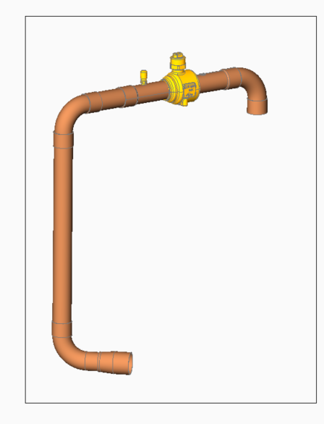

Line Type | Suction Line 1 - Compressor 1
Total Pipe Length | 45
Type of Fitting | Elbow 1(FTCXC) |  |  | Elbow 2(CXC) | Reducer | Ref Valve
 | 90 Deg LR |  |  | 90 Deg LR | FTC X C
Size | 1-3/8 |  |  | 1-3/8 | 1-3/8 X 1-5/8 | 1-3/8
Equivalent Length of the Fitting | 28.8 |  |  | 28.8 | 34.8 | 12
Quantity | 4 |  |  | 1 | 1 | 1
Total Equivalent Length of the Fitting | 115.2 |  |  | 28.8 | 34.8 | 12
Total Equivalent Length of line (in) | 235.8
Total Equivalent Length of line (ft) | 19.65 |  |  |  |  |  | 2026-03-08 | 15 | 4
Total Equivalent Length of line (m) | 5.98932

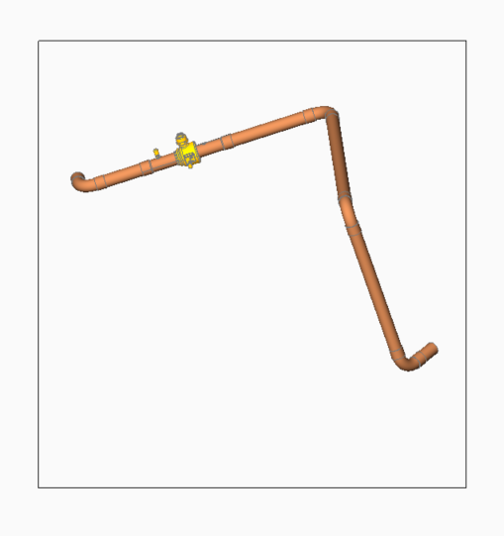
Line Type | Suction Line 2 - Compressor 2
Total Pipe Length | 58
Type of Fitting | Elbow 2( CXC) |  |  | Ref Valve
 | 90 Deg LR
Size | 1-3/8" |  |  | 1-3/8
Equivalent Length of the Fitting | 28.8 |  |  | 10.8
Quantity | 4 |  |  | 1
Total Equivalent Length of the Fitting | 115.2 |  |  | 10.8
Total Equivalent Length of line (in) | 184
Total Equivalent Length of line (ft) | 15.333333333
Total Equivalent Length of line (m) | 4.6736

Line Type | Discharge Lines- Compressor 1 & Compressor 2
Total Pipe Length | 80
Type of Fitting | Elbow 1 FTC X C | Elbow 2 cxc | Tee 1( cxcxc)
 | 90 Deg LR | 90 Deg LR | Branch
Size | 1-1/8 | 1-1/8 | 1-1/8
Equivalent Length of the Fitting | 21.6 | 21.6 | 27.6
Quantity | 4 | 4 | 2
Total Equivalent Length of the Fitting | 86.4 | 86.4 | 55.2
Total Equivalent Length of line (in) | 308
Total Equivalent Length of line (ft) | 25.666666667
Total Equivalent Length of line (m) | 7.8232

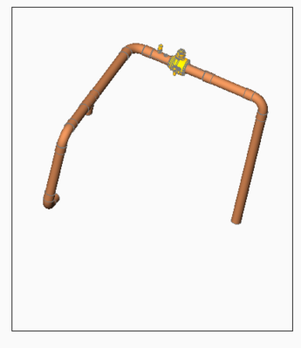

Line Type | Discharge Line 1 - Compressor 1 (1-1/8)
Total Pipe Length | 45
Type of Fitting | Elbow 1 (F X C) | Tee | Elbow 2
 | 90 Deg LR | Branch | 90 Deg LR
Size | 1-1/8 | 1-1/8 | 1-1/8
Equivalent Length of the Fitting | 21.6 | 27.6 | 21.6
Quantity | 2 | 1 | 2
Total Equivalent Length of the Fitting | 43.2 | 27.6 | 43.2
Total Equivalent Length of line (in) | 159
Total Equivalent Length of line (ft) | 13.25
Total Equivalent Length of line (m) | 4.0386

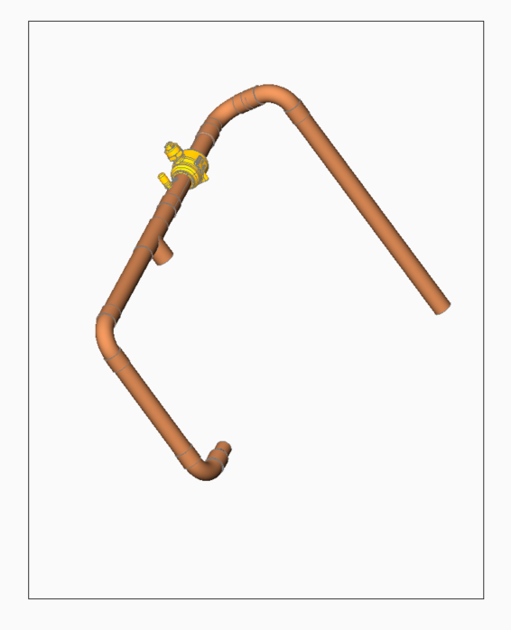
Line Type | Discharge Line 2 - Compressor 2
Total Pipe Length | 35
Type of Fitting | Elbow 1(FXC) | Tee | Elbow 2(CXC)
 | 90 Deg LR | Branch | 90 Deg LR
Size | 1-1/8 | 1-1/8 | 1-1/8
Equivalent Length of the Fitting | 21.6 | 27.6 | 21.6
Quantity | 2 | 1 | 2
Total Equivalent Length of the Fitting | 43.2 | 27.6 | 43.2
Total Equivalent Length of line (in) | 149
Total Equivalent Length of line (ft) | 12.416666667
Total Equivalent Length of line (m) | 3.7846

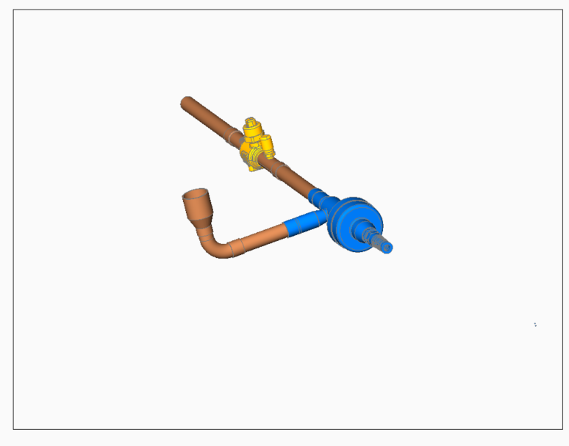
 | Line Type | HGBV Line 1
 | Total Pipe Length | 12
 | Type of Fitting | Elbow 1 | Reducer | HGBV
 |  | 90 Deg LR FXC | FTC X C
 | Size | 2026-05-08 | 1-1/8 X 5/8 | 2026-05-08
 | Equivalent Length of the Fitting | 12 | 8.4 | 360
 | Quantity | 1 | 1 | 1
 | Total Equivalent Length of the Fitting | 12 | 8.4 | 360
 | Total Equivalent Length of line (in) | 392.4
 | Total Equivalent Length of line (ft) | 32.7
 | Total Equivalent Length of line (m) | 9.96696

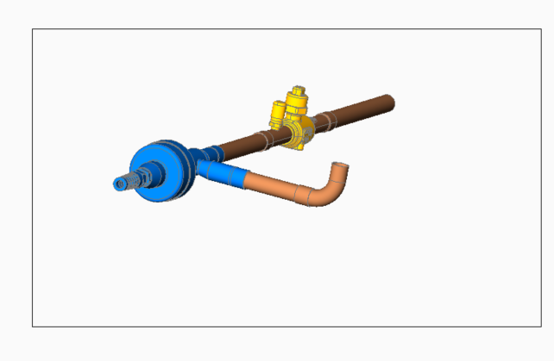
 | Line Type | HGBV Line 2
 | Total Pipe Length | 14
 | Type of Fitting | Elbow 1( FXC) | Reducer | HGBV
 |  | 90 Deg LR | FTC X C
 | Size | 2026-05-08 | 1-1/8 X5/8 | 2026-05-08
 | Equivalent Length of the Fitting | 12 | 8.4 | 360
 | Quantity | 1 | 1 | 1
 | Total Equivalent Length of the Fitting | 12 | 8.4 | 360
 | Total Equivalent Length of line (in) | 394.4
 | Total Equivalent Length of line (ft) | 32.866666667
 | Total Equivalent Length of line (m) | 10.01776

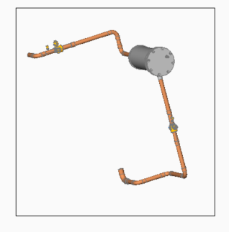
Line Type | Liquid Line 1- Compressor 1
Total Pipe Length | 52
Type of Fitting | Elbow 1 | Filter Drier | Elbow 2(CXC) | Elbow 3 (FXC) | Ref Valve
 | 90 Deg LR |  | 90 Deg LR | 90 Deg LR
Size | 7/8 | 7/8 | 7/8 | 1-1/8 | 7/8
Equivalent Length of the Fitting | 18 | 21 | 18 | 21.6 | 10.8
Quantity | 2 | 1 | 5 | 1 | 1
Total Equivalent Length of the Fitting | 36 | 21 | 90 | 21.6 | 10.8
Total Equivalent Length of line (in) | 231.4
Total Equivalent Length of line (ft) | 19.283333333
Total Equivalent Length of line (m) | 5.87756

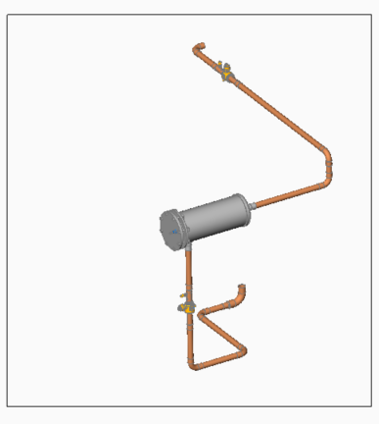
Line Type | Liquid Line 2( A&B)- Compressor 2
Total Pipe Length | 87
Type of Fitting | Elbow 1 | Filter Drier | Elbow 2(CXC) | Elbow 3 (FXC) | Ref Valve | Reducer
 | 90 Deg LR |  | 90 Deg LR | 90 Deg LR |  | FTC X C
Size | 7/8 | 7/8 | 7/8 | 1-1/8 | 7/8 | 1 1/8 X 7/8
Equivalent Length of the Fitting | 18 | 21 | 18 | 21.6 | 10.8 | 19.2
Quantity | 1 | 1 | 3 | 1 | 1 | 1
Total Equivalent Length of the Fitting | 18 | 1 | 54 | 21.6 | 10.8 | 19.2
Total Equivalent Length of line (in) | 211.6
Total Equivalent Length of line (ft) | 17.633333333
Total Equivalent Length of line (m) | 5.37464

