Run Book
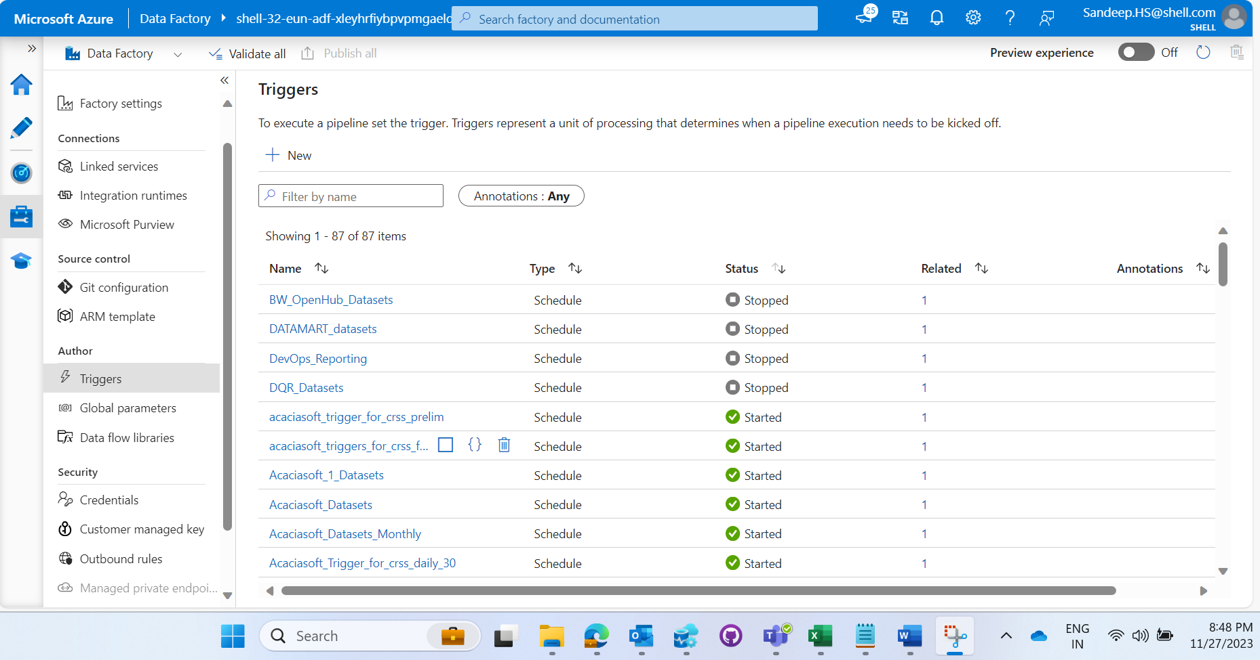
Sr. No | Task | Task Details | Date | Start Time | End Time | Executed By | Status
1 | Stop all active triggers | Screen shot shows triggers already in stop state
2 | Make sure no ingestion and transformation pipeline is running
3 | Deploy change | changes in SplitUnharmDataFunctions and raw_to_enriched_unharmonised notebooks
4 | Test few incremental datasets from different sources | Run PL_GenericToADLS_Parameterized_Wrapper for below datasets Dataset Source DipData Kepler Parameter ENDUR_SLMT RBP_Hourly_Monthly_RefNC_Base_Nodal_prices_Hourly-- RBP
5 | Restart triggers | Except for triggers in stopped state in screeshot below
6 | If any transformation pipeline was stopped, rerun for those sources

