Sheet1
 |  | TFS
Developer



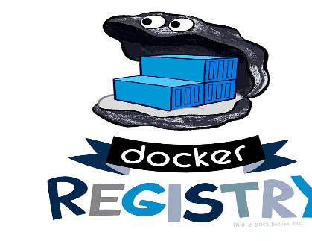

 | Source code Build create
 | artifactory and Create
 | Image and Push to Docker registry |  | Docker image Push

 |  |  |  | Dokcer Pull and Run

