TestBed setup
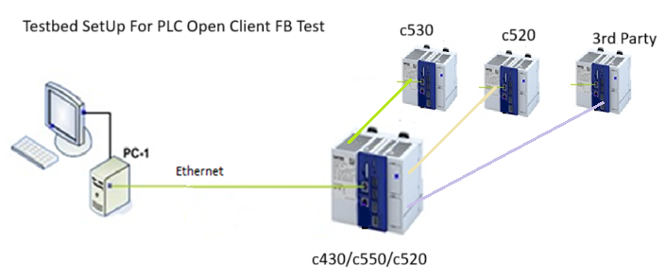
Test Bed Setup For CAP 2466 PLC Open Client FB

