TestBed setup
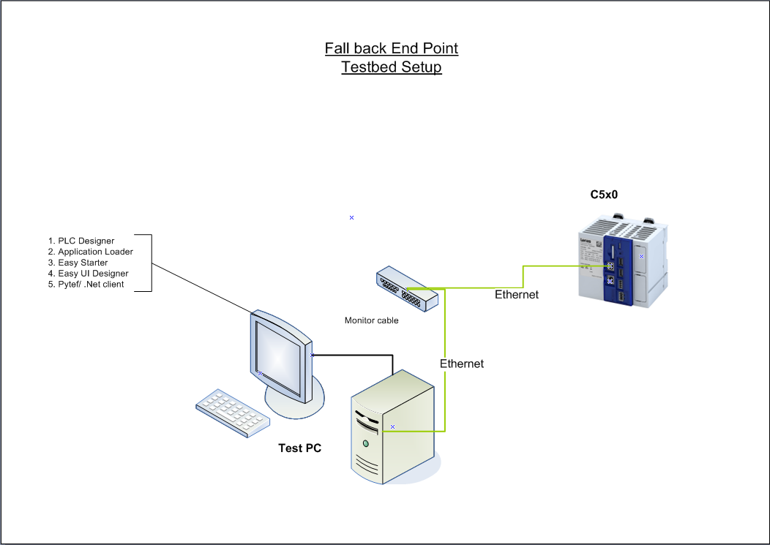
Test Bed Setup For CAP 2329 LLM

