Reg
Regression output from demand estimation

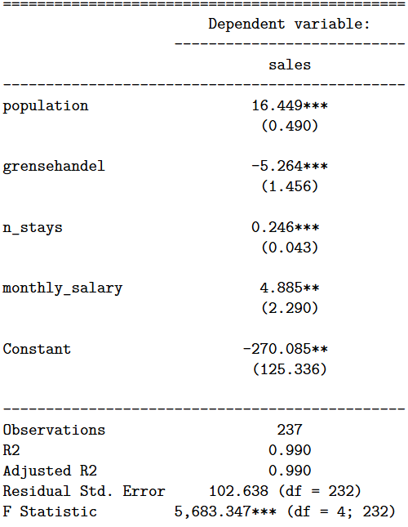
Variables | sales |  | Standard deviation
population | 16.449 | *** | 0.490

grensehandel | -5.264 | *** | 1.456

n_stays | 0.246 | *** | 0.043

monthly_salary | 4.885 | ** | 2.290

Constant | -270.085 | ** | 125.336

Observations | 237
R2 | 0.990
Adjusted R2 | 0.990
Residual Std. Error | 102.638
F Statistic | 5,683.347 | ***

