Refund balance
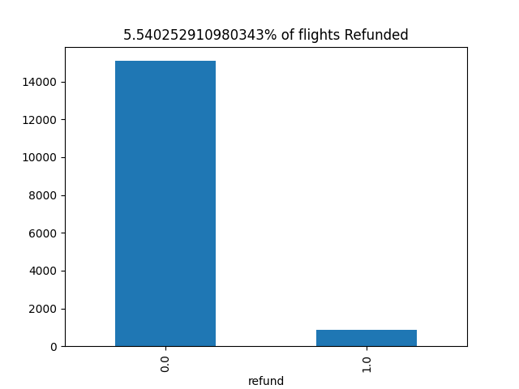

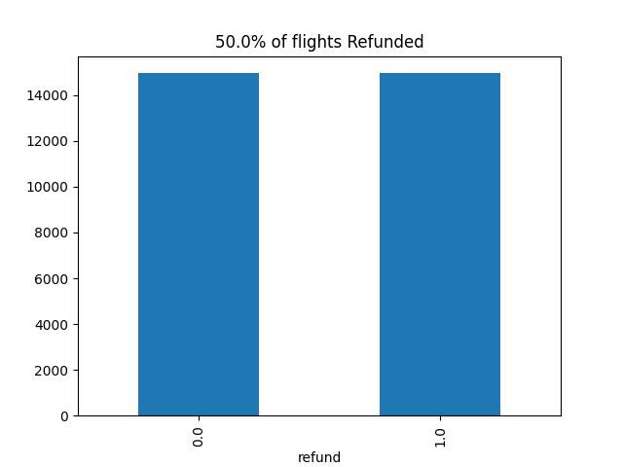

Precision_recall_curve
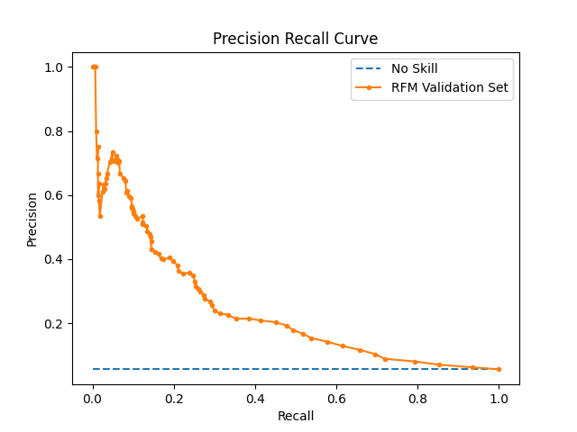

Optimized Characteristics
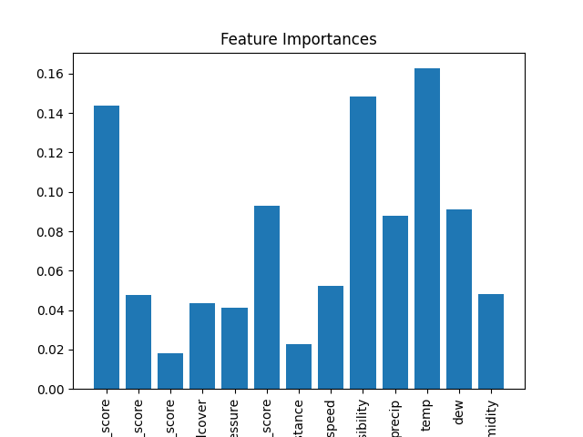
Best Parameters
criterion | entropy
max_depth | 4
min_samples_leaf | 2
min_samples_split | 3

Feature | Importance
Feature | Importance
scaled_origin_score | 0.14398867345
scaled_time_score | 0.047525256579
scaled_weekday_score | 0.018156840792
cloudcover | 0.04375223029
sealevelpressure | 0.04101965729
scaled_carrier_score | 0.092852426972
distance | 0.022536668375
windspeed | 0.052143381291
visibility | 0.14827211246
precip | 0.087875584361
temp | 0.16263173147
dew | 0.09106110837
humidity | 0.048184328306

