Refund balance
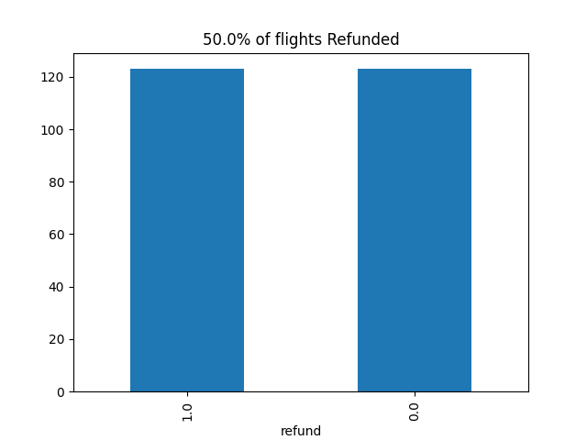

Precision_recall_curve
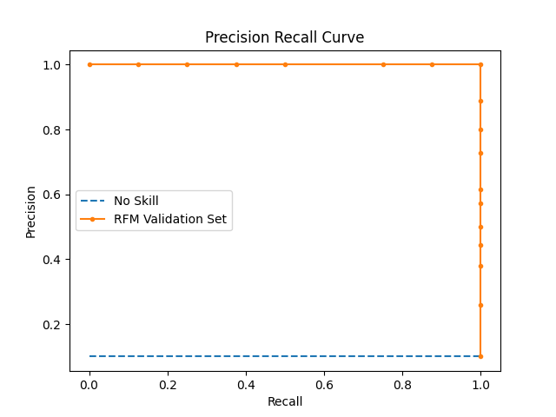

Optimized Characteristics
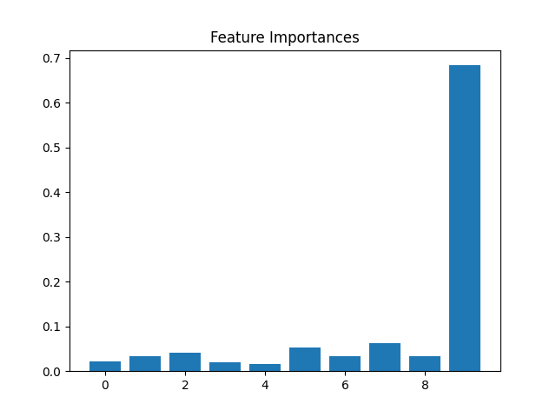
Best Parameters
criterion | entropy
max_depth | 4
min_samples_leaf | 2
min_samples_split | 4

Feature | Importance
Feature | Importance
scaled_carrier_score | 0.020996046265
distance | 0.033640011751
temp | 0.040694763081
dew | 0.020587589892
humidity | 0.016856047171
precip | 0.053049987828
windgust | 0.034268971313
windspeed | 0.062756965751
visibility | 0.033516281086
refund | 0.68363333586

