Refund balance
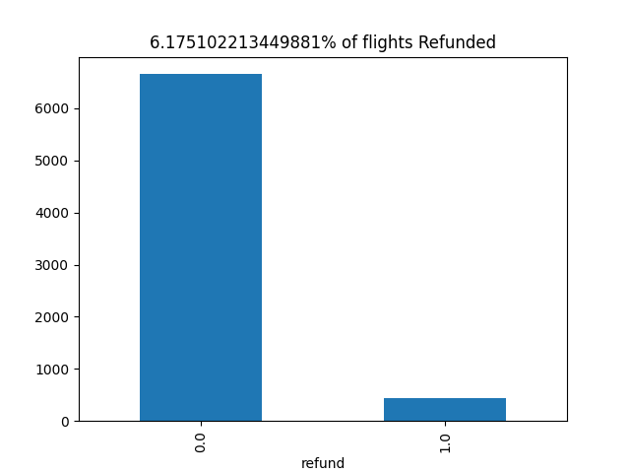

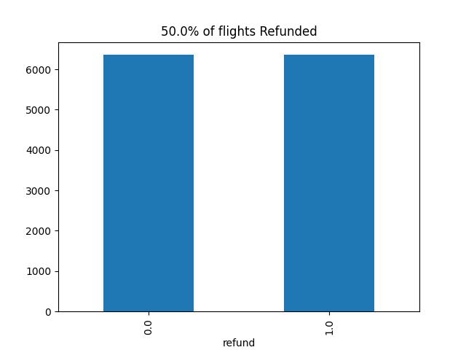

Precision_recall_curve
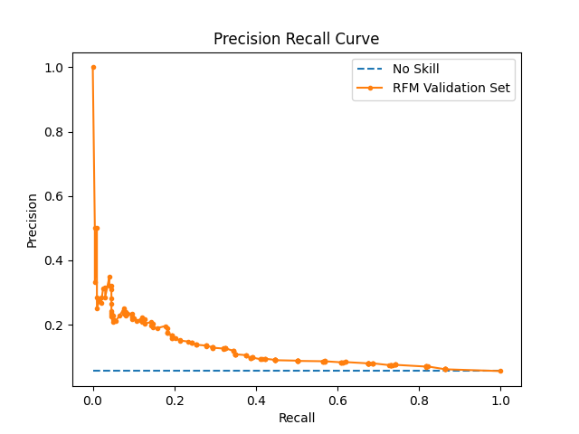

Optimized Characteristics
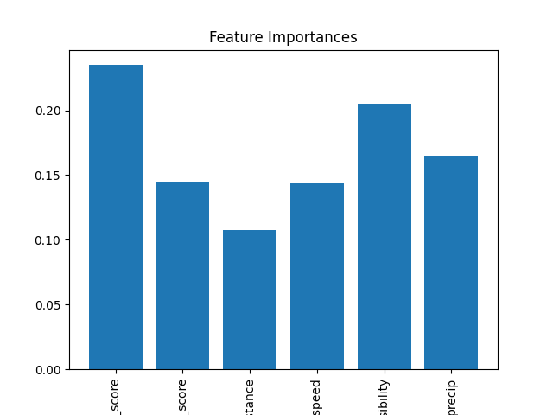
Best Parameters
criterion | entropy
max_depth | 4
min_samples_leaf | 2
min_samples_split | 3

Feature | Importance
Feature | Importance
scaled_origin_score | 0.2349681063
scaled_carrier_score | 0.14513448259
distance | 0.10740672726
windspeed | 0.14333681969
visibility | 0.2047709026
precip | 0.16438296157

