Refund balance
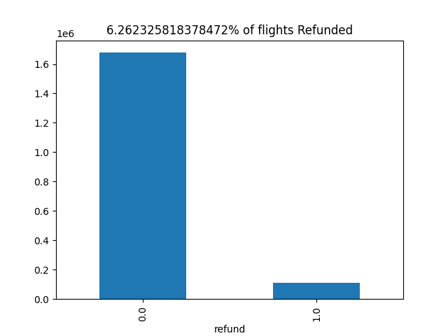

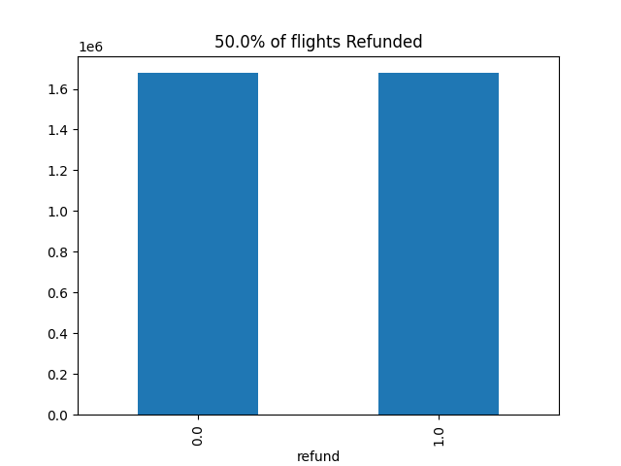

Precision_recall_curve
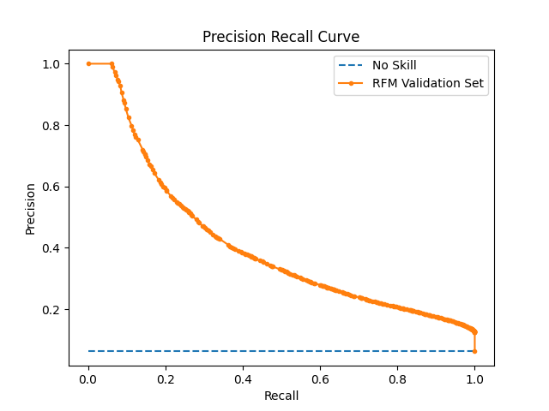

Optimized Characteristics
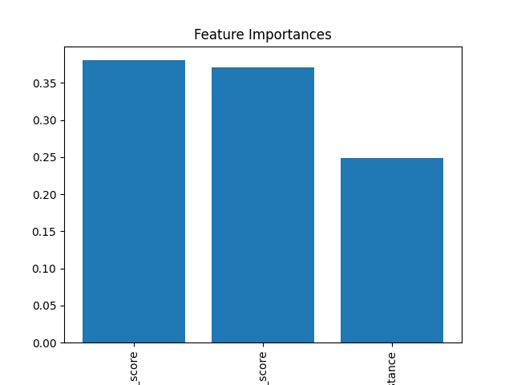
Best Parameters
criterion | entropy
max_depth | 4
min_samples_leaf | 2
min_samples_split | 3

Feature | Importance
Feature | Importance
scaled_origin_score | 0.38028944435
scaled_carrier_score | 0.37056602901
distance | 0.24914452664

