Basic
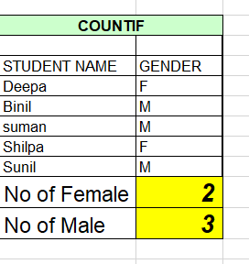
Excel Shortcuts

 | 2022-08-22 |  | Today()
 | 8/22/22 |  | Now()
 | 22 |  | return today date - day(today())
 | 8 |  | returns months - month(today())
 | 2022 |  | return years - year(today())

 | Count | Count(A1:A12) | Count will count only the numeric values .
 | CountA | CountA(A1:A12) | CountA will count everything except the Empty Cells.
 | CountBlank | CountBlank(A1:A12) | CountBlank will count only the blank cells.
 | CountIf | CountIF(B28:B32,"f") | First give the data and then condition to check.

Pivot -Table
A PivotTable is an interactive way to quickly summarize large amounts of data. You can use a PivotTable to analyze numerical data in detail, and answer unanticipated questions about your data.
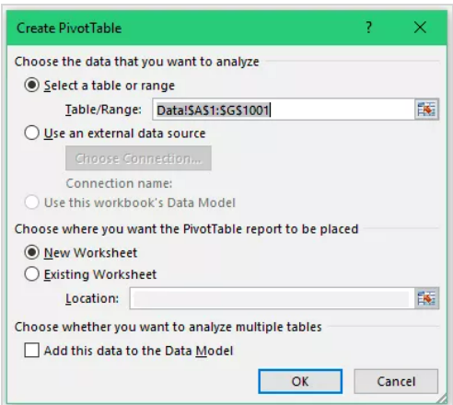
Here are the steps to create a pivot table using the data shown above:
1. Click anywhere in the dataset.
2. Go to Insert –> Tables –> Pivot Table
3. In the Create Pivot Table dialog box, the default options work fine in most of the cases. Here are a couple of things to check in it: Table/Range: It’s filled in by default based on your data set. If your data has no blank rows/columns, Excel would automatically identify the correct range. You can manually change this if needed. If you want to create the Pivot Table in a specific location, under the option ‘Choose where you want the PivotTable report to be placed’, specify the Location. Else, a new worksheet is created with the Pivot Table.
4. Click OK.

Excel Pivot Table Components :
Pivot Cache - As soon as you create a Pivot Table using the data, something happens in the backend. Excel takes a snapshot of the data and stores it in its memory. This snapshot is called the Pivot Cache. When you create different views using a Pivot Table, Excel does not go back to the data source, rather it uses the Pivot Cache to quickly analyze the data and give you the summary/results.
Values Area - The Values Area is what holds the calculations/values.
Rows Area - The headings to the left of the Values area makes the Rows area.
Columns Area - The headings at the top of the Values area makes the Columns area.
Filters Area - Filters area is an optional filter that you can use to further drill down in the data set.

