Sheet1
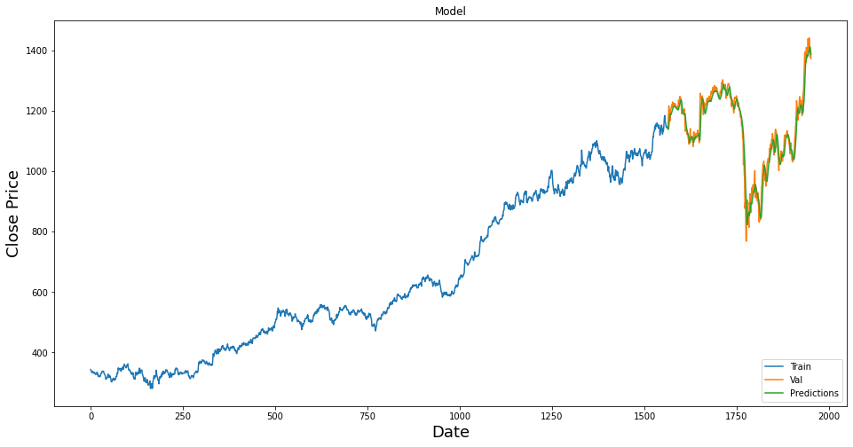
Company Name | Company Ticker
HDFC Bank Limited | NSE: HDFCBANK | Dataset (Row, Column)
Hindustan Unilever Ltd | NSE: HINDUNILVR | 1961, 6
ICICI Bank Ltd | NSE: ICICIBANK | Training Data | Company Name | Company Ticker | EDA
Infosys Ltd | NSE: INFY | 1666, 1 | HDFC Bank Limited | NSE: HDFCBANK
Kotak Mahindra Bank Ltd | NSE: KOTAKBANK | Testing Data | Hindustan Unilever Ltd | NSE: HINDUNILVR | Dataset (Row, Column)
Reliance Industries Limited | NSE: RELIANCE | 295, 1 | ICICI Bank Ltd | NSE: ICICIBANK | 1961 , 6
Tata Consultancy Services Ltd | NSE: TCS |  | Infosys Ltd | NSE: INFY
 |  |  | Kotak Mahindra Bank Ltd | NSE: KOTAKBANK | Training Data | Testing Data
 |  |  | Reliance Industries Limited | NSE: RELIANCE | 1666 , 1 | 295 , 1
 |  |  | Tata Consultancy Services Ltd | NSE: TCS
HDFC Bank
ANN Model
RMSE | 33.192511174

