Defect1
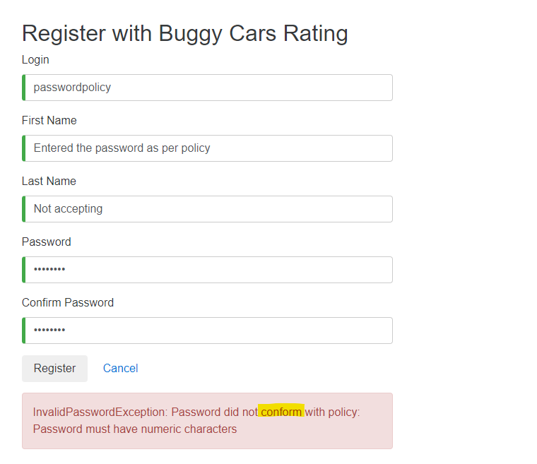

1

Defect2
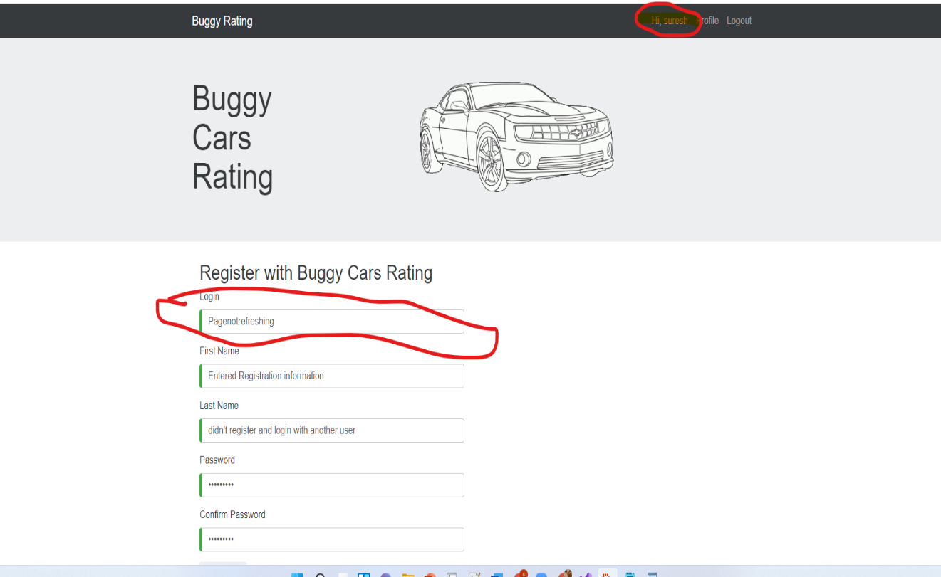

2. Page not refreshing

Defect3
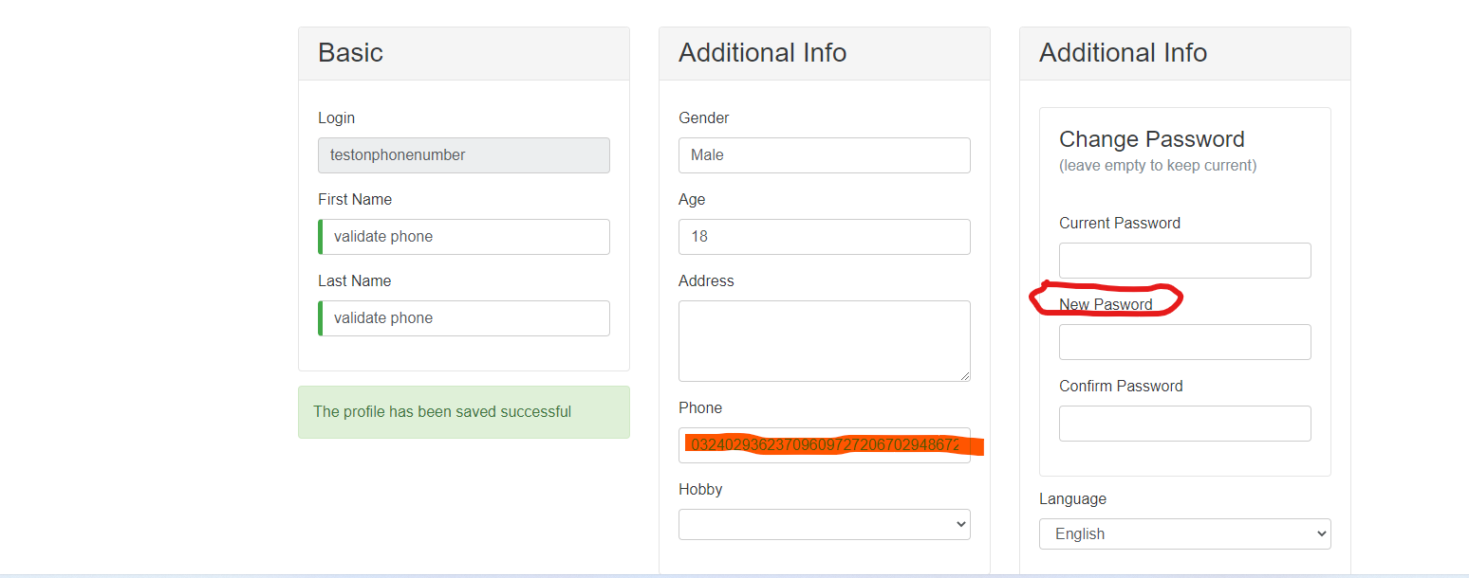
3. Profile Page --> Invalid phone number, New Password prompt wrong spelling.

Defect4
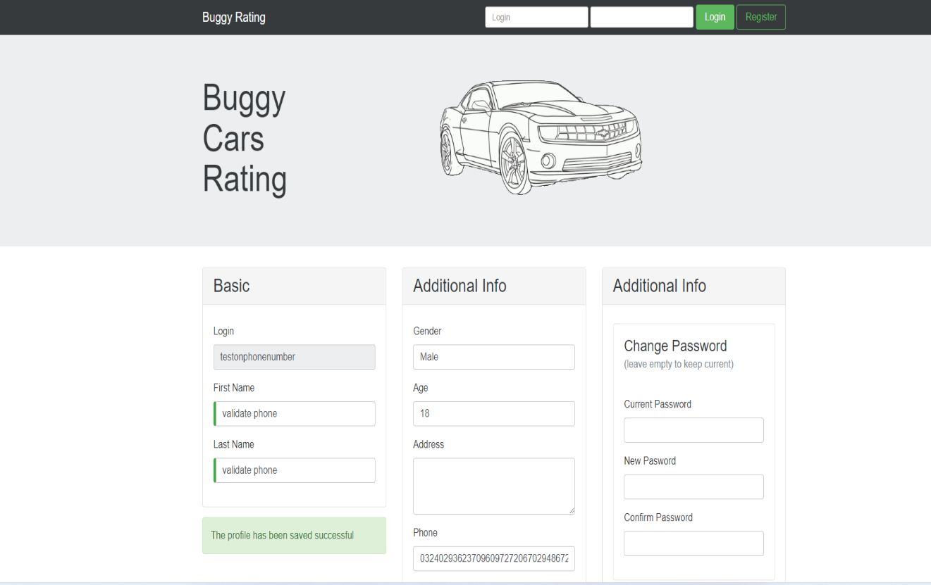

4. After logout, still can see the profile page details.

Defect5
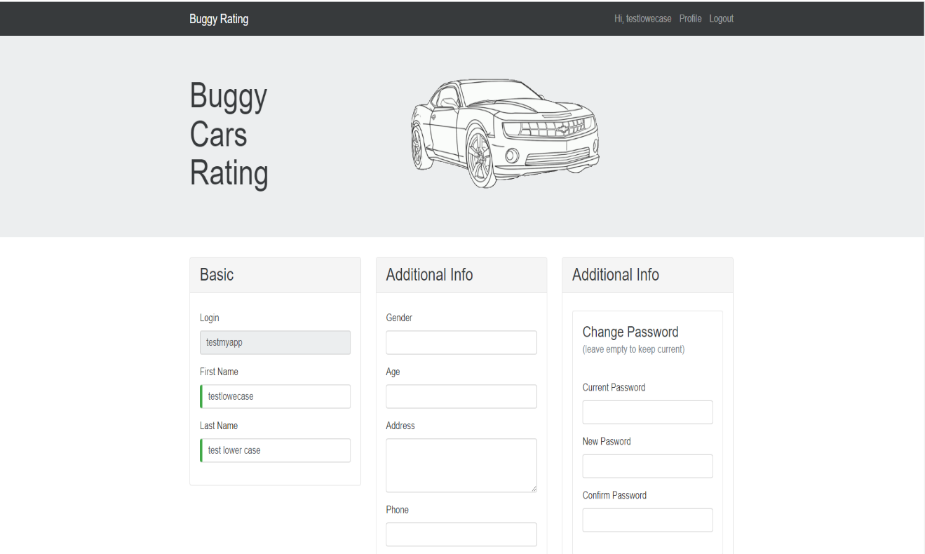
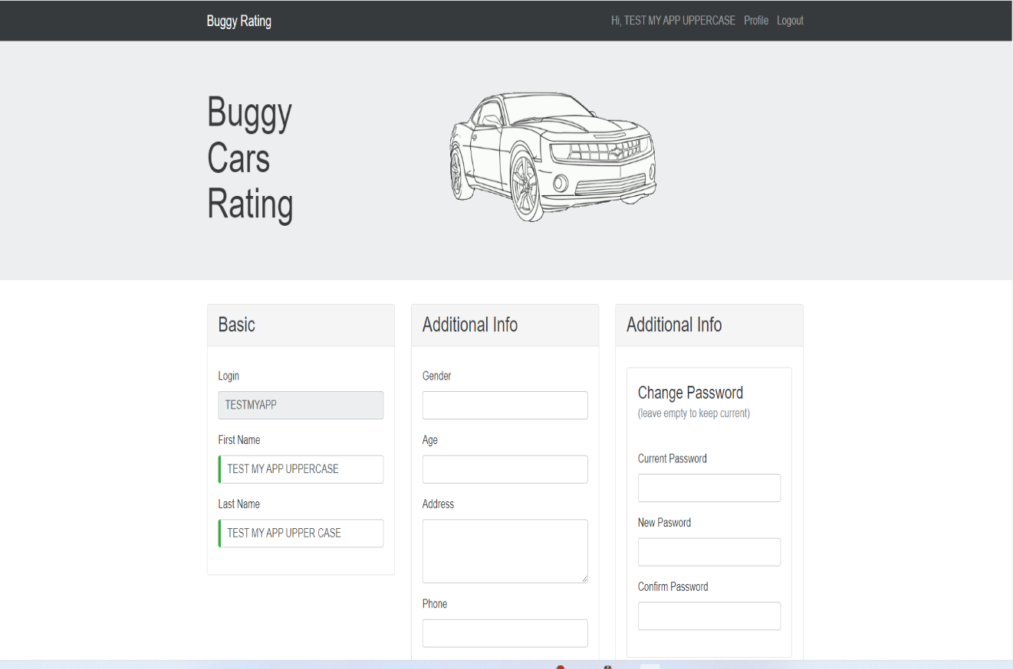
5. Can create the duplicate users with case sensitive
Can register with TESTMYAPP/testmyapp as two different users. Login name always should be unique.

Deffect7
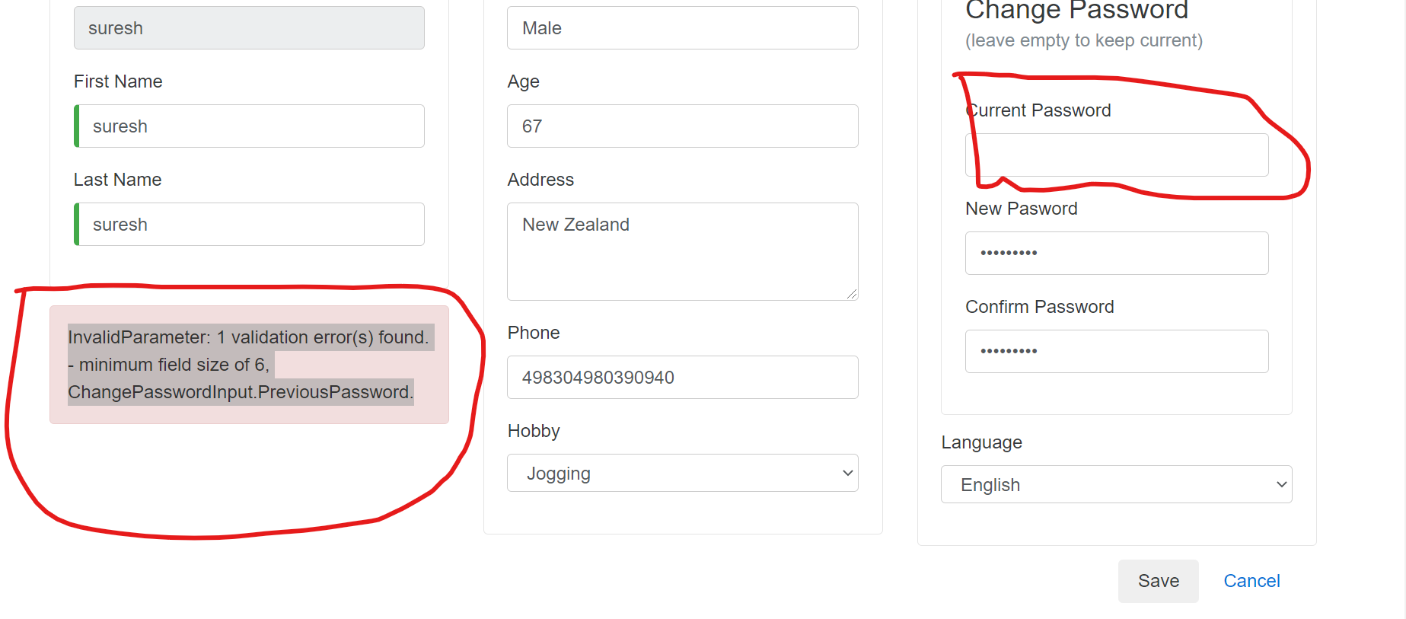

Defect8
