Sheet1
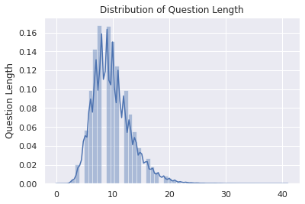
1
 | Column1 | Average Number of Words(count) | Maximum Number of words( count) | Min Length | Max Length | Average Length | Max Span | Average Span
 | Context |  |  |  |  |  | NA | NA | Distribution of Answer Length
 | Question |  |  |  |  |  | NA | NA | Distribution of Answer Span
 | Answer

2(a) | Context | One-Gram( 20 or 25)
 |  |  |  |  |  |  | Bi-Gram( 20- 25)
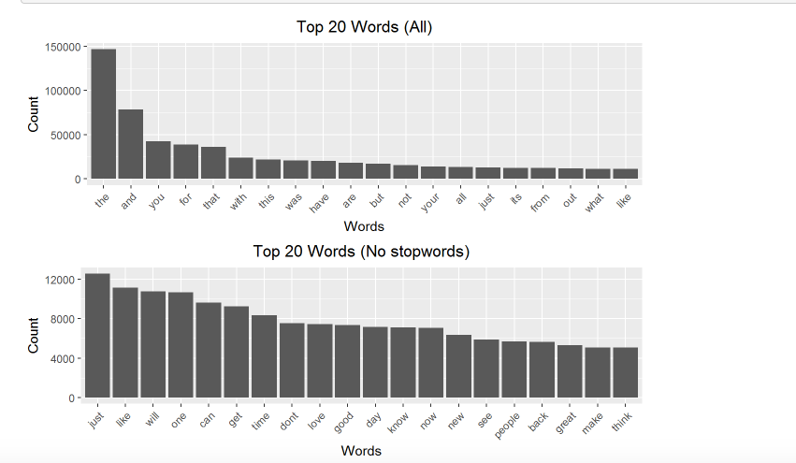
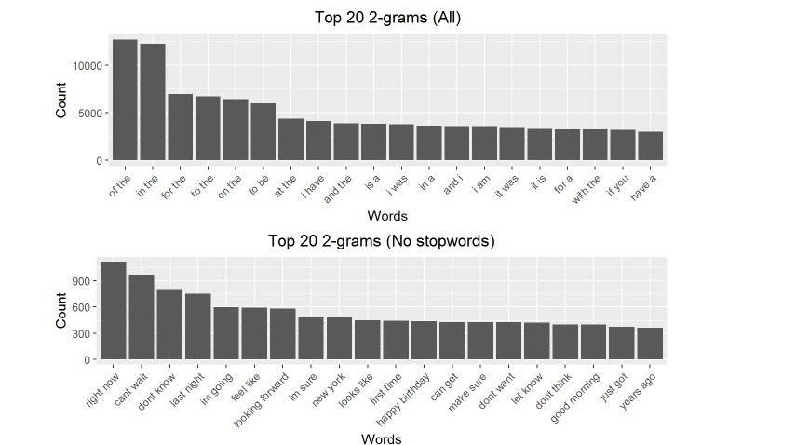

2(b) | Question

2( c) | Answers

3 | Frequency Distribution of Non-anwerable questions | Already Done

 |  |  |  |  | Question Category List
 |  |  |  |  | What
 |  | Step 3 Question_category- Match the tokens with Question Category List . Return the value |  |  | How
4 | question |  |  |  | Where
 | What is the name of the boy | What |  |  | When
 | Who did he give it to | What |  |  | Why
 | In What time did it happen | Who |  |  | Who
 | Why did he do it | Where |  |  | Which
 | What was the year | When |  |  | Others
 | According to the person when did it happen | Other |  |  | In What
 |  |  |  |  | In Which

 | question | Pos_tagging | JJ | NN | VRB | PRP
 | What is the name of the lovely young boy with his mother | JJ, PRP,NN, JJ | 2 | 3 | 0
 | Who did he give it to | VRB JJ
 | In What time did it happen
 | Why did he do it
 | What was the year
 | According to the person when did it happen

5(a) | Question Category Distribution( overall)

 | Question_category | Proportion(%) |  | Chart
 | What |  |  | Frequency Distribution Bar Chart
 | How
 | Where
 | When
 | Why
 | Who
 | Which
 | Others

5(b) | Question Category Distribution for Non -asnwerable questions(is_impossible=True)

 | Question_category | Proportion(%)
 | What
 | How
 | Where
 | When
 | Why
 | Who
 | Which
 | Others

5( c) | Question Category to Answer Length Cross tab ( drop questions which do not have answers- is_impossible=True)

 | Question_category | Average Answer Length
 | What
 | How
 | Where
 | When
 | Why
 | Who
 | Which
 | Others

5(d) | Question Category to Question PoS Distribution
 | Question_category | Question_PoS( which are the top 3) |  |  | Chart
 | What |  |  |  | Frequency Distribution Bar Chart
 | How
 | Where
 | When
 | Why
 | Who

 | POS Tagging for each answer and Frequency distribution( drop questions which do not have answers- is_impossible=True) |  |  |  |  |  |  | Chart
 |  |  |  |  |  |  |  | Frequency Distribution Bar Chart

6(a) | Do PoS Tag for each answer
 | answer | PoS_tag
 | father's pocketwatch | NN, JJ,VRB, NN
 | a national treasure
 | Christopher Sergel
 | walking fast

 | Frequeny Distribution of PoS for each answer
6(b) | answer | Pos_ NN(count) | Pos_VRB(count) | Pos_ADJ(count) | Other PoS_tags
 | father's pocketwatch | 2 | 0 | 0
 | a national treasure | 2 | 0 | 0
 | Christopher Sergel | 2 | 0 | 0
 | walking fast | 0 | 1 | 1

7(a) | Create a Cross tabulation of Question Categories vs Answer PoS |  |  |  |  |  | Check Statistical Significance of Relationship between Question Category and Answer PoS

 | Question_category | Pos_ NN(count) | Pos_VRB(count) | Pos_ADJ(count) | Other PoS_tags
 | What | 2300 | 4000 | 567
 | How
 | Where
 | When | 10000
 | Why
 | Who
 | Which | 8000
 | Others

7(b) | Create a Question-Pos vs Answer PoS
 |  | Pos_ NN(count) | Pos_VRB(count) | Pos_ADJ(count) |  |  |  | Check Statistical Significance of Relationship between Question PoS and Answer PoS
 | Question_PoS_NN
 | Quesiton_PoS_VRB
 | Question_PoS_JJ

