Plotting
 | Plotting Charts

PyXLL has integration with the most popular Python plotting packages.

This example shows how Python plots can be embedded in Excel from
worksheet functions using the various different plotting packages.

Each is disabled by default, and will need the relevant third-party packages
to be installed to work, using pip or conda.

Plots can be made from worksheet functions (as shown in this example)
or from macros, menus and ribbon functions.

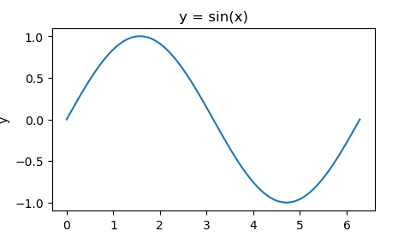
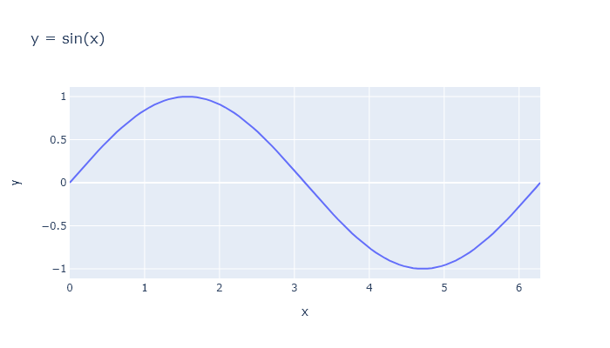
Plotting Package | Enabled | [Matplotlib Disabled] | [Plotly Disabled]
Matplotlib | FALSE
Plotly | FALSE
Seaborn | FALSE
Bokeh | FALSE
Pandas | FALSE
Altir | FALSE

Data Options
Frequency | 1
Amplitude | 1
Offset | 0

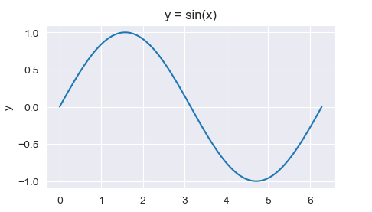
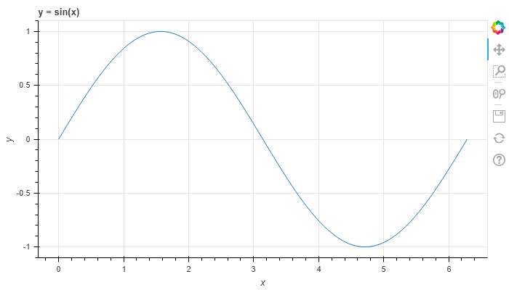
Chart Options
Title | y = sin(x) | [Seaborn Disabled] | [Bokeh Disabled]
Width | 350
Height | 200
Zoom | 1

Chart Data
x | y
0 | 0
0.062831853072 | 0.062790519529
0.12566370614 | 0.12533323356
0.18849555922 | 0.18738131459
0.25132741229 | 0.24868988716
0.31415926536 | 0.30901699437
0.37699111843 | 0.36812455268
0.4398229715 | 0.42577929157 | [Pandas Disabled] | [Altir Disabled]
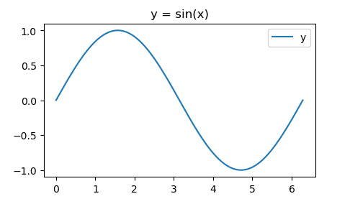
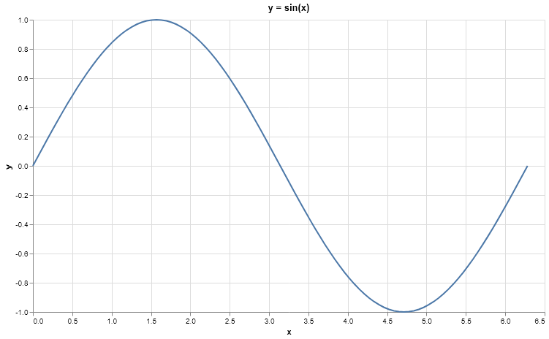
0.50265482457 | 0.4817536741
0.56548667765 | 0.53582679498
0.62831853072 | 0.58778525229
0.69115038379 | 0.63742398975
0.75398223686 | 0.68454710593
0.81681408993 | 0.72896862742
0.87964594301 | 0.77051324278
0.94247779608 | 0.80901699437
1.0053096491 | 0.8443279255
1.0681415022 | 0.87630668004
1.1309733553 | 0.90482705247
1.1938052084 | 0.92977648589
1.2566370614 | 0.9510565163
1.3194689145 | 0.96858316113
1.3823007676 | 0.98228725073
1.4451326207 | 0.99211470131
1.5079644737 | 0.99802672843
1.5707963268 | 1
1.6336281799 | 0.99802672843
1.6964600329 | 0.99211470131
1.759291886 | 0.98228725073
1.8221237391 | 0.96858316113
1.8849555922 | 0.9510565163
1.9477874452 | 0.92977648589
2.0106192983 | 0.90482705247
2.0734511514 | 0.87630668004
2.1362830044 | 0.8443279255
2.1991148575 | 0.80901699437
2.2619467106 | 0.77051324278
2.3247785637 | 0.72896862742
2.3876104167 | 0.68454710593
2.4504422698 | 0.63742398975
2.5132741229 | 0.58778525229
2.5761059759 | 0.53582679498
2.638937829 | 0.4817536741
2.7017696821 | 0.42577929157
2.7646015352 | 0.36812455268
2.8274333882 | 0.30901699437
2.8902652413 | 0.24868988716
2.9530970944 | 0.18738131459
3.0159289474 | 0.12533323356
3.0787608005 | 0.062790519529
3.1415926536 | -2.5420204136E-15
3.2044245067 | -0.062790519529
3.2672563597 | -0.12533323356
3.3300882128 | -0.18738131459
3.3929200659 | -0.24868988716
3.4557519189 | -0.30901699437
3.518583772 | -0.36812455268
3.5814156251 | -0.42577929157
3.6442474782 | -0.4817536741
3.7070793312 | -0.53582679498
3.7699111843 | -0.58778525229
3.8327430374 | -0.63742398975
3.8955748905 | -0.68454710593
3.9584067435 | -0.72896862742
4.0212385966 | -0.77051324278
4.0840704497 | -0.80901699437
4.1469023027 | -0.8443279255
4.2097341558 | -0.87630668004
4.2725660089 | -0.90482705247
4.335397862 | -0.92977648589
4.398229715 | -0.9510565163
4.4610615681 | -0.96858316113
4.5238934212 | -0.98228725073
4.5867252742 | -0.99211470131
4.6495571273 | -0.99802672843
4.7123889804 | -1
4.7752208335 | -0.99802672843
4.8380526865 | -0.99211470131
4.9008845396 | -0.98228725073
4.9637163927 | -0.96858316113
5.0265482457 | -0.9510565163
5.0893800988 | -0.92977648589
5.1522119519 | -0.90482705247
5.215043805 | -0.87630668004
5.277875658 | -0.8443279255
5.3407075111 | -0.80901699437
5.4035393642 | -0.77051324278
5.4663712172 | -0.72896862742
5.5292030703 | -0.68454710593
5.5920349234 | -0.63742398975
5.6548667765 | -0.58778525229
5.7176986295 | -0.53582679498
5.7805304826 | -0.4817536741
5.8433623357 | -0.42577929157
5.9061941887 | -0.36812455268
5.9690260418 | -0.30901699437
6.0318578949 | -0.24868988716
6.094689748 | -0.18738131459
6.157521601 | -0.12533323356
6.2203534541 | -0.062790519529
6.2831853072 | -9.126813888E-15

