virus_cno
link | name | plasmid # | item | Catalog # | imagen de referencia
https://www.addgene.org/44362/#44362-AAV1 | pAAV-hSyn-DIO-hM4D(Gi)-mCherry | Plasmid #44362 | AAV1 | 44362-AAV1
https://www.addgene.org/50459/ | pAAV-hSyn-DIO-mCherry | Plasmid #50459 | AAV1 | 50459-AAV1

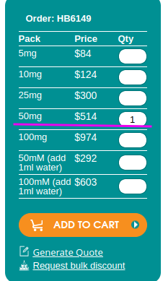
link | name | pack | price | qty | Img Ref
https://hellobio.com/clozapine-n-oxide-dihydrochloride.html | Clozapine N-oxide (CNO) dihydrochloride (Water soluble) | 50mg | $514 | 1

