Visualizations
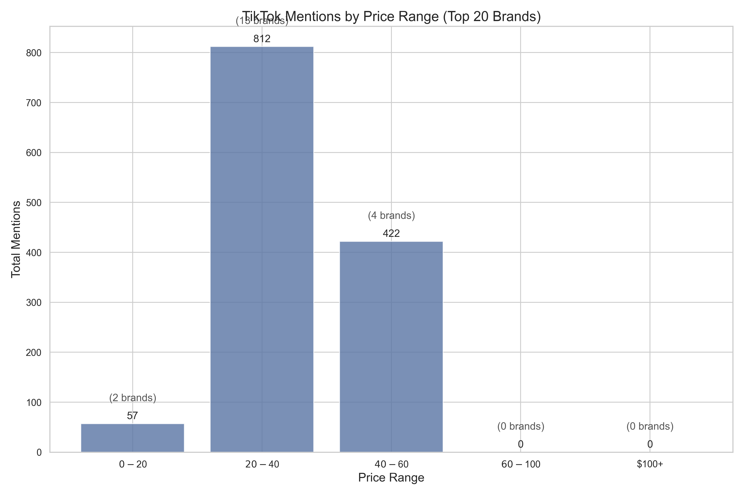
Brand Analysis Visualizations
 | Loves Mentions Correlation
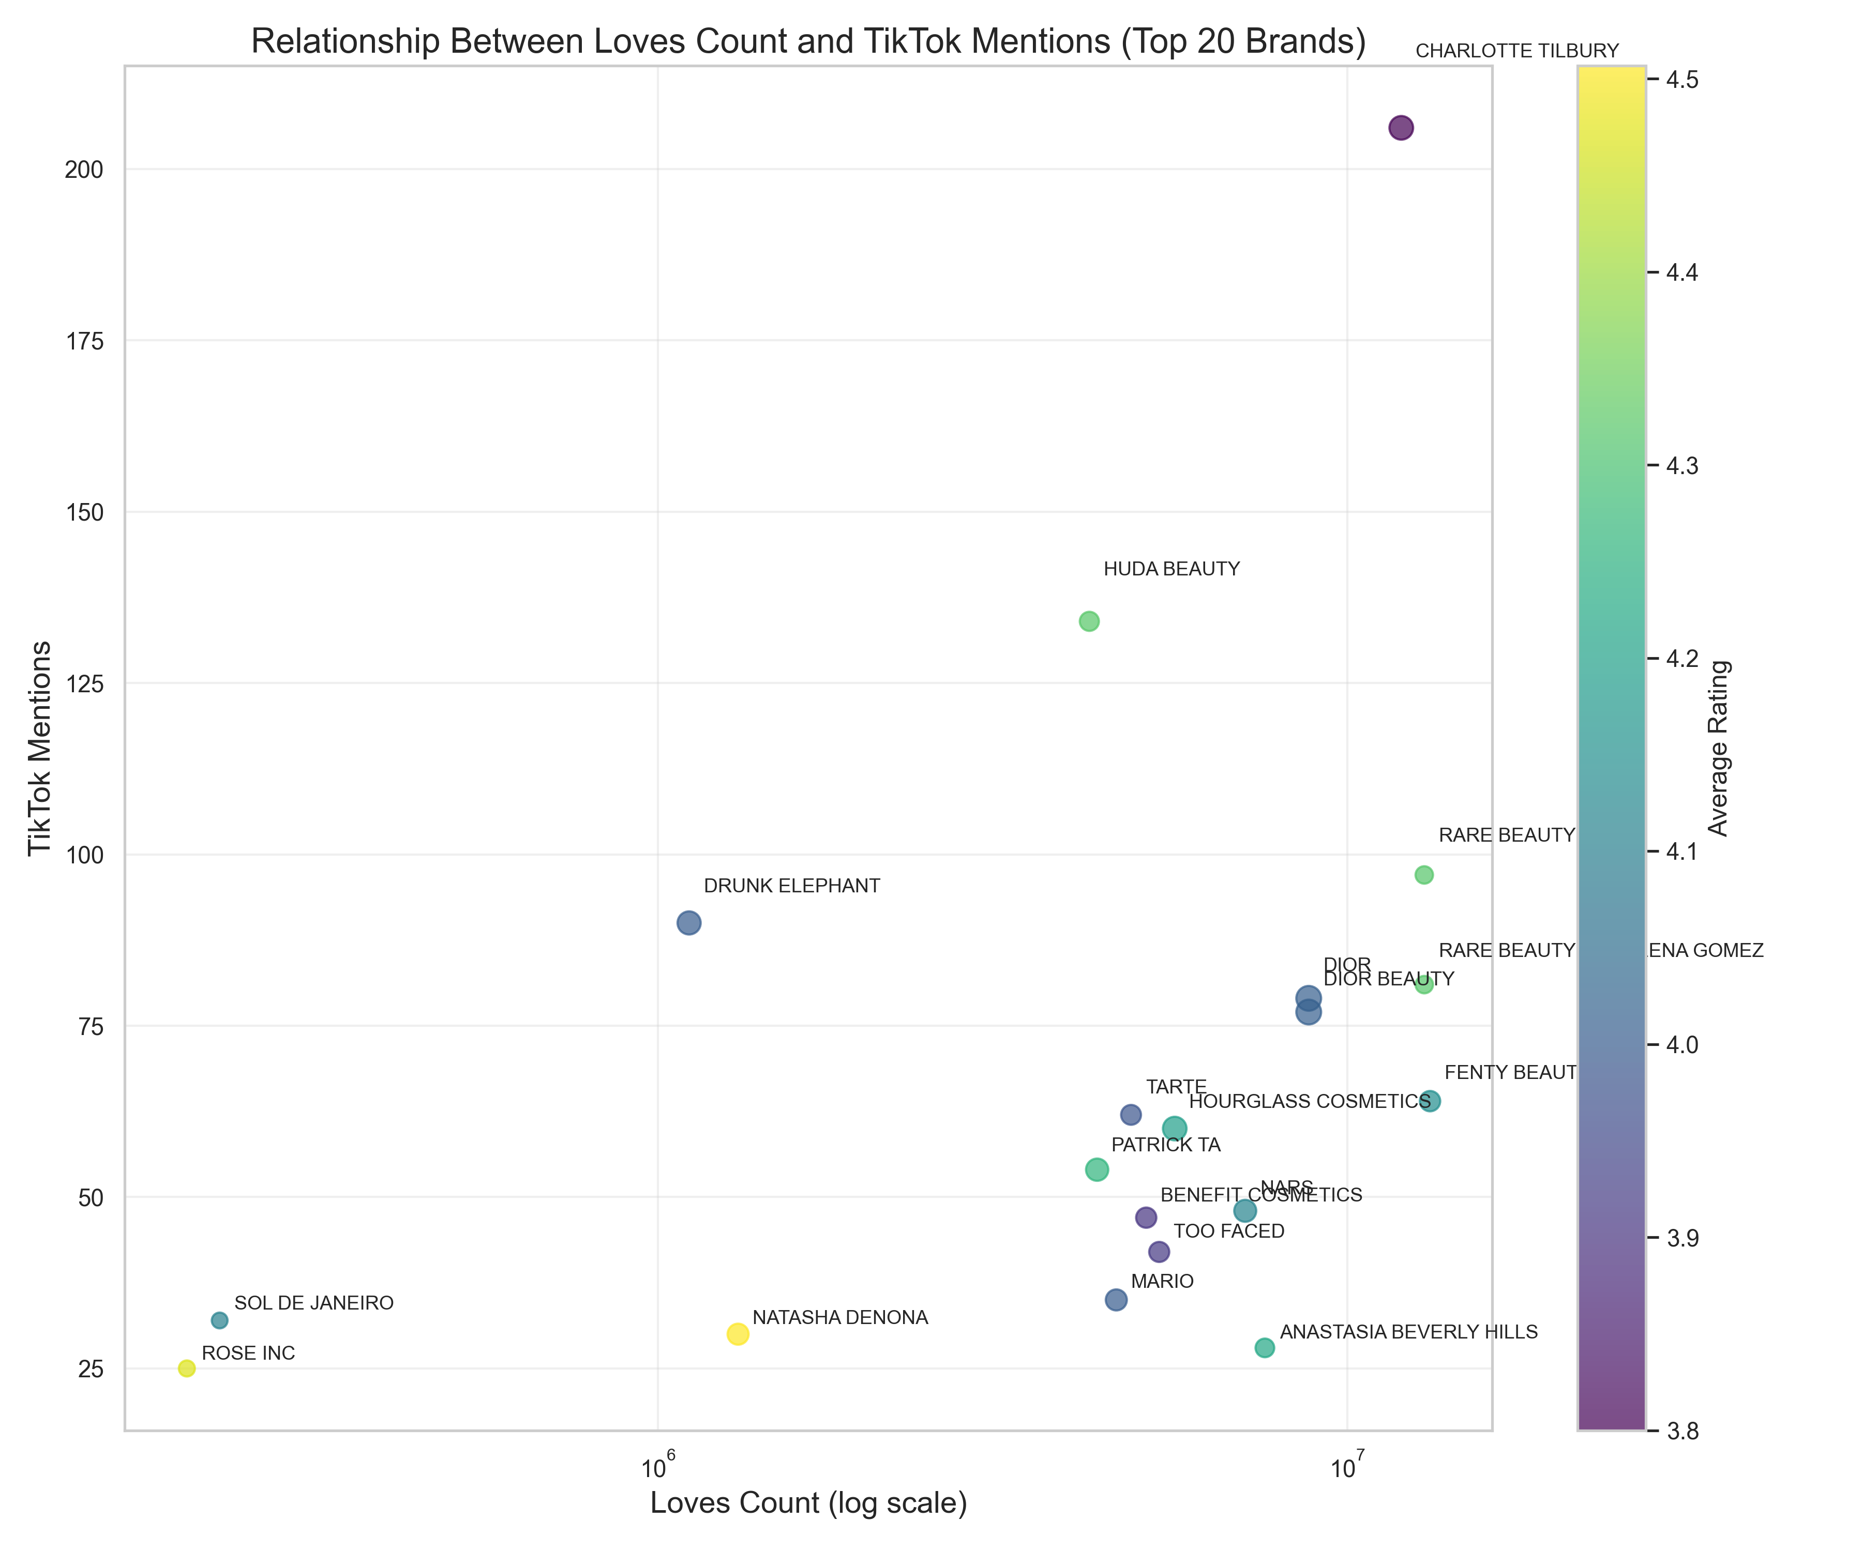

 | Sentiment Distribution
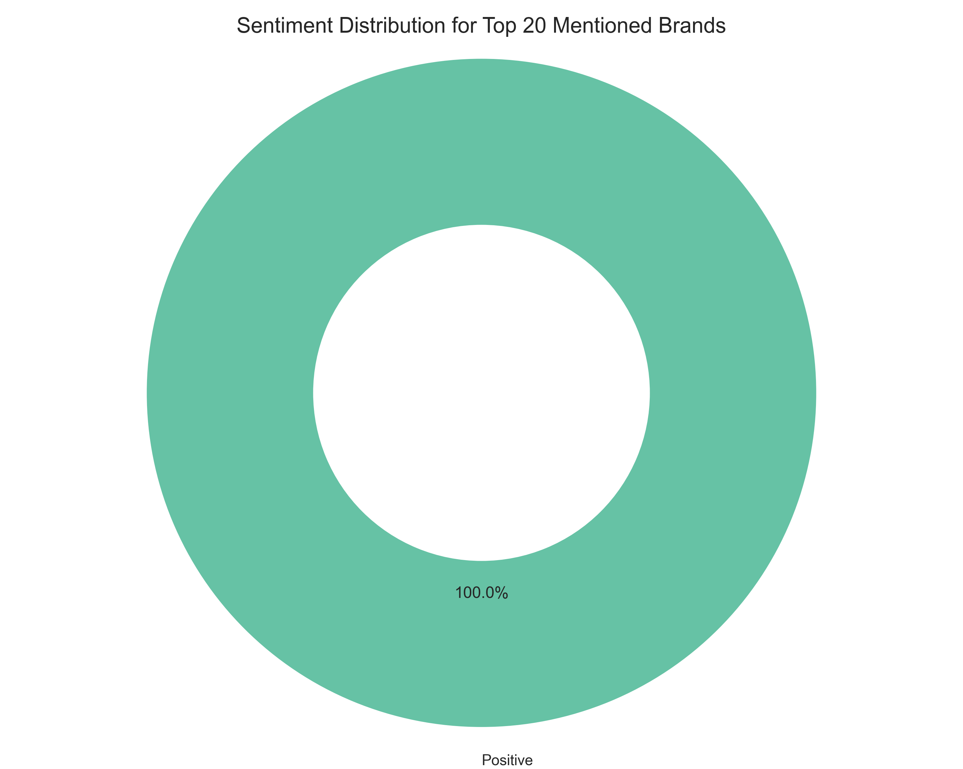

 | Top Brands By Mentions
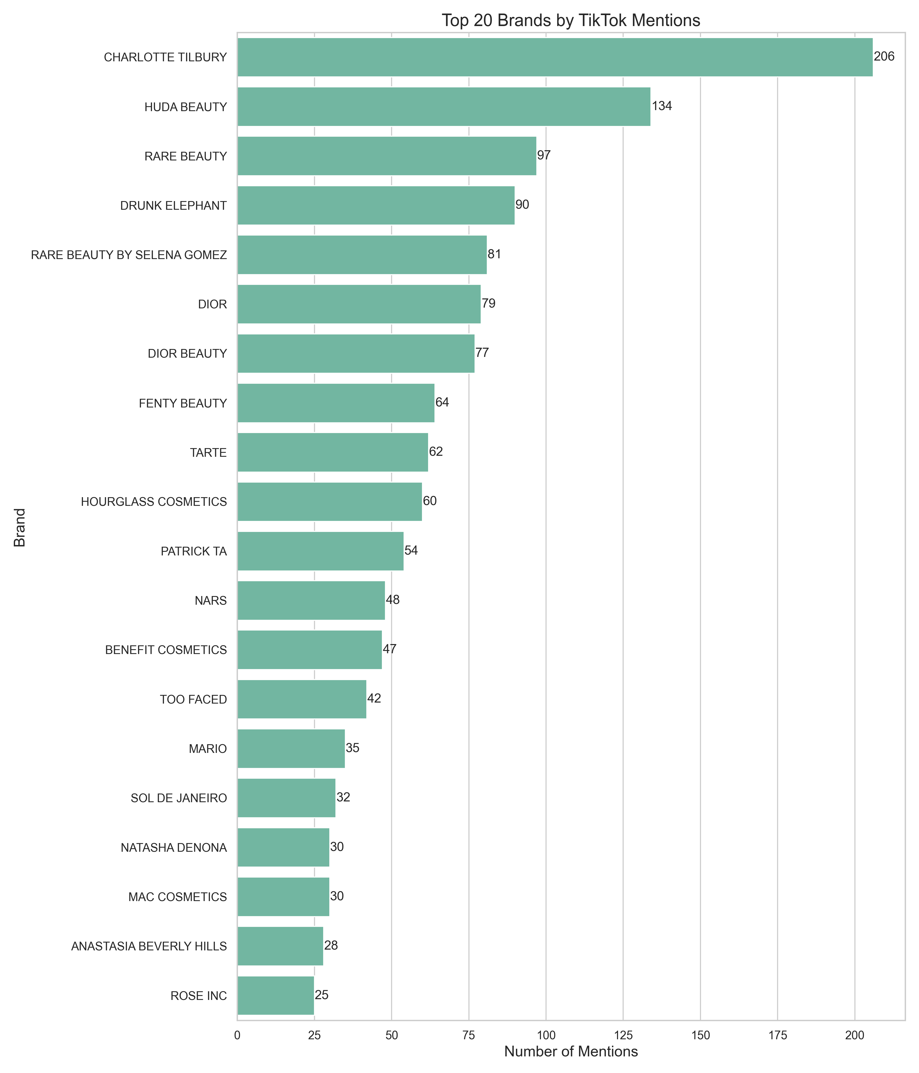

 | Price Rating Bubble
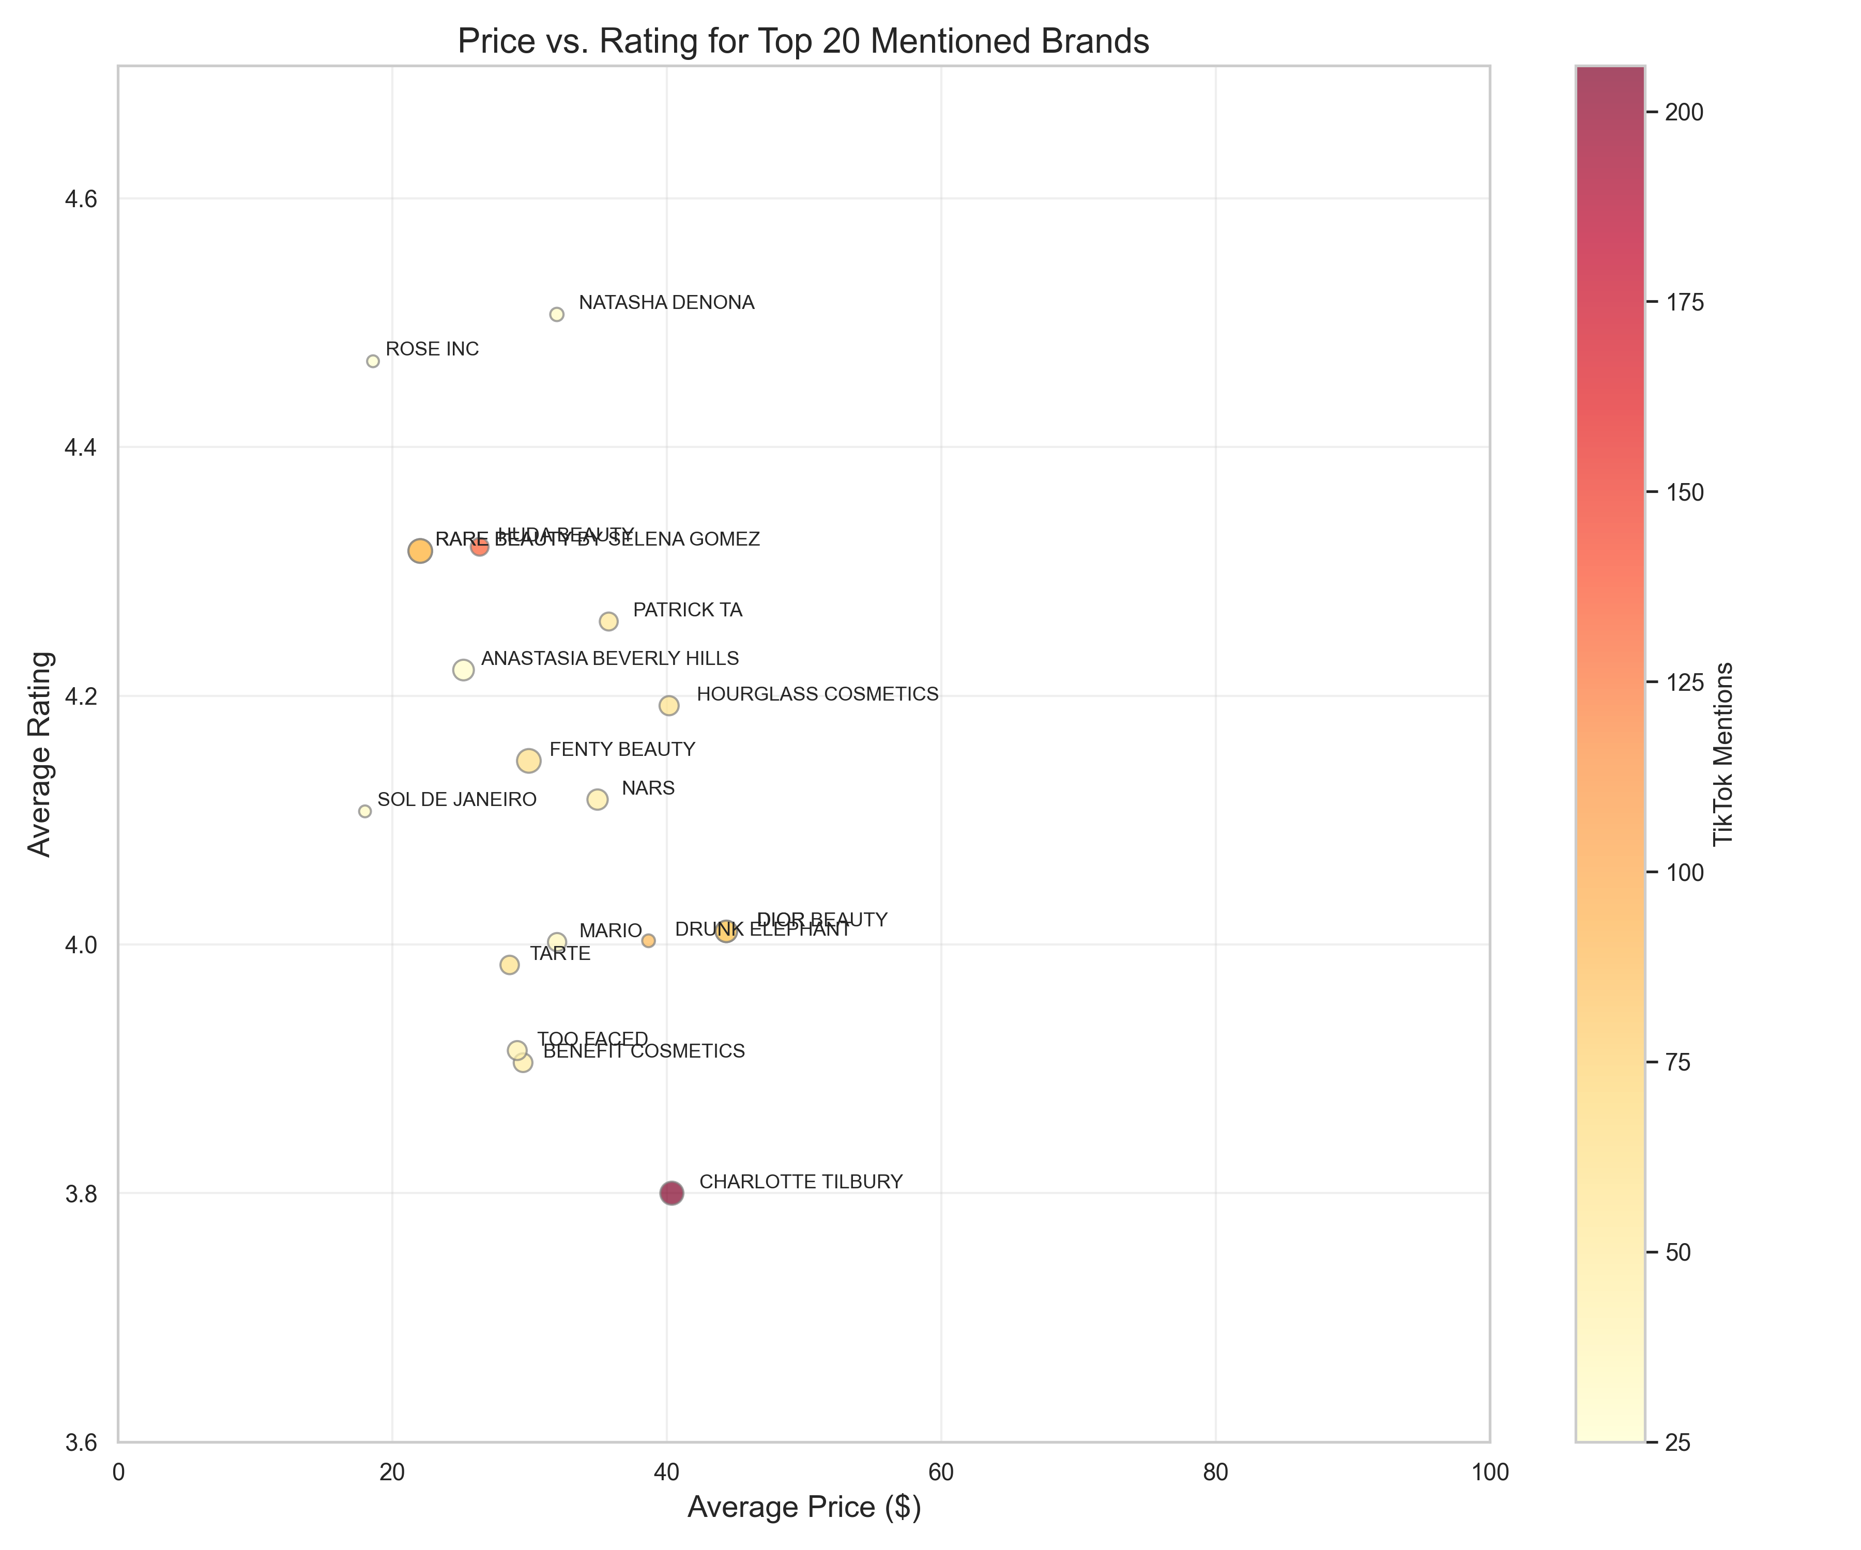

 | Tiktok Terms Wordcloud
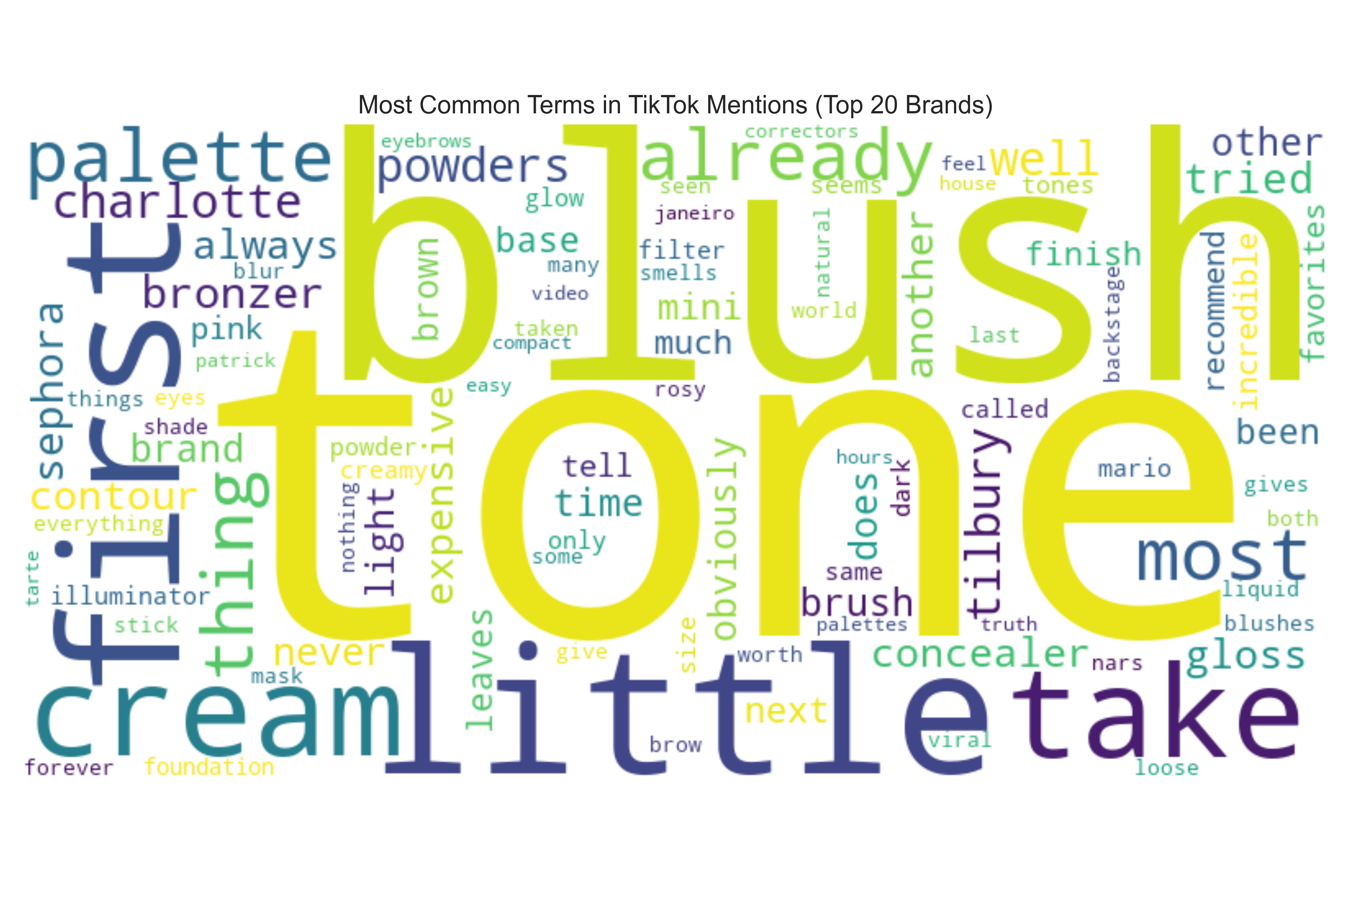

 | Product Characteristics Wordcloud
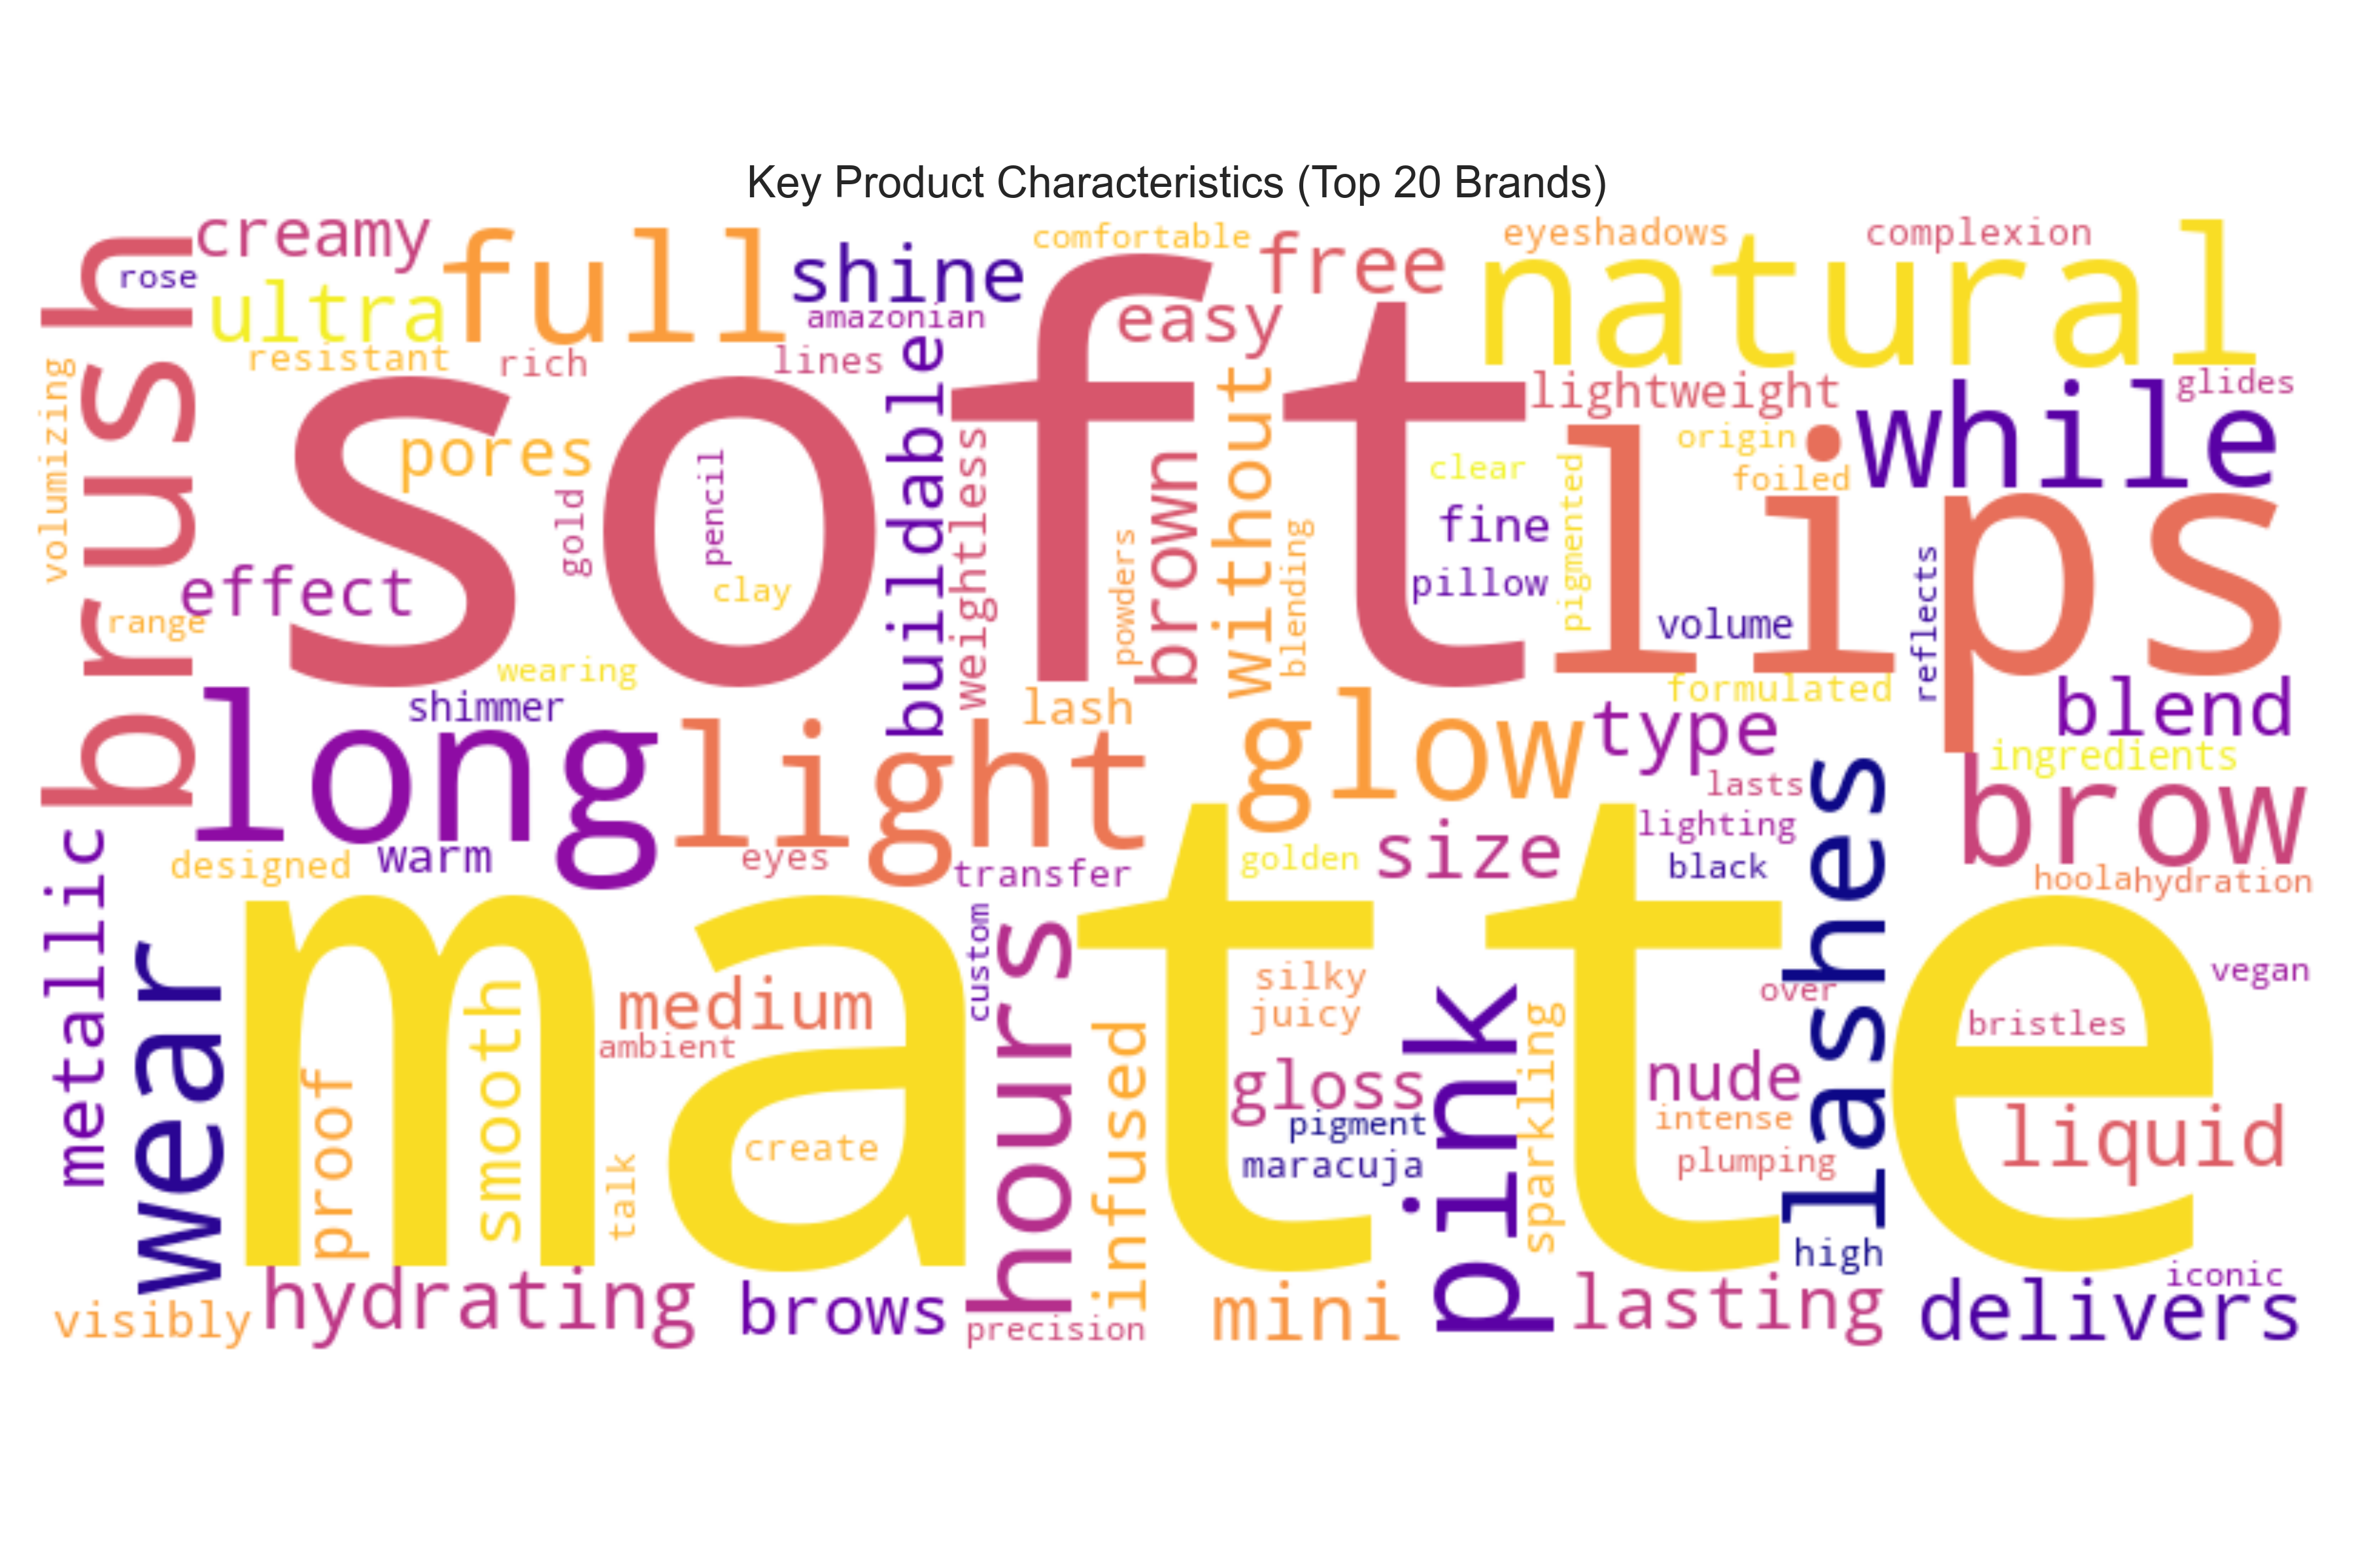

 | Sentiment By Brand
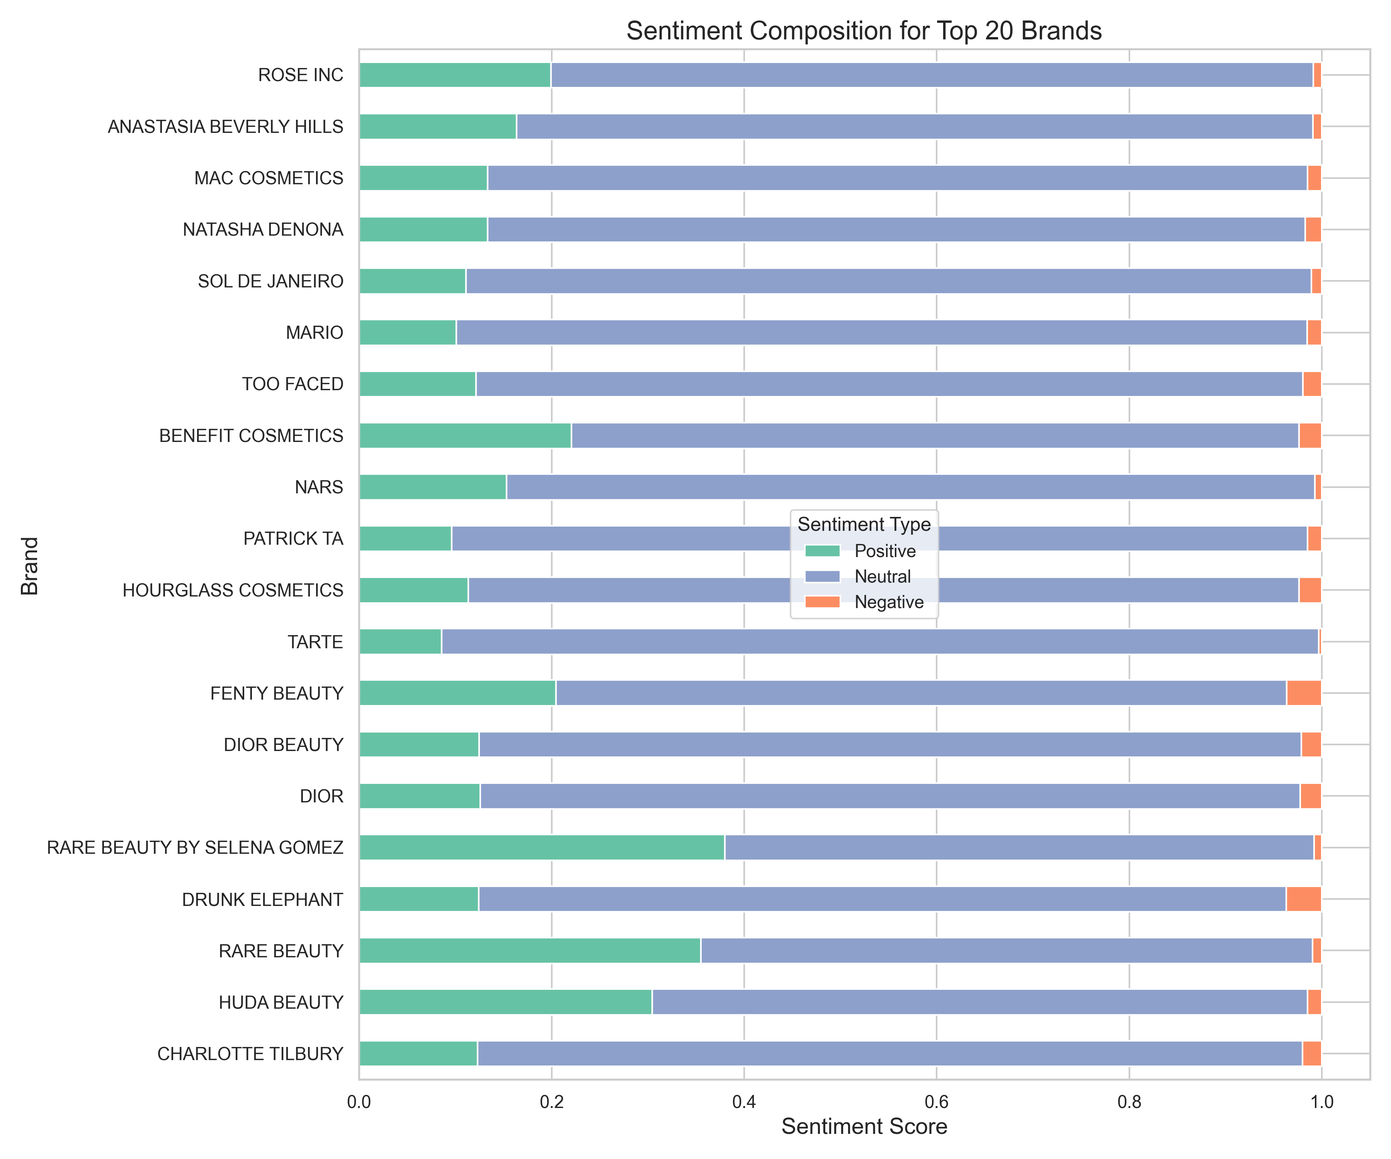

 | Mentions By Price Range

