Integral1
Sample # | Sample | Average Int1 | Stdev Int1 | Drug final conc | Bug ID | Bug Name
49 | drug only | 0.98 | 0.06 | 50 µM | - | -
41 | ED1a | -0.01 | 0.01 | - | NT5078 | Escherichia coli ED1a
29 | drug + ED1a | 0.16 | 0.04 | 50 µM | NT5078 | Escherichia coli ED1a
37 | IAI1 | 0.00 | 0.02 | - | NT5077 | Escherichia coli IAI1
25 | drug + IAI1 | 0.21 | 0.02 | 50 µM | NT5077 | Escherichia coli IAI1
45 | S. salivarius | 0.01 | 0.03 | - | NT5038 | Streptococcus salivarius
33 | drug + S. salivarius | 0.52 | 0.03 | 50 µM | NT5038 | Streptococcus salivarius
Relative drug uptake in resting cell assay

Raw values for integrals
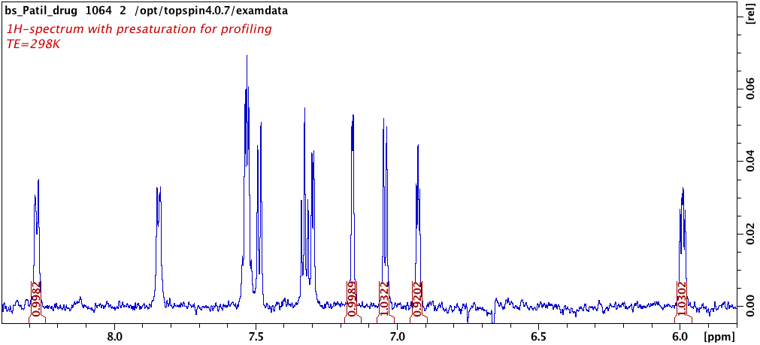
NMR file | Sample # | Integral number | Region | Value
1002 | 22 | Number | Integrated Region | Integral
1002 | 22 | 1 | 8.303 - 8.243 | 0.165944
1002 | 22 | 2 | 7.187 - 7.127 | 0.190426
1002 | 22 | 3 | 7.071 - 7.011 | 0.130905
1002 | 22 | 4 | 6.955 - 6.895 | 0.105423
1002 | 22 | 5 | 6.019 - 5.959 | 0.17504
1004 | 23 | Number | Integrated Region | Integral
Integral 2
Integral 3
1004 | 23 | 1 | 8.303 - 8.243 | 0.215051
1004 | 23 | 2 | 7.187 - 7.127 | 0.21088
Integral 4
1004 | 23 | 3 | 7.071 - 7.011 | 0.264298
1004 | 23 | 4 | 6.955 - 6.895 | 0.107146
Integral 1
Integral 5
1004 | 23 | 5 | 6.019 - 5.959 | 0.11186
1006 | 24 | Number | Integrated Region | Integral
1006 | 24 | 1 | 8.303 - 8.243 | 0.219727
1006 | 24 | 2 | 7.187 - 7.127 | 0.230119
1006 | 24 | 3 | 7.071 - 7.011 | 0.253536
1006 | 24 | 4 | 6.955 - 6.895 | 0.177331
1006 | 24 | 5 | 6.019 - 5.959 | 0.122645
1008 | 25 | Number | Integrated Region | Integral
1008 | 25 | 1 | 8.303 - 8.243 | 0.220478
1008 | 25 | 2 | 7.187 - 7.127 | 0.235431
1008 | 25 | 3 | 7.071 - 7.011 | 0.198212
1008 | 25 | 4 | 6.955 - 6.895 | 0.203869
1008 | 25 | 5 | 6.019 - 5.959 | 0.172943
1012 | 26 | Number | Integrated Region | Integral
1012 | 26 | 1 | 8.303 - 8.243 | 0.219751
1012 | 26 | 2 | 7.187 - 7.127 | 0.168463
1012 | 26 | 3 | 7.071 - 7.011 | 0.22503
1012 | 26 | 4 | 6.955 - 6.895 | 0.158588
1012 | 26 | 5 | 6.019 - 5.959 | 0.179652
1014 | 27 | Number | Integrated Region | Integral
1014 | 27 | 1 | 8.303 - 8.243 | 0.144832
1014 | 27 | 2 | 7.187 - 7.127 | 0.145046
1014 | 27 | 3 | 7.071 - 7.011 | 0.144666
1014 | 27 | 4 | 6.955 - 6.895 | 0.0994987
1014 | 27 | 5 | 6.019 - 5.959 | 0.101811
1016 | 28 | Number | Integrated Region | Integral
1016 | 28 | 1 | 8.303 - 8.243 | 0.171395
1016 | 28 | 2 | 7.187 - 7.127 | 0.177566
1016 | 28 | 3 | 7.071 - 7.011 | 0.213562
1016 | 28 | 4 | 6.955 - 6.895 | 0.116685
1016 | 28 | 5 | 6.019 - 5.959 | 0.132949
1018 | 29 | Number | Integrated Region | Integral
1018 | 29 | 1 | 8.303 - 8.243 | 0.121776
1018 | 29 | 2 | 7.187 - 7.127 | 0.169754
1018 | 29 | 3 | 7.071 - 7.011 | 0.230038
1018 | 29 | 4 | 6.955 - 6.895 | 0.131802
1018 | 29 | 5 | 6.019 - 5.959 | 0.074228
1022 | 30 | Number | Integrated Region | Integral
1022 | 30 | 1 | 8.303 - 8.243 | 0.55336
1022 | 30 | 2 | 7.187 - 7.127 | 0.455389
1022 | 30 | 3 | 7.071 - 7.011 | 0.587898
1022 | 30 | 4 | 6.955 - 6.895 | 0.504985
1022 | 30 | 5 | 6.019 - 5.959 | 0.515544
1024 | 31 | Number | Integrated Region | Integral
1024 | 31 | 1 | 8.303 - 8.243 | 0.529914
1024 | 31 | 2 | 7.187 - 7.127 | 0.553318
1024 | 31 | 3 | 7.071 - 7.011 | 0.523111
1024 | 31 | 4 | 6.955 - 6.895 | 0.404137
1024 | 31 | 5 | 6.019 - 5.959 | 0.466018
1026 | 32 | Number | Integrated Region | Integral
1026 | 32 | 1 | 8.303 - 8.243 | 0.525114
1026 | 32 | 2 | 7.187 - 7.127 | 0.536832
1026 | 32 | 3 | 7.071 - 7.011 | 0.563398
1026 | 32 | 4 | 6.955 - 6.895 | 0.451264
1026 | 32 | 5 | 6.019 - 5.959 | 0.545282
1028 | 33 | Number | Integrated Region | Integral
1028 | 33 | 1 | 8.303 - 8.243 | 0.467224
1028 | 33 | 2 | 7.187 - 7.127 | 0.49469
1028 | 33 | 3 | 7.071 - 7.011 | 0.540547
1028 | 33 | 4 | 6.955 - 6.895 | 0.470695
1028 | 33 | 5 | 6.019 - 5.959 | 0.528716
1032 | 34 | Number | Integrated Region | Integral
1032 | 34 | 1 | 8.303 - 8.243 | -0.0250276
1032 | 34 | 2 | 7.187 - 7.127 | 0.0280565
1032 | 34 | 3 | 7.071 - 7.011 | 0.0413254
1032 | 34 | 4 | 6.955 - 6.895 | -0.0709267
1032 | 34 | 5 | 6.019 - 5.959 | -0.042754
1034 | 35 | Number | Integrated Region | Integral
1034 | 35 | 1 | 8.303 - 8.243 | 0.0231714
1034 | 35 | 2 | 7.187 - 7.127 | 0.0597164
1034 | 35 | 3 | 7.071 - 7.011 | 0.0400823
1034 | 35 | 4 | 6.955 - 6.895 | -0.0927784
1034 | 35 | 5 | 6.019 - 5.959 | -0.0734846
1042 | 38 | Number | Integrated Region | Integral
1042 | 38 | 1 | 8.303 - 8.243 | 0.000261272
1042 | 38 | 2 | 7.187 - 7.127 | 0.0163723
1042 | 38 | 3 | 7.071 - 7.011 | 0.00359082
1042 | 38 | 4 | 6.955 - 6.895 | -0.0619605
1042 | 38 | 5 | 6.019 - 5.959 | 0.0159212
1044 | 39 | Number | Integrated Region | Integral
1044 | 39 | 1 | 8.303 - 8.243 | -0.0262476
1044 | 39 | 2 | 7.187 - 7.127 | 0.0267476
1044 | 39 | 3 | 7.071 - 7.011 | 0.0561538
1044 | 39 | 4 | 6.955 - 6.895 | -0.074778
1044 | 39 | 5 | 6.019 - 5.959 | -0.11651
1052 | 42 | Number | Integrated Region | Integral
1052 | 42 | 1 | 8.303 - 8.243 | -0.0173982
1052 | 42 | 2 | 7.187 - 7.127 | -0.0375149
1052 | 42 | 3 | 7.071 - 7.011 | 0.0382868
1052 | 42 | 4 | 6.955 - 6.895 | -0.0911367
1052 | 42 | 5 | 6.019 - 5.959 | -0.0254364
1054 | 43 | Number | Integrated Region | Integral
1054 | 43 | 1 | 8.303 - 8.243 | 0.0360619
1054 | 43 | 2 | 7.187 - 7.127 | -0.0178658
1054 | 43 | 3 | 7.071 - 7.011 | 0.02624
1054 | 43 | 4 | 6.955 - 6.895 | -0.0113275
1054 | 43 | 5 | 6.019 - 5.959 | -0.0308691
1062 | 46 | Number | Integrated Region | Integral
1062 | 46 | 1 | 8.303 - 8.243 | 0.895926
1062 | 46 | 2 | 7.187 - 7.127 | 0.924006
1062 | 46 | 3 | 7.071 - 7.011 | 0.920977
1062 | 46 | 4 | 6.955 - 6.895 | 0.823242
1062 | 46 | 5 | 6.019 - 5.959 | 0.998137
1064 | 47 | Number | Integrated Region | Integral
1064 | 47 | 1 | 8.303 - 8.243 | 0.998162
1064 | 47 | 2 | 7.187 - 7.127 | 0.998934
1064 | 47 | 3 | 7.071 - 7.011 | 1.03219
1064 | 47 | 4 | 6.955 - 6.895 | 0.920187
1064 | 47 | 5 | 6.019 - 5.959 | 1.03023
1066 | 48 | Number | Integrated Region | Integral
1066 | 48 | 1 | 8.303 - 8.243 | 1.04602
1066 | 48 | 2 | 7.187 - 7.127 | 1.01682
1066 | 48 | 3 | 7.071 - 7.011 | 1.07232
1066 | 48 | 4 | 6.955 - 6.895 | 0.985474
1066 | 48 | 5 | 6.019 - 5.959 | 1.09082

