Program Layout
 | 72-bit RAM Memory Address |  | 44-bit Virtual CPU Address
Base Address -> | 0x000fe36000ed0000ab | Environmental Packages | 0x10000000000 | Environmental Packages |  |  |  | Page - 1 | Page - 22
Base Register |  | Kernel Section Code (Syscalls and OS APIs) |  | Mode & References |  |  |  | Page - 2 | Page - 23
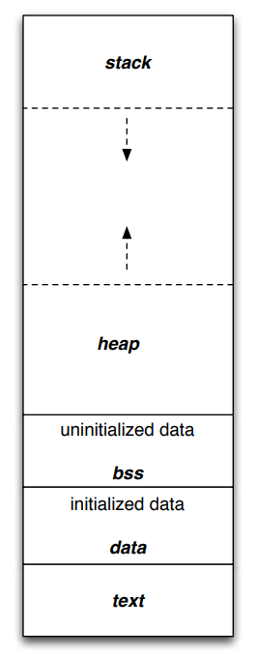
 |  |  |  | Process Control Block Information |  |  |  | Page - 3 | Page - 24
 |  |  | 0x1000fffffff | APIs | Syscalls | File I/O | Network | Page - 4 | Page - 25
 |  | User Code | 0x10010000000 | Stack Section |  |  |  | Page - 5 | Page - 26
 |  |  |  |  |  |  |  | Page - 6 | Page - 27
 |  |  |  |  |  |  |  | Page - 7 | Page - 28
 |  |  |  |  |  |  |  | Page - 8 | Page - 29
 |  |  |  |  |  |  |  | Page - 9 | Page - 30

 |  |  |  | Heap Section |  |  |  | Page - 10 | Page - 31
 |  |  |  |  |  |  |  | Page - 11 | Page - 32
 |  |  |  |  |  |  |  | Page - 12 | Page - 33
 |  |  |  |  |  |  |  | Page - 13 | Page - 34
 |  |  |  |  |  |  |  | Page - 14 | Page - 35
 |  |  |  |  |  |  |  | Page - 15 | Page - 36
 |  |  |  | Uninitialized Data (.bss .bsdms) |  |  |  | Page - 16 | Page - 37
 |  |  |  |  |  |  |  | Page - 17 | Page - 38
 |  |  |  | Global Static and Intialized data (.rodata .data) |  |  |  | Page - 18 | Page - 39
 |  |  |  |  |  |  |  | Page - 19 | Page - 40
 |  |  |  | Text Area (.text_main) |  |  |  | Page - 20 | Page - 41
Limit Register Address -> | 0x000fe36000ff3605fe |  | 0x0100ffffffff |  |  |  |  | Page - 21 | Page - 42

 | Frame Address |  | Page Address

Caches
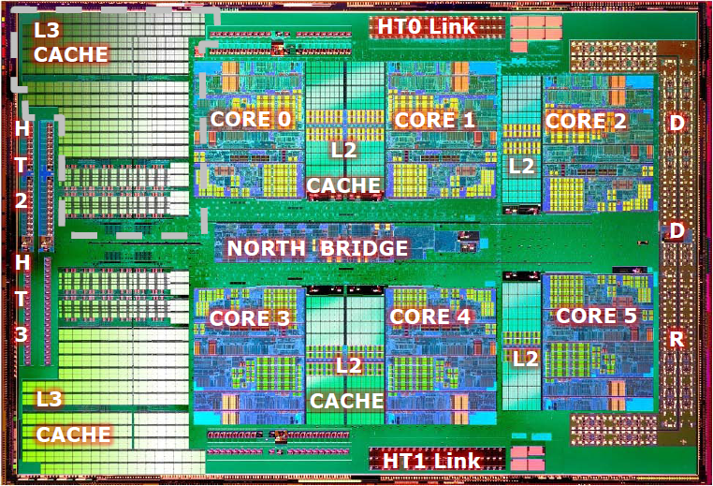
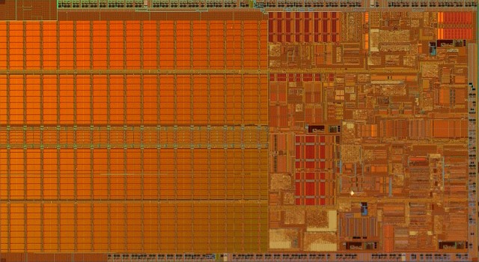
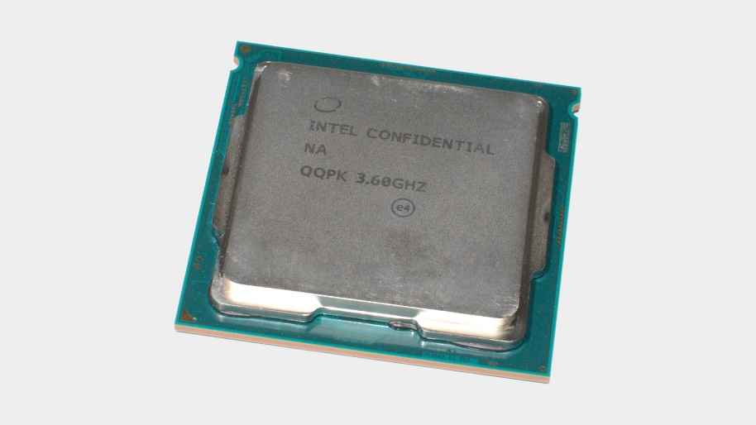
 | L1 Cache | L2 Cache | L3 Cache | Main Memory |  | HDD / SSD

CPU | Instruction Cache | Page - 40 | Page - 35 |  | Page - 25 |  | Page - 22
 |  | Page - 31 | Page - 36 | Page - 1 |  | Page - 2
 |  | Page - 14 | Page - 37 | Page - 6 | Page - 34 |  | Page - 24
 | Data Cache | Page - 17 | Page - 40 |  | Page - 35 | Page - 4
 |  | Page - 9 | Page - 31 | Page - 3 | Page - 36 | Page - 5 | Page - 26
CPU |  | Page - 11 | Page - 14 |  | Page - 37
 | Instruction Cache | Page - 39 | Page - 17 | Page - 23 |  | Page - 7 | Page - 28
 |  |  | Page - 9 | Page - 12 | Page - 27 | Page - 8
 |  |  | Page - 12 | Page - 16 | Page - 29 |  | Page - 30
 | Data Cache |  | Page - 16 |  | Page - 40
CPU |  |  |  | Page - 18 | Page - 31 | Page - 11 | Page - 32
 |  |  |  | Page - 10 |  |  | Page - 33
 | Instruction Cache |  |  |  | Page - 14 | Page - 13
 |  |  |  | Page - 20 | Page - 17
 |  |  |  |  | Page - 9 | Page - 15
CPU | Data Cache
 |  |  |  |  |  |  | Page - 38
 |  |  |  |  |  |  | Page - 39
 | Instruction Cache |  |  |  |  | Page - 19
 |  |  |  |  |  |  | Page - 41
 |  |  |  |  |  | Page - 21 | Page - 42
 | Data Cache

