Introduction
Position | DT Ecommerce Data Champion | Task1: Viability Analysis
Required mindset | Deep-thinking, joy of learning | You will be asked to analyze viability of campaigns
 |  | This introduces you to the idea of business modeling
DT Areas of Work | Behavioral Intelligence, Execution, BizTech Acumen, Values driven decision making, Learnability
 |  | Task2: Model Design
 |  | This would help you in building models to analyze viability
 |  | You will key in values and the model will help you visualize
 |  | the viability of TACOS in different scenarios

 |  | Why these tasks
About DT Data Champion Role | Blend of business analytics, data science and data engineering. Solves real world problems, gets buyin of cross functional teams, takes ownership of the outcome | If you're hired as a Data Champion, you would be looking at a lot of real world problems, you'd have to design and implement solutions. Task1 evaluates your problem solving capabilities while Task2 evaluates your technical execution of the solution

 |  | If hired, what would you be taught
DeepTech Mindset | Ability to switch between abstract and concrete ideas, to spot core insights, to extrrapolate textual ideas to real world situations | You would learn Quartile.ai, AI Prompt Workflows, Business Analytics, Ecommerce Data Science

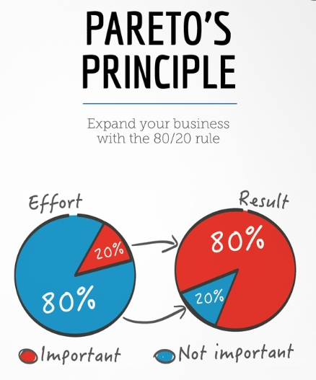

 |  | The tasks are quite easy, provided you follow the Pareto's law: spend 80% of the time reading and understanding, 20% time executing the task

Sheet15
Cost of Goods Sold (COGS) | 15
Amazon Fee (% of SP) | 15%
Corporate Fixed Costs (monthly) | 10,000 | CAC | Profit After Tax
Bank Loan Interest (monthly) | 1,500 | 0 | 32800
Selling Price (SP) | 30 | 5 | -273422331
Units Sold | 5,000 | 10 | 1344384970
Tax Rate | 20% | 15 | 70002.8
Customer Acquisition Cost (CAC) | 41000 | 20 | 144550.7
 |  | 25 | 390568.75
Gross Margin per Unit | 15 | 30 | 13529670
Amazon Fee per Unit | 4.5 | 35 | 47067204580
Net Margin per Unit | 10.5 | 40 | -1312015
Monthly Profit Before Tax | 41000
Profit After Tax | 32800

