India_Capacity
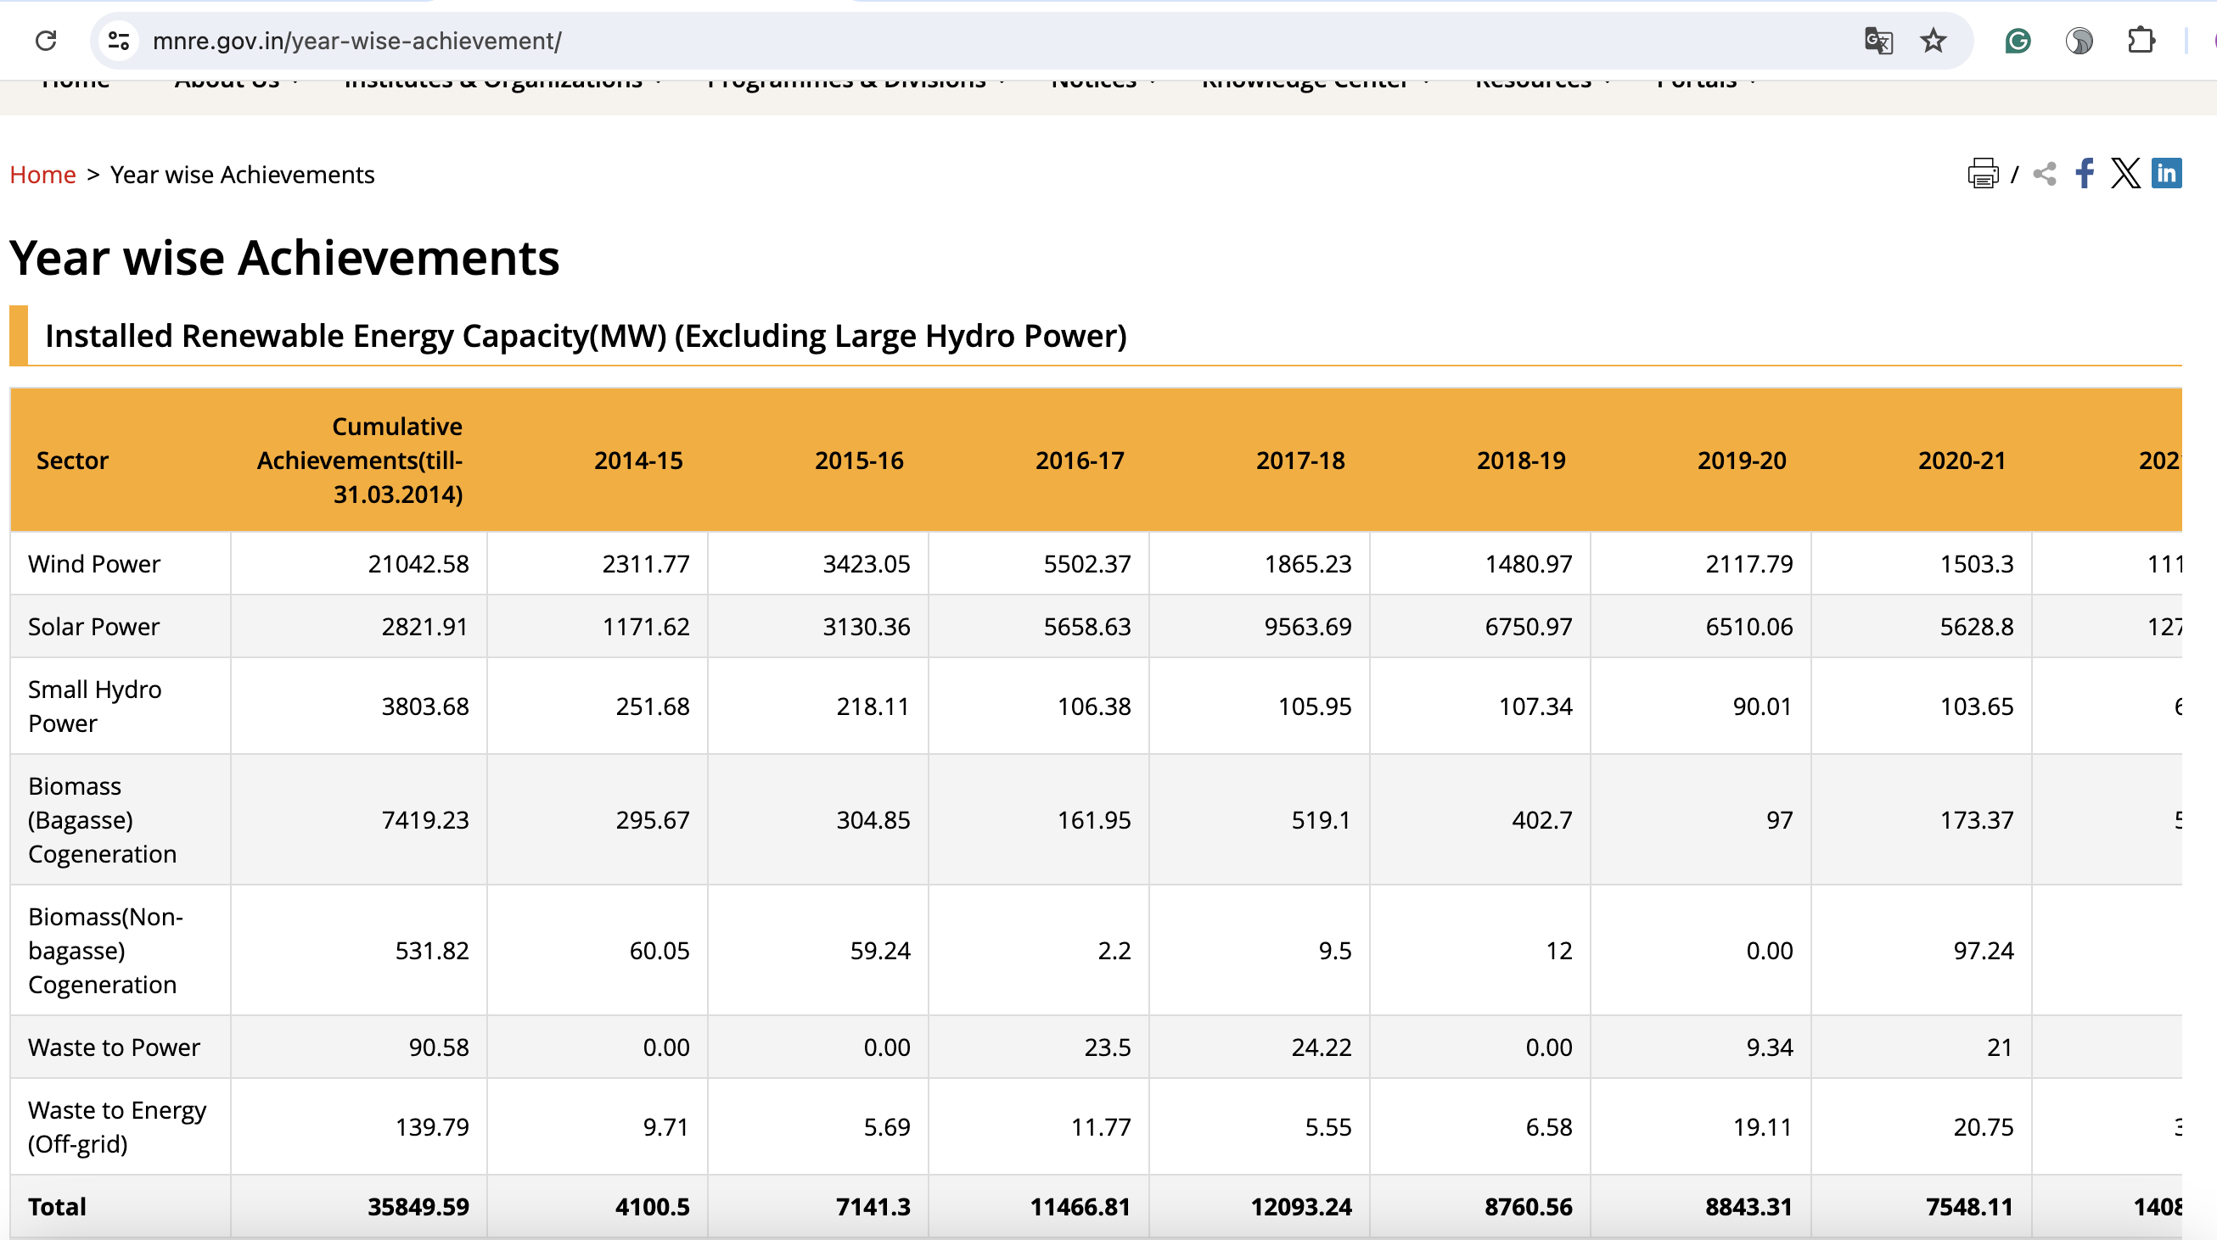
Country | Year | New Installed Wind | New Installed Solar
India | 2015 | 3423.05 | 3130.36
India | 2016 | 5502.37 | 5658.63
India | 2017 | 1865.23 | 9563.69
India | 2018 | 1480.97 | 6750.97
India | 2019 | 2117.79 | 6510.06
India | 2020 | 1503.3 | 5628.8

