Dashboard
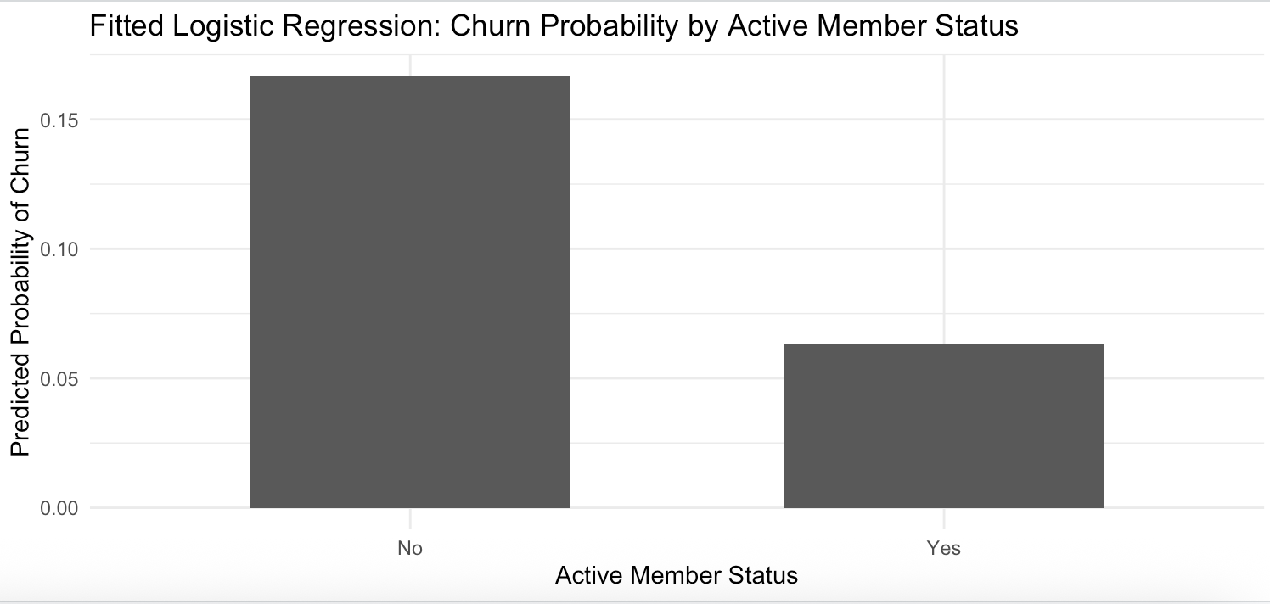
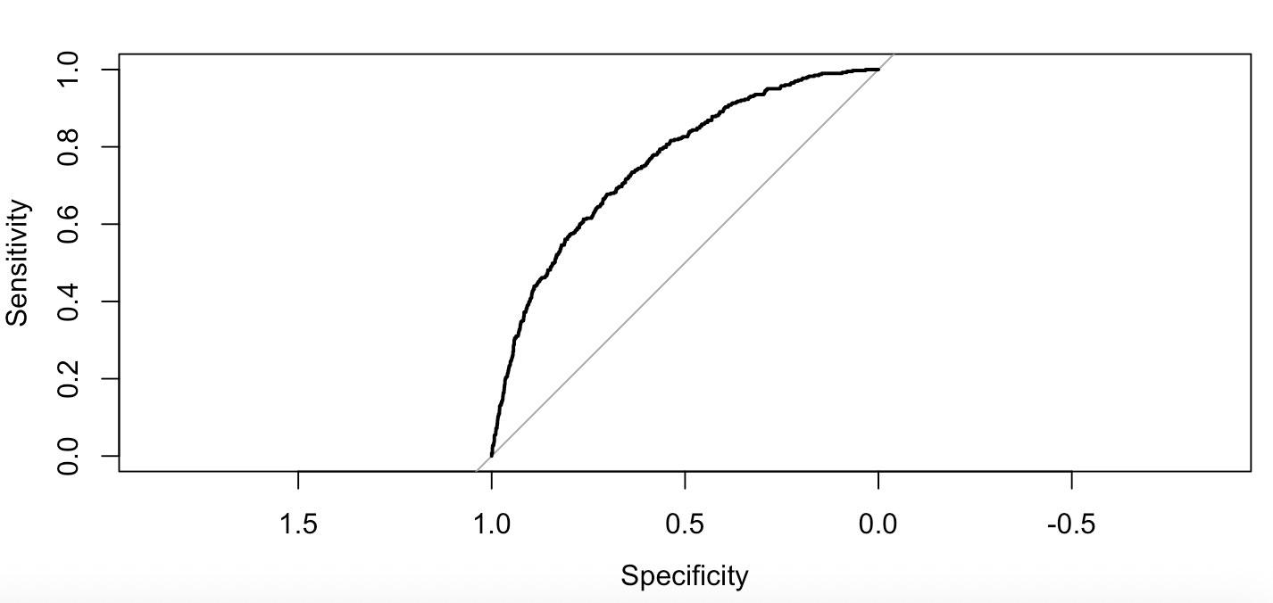
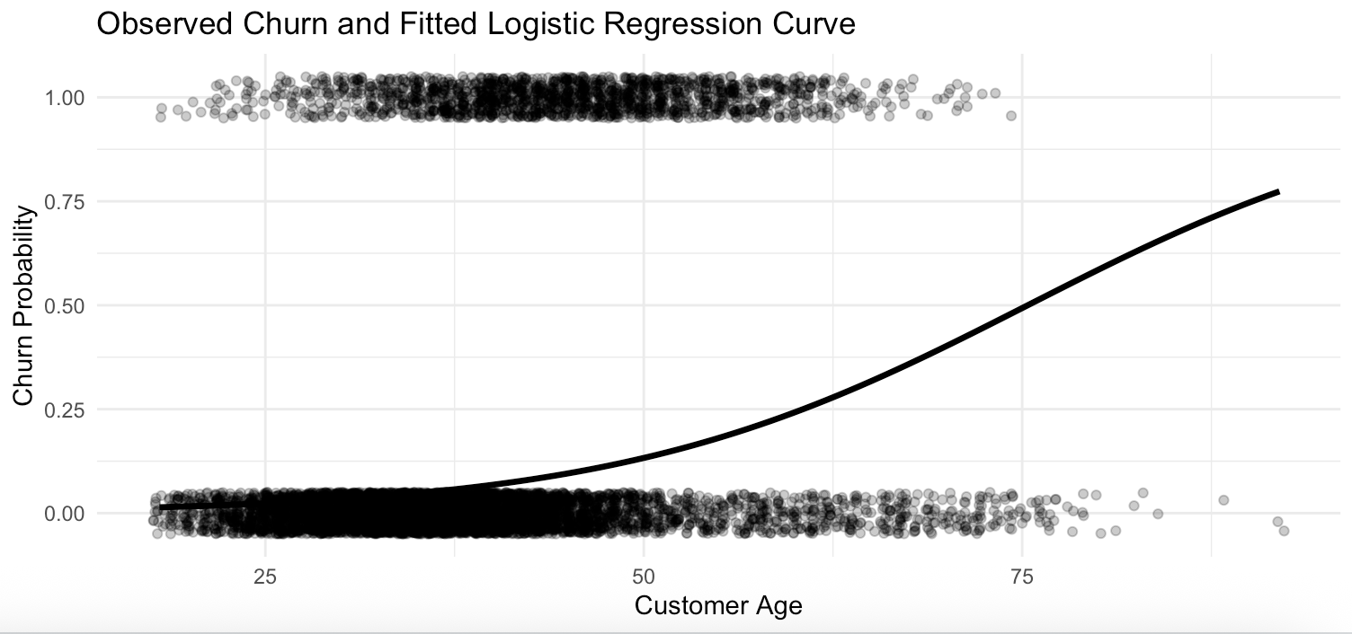
 |  | Customer Churn Dashboard

Total Customers | Actual Churn Rate |  | Average Predicted Churn Probability | High-Risk Customers | High-Risk Share
2000 | 20.15% |  | 20.60% | 153 | 7.65%

Actual Churn Breakdown
 | Total
No | 1592
Yes | 403
Churn Rate By Country
 | Total
France | 16%
Germany | 32%
Spain | 16%
Churn Rate By Gender
 | Total
Female | 24%
Male | 17%

Predicted vs. Actual Churn Rate (By Balance)
 | Actual Churn Rate | Average Predicted Churn Probability
Zero Balance | 14% | 14%
Low Balance | 40% | 22%
Medium Balance | 20% | 22%
High Balance | 25% | 25%
Very High Balance | 26% | 24%
Actual Vs. Predicted Churn Rate (By Age)
 | Actual Churn Rate | Average Predicted Churn Probability
18-30 | 9% | 8%
31-40 | 15% | 11%
41-50 | 27% | 35%
51-60 | 39% | 54%
60+ | 56% | 25%
Actual Vs. Predicted Churn Rate (By Active Status)
 | Actual Churn Rate | Average Predicted Churn Probability
No | 27% | 28%
Yes | 14% | 14%

 |  | Fitted Logression Output from R

