Lays Hypo Test
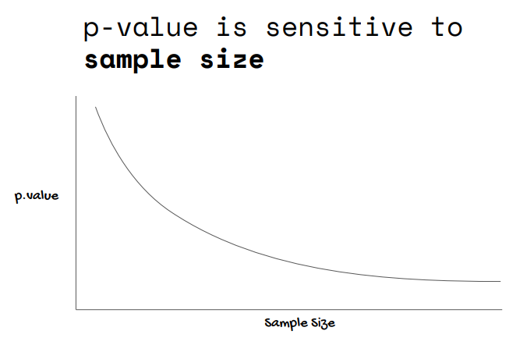
Two-tailed test
Ho: lays big pack avg. weight = 260g
Ha: lays big pack avg. weight != 260g

 | Lays | Null
 | 260 | 260 | mean | 267
 | 270 | 260 | sd | 10
 | 280 |  | se | 3.1049000049
 | 265
 | 255 |  | p-value | <= 0.05?
 | 280 |  | N=10 | P(T<=t) two-tail | 0.073318494727 | Do not reject Ho, alpha 0.05
 | 262 |  | N=30 | P(T<=t) two-tail | 0.0010582091736 | Reject Ho
 | 260 |  | N=100 | P(T<=t) two-tail | 0.00000 | Reject Ho
 | 280
 | 254 |  | se n=10 | 3.105
 | 260 |  | se n=30 | 1.793
 | 270 |  | se n=100 | 0.982
 | 280
 | 265
 | 255
 | 280
 | 262
 | 260
 | 280
 | 254
 | 260
 | 270
 | 280
 | 265
 | 255
 | 280
 | 262
 | 260
 | 280
 | 254
 | 260
 | 270
 | 280
 | 265
 | 255
 | 280
 | 262
 | 260
 | 280
 | 254
 | 260
 | 270
 | 280
 | 265
 | 255
 | 280
 | 262
 | 260
 | 280
 | 254
 | 260
 | 270
 | 280
 | 265
 | 255
 | 280
 | 262
 | 260
 | 280
 | 254
 | 260
 | 270
 | 280
 | 265
 | 255
 | 280
 | 262
 | 260
 | 280
 | 254
 | 260
 | 270
 | 280
 | 265
 | 255
 | 280
 | 262
 | 260
 | 280
 | 254
 | 260
 | 270
 | 280
 | 265
 | 255
 | 280
 | 262
 | 260
 | 280
 | 254
 | 260
 | 270
 | 280
 | 265
 | 255
 | 280
 | 262
 | 260
 | 280
 | 254

