Login
Trigger: click login button

 |  | Vietnamese Eazy

 | Login to our site

 | Enter your username and password to log on:

Username...

Password...

 |  | Remember me
Login!

 |  | Register | Lost your password?

Facebook
Twitter
Google plus

Register
Register

Trigger: click register link

 |  | Vietnamese Eazy

 | Register for our site
Username...

Email Address...

Password...

Confirm password...

REGISTER

Home
Login/register
Home
Trigger: Finish login
or click function login | Veasy

Home
Lesson
Test
Dictionary
Statistic
Culltural

Carousel

Hot content
Hot content
Hot content

Read more

Advantage
Advantage

Advantage
Advantage

 |  | FEEDBACK
face
face
face
face

Opinion
Opinion
Opinion
Opinion

 |  | Handsome Admins

Minh
Thắng
Duy
Linh
Tùng
Quân

Cultural
Cultural
Trigger: click function Cultural
 | Veazy



 |  |  |  | Di sản
 |  |  | Các di sản được UNESCO công nhận





 |  | Thành Thăng Long |  | Cố đô Huế | Vịnh Hạ Long
 |  | abc |  | abc | abc
Read more
Read more
Read more

User Profile
MENU

ABOUT
EDIT
PROFILE
 |  |  | Firstname |  | Lastname
NOTIFICATIONS |  |  | Username |  | Email
INFORMATION
CHANGE PASS LOG OUT
 |  |  | Birthday |  | Address
2
HISTORY |  |  | City |  | Country
 |  |  | Phone |  | Hobby

SATISTIC
Score
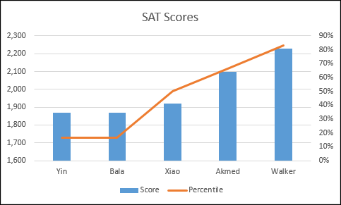
 | QUANNH
 |  |  | A : 100
 | INTRODUCE |  | B : 100
 |  |  | C : 100
LIST NOTIFICATION
 |  |  | D : 100
Listening

Grammar
Speaking
ACTIVITY
SKILL

Writing
Reading
 |  |  | List | Time | Ngữ pháp
 |  |  |  |  | Viết
 |  |  |  |  | Đọc
 | Rank 1 |  |  |  | Nghe
 | Member since May 24, 2016 |  |  |  | Nói

 |  | Trigger : User -> Information

Edit Profile
MENU | EDIT PROFILE
PERSONAL INFO
PROFILE
 |  |  |  | Firstname
NOTIFICATIONS |  |  |  | Lastname
INFORMATION
CHANGE PASS LOG OUT
 |  |  |  | Email
2
HISTORY |  |  |  | Birthday | 2016 | May | 24
 |  |  |  | Address
 |  |  |  | City
 |  |  |  | Country | Vietnam
 |  |  |  | Phone
 |  | QUANNH |  | Hobby

LIST NOTIFICATION
 |  | INTRODUCE
 |  |  |  | Introduce
 |  |  |  | Yourself
Listening

Grammar
Speaking

CANCEL
SAVE
Writing
Reading

 |  | Rank 1
 |  | Member since May 24, 2016

 |  |  | Trigger : User -> Information -> edit

Change Password
MENU | EDIT PROFILE
CHANGE PASSWORD
PROFILE
 |  |  |  | Old Password
NOTIFICATIONS |  |  |  | New Password
INFORMATION
CHANGE PASS LOG OUT
 |  |  |  | Confirm Pass
2
HISTORY
CANCEL
SAVE

 |  | QUANNH

 |  | INTRODUCE
LIST NOTIFICATION

Listening

Grammar
Speaking

Writing
Reading

 |  | Rank 1
 |  | Member since May 24, 2016

 |  |  | Trigger : User -> Change password

Notification
MENU
 | List Notification | Content
PROFILE

NOTIFICATIONS
INFORMATION
CHANGE PASS LOG OUT
2
HISTORY

LIST NOTIFICATION

History user
MENU | EDIT PROFILE
HISTORY
PROFILE

NOTIFICATIONS
INFORMATION
CHANGE PASS LOG OUT
2
HISTORY

 |  | QUANNH

 |  | INTRODUCE
LIST NOTIFICATION

Listening

Grammar
Speaking

Writing
Reading

 |  | Rank 1
 |  | Member since May 24, 2016

Test menu
Trigger: click on test menu
VZ
Log in / Register

HOME
DICTIONARY
LESSON
TEST
ARTICLE
...

 |  | Start Test

 |  | Test History

 |  | Test Statistic

 | User Menu

VZ
Log in / Register

HOME
DICTIONARY
LESSON
TEST
ARTICLE
...

 |  | Create Question

 |  | List Question

 | Content Creater Menu

Test
Trigger: Click on start on start test
 | Test Overview

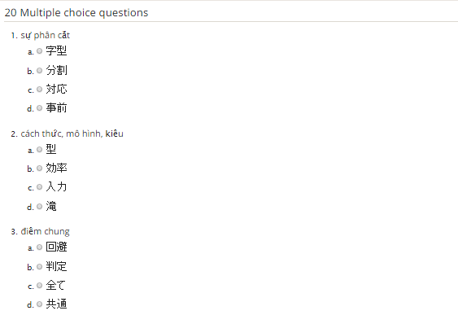
TIME LEFT: 25:18
 | TEST CONTENT

SUBMIT ANSWER
QUIT TEST

Test Result
Trigger: Click on submit answer on test
 | Test Result Overview

SCORE: F
11/20
 | 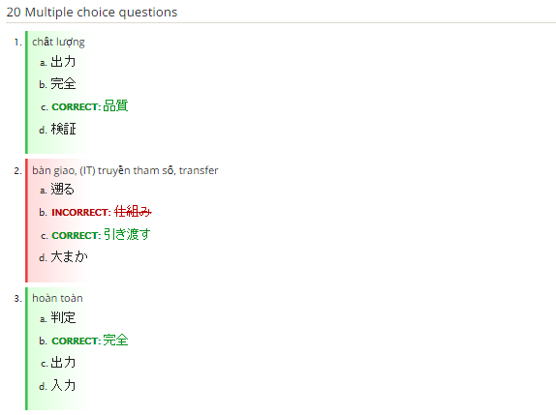 TEST CONTENT

RE-DO TEST
CANCEL

Delete Question
Trigger: Click on delete link on list question
 | Delete Question Overview

 |  | Are you sure to delete this question ?

YES
CANCEL

Trigger: Click on Yes on previous dialog
 |  | Delele question succesfully!

Dashboard
3
QuanNH
Users
18+
Course
Lesson
20+
Test
20+
Feedback
Visits
28+
LIST NOTIFICATION
INFORMATION
CHANGE PASS LOG OUT
 | VEazy
 |  |  | 1 Tỷ |  | 2 Tỷ |  | 3 Tỷ |  | 4 Tỷ |  | 0 |  | 10 Tỷ
 |  | Dashboard
Dashboard |  |  |  | Satistics

Users
 |  | Visitors Satistic |  | Courses Satistic |  | Lessons Satistic |  | Tests Satistic |  | Scores Satistic |  | Users Satistic
Report

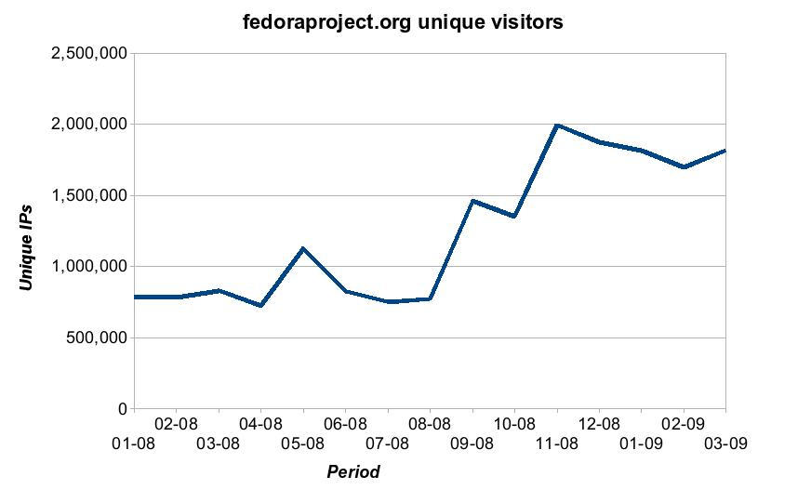
Feedback |  | Today's Visitors
 |  | 260,593

 |  | Status |  |  |  |  |  |  |  |  |  |  | 23/05/2016

Users
3
QuanNH
Users
18+
Course
Lesson
20+
Test
20+
Feedback
Visits
28+
 | VEazy
 |  |  | 1 Tỷ |  | 2 Tỷ |  | 3 Tỷ |  | 4 Tỷ |  | 0 |  | 10 Tỷ
 |  | Users & Groups
Dashboard

Users
 |  | Users |  | Groups
Report

Search
Feedback |  |  | Summary |  |  | Search
 |  |  |  |  |  |  | Username / email
 |  |  | Total Users
 |  |  | Active users
 |  |  |  |  |  | List users
 |  |  |  |  |  | Username | Email | Firstname | Lastname | Joined date | Last vist | Ban | Control

 |  | Status |  |  |  |  |  |  |  |  |  |  | 23/05/2016

View User
3
QuanNH
Users
18+
Course
Lesson
20+
Test
20+
Feedback
Visits
28+
 | VEazy
 |  |  | 1 Tỷ |  | 2 Tỷ |  | 3 Tỷ |  | 4 Tỷ | 0 | 10 Tỷ
 |  | Users & Groups
Dashboard

Users
 |  | Users |  | Groups
Report

Feedback

 |  |  |  |  |  | Username
 |  |  |  |  |  | Password
 |  |  |  |  |  | First name
 |  |  |  |  |  | Last name
 |  |  |  |  |  | Gender
 |  |  |  |  |  | Birthday
 |  |  | History |  |  | Level |  | 1
 |  |  | Delete
 |  |  | Save |  |  | Group |  | Member

 |  |  |  |  |  | Ban

 |  | Status |  |  |  |  |  |  |  |  | 23/05/2016

Groups
3
QuanNH
Users
18+
Course
Lesson
20+
Test
20+
Feedback
Visits
28+
 | VEazy
 |  |  | 1 Tỷ |  | 2 Tỷ |  | 3 Tỷ |  | 4 Tỷ |  | 0 |  | 10 Tỷ
 |  | Users & Groups
Dashboard

Users
 |  | Users |  | Groups
Report

Search
Feedback |  |  | Summary |  |  | Search
 |  |  |  |  |  |  | Group name
 |  |  | Total

 |  |  |  |  |  | List Groups
 |  |  |  |  |  |  | ID | Name | Description | Role | Active | Edit | Delete

 |  | Status |  |  |  |  |  |  |  |  |  |  | 23/05/2016

View Group
3
QuanNH
Users
18+
Course
Lesson
20+
Test
20+
Feedback
Visits
28+
 | VEazy
 |  |  | 1 Tỷ |  | 2 Tỷ |  | 3 Tỷ |  | 4 Tỷ | 0 |  | 10 Tỷ

Dashboard
 |  | Users & Groups
Users

Report
 |  | Users |  | Groups
Feedback

 |  |  |  |  |  | Name
 |  |  |  |  |  | Description

 |  |  |  |  |  | Role

 |  |  |  |  |  | Active |  | TRUE

 |  |  |  |  |  |  |  |  |  | Save | Delete

 |  | Status |  |  |  |  |  |  |  |  |  | 23/05/2016

Report & feedback
3
QuanNH
Users
18+
Course
Lesson
20+
Test
20+
Feedback
Visits
28+
 | VEazy
 |  |  | 1 Tỷ | 2 Tỷ | 3 Tỷ | 4 Tỷ | 0 | 10 Tỷ

Dashboard

Users
 |  | List
Report

Feedback |  |  | List report / feedback
 |  |  | 1
 |  |  | 2
 |  |  | 3
 |  |  | 4
 |  |  | 5
 |  |  | 6
 |  |  | 7
 |  |  | 8
 |  |  | 9
 |  |  | 10
 |  |  | 11
 |  |  | 12

 |  | Status |  |  |  |  |  | 23/05/2016

