Sheet1
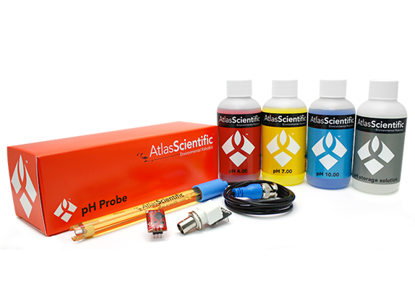
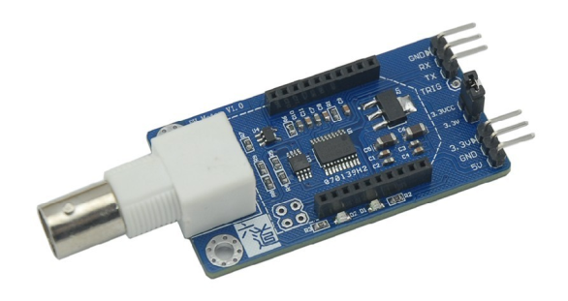
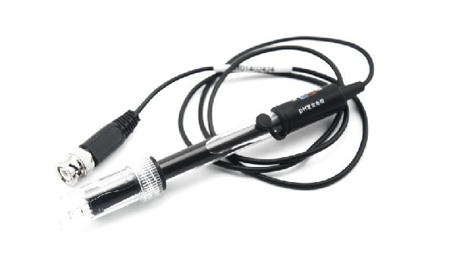
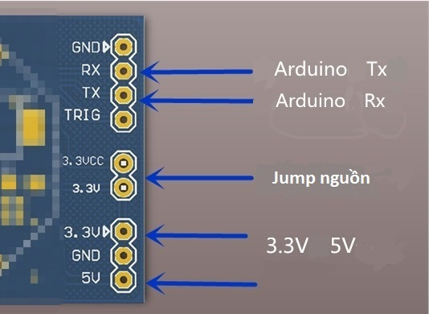
pH KIT with UART |  | Atlas scientific pH KIT

Specification |  | Specification
• Power: 3.3 -5 V |  | • Power: 3.3 -5 V
• Data protocols: UART |  | • Data protocols: UART, I2C
• Full range pH reading from .001 to 14.000 |  | • Full range pH reading from .001 to 14.000
• Accurate pH readings down to +/- 0.05 |  | • Accurate pH readings down to +/- 0.02
 |  | • Single reading or continuous reading modes
 |  | • Data format is ASCII
• Temperature independent readings |  | • Temperature dependent or temperature independent readings
• Dimensions: 75.8 x 30 x 13.6 mm |  | • Dimensions: 13.97 x 20.16 mm
 |  | • Weight: 1.76 grams
• Price: 1,050,000 vnd |  | • Price: $149.15
• Include: |  | • Include:
 | • 1 pH Circuit with Pre-Assembled Female BNC connector |  | • 1 EZO™ pH Circuit
 | • 1 pH Probe. |  | • 1 scientific grade silver / silver chloride pH Probe.
 |  |  | • 1 Pre-Assembled Female BNC connector
 |  |  | • 3 125ml (4oz) calibration solutions (pH 4, pH 7 and pH 10)
 |  |  | • 1 125ml (4oz) pH storage solution

• http://hshop.vn/products/cam-bien-do-do-ph-giao-tiep-uart |  | • http://www.atlas-scientific.com/product_pages/kits/ph-kit.html

