MCUs
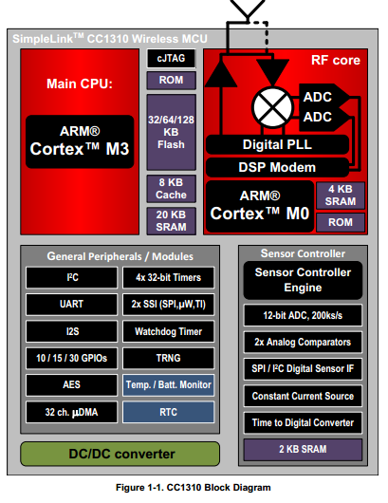
STT | CPU | Frequency (MHz) | Flash Memory (KB) | CACHE(KB) | SRAM (KB) | GPIO | I2S | I2C | SPI | UART | SSI | ADC | Comparators (Inputs) | Timers - 16-bit | Timers - 32-bit | Multiplier | AES | BSL | Min VCC | Max VCC | Approx. Price (US$) | RF standard supported | CPU Core
1 | CC1310 LAUNCHPAD | 48 | 128 | 8 | 20 | 30 | YES | YES | YES | YES | YES | 12-bit ADC - 8 channel Analog MUX | YES | 8 | 4 |  |  |  | 1.8 | 3.8 | $29 | Smart RF | ARM Cortex M3

