Danh Sach Test_Case
No | TC ID | Name/Screen | Suite (chay lai) | Result | Test Evidence | Proof / Minh chung (references)
1 | TC_01 | P1-TV1-D1 — Wire Contract | TV1 — Network/Protocol | Shared.Tests 27/27 | PASSED | RequestEnvelope_SerializesWithLockedFieldNames; coordinate canonical; ULID unique (Client Smoke) | tests/XiangqiOnline.Shared.Tests/Protocol/TcpFrameCodecTests.cs; Extra/test-evidence/phase-1/tv5/client-tests.txt | 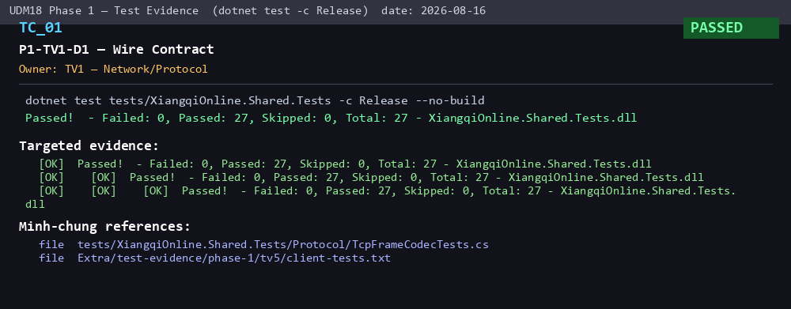
2 | TC_02 | P1-TV1-D2 — TCP Framing | TV1 — Network/Protocol | Shared.Tests 27/27 | PASSED | TcpFrameCodecTests round-trip; two frames back-to-back; fragmented stream; two frames coalesced | tests/XiangqiOnline.Shared.Tests/Protocol/TcpFrameCodecTests.cs | 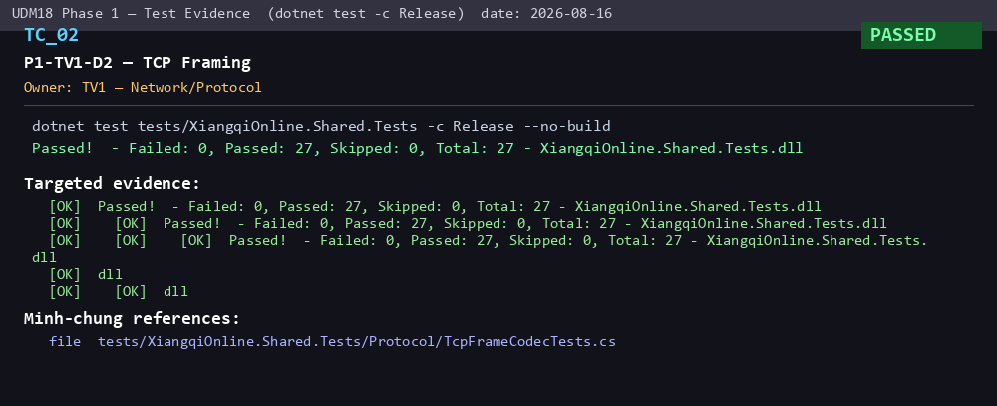
3 | TC_03 | P1-TV1-D3 — HELLO/Transport | TV1 — Network/Protocol | Integration 48/48 + Smoke 18/18 | PASSED | ProductionHelloHandshakeTests.RealServer_RespondsWithHelloAck_ToRealHelloFrame (PASS); Idempotent (PASS); Smoke HELLO+LOGIN handshake; HELLO_ACK | tests/XiangqiOnline.IntegrationTests/ProductionHelloHandshakeTests.cs; Extra/test-evidence/phase-1/tv5/HANDOVER.md (timeout blocker fixed); Screenshot 2026-08-11 102335.png | 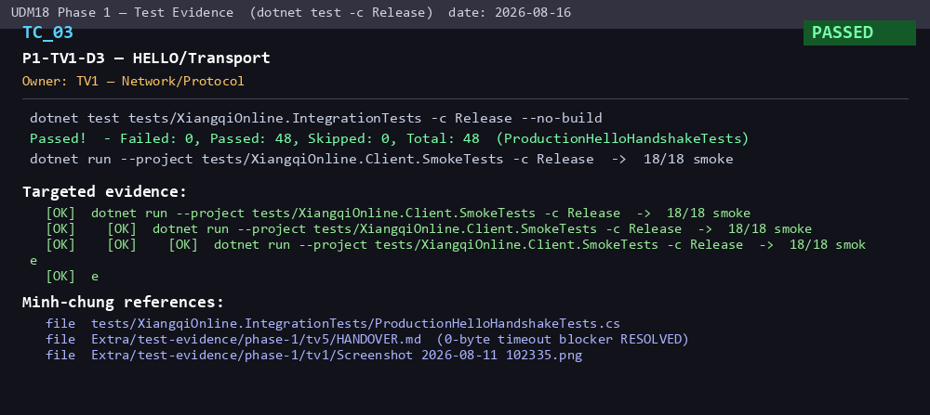
4 | TC_04 | P1-TV1-D4 — LOGIN Session/Token | TV1 — Network/Protocol | Integration 48/48 | PASSED | RealServer_Login_RegistersPlayerAndAppearsInPlayerList (PASS); LoginCreatesAvailableSession (Server PASS); Login waits for HELLO_ACK | tests/XiangqiOnline.IntegrationTests/ProductionHelloHandshakeTests.cs; Extra/test-evidence/phase1/tv2/TV2_Day6_Login_Integration.md | 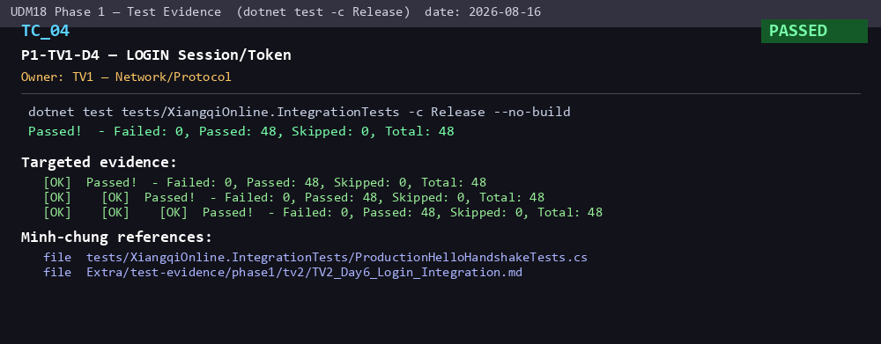
5 | TC_05 | P1-TV1-D5 — Network Robustness | TV1 — Network/Protocol | Shared.Tests 27/27 | PASSED | Header split 1+3 / 3+1; close mid-header/mid-payload; oversized payload; invalid frame length; invalid UTF8/JSON; stop loop after violation | tests/XiangqiOnline.Shared.Tests/Transport/ConnectionReceiveLoopMidFrameDisconnectTests.cs | 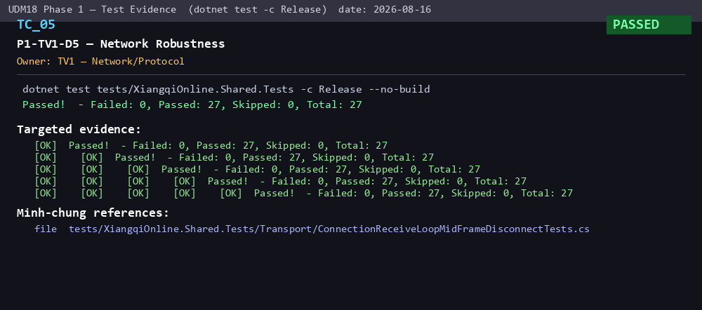
6 | TC_06 | P1-TV2-D1 — Player Session Directory | TV2 — Server/Lobby | Server.Tests 63/63 | PASSED | LoginCreatesAvailableSession; reject invalid displayName; reconnect moves session; offline cannot receive challenge | tests/XiangqiOnline.Server.Tests/Lobby/PlayerSessionDirectoryTests.cs; PlayerSessionTests.cs | 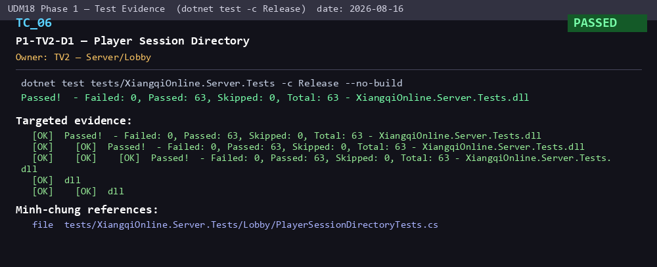
7 | TC_07 | P1-TV2-D2 — Player List & Status | TV2 — Server/Lobby | Server.Tests 63/63 + Integration 48/48 | PASSED | Login publishes snapshot; mark offline -> OFFLINE + broadcast + release name; status change publish (5 tests) | tests/XiangqiOnline.Server.Tests/Lobby/PlayerDirectoryBroadcastTests.cs | 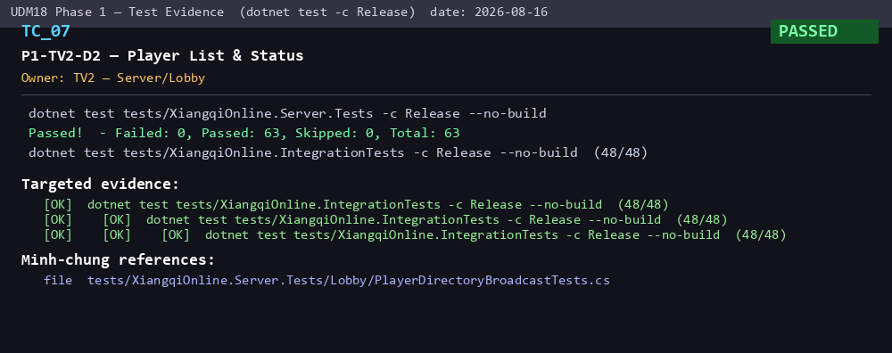
8 | TC_08 | P1-TV2-D3 — Challenge State Manager | TV2 — Server/Lobby | Server.Tests 63/63 | PASSED | ChallengeManagerTests (14) + ChallengeTests (6): INVITING/INVITED/AVAILABLE; reject self/busy/expired/unknown; terminal transition | tests/XiangqiOnline.Server.Tests/Lobby/ChallengeManagerTests.cs; ChallengeTests.cs | 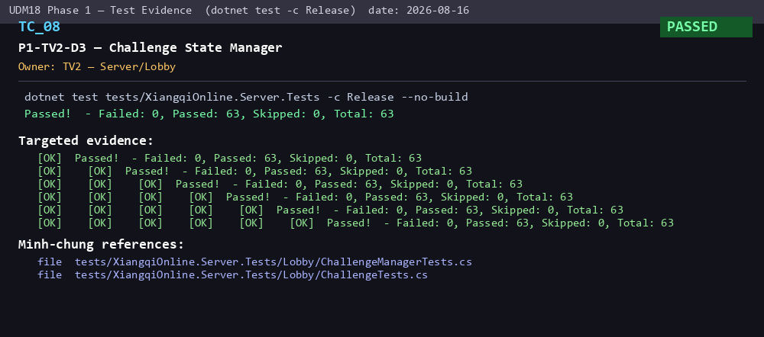
9 | TC_09 | P1-TV2-D4 — Challenge + Room | TV2 — Server/Lobby | Server.Tests 63/63 + Integration 48/48 | PASSED | GameRoom: RED turn rev0; accept -> ROOM_CREATED+snapshot; reject -> both AVAILABLE no room (Send/Accept/Reject production tests PASS) | tests/XiangqiOnline.Server.Tests/Lobby/GameRoomTests.cs; Integration/Production*ChallengeTests.cs | 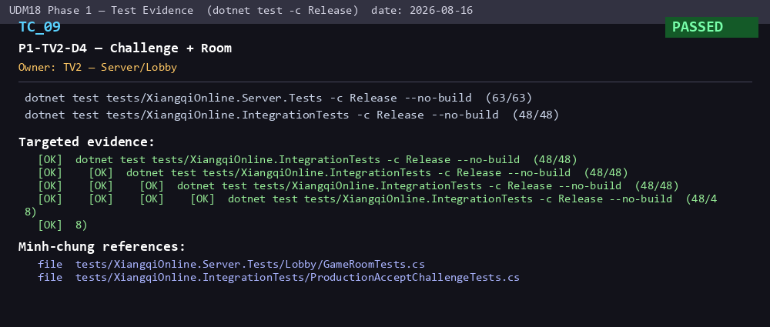
10 | TC_10 | P1-TV2-D5 — Server Acceptance | TV2 — Server/Lobby | Server.Tests 63/63 | PASSED | P1Tv2D5ServerAcceptanceTests (11): dup/empty name, self challenge, offline/busy, wrong player, unknown id, reject no room | tests/XiangqiOnline.Server.Tests/Lobby/P1Tv2D5ServerAcceptanceTests.cs | 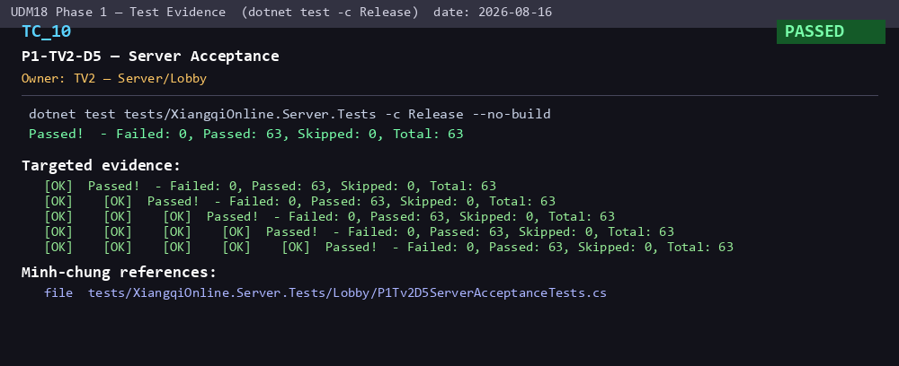
11 | TC_11 | P1-TV3-D1 — Board Model | TV3 — RuleEngine Core | RuleEngine 229/229 | PASSED | CreateInitialBoard 32 pieces unique ids/coords; generals in palace; chariots corners; ApplyMove immutable | tests/XiangqiOnline.RuleEngine.Tests/BoardStateTests.cs; src/XiangqiOnline.RuleEngine/BoardState.cs | 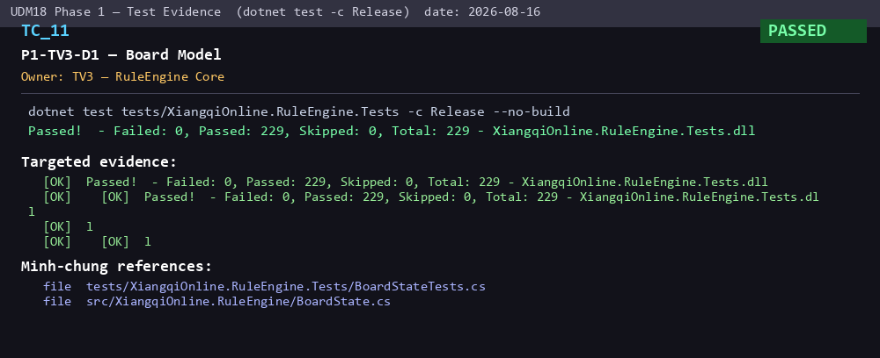
12 | TC_12 | P1-TV3-D2 — Core Piece Rules | TV3 — RuleEngine Core | RuleEngine 229/229 | PASSED | Advisor(6) Cannon(14) Chariot(11) Elephant(11) General(8) Horse(11) Pawn(10) — legal & illegal per piece type; board-edge cases | tests/XiangqiOnline.RuleEngine.Tests/*ValidatorTests.cs | 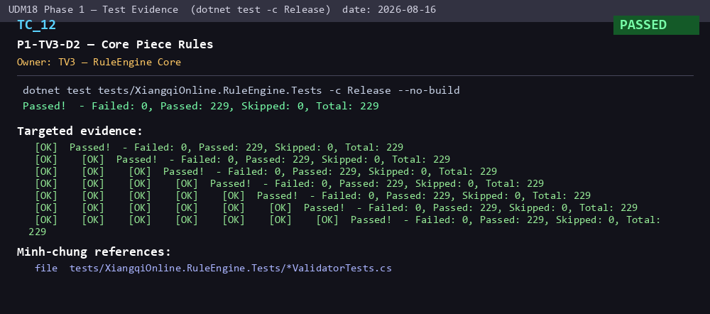
13 | TC_13 | P1-TV3-D3 — Blocking/Special Movement | TV3 — RuleEngine Core | RuleEngine 229/229 | PASSED | HORSE_LEG_BLOCKED; ELEPHANT_EYE_BLOCKED; ELEPHANT_CROSSES_RIVER; cannon screen 1-mount exact; chariot path blocked; pawn direction | tests/XiangqiOnline.RuleEngine.Tests/HorseValidatorTests.cs; ElephantValidatorTests.cs; CannonValidatorTests.cs; PawnValidatorTests.cs | 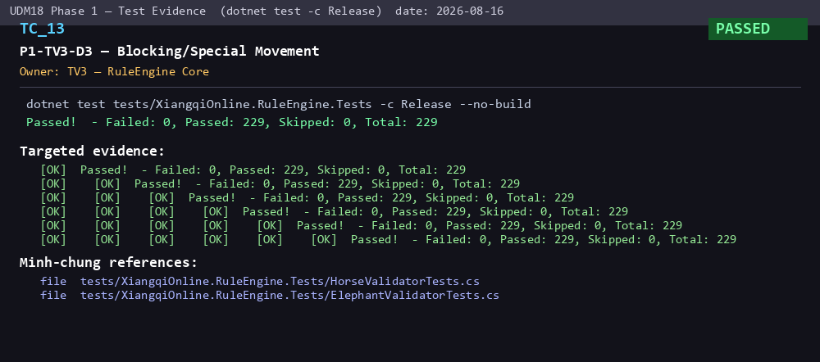
14 | TC_14 | P1-TV3-D4 — Move Validation Pipeline | TV3 — RuleEngine Core | RuleEngine 229/229 + Integration 48/48 | PASSED | MoveValidationPipelineTests(9): turn, coordinate, same dest, no piece, friendly, path, horse-leg; ProductionMoveCommit rejects stale/invalid w/o mutation | tests/XiangqiOnline.RuleEngine.Tests/MoveValidationPipelineTests.cs; Integration/ProductionMoveCommitTests.cs | 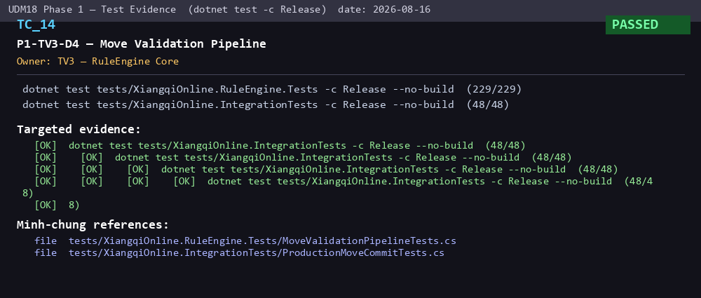
15 | TC_15 | P1-TV3-D5 — RuleEngine Test Gate | TV3 — RuleEngine Core | RuleEngine 229/229 | PASSED | GATE PASS: 229/229 (>= Phase1 gate), 0 failed; all validator + pipeline + checks classes | Extra/test-evidence/phase1/tv3/TV3_Phase1_TestReport.md; TV3_Phase1_Handover.md | 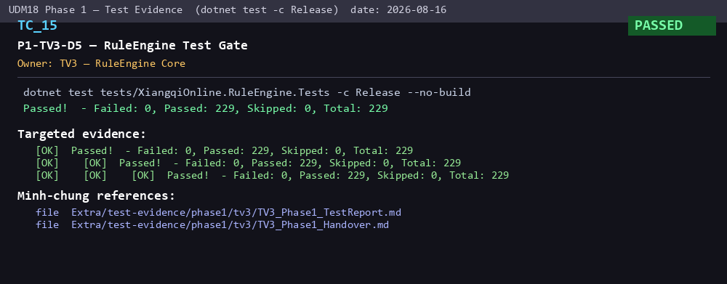
16 | TC_16 | P1-TV4-D1 — Attack Architecture | TV4 — Attack/Check | RuleEngine 229/229 | PASSED | AttackDetectorTests: dispatch by piece type, filter side, deterministic order, ignore captured, fail-fast no rule, reject out-of-board | Extra/test-evidence/phase1/tv4/TV4_Day1_Attack_Architecture.md | 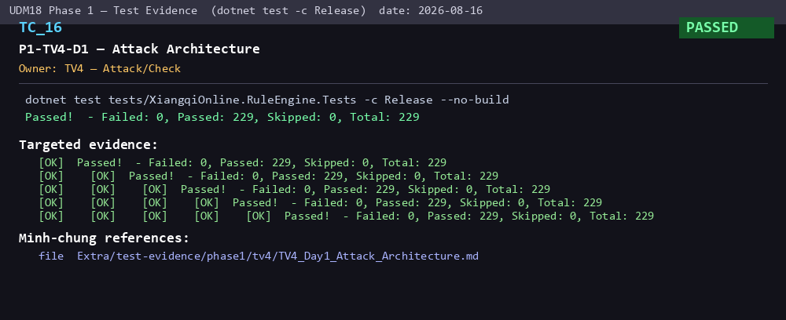
17 | TC_17 | P1-TV4-D2 — Attack Rules | TV4 — Attack/Check | RuleEngine 229/229 | PASSED | 7 attack-rule classes: Advisor/Cannon/Chariot/Elephant/General/Horse/Pawn with blocker, capture, board-edge cases | Extra/test-evidence/phase1/tv4/TV4_Day2_Attack_Rules.md | 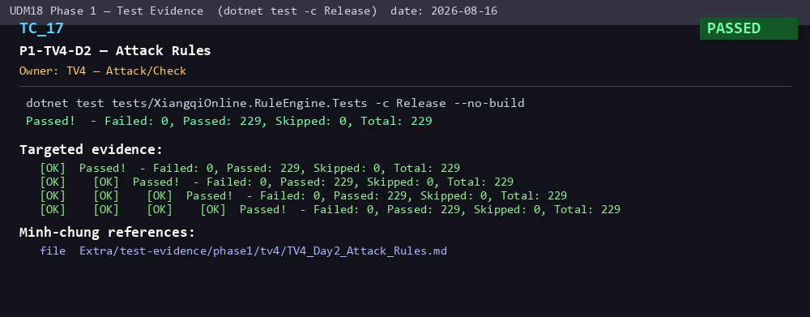
18 | TC_18 | P1-TV4-D3 — Attack Completion | TV4 — Attack/Check | RuleEngine 229/229 | PASSED | AttackDetectorCompleteMapTests: all 7 rules initial board; flying general with/without blocker; cannon vs general | Extra/test-evidence/phase1/tv4/TV4_Day3_Attack_Completion.md | 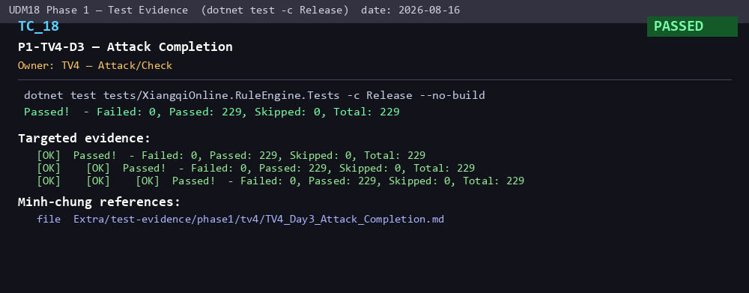
19 | TC_19 | P1-TV4-D4 — Check / Self-Check | TV4 — Attack/Check | RuleEngine 229/229 | PASSED | SELF_CHECK; CHECK_NOT_RESOLVED; GENERALS_FACING; capture/block/screen resolve check; CheckDetector 16 tests; SelfCheckValidator 30+ | Extra/test-evidence/phase1/tv4/TV4_Day4_Check_SelfCheck.md | 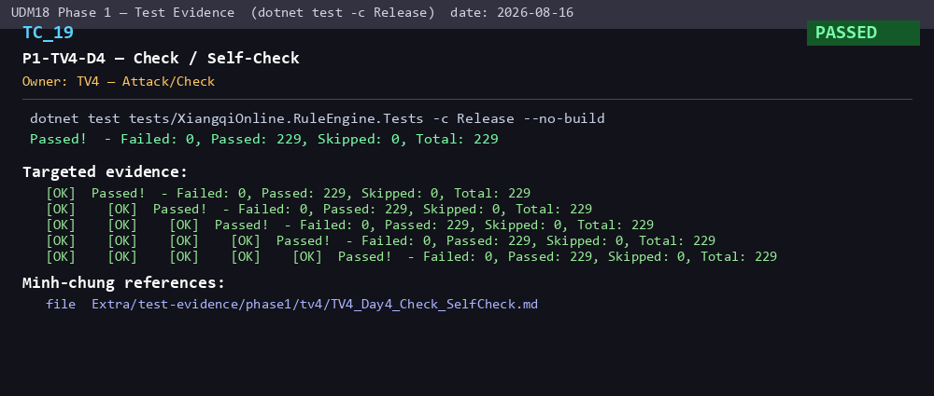
20 | TC_20 | P1-TV4-D5 — Rule Integration/Handover | TV4 — Attack/Check | RuleEngine 229/229 | PASSED | Attack/check integrated into pipeline; MovementPipeline+SelfCheck both reject/pass; full regression 229/229 | Extra/test-evidence/phase1/tv4/TV4_Phase1_Handover.md; TV4_Phase1_TestReport.md | 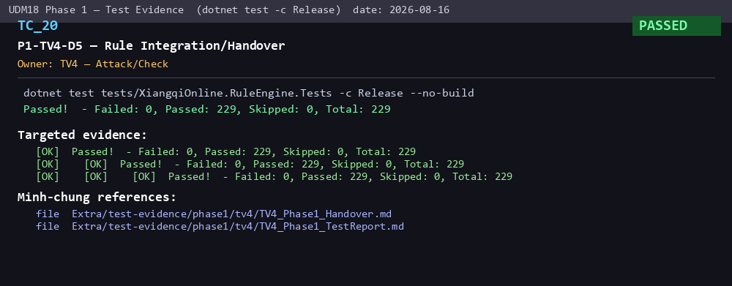
21 | TC_21 | P1-TV5-D1 — WPF Shell/Navigation | TV5 — Client/WPF | Smoke 18/18 | PASSED | WPF normal startup PASS; Connection->Lobby->GameRoom navigation PASS; views: MainWindow/Connection/Lobby/GameRoom | src/XiangqiOnline.Client/MainWindow.xaml; LobbyView.xaml; GameRoomView.xaml; Extra/test-evidence/phase-1/tv5/HANDOVER.md | 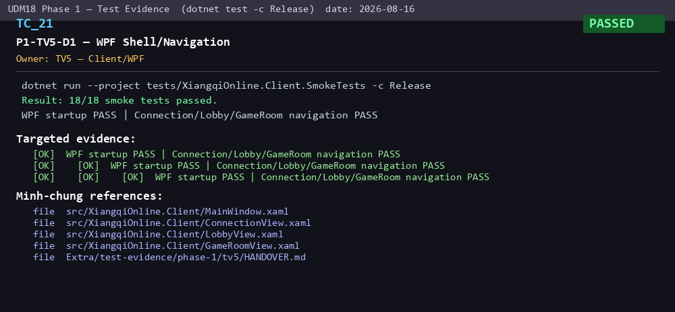
22 | TC_22 | P1-TV5-D2 — Client TCP/GameClient | TV5 — Client/WPF | Shared 27/27 + Integration 48/48 | PASSED | ConnectionTests real localhost; connect-closed-port fail state; Tv5ClientWireReader parses server frames; MaxPayloadBytes match | tests/XiangqiOnline.Shared.Tests/Transport/ConnectionTests.cs; Extra/test-evidence/phase-1/tv5/production-hello-probe.txt | 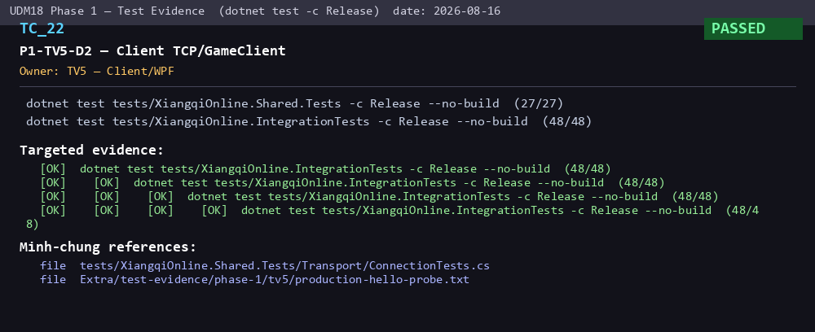
23 | TC_23 | P1-TV5-D3 — Lobby/Challenge UI | TV5 — Client/WPF | Smoke 18/18 | PASSED | Challenge uses STANDARD_PRO profile; Rejected challenge clears stale incoming challenge (reject-UI regression FIXED); status snapshot sorted | tests/XiangqiOnline.Client.SmokeTests/Program.cs; Extra/test-evidence/phase-1/tv5/client-tests.txt | 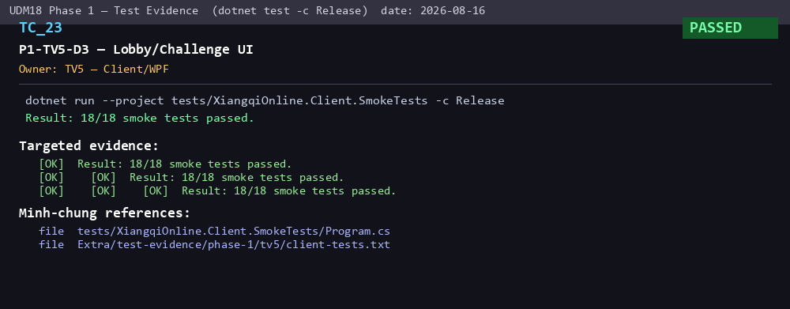
24 | TC_24 | P1-TV5-D4 — GameRoom Authoritative UI | TV5 — Client/WPF | Smoke 18/18 | PASSED | Board changes only after MOVE_COMMITTED; capture removes only target; MOVE_REJECTED preserves board; revision gap resync; snapshot clears highlights | tests/XiangqiOnline.Client.SmokeTests/Program.cs; Extra/test-evidence/phase-1/tv5/client-tests.txt | 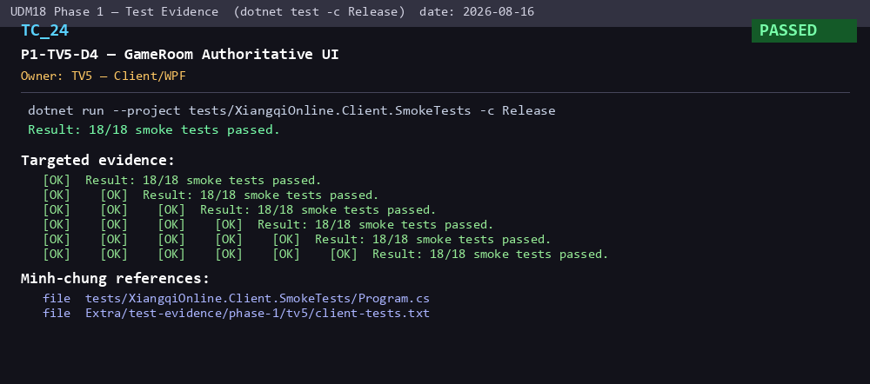
25 | TC_25 | P1-TV5-D5 — Client Regression Gate | TV5 — Client/WPF | Smoke 18/18 | PASSED | 18/18 smoke passed (recorded earlier 17/17); malformed events no crash; ERROR_RESPONSE surfaced; old snapshot cannot overwrite | tests/XiangqiOnline.Client.SmokeTests/Program.cs; Extra/test-evidence/phase-1/tv5/client-tests.txt | 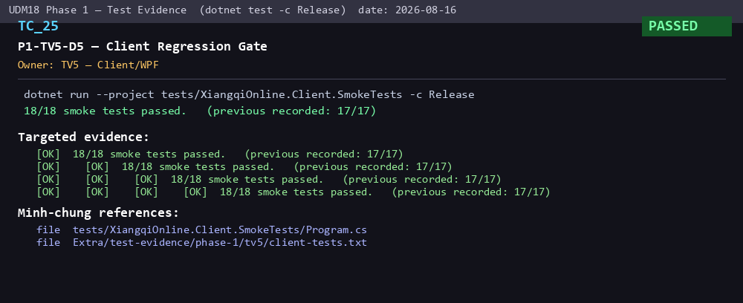
26 | TC_26 | P1-TV6-D1 — SQLite Schema/Migration | TV6 — Persistence | Integration 48/48 | PASSED | Schema hash = locked DDL v1.1; fresh db all tables + FK moves->matches + unique match_client_move; initializer idempotent | Extra/test-evidence/phase1/tv6/TV6_Phase1_DatabaseEvidence.md; Extra/database/UDM18_Database_Schema_v1.1.sql | 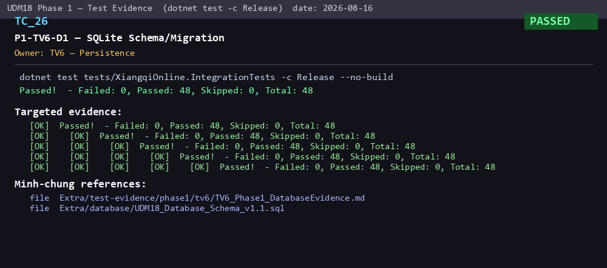
27 | TC_27 | P1-TV6-D2 — Repositories | TV6 — Persistence | Integration 48/48 | PASSED | Parameterized SQL prevents injection; transaction+dispose clean; reject duplicate client move | src/XiangqiOnline.Persistence/; Extra/test-evidence/phase1/tv6/TV6_Phase1_DatabaseEvidence.md | 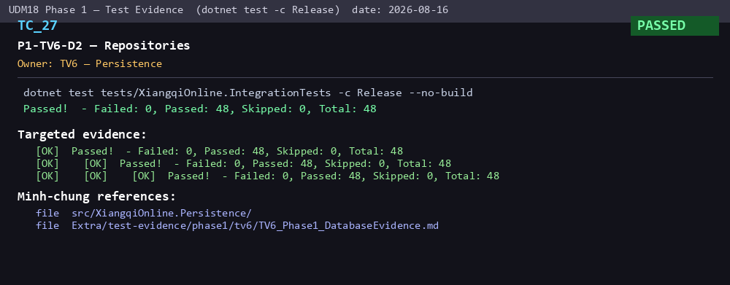
28 | TC_28 | P1-TV6-D3 — Atomic Move Commit | TV6 — Persistence | Integration 48/48 | PASSED | legal -> exactly 1 row; duplicate clientMoveId still 1 row; duplicate revision/index enforced; persist failure -> rollback; retry no state change | tests/XiangqiOnline.IntegrationTests/Persistence/Tv6PersistenceIntegrationTests.cs | 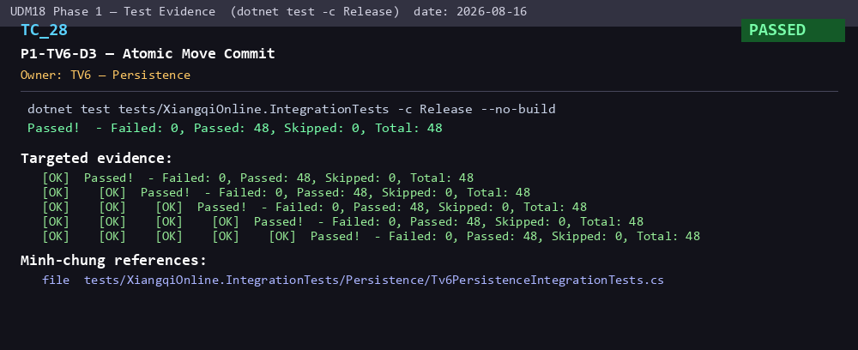
29 | TC_29 | P1-TV6-D4 — Structured Logging | TV6 — Persistence | Integration 48/48 | PASSED | SecretRedactor redacts password/token/secret; CorrelationContext scope; LoggingSetup build no crash; writes to file | Extra/test-evidence/phase1/tv6/TV6_Phase1_LoggingEvidence.md | 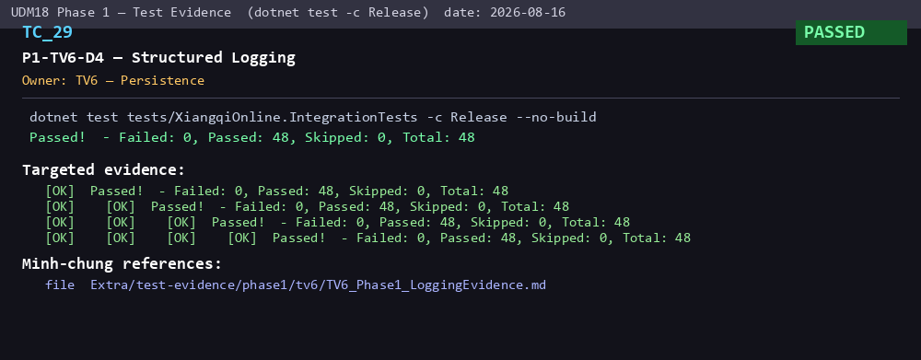
30 | TC_30 | P1-TV6-D5 — Persistence Integration Gate | TV6 — Persistence | Integration 48/48 | PASSED | legal->1, duplicate->1, rejected->0, failure->rollback, read-back consistent (48/48 == acceptance) | Extra/test-evidence/phase1/tv6/TV6_Phase1_TestReport.md; TV6_Phase1_DatabaseEvidence.md | 