Dashboard
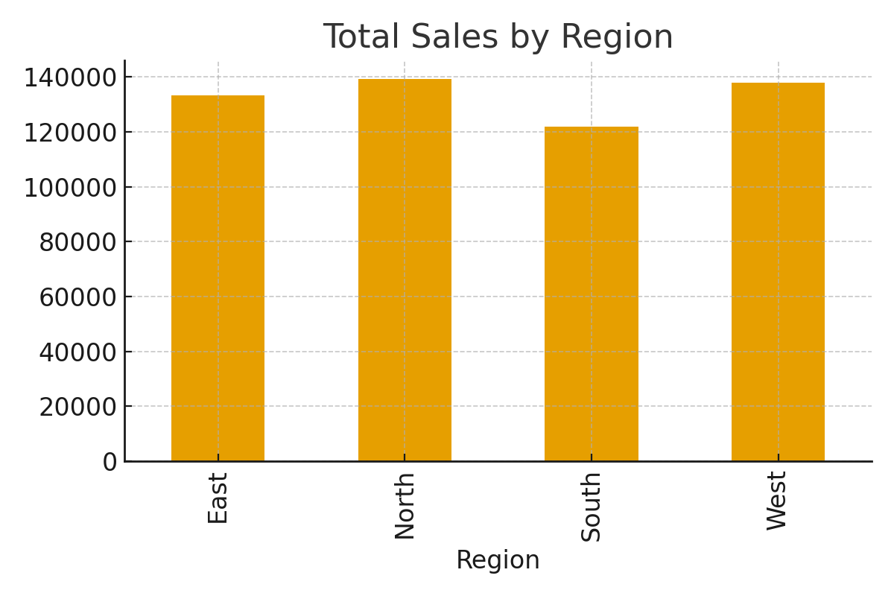
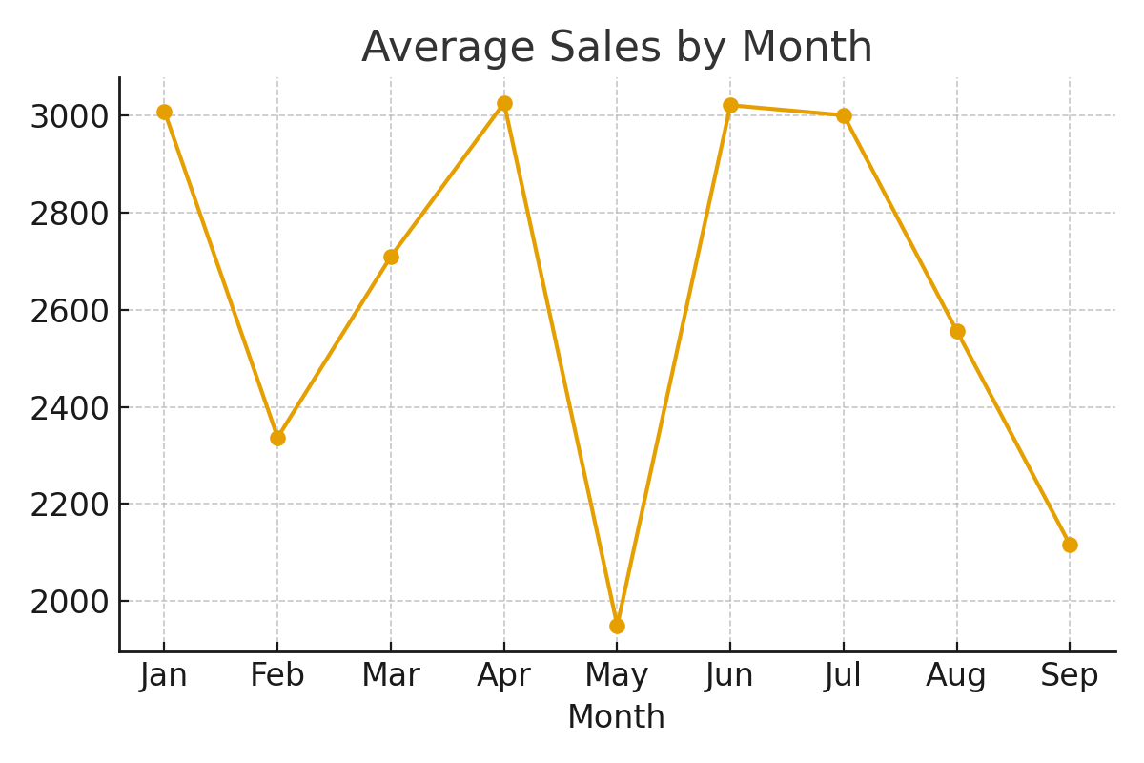
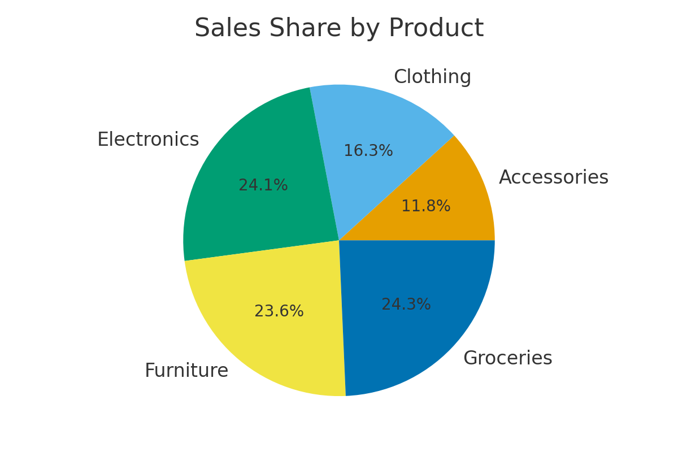
PR2 Analyzer Dashboard

Total Sales | 2353346.671

Total Profit | 470669.3342

Average Discount | 0.0998

