dataset_understanding
Dataset Understanding

1. How many rows are in the dataset?
1000
2. How many columns are in the dataset?
6
3. What type of data is stored in the Date column?
General (no Date data type is specified)
4. What type of data is stored in the Product Category column?
Categorical Data is stored in the Product Category column.
5. What type of data is stored in the Total Amount column?
Numerical data(no number or currency data type is specified).
6. What are the unique product categories available in the dataset?
Beauty, Clothing and Electronics.
7. What is the minimum and maximum age of customers?
Minimum age is 18 and maximum age is 64.

data_quality_check
Data Quality Check

1. Are there any blank cells in the dataset?
No
2. Are there any duplicate rows?
No
3. Are all values in the Quantity column valid?
Yes, all the values are valid(Numerical data, no deciamal values).
4. Are all values in the Price per Unit column valid?
Yes, all the values afre valid.
5. Does Total Amount match this formula?
Yes, it matches the formula.

sorting_and_filtering
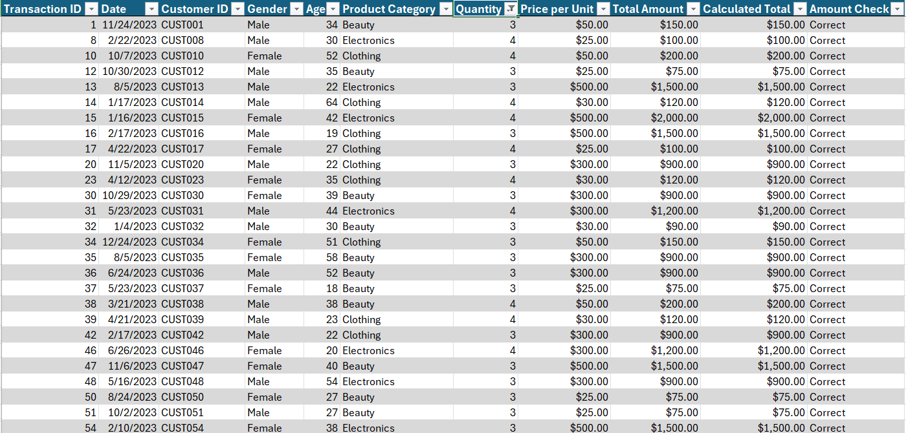
Sorting and Filtering Screenshots

1 | Show only transactions where Product Category is Clothing.

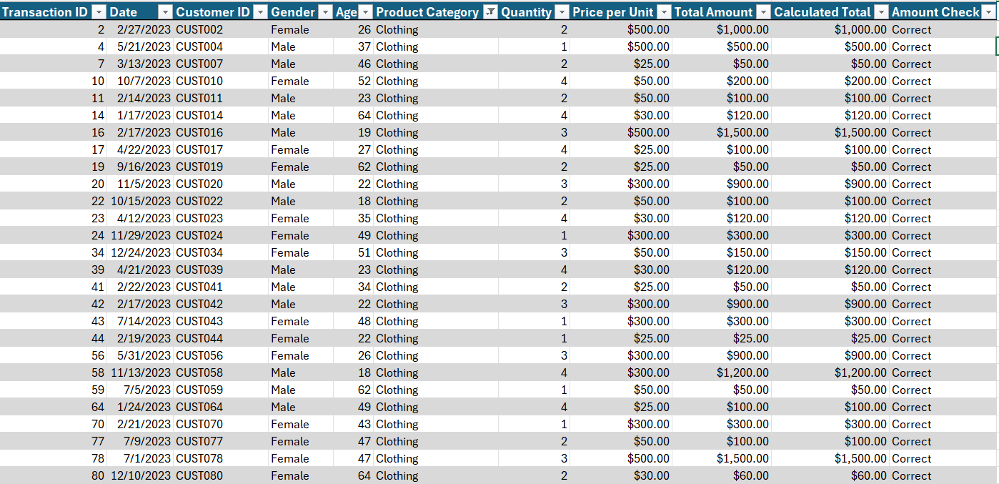

2 | Show only transactions where Gender is Female.

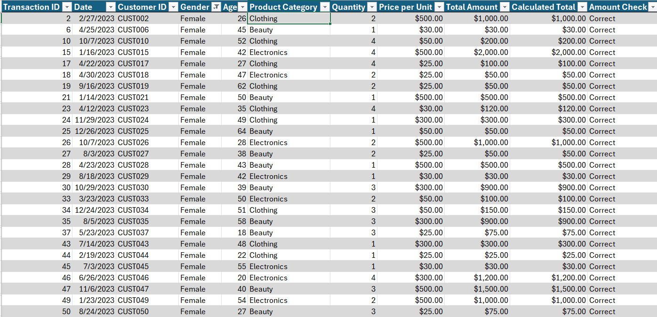

3 | Show only transactions where Quantity is greater than 2.

charts
Retail Sales Dashboard

Total Sales by Product Category
Beauty | $143,515
Clothing | $155,580
Electronics | $156,905
Total Quantity Sold by Product Category
Beauty | 771
Clothing | 894
Electronics | 849

Total Sales by Gender
Male | $232,840
Female | $223,160

Observations
Observations

1. Electronics generated the highest sales $156,905.
2. Female customers generated slightly more sales than males.
3. Total quantity sold is 2514.
4. The highest transaction amount is $2000.
5. Average age of customers is approx. 41 years.

