pivot _categories
Row Labels | Sum of Sales
Furniture | 1055781
Stationery | 701003
Sales By Category
Technology | 1727019
Grand Total | 3483803

pivot_region
Row Labels | Sum of Sales
East | 593128
North | 980542
South | 883830
Sales By Region
West | 1026303
Grand Total | 3483803

pivot_monthly
Row Labels | Sum of Profit
January | 61877
February | 48527
Monthly Sales Trend
March | 23941
April | 95573
May | 27709
June | 65884
July | 45224
August | 53050
September | 18179
October | 45413
November | 62732
December | 66317
Grand Total | 614426

pivot_category
Row Labels | Sum of Profit
Furniture | 176614
Stationery | 119135
Technology | 318677
Grand Total | 614426

profit made

dashboard
TASK - 01

Total Sales
₹ 8,841,632
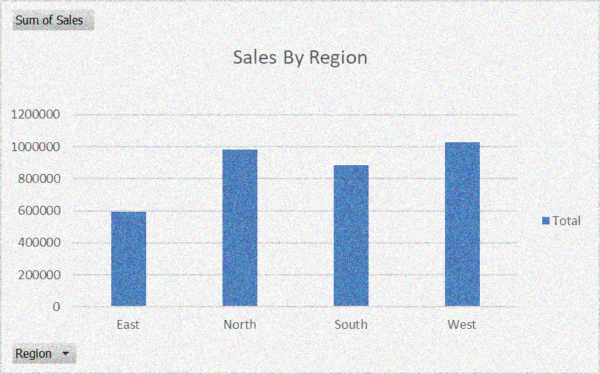
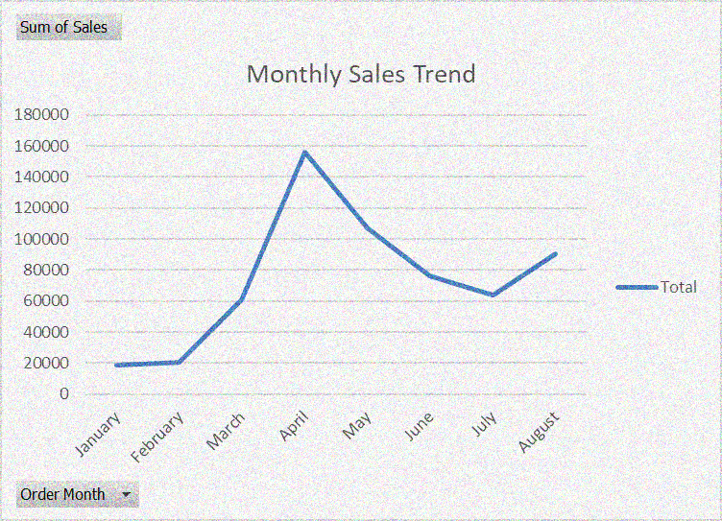

Total Profit
₹ 15,49,438

Total Orders
160

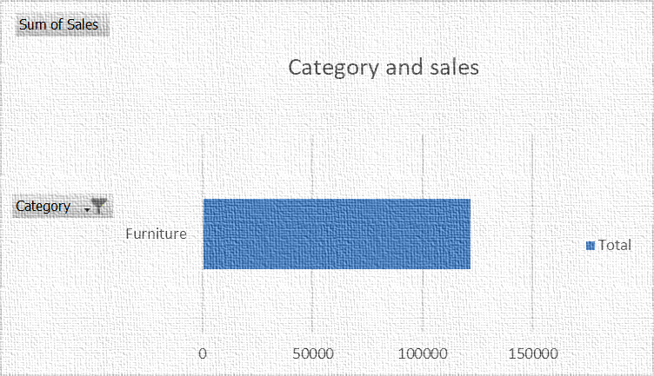
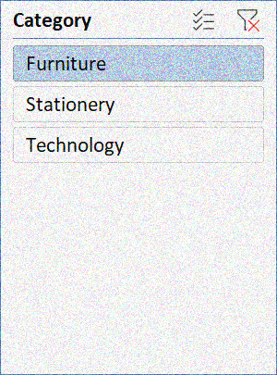
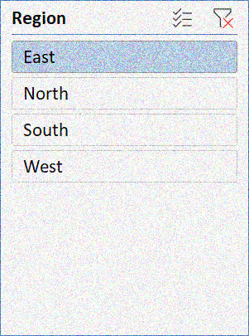

profit made by categories
 | Total
Furniture | 176614
Stationery | 119135
Technology | 318677

