Guidance for Completion
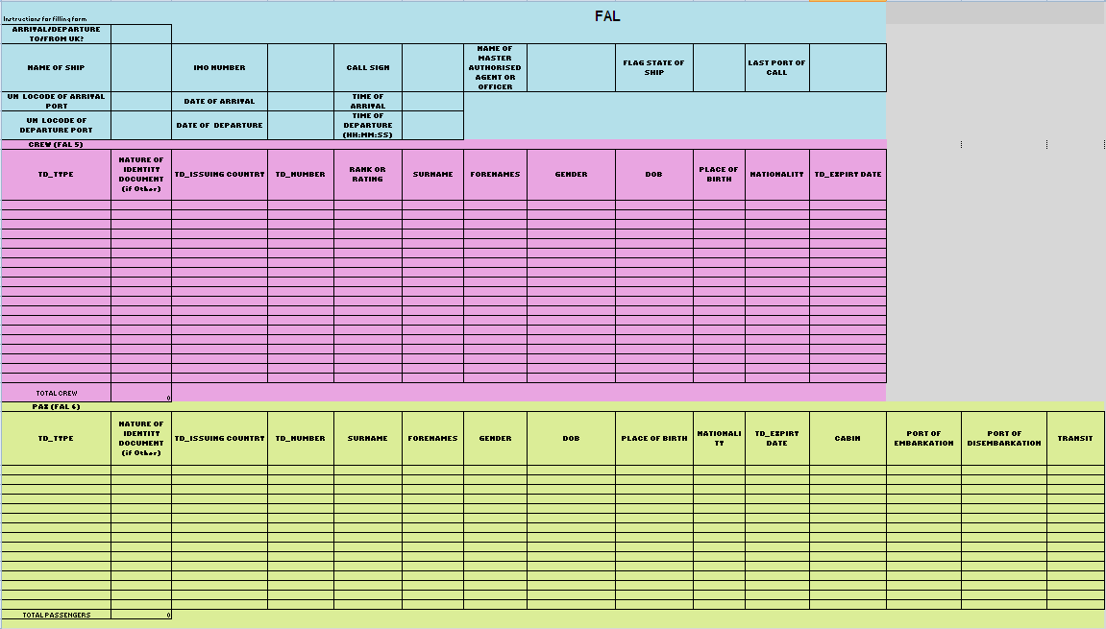
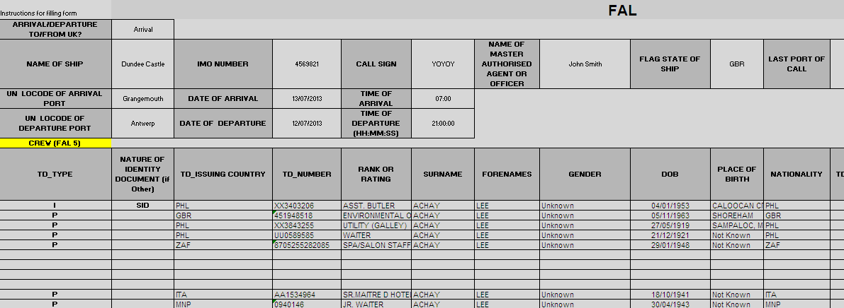
Guidance for completion of Templates
Description | Comment

FAL 5 & 6 GUIDANCE
Arrival/Departure To/From UK? | Arrival or Departure- if your vessel is arriving in a UK port - select Arrival. If your vessel is departing from a UK port select Departure
Name Of Ship | The current name of the vessel
IMO Number | The International Maritime Organization (IMO) number allocated to the vessel. Do not prefix the number with 'IMO'
Call Sign | The call sign as assigned by the national licencing authority of the vessel or the name of the vessel where no call sign has been allocated
Name of Master Authorised Agent or Officer | The name address of the Master of the vessel or Authorised Agent or Officer
Flag State of Ship | The state under which the vessel is registered or licenced expressed in ISO 3166-1 alpha-3 format . If not registered or licenced the flag state will be the country in which the vessel is usually based.
Last Port Of Call | The location from which the vessel has departed on its journey to the UK. Preferably this should be expressed as a UNLOCODE. Otherwise the location should be described as latitude- londitude, as an addresss or as a description that will allow the location
UNLOCODE of Arrival Port | If your ship is arriving in the UK - enter the LOCODE of the UK Port at which you are arriving. If your ship is departing the UK - enter the LOCODE of your next port af arrival
Date of Arrival | Use dd/mm/yyyy format - If your ship is arrving in the UK this is the date of your arrival in a UK port - If your ship is departing the UK this is the date of your arrival in your next port of call
Time of Arrival | Use hh:mm Local Time. If your ship is arrving in the UK this is the time of your arrival in a UK port - If your ship is departing the UK this is the time of your arrival in your next port of call
UNLOCODE of Departure Port | The location from which the vessel has departed on its journey to the UK. The Port should be expressed as a UNLOCODE
Date of Departure | Use dd/mm/yyyy format. If your ship is arriving in the UK - this is the date that you departed your last port. If your ship is departing the UK this is the date of your departure from the UK
Time of Departure | Use hh:mm local time - If you are arriving in the UK this is the time you departed your last port. If you are departing the UK this is your time of departure from the UK
Travel Document Type (TD_Type) | The type of travel document held by the crew member or passenger - P - Passport - I National ID card - O for all other document including Seafarers Identity Documents or 1951 Refugee Travel Document
Nature of Document if other | If you have entered TD_TYPE 'O' enter here the type of travel document held - e.g. SID for Seafarers Identity Document
TD_Issuing Country | Use only ISO 3166-3 Country Codes - The issuing state of the Travel Document as entered in the document
TD_Number | The number of the travel document as printed on the document
Rank or Rating | The rank, rating or job title of the crew member- there is a 35 character maximum in this field
Surname | The surname (Family Name) as shown in the passport or travel document. If crew member or passenger only has one name then this should ALWAYS be recorded as the surname.
Forenames | Forenames (Given Names) as they appear in the Travel Document - if the crew member or passenger has no forename recorded enter UNKNOWN
Gender | Enter M for Male, or F for Female
DOB | Use dd/mm/yyyy format only
Place of Birth | As recorded - if no place of birth is available - use country of birth
Nationality | Use ISO 3166-3 country codes only - Nationality as recorded in the Travel Document
TD_Expiry Date | Use dd/mm/yyyy format only
Cabin | Cabin number allocated for this voyage
Port of Embarkation | Where passenger embarked on this voyage
Port of Disembarkation | Where passenger will disembark on this voyage
Transit | Is the passenger member in transit - that is is the passenger continuing their voyage on this ship or are they disembarking? : answer Yes (Y) or No (N)

Crew and Passenger (FAL 5&6) Manifest Preparation
The FAL template is divided up into three sectors – Service Information, Crew Information and Passenger Information.
This is illustrated on the simplified CBP manifest form below –
Service Information Zone is shaded Blue – relates to your ship and the voyage it is making
Crew Information Zone is shaded Pink and
Passenger Information Zone is shaded Yellow.
We only require passenger and crew data for those on board the ship at the time of arrival or departure from the United Kingdom.
In order to successfully upload a valid file via the NMSW there are a few simple rules that must be followed to avoid files being rejected by the validation built into the portal.
UN Locodes- where a UN Locode is known you should insert that code in the format GB SOU with a space between the GB and following 3 letters. Codes are listed at http://www.unece.org/cefact/locode/service/location.html.
As Governemnt only requires reports on point-to-point journeys to and from the UK to an international port - these fields must always contain different UNLOCODES.
Service information always is contained on rows 2-5 on the FAL manifest. These fields must never be deleted or moved
When completing Crew Information it is important to remember that the ‘Rank or Rating’ field applies only to crew. There is a 35 limit to the number of letters this field can accept. We only need to know that someone is, for example, a Bar Attendant. We do not need to know they are ‘Bar Attendant 62 – B Deck – Second Shift 857’.
Crew information always commences from row A6 on the FAL manifest. Passenger information will always commence after Crew information and underneath the label ‘PAX (FAL 6)’ highlighted in yellow. Do not delete or move these fields.
To enable a file to be uploaded successfully All Surname, Forename and TD_Issuing Country fields must be populated. For Surname and Forenames - when you copy them across ensure that when viewed in the formula bar that they just show letters only
If the data to populate a name field is not present then you should enter UNKNOWN . Entering abbreviations NK, FNU, TBA, etc... is NOT acceptable.
Do not leave any blank lines between data – you can have blank lines at the end of all your data – but not anywhere else (see below).
Exceptions to the UNKNOWN rule:
If you do not have a TD Number do not enter UNKNOWN, just leave field BLANK
If you do not have a Date of Birth; do not enter UNKNOWN just leave BLANK
If you do not have a TD Expiry Date, do not insert UNKNOWN, just leave BLANK
If you do not have a Nationality, do not insert UNKNOWN, just leave BLANK
The ‘Nationality’ and ‘TD_Issuing Country’ must be entered using the appropriate 3 letter country code. If it is not, NMSW will not recognise the entry and will generate an error message, preventing the file from being uploaded. When in doubt you can refer to the tab on the NMSW FAL 5&6 Crew and Passenger Manifest labelled 'ISO 3166 1 A3'.
This ists all the codes you will require. If you enter, for example, British, United Kingdom, GB, or UK instead of GBR, the NMSW will not recognise the entry and will generate an error message, preventing the file from being submitted
Dates of birth- these must always be in the format dd/mm/yyyy and not the USA date format of mm/dd/yyyy. If you receive that data in any other format it must be converted. This is easy to do using the ‘Format Cells’ function. Select the relevant cells right click and select the correct date format ensuring that the field 'Locale (Location)' shows as English (UK)- click ok and the dates will be transformed.
If you do not collect ‘Place of Birth’ data but do collect ‘Country of Birth’ then insert this information into the ‘Place of Birth’ field. Alternatively you can leave it BLANK.
When a travel document has a leading number of 0 (zero) e.g. 0940148 – the leading 0 must be included. However if a document number includes any characters such as hypens or semi colons etc, these must NOT be included.
CABIN. This is the passenger's cabin number
PORT OF EMBARKATION. This is the port at which the passenger joined the ship. The port name or the UNLOCODE is acceptable here
PORT OF DISEMBARKATION: This is the port at which the passenger will leave the ship. The port name or the UNLOCODE is acceptable here.
TRANSIT: This is to indicate any passengers who will be on board when the ship arrives in the UK but either will be continuing their voyage on the ship ( Yes - in transit) or they will be disembarking (No - not in transit). Y and N are the expected values here.
A full formatting guide is available to view and download via the NMSW portal under 'Help & Legal' then 'User Guidance'.

