Sheet1
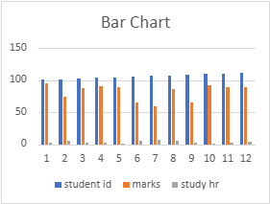
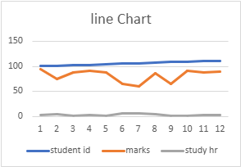
student id | marks | study hr
101 | 95 | 3
102 | 75 | 5
103 | 88 | 2
104 | 91 | 3
105 | 89 | 1
106 | 66 | 6
107 | 60 | 7
108 | 87 | 5
109 | 65 | 2
110 | 92 | 1
111 | 89 | 3
112 | 90 | 4
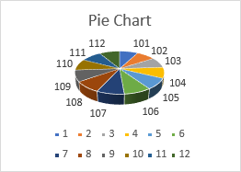
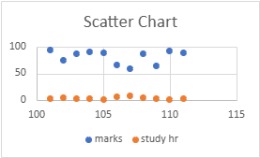
mean | 82.25
median | 88.5
mode | 89
range | -60
variance | 150.0227273
sd | 12.24837652
corelation | -0.601655017

 | Statistical Analysis

 | Mean | 3.5
 | Standard Error | 0.557320429 | SUMMARY OUTPUT
 | Median | 3
 | Mode | 3 | Regression Statistics
 | Standard Deviation | 1.930614598 | Multiple R | 0.601655017
 | Sample Variance | 3.727272727 | R Square | 0.36198876
 | Kurtosis | -0.769541939 | Adjusted R Square | 0.298187636
 | Skewness | 0.409322453 | Standard Error | 10.2609846
 | Range | 6 | Observations | 12
 | Minimum | 1
 | Maximum | 7 | ANOVA
 | Sum | 42 |  | df | SS | MS | F | Significance F
 | Count | 12 | Regression | 1 | 597.3719512 | 597.3719512 | 5.673705059 | 0.038483793
 |  |  | Residual | 10 | 1052.878049 | 105.2878049
 |  |  | Total | 11 | 1650.25

 |  |  |  | Coefficients | Standard Error | t Stat | P-value | Lower 95% | Upper 95% | Lower 95.0% | Upper 95.0%
 |  |  | Intercept | 95.6097561 | 6.342864135 | 15.07359358 | 3.34E-08 | 81.47697408 | 109.7425381 | 81.47697408 | 109.7425381
 |  |  | X Variable 1 | -3.817073171 | 1.602496565 | -2.381954042 | 0.038483793 | -7.387658027 | -0.246488314 | -7.387658027 | -0.246488314

