Summary_Dashboard
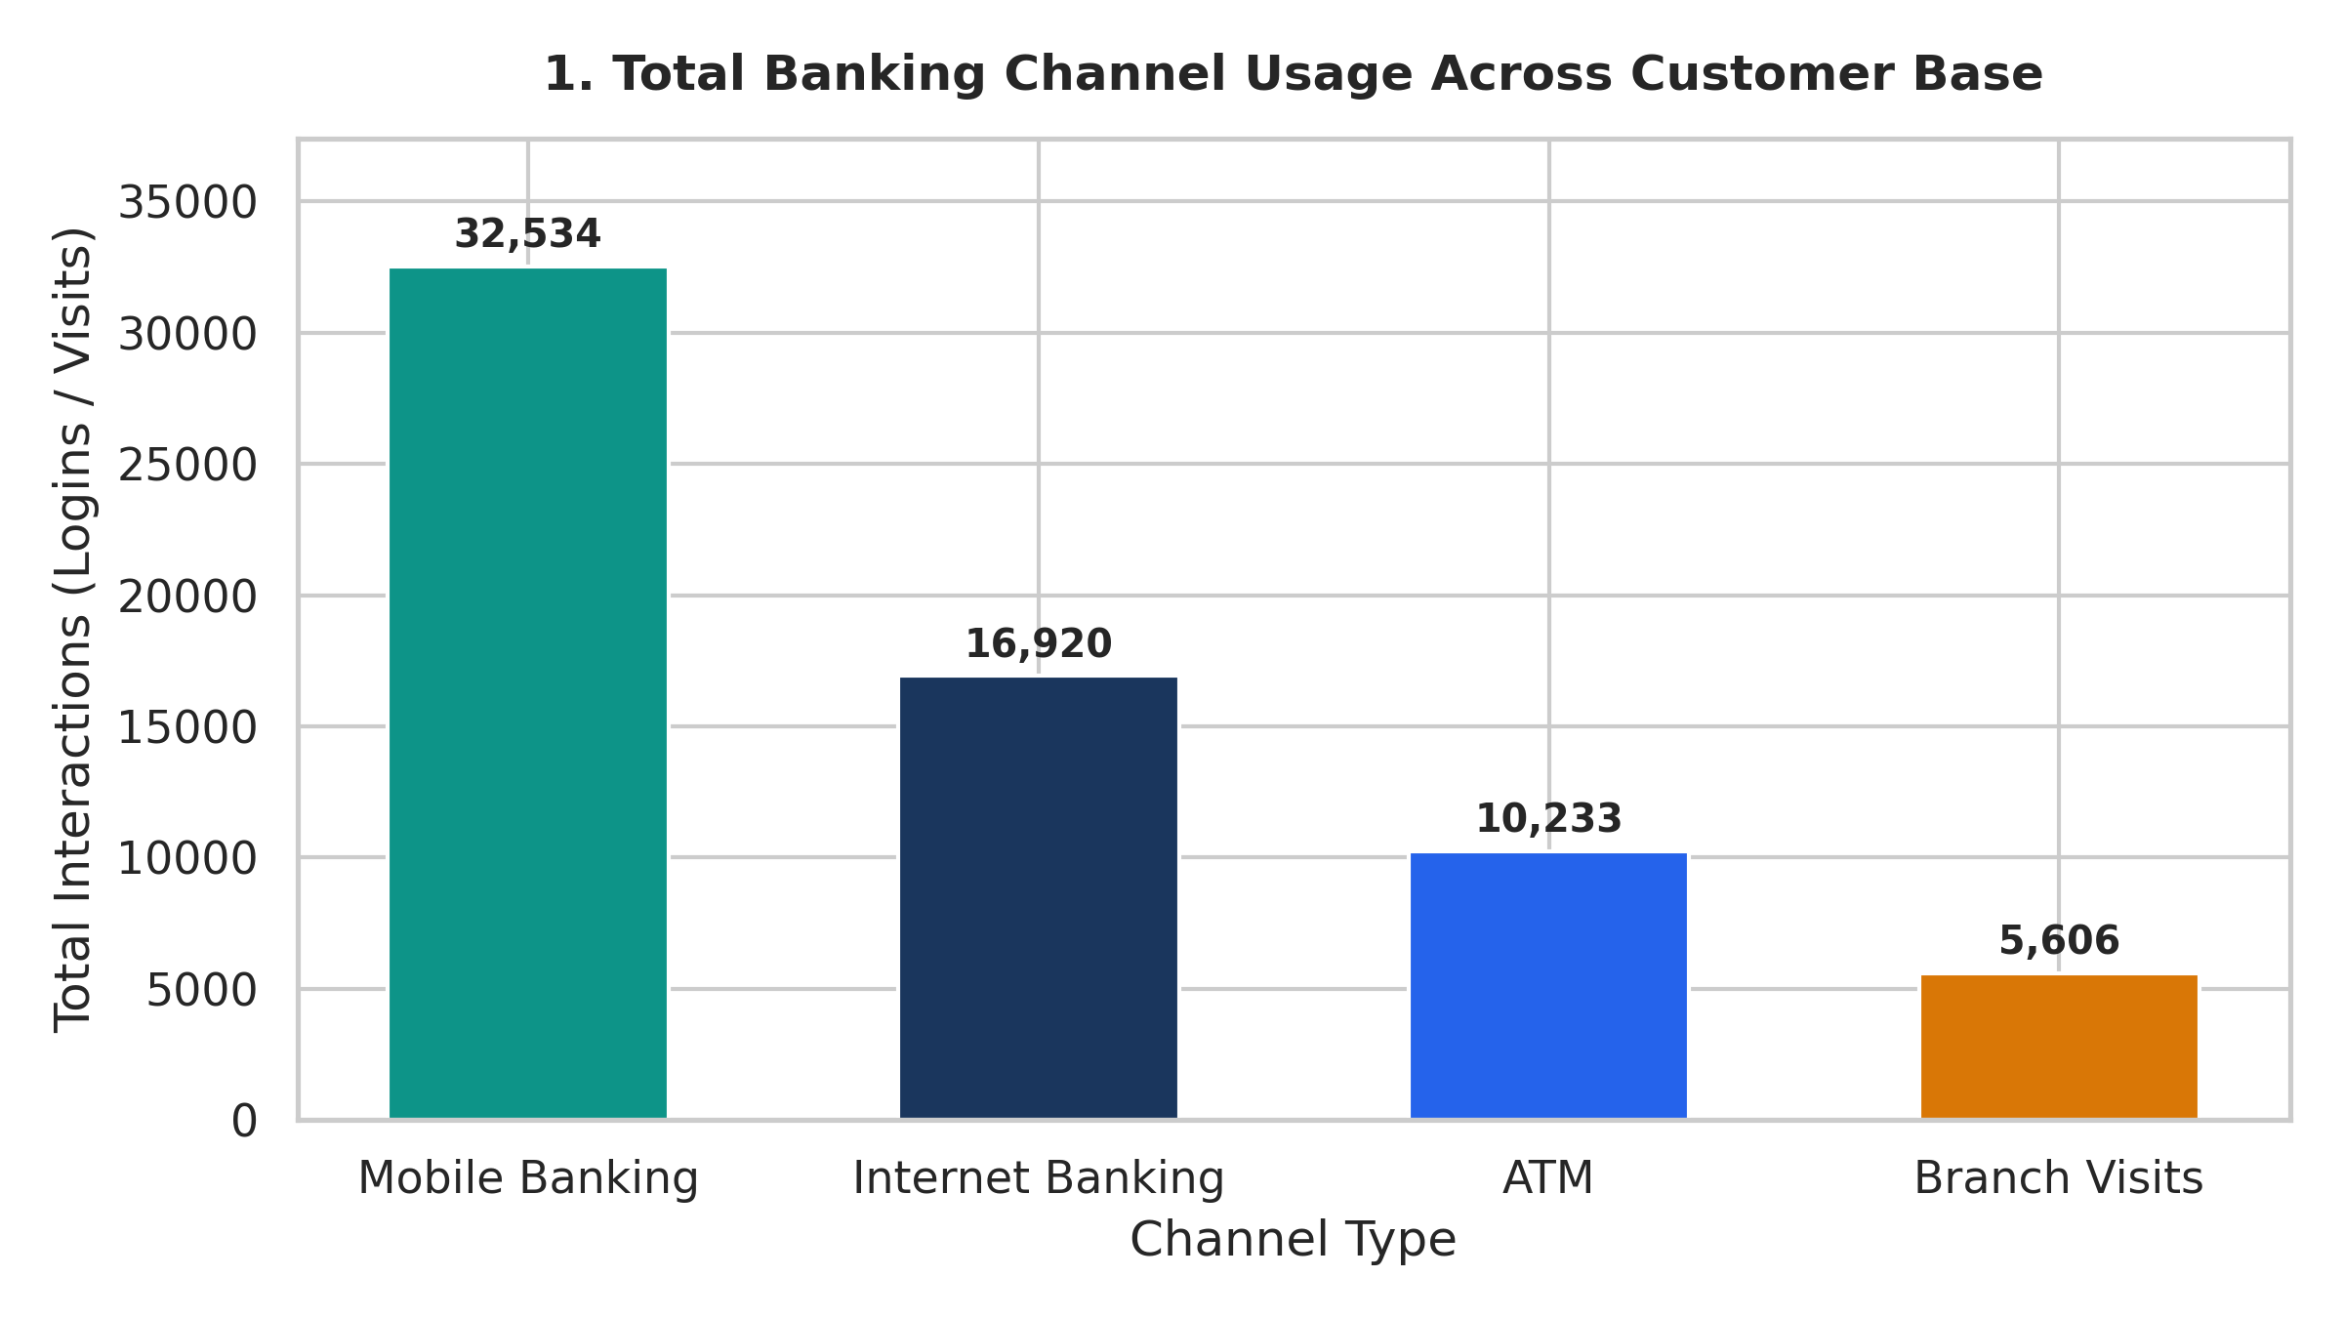
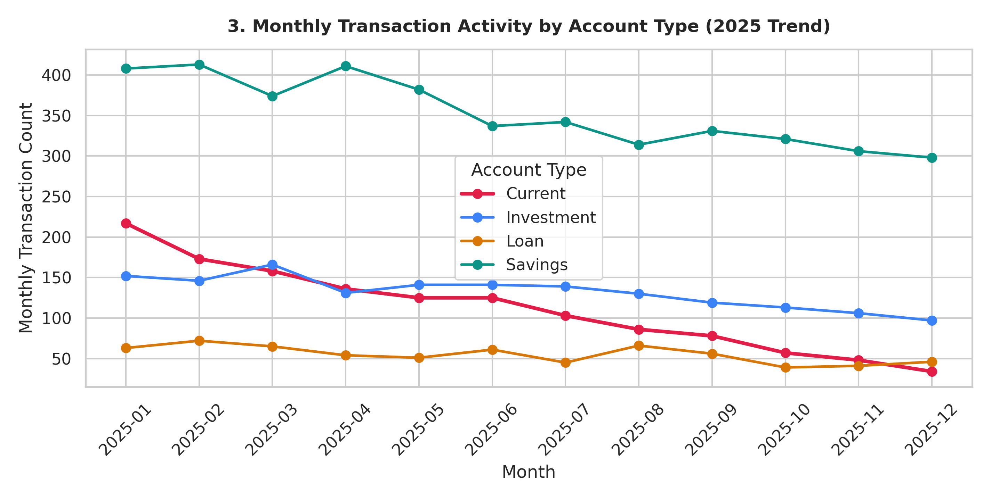
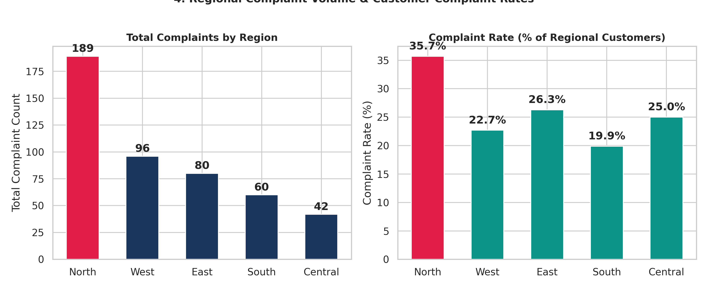
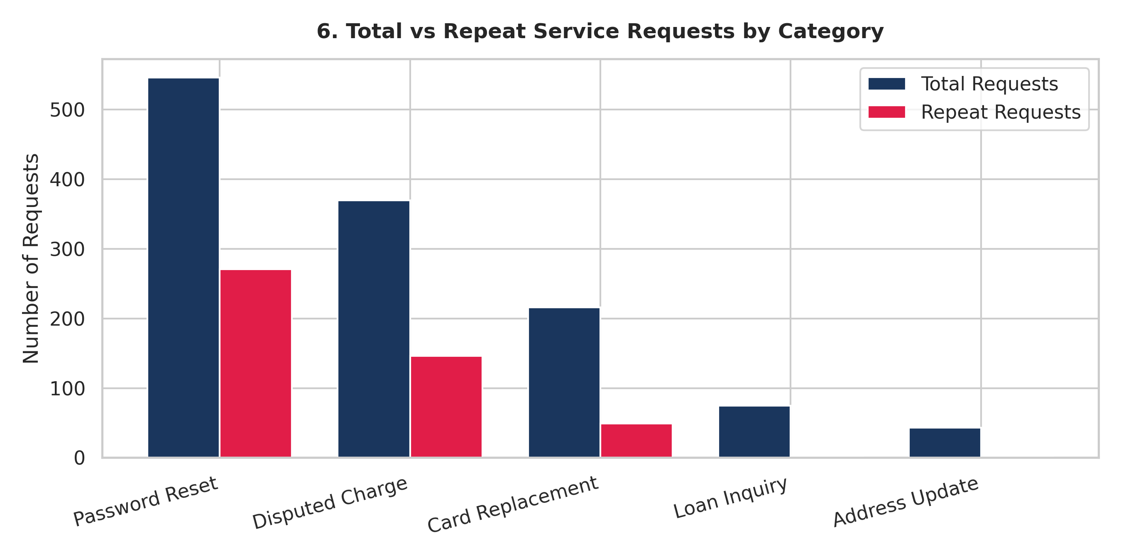
TRUSTWAVE BANK - EXECUTIVE INSIGHT DASHBOARD
Customer Engagement, Channel Behavior, Risk Hotspots & Machine Learning Model Evidence

TOTAL CUSTOMERS | TOP BANKING CHANNEL | DECLINING ACCOUNT TYPE | HIGHEST COMPLAINT REGION | TOP REPEAT REQUEST DRIVER | ML COMPLAINT MODEL F1
0 | Mobile Banking | Current Accounts | North Region | Password Reset | 0.660
1,000 active accounts | 32,534.0 logins (45.8%) | -58% Tx Volume Jan-Dec | 35.7% complaint rate | 61.3% repeat rate | Test Acc: 73.2%, ROC: 0.887

Channel_Analysis
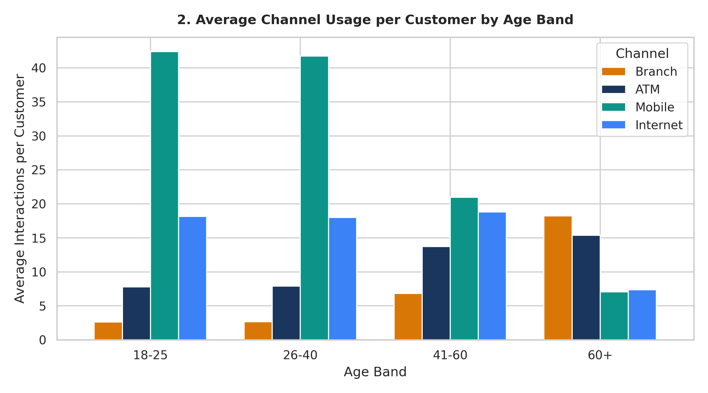
Banking Channel Usage & Demographics

Total Interactions by Channel
Channel Type | Total Usage (Formula) | Average Usage per Customer | % of Total Volume
Mobile Banking | 32,534 | 331 | 49.8%
ATM Transactions | 10,233 | 101 | 15.7%
Internet Banking | 16,920 | 171 | 25.9%
Branch Visits | 5,606 | 61 | 8.6%
Total All Channels | 65,293 | 651 | 100.0%

Average Channel Interactions by Age Band
Age Band | Branch Avg | ATM Avg | Mobile Avg | Internet Avg | Digital Ratio %
18-25 | 31 | 81 | 421 | 181 | 85.3%
26-40 | 31 | 81 | 421 | 181 | 85.0%
41-60 | 71 | 141 | 211 | 191 | 65.9%
60+ | 181 | 151 | 71 | 71 | 30.1%

Balance_Analysis
Customer Balance Distribution by Segment

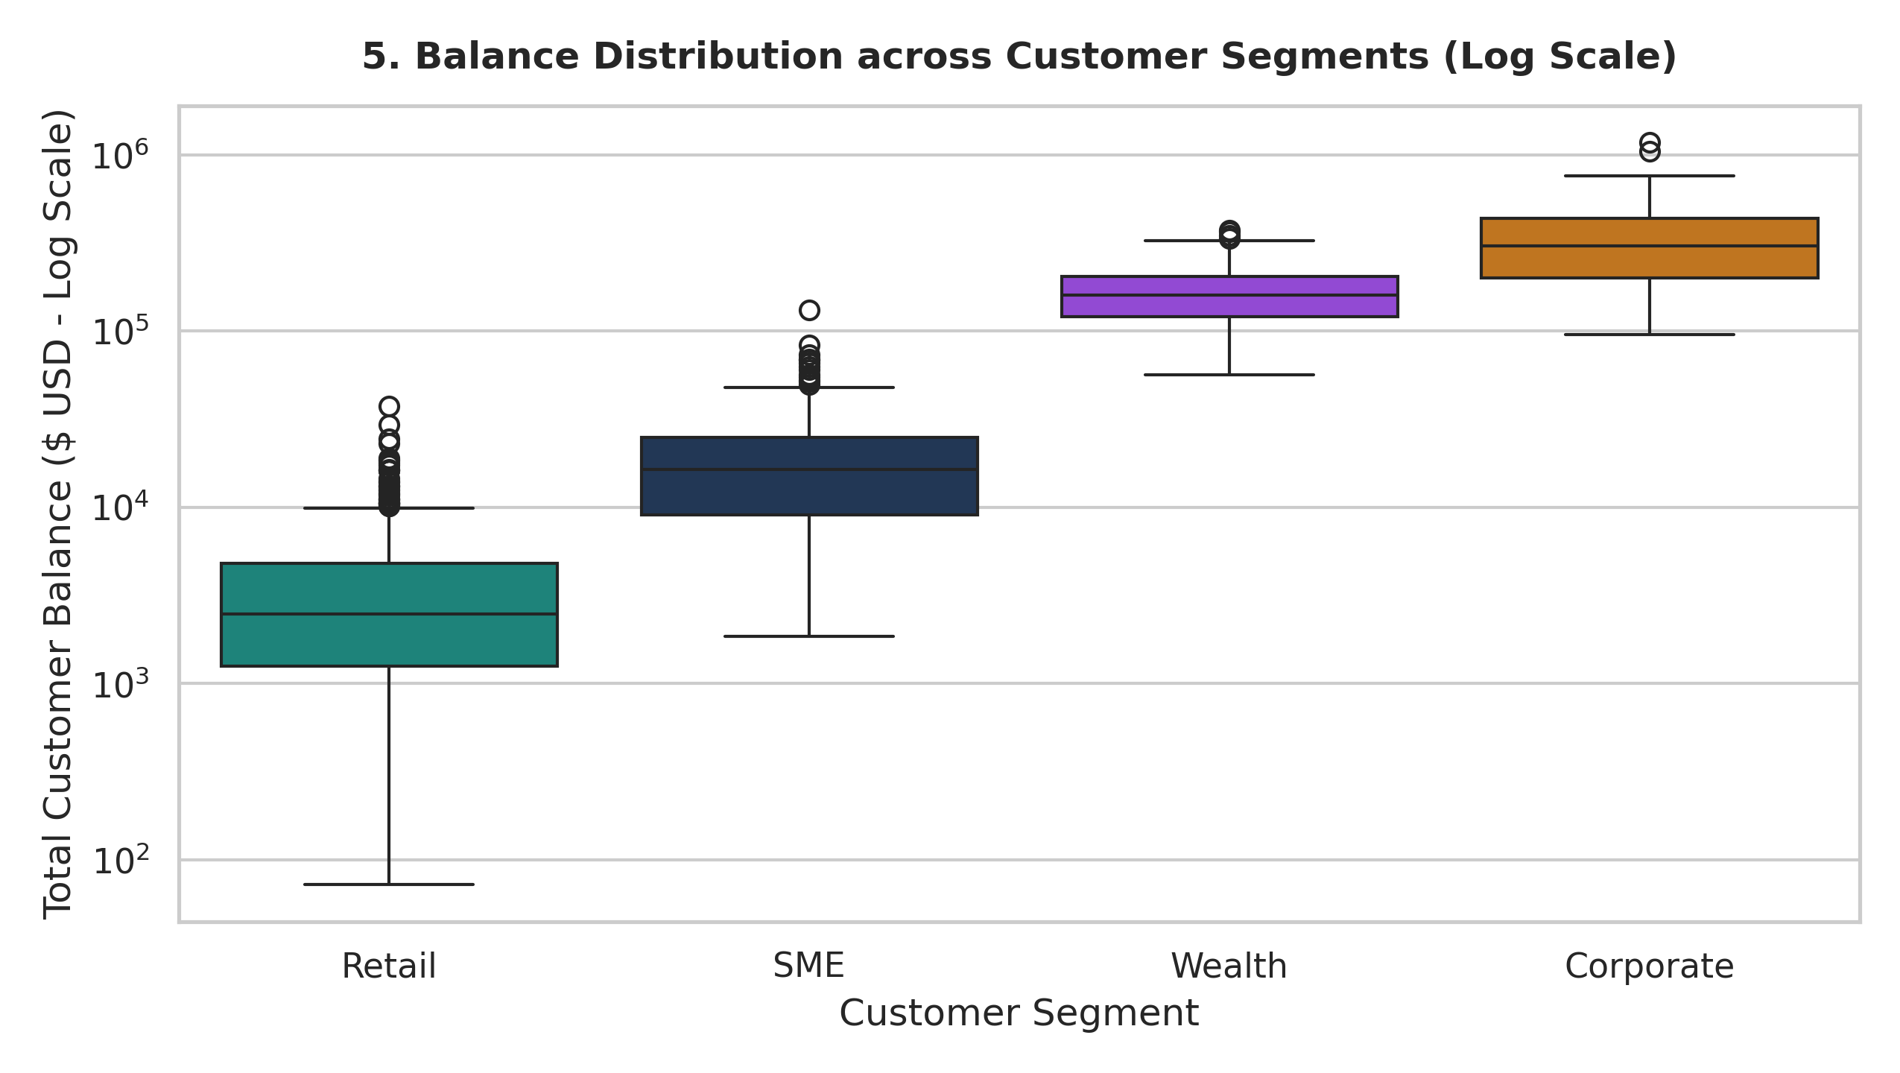
Segment Balances Summary
Customer Segment | Customer Count | Total Balances ($) | Mean Balance ($) | Median Balance ($) | % of Bank Deposit Base
Retail | 640 | $2,351,447.49 | $3,674.14 | $2,470.78 | 5.3%
SME | 206 | $4,317,545.29 | $20,958.96 | $16,377.96 | 9.7%
Wealth | 94 | $16,287,263.39 | $173,268.76 | $160,025.45 | 36.7%
Corporate | 60 | $21,369,146.08 | $356,152.43 | $304,384.06 | 48.2%
Total Bank Deposits | 1,000 | $44,325,402.25 | $44,325.40 | $5,055.86 | 100.0%

