Database
Old Chassis | New Chassis | Benefits | Supervisor | New Supervisor | Benefits | Old Linecard | New Linecard | Benefits | Old Power Supply | New Power Supply | Benefits
WS-C4503-E | 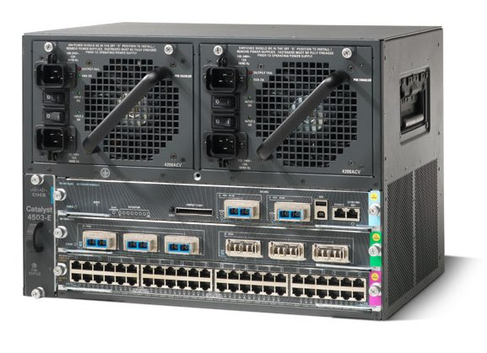 C8804R (Roadmap) | 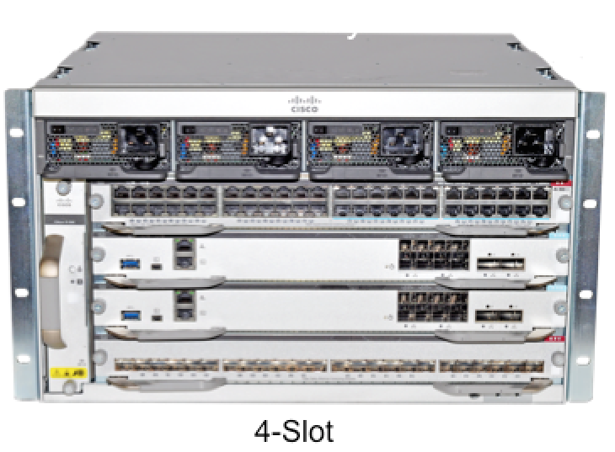 480 Gbps Backplane | WS-X45-SUP6-E | C8800-SUP-1 | Polaris Based , 80G per slot | WS-X4748-RJ45V+E (POE+) | C8800-LC-48U / C8800-LC-48P (Roadmap) | Investment Protection | PWR-C45-1300ACV | C8800-PWR-3200AC (1) | N+1/N+N
WS-C4506-E | C8807R | 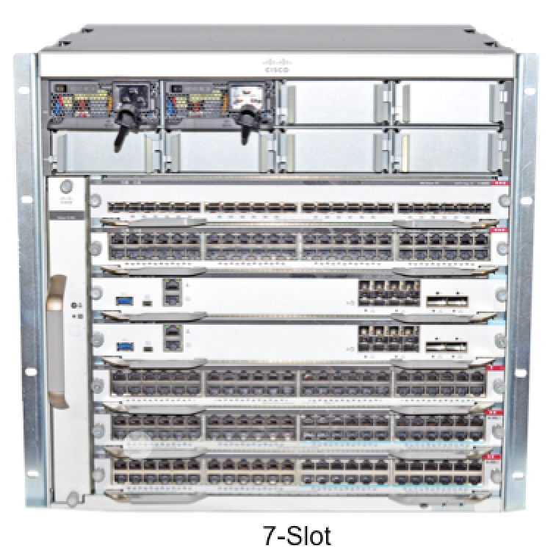 480 Gbps Backplane | WS-X45-SUP6L-E | C8800-SUP-1 | Polaris Based , 80G per slot | WS-X4648-RJ45V+E (POE+) | C8800-LC-48U / C8800-LC-48P (Roadmap) | Investment Protection | PWR-C45-2800ACV | C8800-PWR-3200AC(1) | N+1/N+N
WS-C4507R+E | C8807R | 480 Gbps Backplane | WS-X45-SUP7-E | C8800-SUP-1 | Polaris Based , 80G per slot | WS-X4748-UPOE+E (UPOE) | C8800-LC-48U | Investment Protection | PWR-C45-4200ACV | C8800-PWR-3200AC (2) | N+1/N+N
WS-C4510R+E | 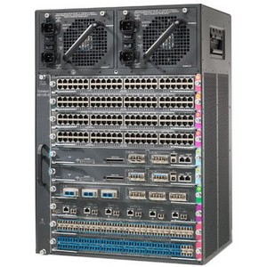 C8810R | 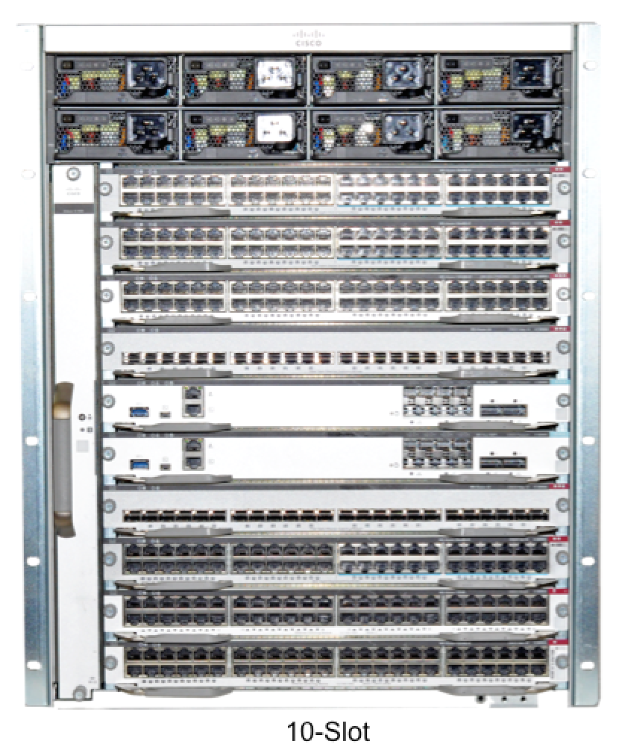 480 Gbps Backplane | WS-X45-SUP7L-E | C8800-SUP-1 | Polaris Based , 80G per slot | WS-X4648-RJ45V+E (POE+) | C8800-LC-48U | Investment Protection | PWR-C45-6000ACV | C8800-PWR-3200AC (2) | N+1/N+N
 |  |  | WS-X45-SUP8-E | C8800-SUP-1 | Polaris Based , 80G per slot | WS-X4748-12X48U+E (mGig) | C8800-LC-48UX | 24 Port mGig | PWR-C45-9000ACV | C8800-PWR-3200AC (3) | N+1/N+N
 |  |  | WS-X45-SUP8L-E | C8800-SUP-1 | Polaris Based , 80G per slot | WS-X4748-RJ45+E (Data) | C8800-LC-48T | Investment Protection
 |  |  |  |  |  | WS-X4648-RJ45+E (Data) | C8800-LC-48T | Investment Protection
 |  |  |  |  |  | WS-X4712-SFP+E (10G Fiber) | C8800-LC-24XS | 24 Port 10G Line rate
 |  |  |  |  |  | WS-X4606-X2-E (10G Fiber) | C8800-LC-24XS | Investment Protection
 |  |  |  |  |  | WS-X4712-SFP-E (1G Fiber) | C8800-LC-24S (Roadmap) | Investment Protection
 |  |  |  |  |  | WS-X4612-SFP-E (1G Fiber) | C8800-LC-24S (Roadmap) | Investment Protection
 |  |  |  |  |  | WS-X4724-SFP-E (1G Fiber) | C8800-LC-24S (Roadmap) | Investment Protection
 |  |  |  |  |  | WS-X4624-SFP-E (1G Fiber) | C8800-LC-24S (Roadmap) | Investment Protection
 |  |  |  |  |  | WS-X4748-SFP-E (1G Fiber) | C8800-LC-48S (Roadmap) | Investment Protection

