BUG_001
Bug ID: Bug_001
Title: Full Name Not Displayed in Profile Section for send money process.
Environment: Laptop,Windows 11 Home,Chrome version - 133.0.6943.127 (Official Build) (64-bit)
Steps to Reproduce: 1.Open " https://scopex.money/" .2-After login,dashboard page appers.3-click on send money.4-Add recipient name,Enter amount EUR),select purpose and click on send money.5-click sure.6-Observe the Name Field – it displays only "name" instead of the full name.
Expected Result: User Full Name should displayed
Actual Result: only first name displayed
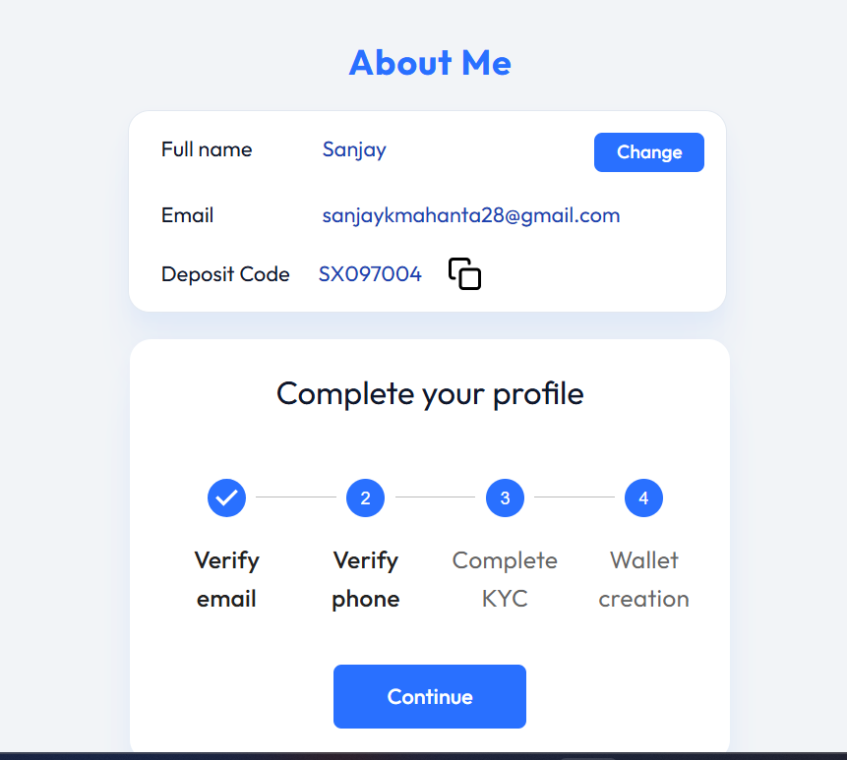
Screenshots/Videos:

severity:- Medium
Additional notes:-Possible Causes: Database Issue: The full name might not be stored or retrieved correctly. Backend API Issue: The API may only return the first name instead of the full name. UI Truncation Issue: The frontend might be displaying only the first part of the name.

BUG_002
Bug ID:- BUG_002
Title: Missing Indian Country Code/Flag in Phone Number Input Field
Environment:-Laptop,Windows 11 Home,Chrome version - 133.0.6943.127 (Official Build) (64-bit)
Steps To Reproduce:-1.Open " https://scopex.money/" .2-After login,dashboard page appers.3-click on send money.4-Add recipient name,Enter amount (EUR),select purpose and click on send money.5-click sure.6-under complete profile section click on continue.7-Observe that the Indian country code (e.g., +91) or flag is not available in the country selector.
Expected Result:- The phone number input field should allow the user to select the Indian country code (+91) from the country selector, and the Indian flag should be displayed.
Actual Result
Screenshots/Videos:-
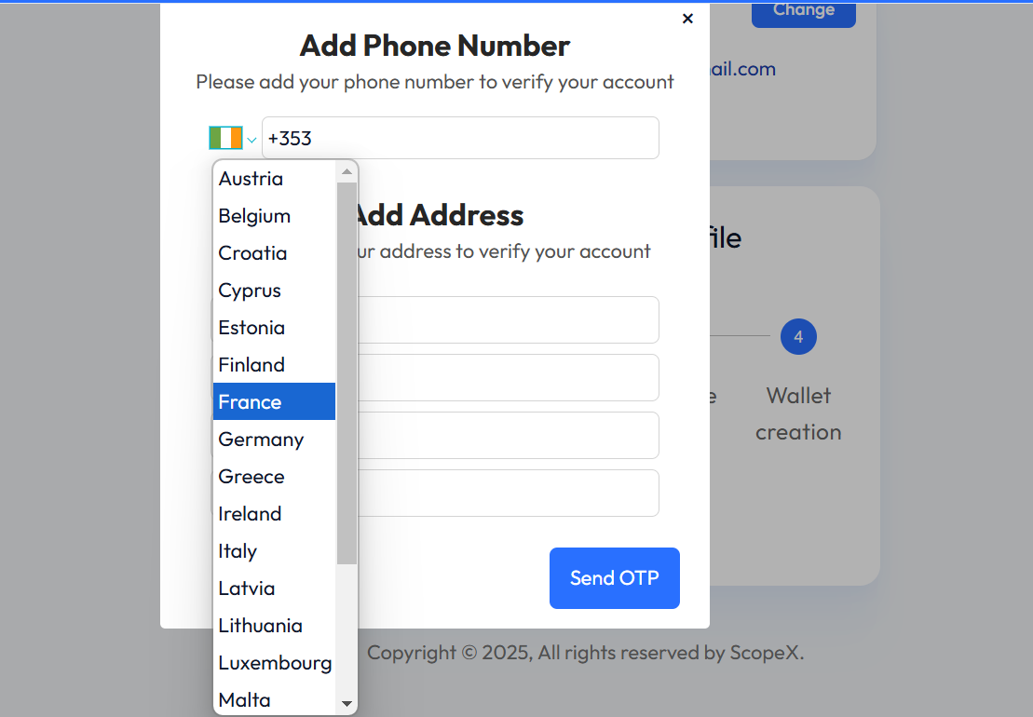

Severity: High
Additional Notes:-The phone number input field lacks the Indian country code (+91) and flag in the country selector. This issue is observed for users based in India, which may cause inconvenience as users need to manually enter the country code instead of selecting it from a list.Testing across different browsers and devices is recommended to confirm if this issue is universal across platforms,Suggest reviewing the country code list integration for phone number input and ensure that the Indian country code is included.

BUG_003
Bug ID:- BUG_003
Title:- Profile Name Field Accepts Numeric Values
Environment:-Laptop,Windows 11 Home,Chrome version - 133.0.6943.127 (Official Build) (64-bit).
Steps To Reproduce:-Open " https://scopex.money/" .2-After login,dashboard page appers.3-click on send money.4-Add recipient name,Enter amount (EUR),select purpose and click on send money.5-click sure.6-under about me when user try changing name it accept any name and number.
Expected Result:-The Profile Name field should not accept numeric values. Only alphabetic characters (letters) should be allowed, possibly with spaces, hyphens, or apostrophes.
Actual Result:-The Profile Name field accepts numeric values, which is not expected behavior.
Screenshots/Videos:-
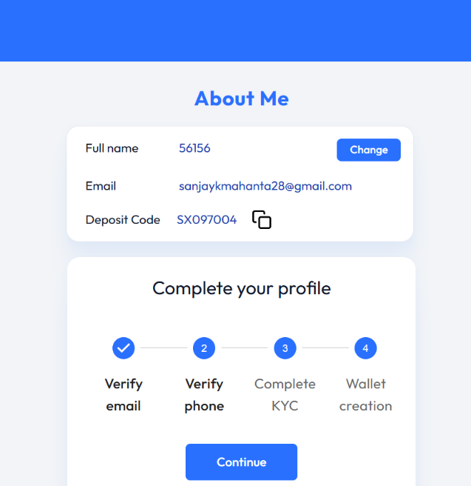

Severity :- Medium
Additional Notes:-Database validation should be checked to ensure that numeric values are not stored for profile names. UI validation and error messages should be added for the name field to prevent users from entering invalid data.

BUG_004
Bug ID:-Bug_004
Title:- Invalid IFSC Code Accepts and Displays Wrong Bank Location
Environment:-Laptop,Windows 11 Home,Chrome version - 133.0.6943.127 (Official Build) (64-bit).
Steps to Reproduce:- 1.Open " https://scopex.money/" .2-After login,dashboard page appers.3-Click on Recipients and select Add Recipient.4-In IFSC code when user enter different IFSC Code of Same Bank , and click submit .5-Observe recipient details it shows Branch of different bank
Expected result:-The system should validate the IFSC code and reject invalid entries. An error message should be shown like "Invalid IFSC code" if the entered code doesn't match the expected format. The bank location should not be displayed if the IFSC code is invalid or doesn't exist
Actual Result:-The system accepts the invalid IFSC code , and the wrong bank location is displayed in the Confirm Details screen.
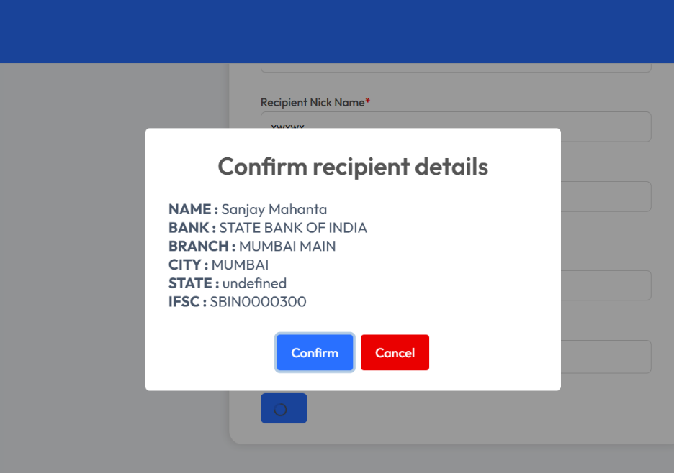
Screenshots:-

Severity:-High
Additional Notes: IFSC Code Validation should be implemented to ensure only valid codes are accepted. The system should check the IFSC code against a valid list and reject codes that do not exist. If an invalid IFSC code is entered, the confirm details screen should not display a bank location until the correct code is provided. This could also point to a potential backend issue where invalid codes are being processed correctly. API validation and database integrity checks should be reviewed. Suggest unit testing the IFSC code field validation and ensuring that the system returns accurate bank details for valid inputs only.

BUG_005
Bug ID:- BUG_005
Title:- Password Criteria
Environment:-Laptop,Windows 11 Home,Chrome version - 133.0.6943.127 (Official Build) (64-bit).
Steps To reproduce:- 1.Open " https://scopex.money/" .2-After login,dashboard page appers. 3-click on profile icon and select change password,4-Enter old password,new password ,here user met the criteria but still showing user didn’t met criteria for numer only.
Expected Result:-The password change should only be allowed if the password meets all specified criteria (e.g., at least one numeric character, one alphabet, one uppercase letter, and one lowercase letter). The system should show correct validation status with a tick mark for each valid requirement and a cross mark for the invalid ones.
Actual result:-The password change is successfully processed, but the UI incorrectly displays a cross mark next to the numeric requirement (even though the password contains a numeric character), while all other requirements show tick marks.
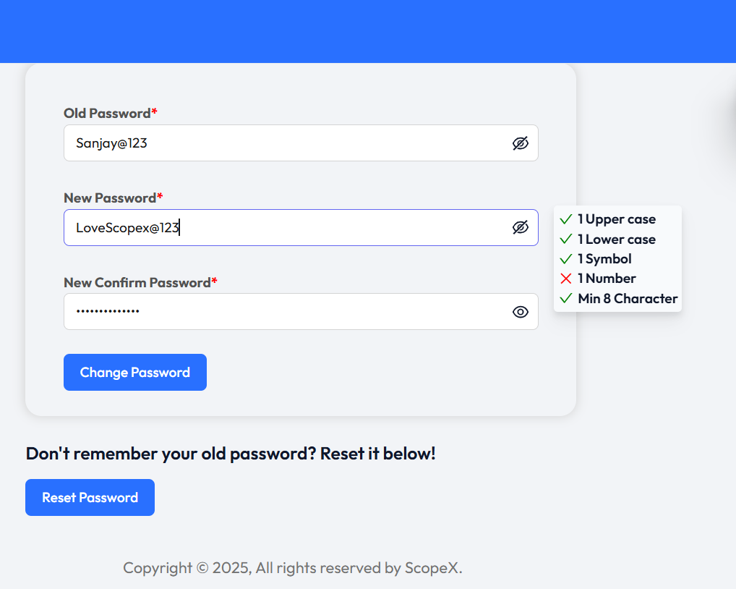
Screenshots:-

Severity:-Medium
Additional Notes:-This issue may be related to UI animations or state updates not properly reflecting the validation status in real-time, causing the cross mark to appear incorrectly. Although the password change is successful, the misleading feedback can lead to user confusion, especially if they believe they haven't fulfilled the password criteria. It’s recommended to inspect the animation handling or UI rendering logic for the password validation fields to ensure the correct state is reflected.

BUG_006
Bug Id:- BUG_006
Title:Deleted User’s Receipt Still Visible Until Page Refresh
Environment:--Laptop,Windows 11 Home,Chrome version - 133.0.6943.127 (Official Build) (64-bit).
steps To reproduce:-1.Open " https://scopex.money/" .2-After login,dashboard page appers,3-Click on Recipients and selct Recipient List- it show yser details ,4.click on down symbol and click delte and tha click yes.Observe there ser details didn’t delete untill user refresh it or logout.
Expected result:- after delete user details it shoul delete immediately.
Actual result: user details didn’t delete.
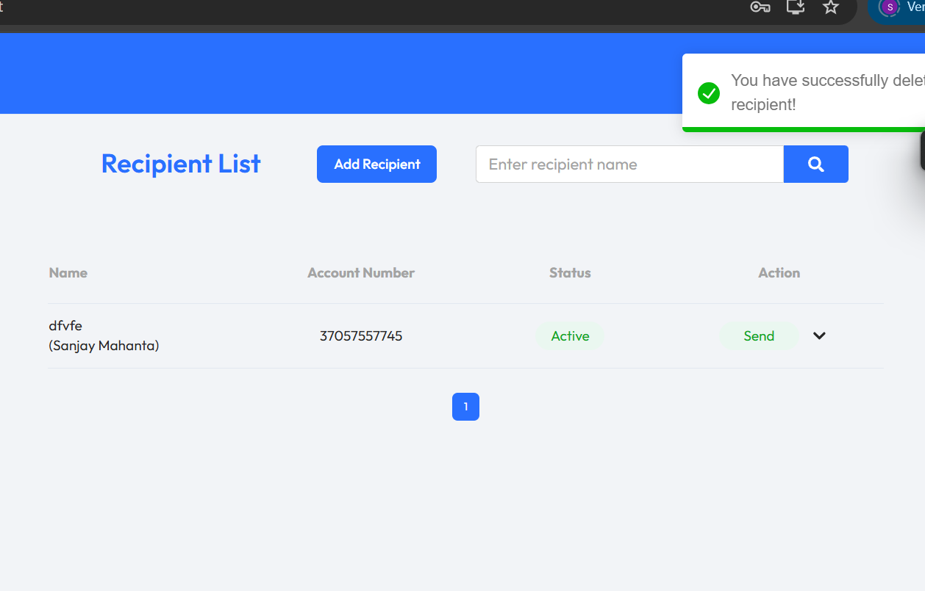
Screenshots:-

Severity :- Medium
Additional Notes :This issue seems to be related to a lack of real-time UI update or failure to update the receipt list dynamically after the deletion. The backend might be updating correctly, but the frontend isn't reflecting these changes until the page is refreshed.

