Diagram_1
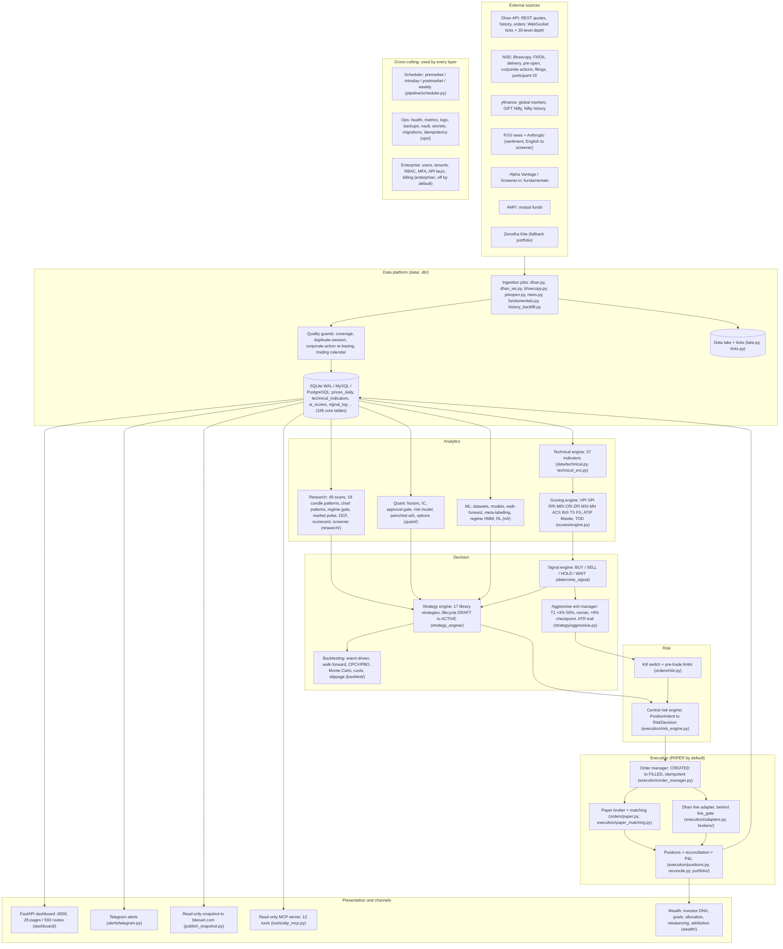
2.1 Current system (as built)

Diagram_3
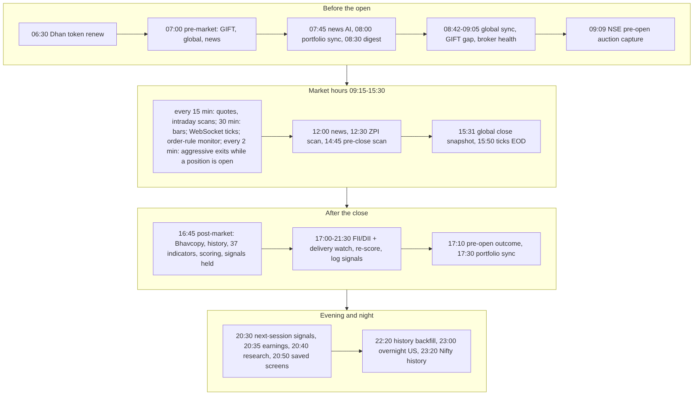
3.1 The trading day (IST)

Diagram_4
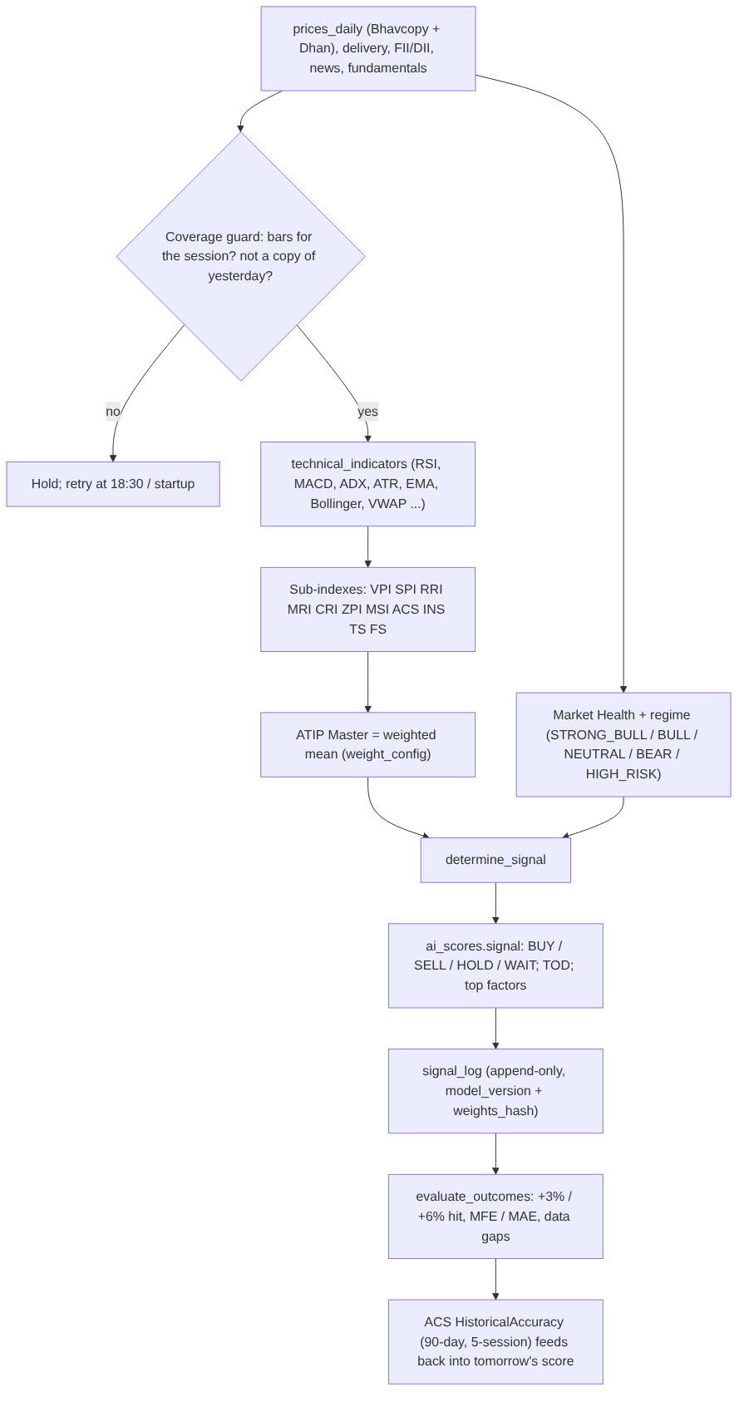
3.2 Data to signal

Diagram_5
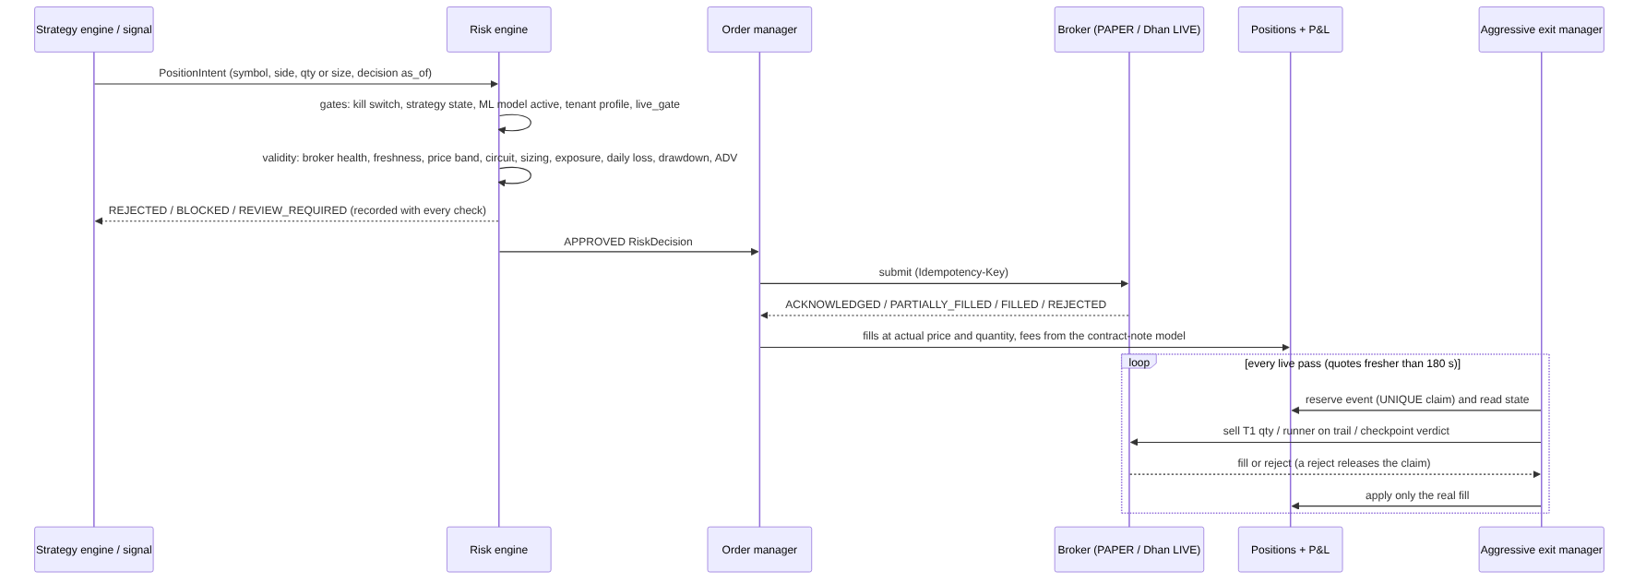
3.3 Signal to trade (paper first)

Diagram_6
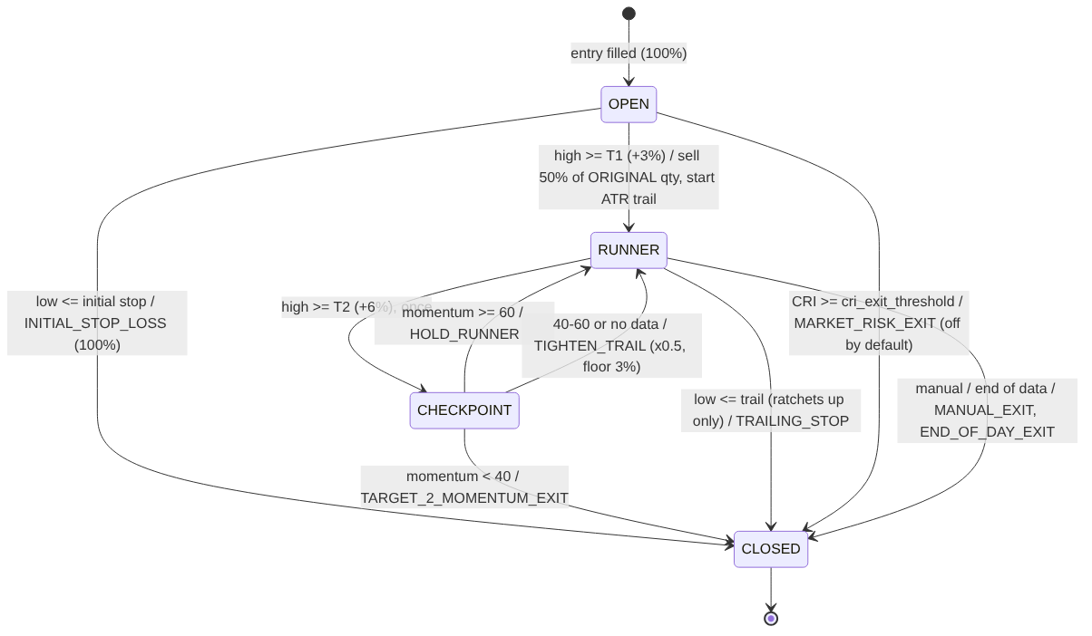
3.4 Aggressive exit state machine (`strategy/aggressive.py`, `strategy/positions.py`)

