Flow Diagram
GoKesari flow diagrams - 29 Oct 2026
Colours follow the Process Flow Tree sheet. Diagram 1 = all 18 flows; 2 = dealer programme (F16); 3 = shop onboarding, registration fee and documents (F17). PNG copies are saved next to this workbook.

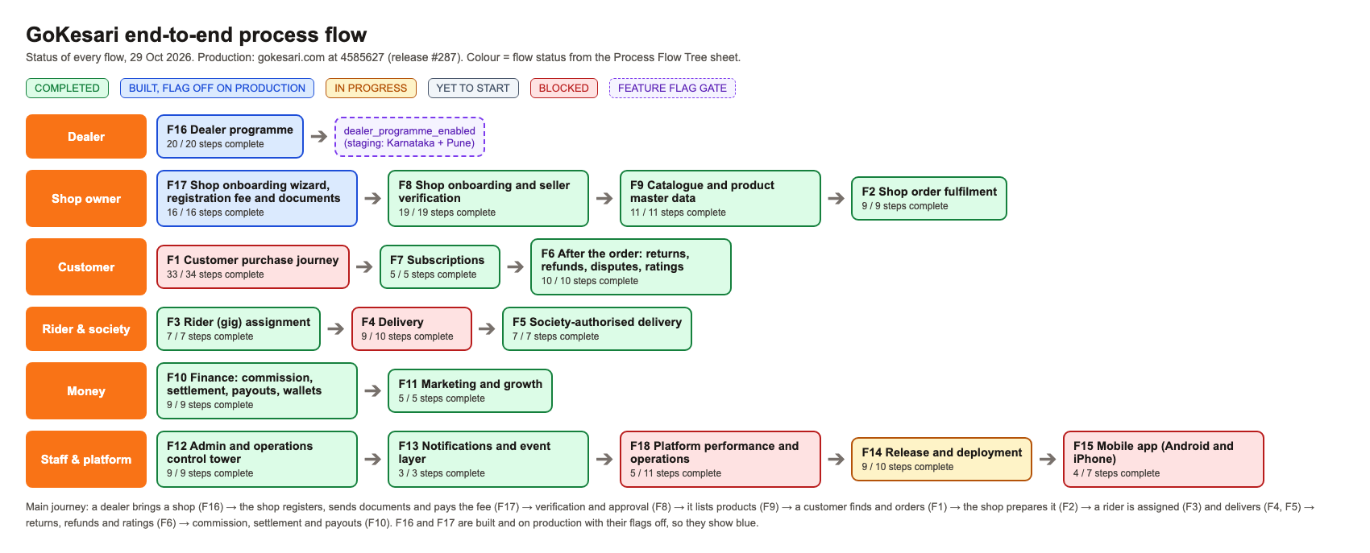
1. End-to-end

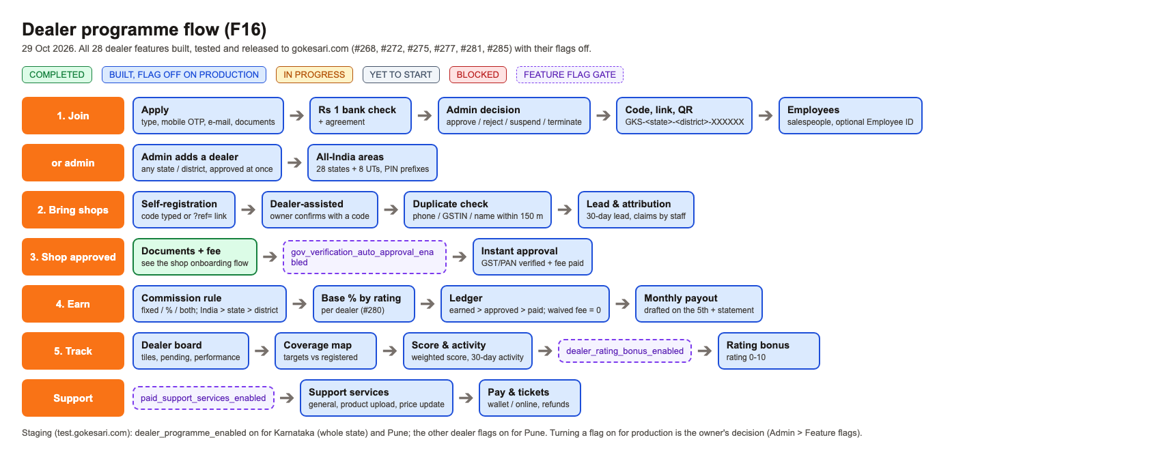
2. Dealer programme

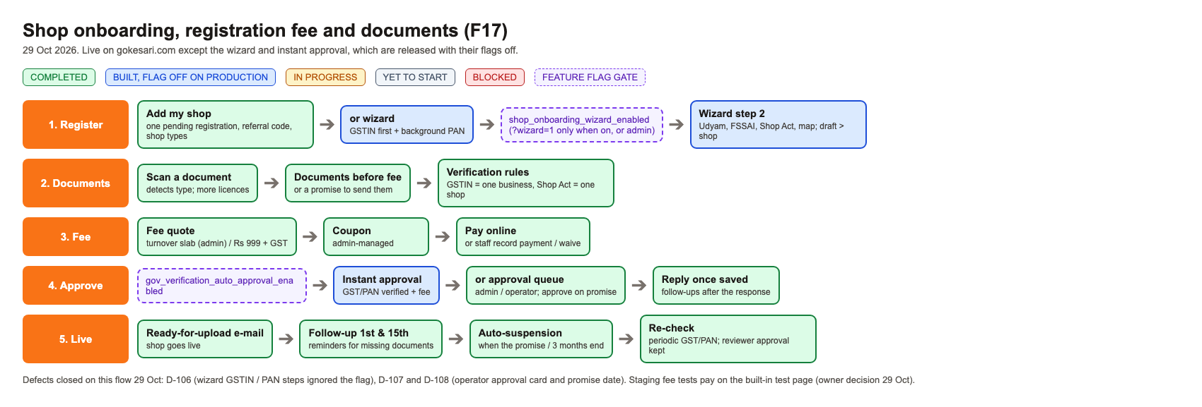
3. Shop onboarding

