Estimation
 | Choices & Notes
 |  |  |  | 1 | Client Name - Project Name (- - Project) - RFP Name |  |  |  |  |  |  |  |  |  | Sales | A/c Manager Name

Sales' Call
 |  |  |  |  | - 240 K ● 1,070 PDs (214 Wk) |  |  |  | Effort: | No Change | 25% |  |  |  | Presales | Presales Member Name |  |  | Effort estimates are based on high level of analysis and may change on detailed analysis.
 |  |  |  |  | Auto: 97.8 Wk (24.5 M), Manual: -143 Wk (-35.5 M) |  |  |  | Optionals: | Include |  |  |  |  | AG | TA Name

 |  |  |  |  |  |  |  |  | Copy Image: | Compact | Full |  |  |  |  |  |  |  | Read Help for more details.
W0 | → |  |  |  |  |  | Unit |  |  |  |  | Complexity % |  |  | PDs / 1 M*
W1 | ← |  |  | Tasks |  | RFP Mapping | Name | # | x N | Effort (PDs) |  | H | M* | L | Unit | Calculated | (+/-) | w Extras | Out of scope / Assumptions
S1 | ↑ | ↓ | A | Discovery / Requirement Analysis |  |  |  |  |  | 196
S1 |  |  | B | System Design, Framework and Test Cases |  |  |  |  |  | 148
S1 |  |  | C | Development and Unit Testing |  |  |  |  |  | 214
S1 |  |  | D | System Testing and Stabilization |  |  |  |  |  | 297
S1 |  |  | E | Deployment, UAT and Documentation |  |  |  |  |  | 117
S1 |  |  | F | Others |  |  |  |  |  | 98
W2 |  |  |  |  |  |  |  |  |  | 1,070

 |  |  |  | Functional Breakdown Summary

 |  |  |  | Pricing & Basic Schedule

 |  |  |  | Estimation Support Settings |  |  |  |  |  |  |  |  |  |  |  |  |  |  | AG Estimation Template - Version 2.0.4

 |  |  |  | Templates

Schedule
Start Date | 1-Aug-16 |  |  |  |  |  | End Date |  |  | 5-Nov-13
NOTE: | Manually build the execution plan below using given template or otherwise and type in the final end date above.
Months | 1 |  |  |  | 2 |  |  |  | 3 |  |  |  | 4 |  |  |  | 5 |  |  |  | 6 |  |  |  | 7 |  |  |  | 8 |  |  |  | 9
Weeks | 2016-08-01 | 2016-08-08 | 2016-08-15 | 2016-08-22 | 2016-08-29 | 2016-09-05 | 2016-09-12 | 2016-09-19 | 2016-09-26 | 2016-10-03 | 2016-10-10 | 2016-10-17 | 2016-10-24 | 2016-10-31 | 2016-11-07 | 2016-11-14 | 2016-11-21 | 2016-11-28 | 2016-12-05 | 2016-12-12 | 2016-12-19 | 2016-12-26 | 2017-01-02 | 2017-01-09 | 2017-01-16 | 2017-01-23 | 2017-01-30 | 2017-02-06 | 2017-02-13 | 2017-02-20 | 2017-02-27 | 2017-03-06 | 2017-03-13 | 2017-03-20 | 2017-03-27 | 2017-04-03
Phases
S a m p l e
Discovery / Requirement Analysis
System Design, Framework and Test Cases
Development and Unit Testing
System Testing and Stabilization
Deployment, UAT and Documentation
Others
Resources
BA | 1.0
TA |  | 1.0 | 1.0 | 1.0 | 1.0 | 1.0 | 1.0
TL |  |  | 1.0 | 1.0 | 1.0 | 1.0 | 1.0 | 1.0 | 1.0 | 1.0 | 1.0 | 1.0 | 1.0 | 1.0 | 1.0 | 1.0 | 1.0 | 1.0 | 1.0 | 1.0 | 1.0 | 1.0 | 1.0 | 1.0 | 1.0 | 1.0
DEV |  |  |  |  |  | 2.0 | 2.0 | 2.0 | 2.0 | 2.0 | 2.0 | 2.0 | 2.0 | 2.0 | 2.0 | 2.0 | 2.0 | 2.0 | 2.0 | 2.0 | 2.0 | 2.0 | 2.0 | 2.0 | 2.0 | 2.0
QA |  |  |  |  |  | 1.0 | 1.0 |  |  |  |  |  |  |  | 1.0 | 1.0 | 1.0 | 1.0 | 1.0 | 1.0 | 1.0 | 1.0
GD | 1.0

Help
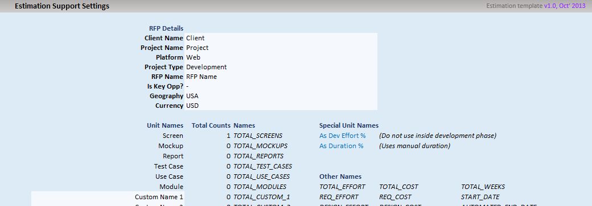
AG Estimation Template - Version 2.0.4 - HELP

This estimation template is designed and developed to facilicate following:
● |  | Get rid of all possibilities of formula errors
● |  | Keep archiects focused on the process of 'estimation' itself and not on ensuring formula correctness and keeping tasks grouping intact
● |  | Automating cost calculations
● |  | Automating basic scheduling with minimum and mostly standard inputs
● |  | Giving sales an opportuinity to play around with effort to reach desired costing without breaking the technical equilibrium
● |  | Giving pre-sales a simpler interface to pick estimation details or summary for use in final proposal
● |  | Giving MMs an easy and semi-automated and integrated worksheet for manual and optimized scheduling

Top 15 Features |  |  |  |  |  | There are tons of other features; which are very intutive and utilized on their own. Yet, you can have a look at |  |  |  |  |  |  | FAQs | for specific questions that
 |  |  |  |  |  | you may have. | If you still have more questions, send a mail at: |  |  |  | vikas.burman@nagarro.com

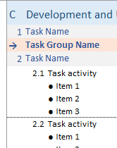
1
2
 |  |  |  |  | Multi-level Auto Numbering |  |  |  |  |  |  | Consistent 2-level Automated Grouping

 |  |  |  |  | It numbers and re-numbers tasks and activities |  |  |  |  |  |  | Across all phases, it does consistent two level grouping
 |  |  |  |  | automatically as you insert or remove items. |  |  |  |  |  |  | of tasks and activities; automatically as you insert or remove
 |  |  |  |  | Phase numbers are kept manual as this is generally fixed |  |  |  |  |  |  | items.
 |  |  |  |  | and rarely changes.
 |  |  |  |  | Task groups don't have numbers by default, but you can |  |  |  |  |  |  | A task group can bring in one level of logical seperation without
 |  |  |  |  | do manual numbering, if you need. |  |  |  |  |  |  | adding another level of grouping.

3

Controlled Insert/Delete

Since estimation sheet is password protected and does not allow adding/removing rows anywhere, it provieds simple command buttons to add tasks, activities and groups.
Add Before button add a task when not inside/on a section/task; when inside a task or on an activity, it adds an activity
Add After button do the same as Add Before, but insert new item on top of current row
Add Group adds a task group (can be used to define a module)
Remove button deletes the current row (which could be an activity, task or task group)
Move Up/Down buttons move current row up or down. Rows can cross phases as well.

4

100% Automated Calculations
 |  |  |  |  |  |  |  |  | Activities sum up at task level
All regular summation and calculations are baked in 100% safe formulae, that cannot |  |  |  |  |  |  |  |  | Tasks sum up at phase level
be overwritten accidently or otherwise; as cells are protected. |  |  |  |  |  |  |  |  | If task groups are inserted, tasks below a task group sum up at task group level.

This also facilitate upto last change reflection in effort, schedule and costing |  |  |  |  |  |  |  |  | The plase where a new task group is inserted, all tasks below that row untill
updates. |  |  |  |  |  |  |  |  | next task group or till the end of that phase, become part of that task group.

5
Automated Basic Scheduling

Given a start date and resource loading for each
phase, it creates basic schedule automatically.

Since focus of this template is not doing
optimized scheduling, it integrates with
possibility of doing manual scheduling
as well.

6
Costing Goes Hand-in-Hand

Define role wise rates and let it calculate the cost
as the estimation happens / changes are applied.
Instantly!

A summary of current cost always shows up
on top.

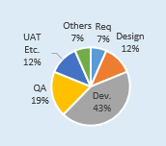
7
 |  |  |  |  |  |  |  |  |  |  |  |  |  |  | Graphical Effort Distribution
 | Aggregated Effort Per Task |  |  |  |  |  |  |  |  |  |  |  |  |  | Effort distribution per phase is shown
 |  |  |  |  |  |  |  |  |  |  |  |  |  |  | graphically for easy comprehension.
 | See aggregated effort (including requirement, design, testing, etc., per
8
 | development task and task group). All automated.
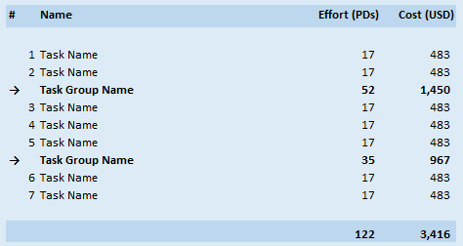

 |  |  |  |  |  |  |  |  | Ability to Add Buffer, Unit Testing, etc. Explicitely

9
 |  |  |  |  |  |  |  |  | Add explicit overheads per task in a collapsable area - outside the WBS,
 |  |  |  |  |  |  |  |  | to make your choices explicit.
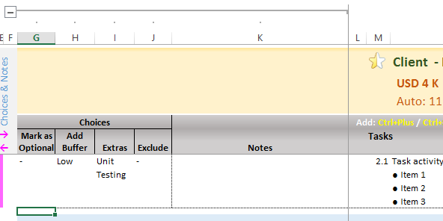

10
 | Sales have the final call!

 | Increase / Decrease effort all over WBS without breaking the
 | technical equilibrium - using given controls.

11
 | Optinally marked items which are generally good to have |  |  |  |  |  |  |  |  | Take it to Final Propsal
 | can be excluded if need be.
 |  |  |  |  |  |  |  |  |  | On a single click, take the WBS to final propsal as-is without breaking any formatting (as image).
 |  |  |  |  |  |  |  |  |  | Choose between Full or Compact view (all / selective (predefined) ) colums

12
 |  |  |  |  |  |  |  | Informative Edges

 |  |  |  |  |  |  | Left edge shows various colored lines to indicate extras; e.g., if item has
 |  |  |  |  |  |  | any error, or any effort markup is added (inside collapsable area).

 |  |  |  |  |  |  | Right edge shows the specific error on the line, if any.

 |  |  | Full Featured Estimation Area

 |  |  | Define Unit name, count and complexity mix. Define effort for 1 medium unit. Rest is calculated. Take final judgement over calculated effort by adding/reducing on it.
 |  |  | Extras such as Unit Testing, if chosen, also shows up.
13

14
 |  | In-Place Review Area

 |  | Review comments can be placed right inside the collapsable
 |  | area.

 |  | A yellow line indicate where all review comments are placed.
 |  | This is helpful especially when looking with all closed rows.

 |  | Finally, everything is configurable!

 |  |  |  | Use pre-defined names or define your own, if you still get situations where you want to write formulae in your estimation.
15

