VolSummary
Country | (All)

Region | Sum of ADV | Size(2 MB Avg) Per Ship |  | Storage Need/Month
AMEA | 355,930 | 711,860 | MB | 20,855 | GB
CA | 13,753 | 27,506 | MB | 806 | GB
EU | 202,805 | 405,611 | MB | 11,883 | GB
LAC | 22,046 | 44,092 | MB | 1,292 | GB
US | 95,696 | 191,393 | MB | 5,607 | GB
Grand Total | 690,230 | 1,380,460 | MB | 40,443 | GB

 |  |  |  |  |  |  | ADV | Events=ADV*70 | Shipments in every 30 seconds (Aggr)
 |  |  |  |  |  | AMEA | 355,930 | 24,915,089 | 124
 |  |  |  |  |  | CA | 13,753 | 962,695 | 5
 |  |  |  |  |  | EU | 202,805 | 14,196,368 | 70
 |  |  |  |  |  | LAC | 22,046 | 1,543,204 | 8
 |  |  |  |  |  | US | 95,696 | 6,698,739 | 33

 |  |  |  |  |  |  |  | 125 merge Operation can happen in every 30 seconds

Handling_SEP_Events
Event Source (SEP/CDV) | Track Type Code / Scan Type Code | Exception Type Code | Source System | Type Of Event | Data Change | Process ? | Processing Requirement | DataMapper | Shipment Domain Event Change Type | Send Domain Event ?
SEP | CE |  | SDSM | Contract | Manifest Data - shipment Profile | Y | Create Shipment Object for Gemini 1. Transformed EhnancedEvent to ShipmentEvent (uses only masterList & shipmentProfile) | ShipmentProfileMapper | MANIFEST_CREATED | Y
SEP | CE |  | ITIH | Contract |  | N | Routing from VISA
SEP | CE |  | ISDC | Contract
SEP | CE |  | ITIH-SO | Contract
SEP | RE |  | ITIH/CHRONOS | Contract | Relationship information Changes | Y | Using relationship/Assoication to set master awb Create an entry to IB_ESE_RE_EVENT
SEP | DC |  | EDM-GSDR | Manifest | Document Association Changes | Y
SEP | 70 |  | INTERNATIONAL MANIFEST | Manifest | Manifest Original Update | Y
SEP | 71 |  | INTERNATIONAL MANIFEST | Manifest | Manifest Delete | Y
SEP | 72 |  | INTERNATIONAL MANIFEST | Manifest | Manifest Update | Y
SEP | 73 |  | INTERNATIONAL MANIFEST | Manifest | Manifest Update | Y
SEP | 74 |  | INTERNATIONAL MANIFEST | Manifest | Manifest Update - For Description | N
SEP | 7 | 14 |  | Movement | Undelivered Package | Y | Route Leg Information Service Commit Date/Time chages
SEP | 7 | 52 |  |  | Held, Package Cleared After Sort Down
SEP | 7 | 55 |  |  | Regulatory Agency Clearance Delay
SEP | 7 | 56 |  |  | Removed From Cage
SEP | 7 | 60 |  |  | Still in Bond Cage
SEP | 7 | 65 |  |  | Commercial Customs Release
SEP | 7 | 66 |  |  | Customs Release/Intl SIPS
SEP | 7 | 67 |  |  | Received From/Released to an ODA Agent
SEP | 7 | 70 | ITIH |  | Transit In
SEP | 7 | 71 | ITIH |  | Non-Document in Clearance Area
SEP | 7 | 72 | ITIH |  | Documents in Clearance Area
SEP | 7 | 74 | ITIH |  | Overage
 | 7 | 77 | EMASS ENTRY / eMassEntry |  | Transit Out
SEP | 7 | 77 | PSCAN |  | Transit Out
SEP | 29 | 16 |  |  | Payment Received
SEP | 29 | 17 |  |  | Future Delivery Requested
SEP | 29 | 23 |  |  | Package Received After Aircraft/Shuttle Departure
SEP | 29 | 24 |  |  | Customer Delay
SEP | 29 | 26 |  |  | Tendered by Cartage Agent/Consolidator
SEP | 29 | 46 |  |  | Mass Pickup Scan
SEP | 29 | 47 |  |  | Mass Routing Scan
SEP | 29 | 50 |  |  | Improper/Missing Regulatory Paperwork
SEP | 29 | 79 |  |  | Uplift Not Available
SEP | 29 | 81 |  |  | COMAIL Stop
SEP | 29 | 86 |  |  | Pre-Routed Meter Package
SEP | 29 | 95 |  |  | Package Retrieval
SEP | 31 | 83
SEP | 1 | 1 |  |  | Package Not Delivered/Not Attempted
SEP | 2 | 2 |  |  | Release
SEP | 8 | 8 |  |  | Recipient Not In/Business Closed
SEP | 10 | 10 |  |  | Damaged - Delivery Not Completed
SEP | 11 | 11 |  |  | C.O.D. Delivery
SEP | 12 | 12 |  |  | Package Sorted to Wrong Route
SEP | 13 | 13 |  |  | Received from Non-Express Access Location
SEP | 22 | 22 |  |  | Pkg Missed Aircraft/Truck at Sta/Hub/Ramp
SEP | 24 | 24 |  |  | Customer Delay
SEP | 32 | 32 |  |  | Plane Arrived Late at Hub or Ramp
SEP | 42 | 42 |  |  | Business Closed/Delivery Not Attempted
SEP | AL |  |  |  | Alternate Linehaul Scan / Daysort Recovery Scan
SEP | AR |  | TRIP |  | Arrival Scan
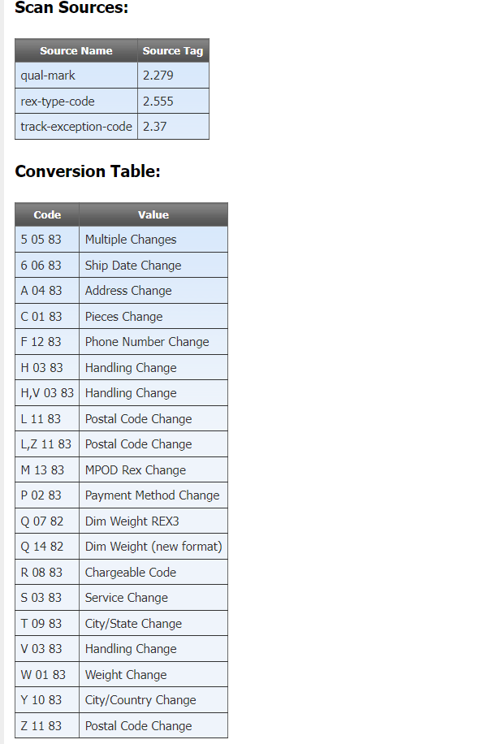
SEP | 32 | 83 |  |  |  |  | Extract out the qual-mark and the rex-type-code
SEP | 32 | 82 |  |  |  |  | Extract out the qual-mark and the rex-type-code - see reference

*** Do we need to add ECCO (79) scan? For example, 642385110493 Clearance Completed
TRACK TYPE | ASTRA | CONS | SCAN DATETIME | LOC ID | FedEx ID | SOURCE / SYSTEM NAME | STATUS / COMMENTS
ECCO | N |  | 12/7/23 | MEMIP | 683957 | ECCO | Type code: C CLEARANCE COMPLETED ---- POST DATE/TIME 12/07/2023 13:32:43

