Sheet1
 |  | Input
 |  | Fixed
 |  | Derived/Calculated
 |  | MHPS consultation required to make the values as Fixed value |  |  |  |  |  |  |  |  |  |  |  | 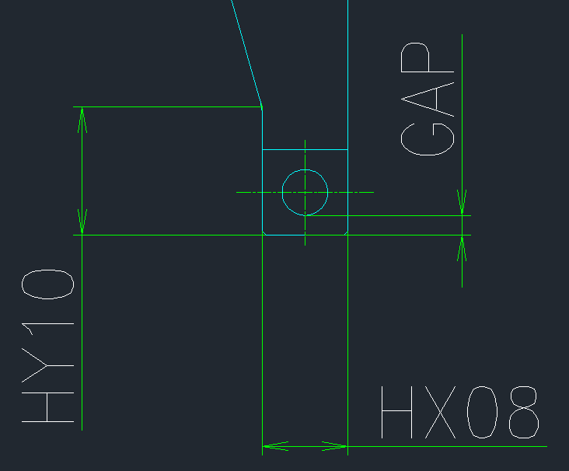

Component | Parameter | Parameter Identity | Input/ Derived/Application | Formulae | Value | Remarks

Input Parameter | Bearing Position | B | Application | - | 5 |  | Stud Bolt Size | Value | SB_1 | SB_2 | SB_3 | SB_4 | SB_5 | SB_6 | SB_7 | SB_8 | SB_9
 | Bearing Load | W | Input | - | 44700 |  | W1.1/4 | 1.25 | 28.6385 | 34 | 55 | 3 | 31.75 | 45 | 35 | 32 | 23.5
 | Rotor Diameter at pullin up plate position | ØRD | Input | - | 600 |  | W1.1/2 | 1.5 | 34.9885 | 40 | 60 | 3 | 38.1 | 50 | 43 | 38 | 17.5
 | Cold Clearance Value | C | Input | - | 540 |  | W2 | 2 | 47.6885 | 52 | 75 | 3 | 50.8 | 65 | 55 | 49 | 25.5
 | Pulling Plate Outside Diameter | ØP0D | Input & calculated | - | 400 | Calculation Link to be done to find the correct value | W2.1/4 | 2.25 | 54.0385 | 59 | 80 | 3 | 57.15 | 68 | 67 | 60 | 33.5
 | Pulling Plate Inside Diameter | ØPID | Input | RD+1 | 601 |  | W2.1/2 | 2.5 | 60.3885 | 65 | 85 | 3 | 63.5 | 75 | 80 | 73 | 42.5
 | Horizontal Distance between Bearing Center & Stud Bolt | HX01 | Input | - | 900
 | Horizontal Distance between Bearing Center & Bolt 2 | HX02 | Input | - | 400
 | Horizontal Distance between Bearing Center & Rotor Collar | HX04 | Input | - | 200 |  | Hole B Details
 | Horizontal distance between bolt 01 and 02 | HX03 | Input | - | 400 |  | Bolt Metric Size | Clearance Diameter | Counterbore Diameter | Depth of Counterbore Diameter
 | Rotor Collar Width | HX05 | Input | - | 300 |  | M24 | 26 | 40 | 3
 | Pulling Plate Width | HX06 | Pull Down Menu | - | 600 |  | M26 | 26 | 40 | 3
 | Bearing Box End Plate | HX07 | Input | - |  |  | M28
 | Check Point | CP | Derived | HX01-HX06/2-HX04 | 400 |  | M30
 | Vertical Position Between Rotor Center & Stud Bolt | HY01 | Derived | Rounding off to Multiple of 5 ((POD/2 – PID/2)/2) + (PID/2) | 250 |  | M32
 | Vertical Postion Between Rotor Centre & Bolt 1 | HY02 | Input | - | 540 |  | M34
 | Vertical Hole Position Between Bolt 1 & Bolt 2 | HY03 | Input | - | 100 |  | M36
 | Bearing Box Bore Diameter | HY04 | Input | - | 0
 | Bolt 1 Size | B01 | Pull Down Menu |  | 540
 | Hole Thread Length | L1 | Input |  | 540
 | Bolt 2 Size | B02 | Pull Down Menu |  | 540
 | Hole Thread Length | L2 | Input |  | 540
 | Clearance between Puling Plate OD & Pedestal Inside Dia. | C | Input |  | 0
 | Pulling Width-Design Consideration -Inside | POP-UP Message | Derived | HX01-(HX06/2+HX04) | 400 | Design Check Between Collar.
 | Pulling Width-Design Consideration -Outside | POP-UP Message | Derived | (HX04+HX05)-(HX01+HX06/2) | -700
 | Pulling Up Plate Height | H | Input |  | 167.5
 | Vertical Position Between Rotor Center & Stud Bolt | DER2 | Derived | DER1 | 250
 | Pulling Plate Inside Radius | RDER2 | Derived | PID/2 | 300
 | Pulling Plate Outside Radius | RDER3 | Derived | POD/2 | 200
 | Pulling Plate Width | DER8 | Derived from Ass'y Drawing. | HX06 | 600
 | Lifting hole Position | DER4 | Derived | (POD/2-PID/2)/2 | 600
 | Stud Bolt Size | DER7 | Derived | From calculation sheet | 600 | From Calculation Sheet.
 | Stud Bolt Thread Length | DER5 | Derived from Database | Round down(25.4*1.5*STUD BOLT SIZE) | 600.00
 | Stud Bolt Drill Length | DER6 | Derived from Database | DER5+9 | 250.00
 | Lifting Hole Size | FIX1 | Fixed Value | - | M12x33/22
 | Lifting Hole Thread Length | FIX1-1 | Fixed Value |  | 22
 | Lifting Hole Drill Length | FIX1-2 | Fixed Value |  | 33
 | Angular Position Lifting Bolt | FIX2 | Fixed Value | - | 25°
 | Fillet at Edges | FIX3 | Fixed Value | - | 3
 | Offset distance along Horizontal Face | FIX4 | Fixed Value | - | 10
 | Axial Position of Lifting Bolt 'a' at Horizontal face | FIX5 | Fixed Value | - | 12
 | Radial Position of Lifting Bolt 'a' at Horizontal face | FIX5 | Fixed Value | - | 12
 | Support Plate Width | HX21 | Input | - | 100
 | Support Plate Width-Near Rotor End | HX22 | Input | - | 60
 | Support Plate Thickness | HX23 | Input | - | 60
 | Plate Width-Bearing End | HY21 | Input | - | 200
 | Plate Width-Bearing End (Near Rotor) | HY22 | Input | - | 90
 | Stud Hole Clearance Diameter | DER12 | Derived from Database | - | #N/A
 | Vertical Dimension of Stud Bolt from Edge of Plate | DER15 | (HY02+HY03+FIX6)-HY01 | - | 440
 | Bolt1 Diameter | DER17 | Based on Database | - | #REF!
 | Horizontal Lifting Hole Position | DER10 | Pro-e Command Driven | - | 16
 | Pitch Distance between Bolt & Stud Bolt | DER11 | Derived | HX01-HX02 | 500
 | Length of Support Plate | DER16 | Derived | DER6+DER5/2+Gap Constant | #N/A
 | Vertical Lifting Hole Position | DER13 | Pro-e Command | - | 40
 | Spot Facing Dimension | DER14 | Derived from Database | - | #N/A
 | Bolt2 Diameter | DER9 | Based on Database | - | #N/A
 | Lifting Hole Size | FIX1 | Fixed Value | - | M12x33/22
 | Lifting Hole Thread Length | FIX1-1 | Fixed Value | - | 22
 | Lifting Hole Drill Length | FIX1-2 | Fixed Value | - | 33
 | Vertical Dimension of Bolt 2 from Edge | FIX6 | Fixed Value | - | 50
 | Chamfer at Edges | FIX7 | Fixed Value | - | 3
 | Horizontal Dimension of Bolt 2 from Edge | FIX8 | Fixed Value | - | 40
 | Fillet at Edges | FIX9 | Fixed Value | - | 50
 | Spot spacing depth around Stud Bolt | FIX10 | Fixed Value | - | 3

Calculation
 |  |  |  |  |  |  | No.1 BRG. |  | 1/4
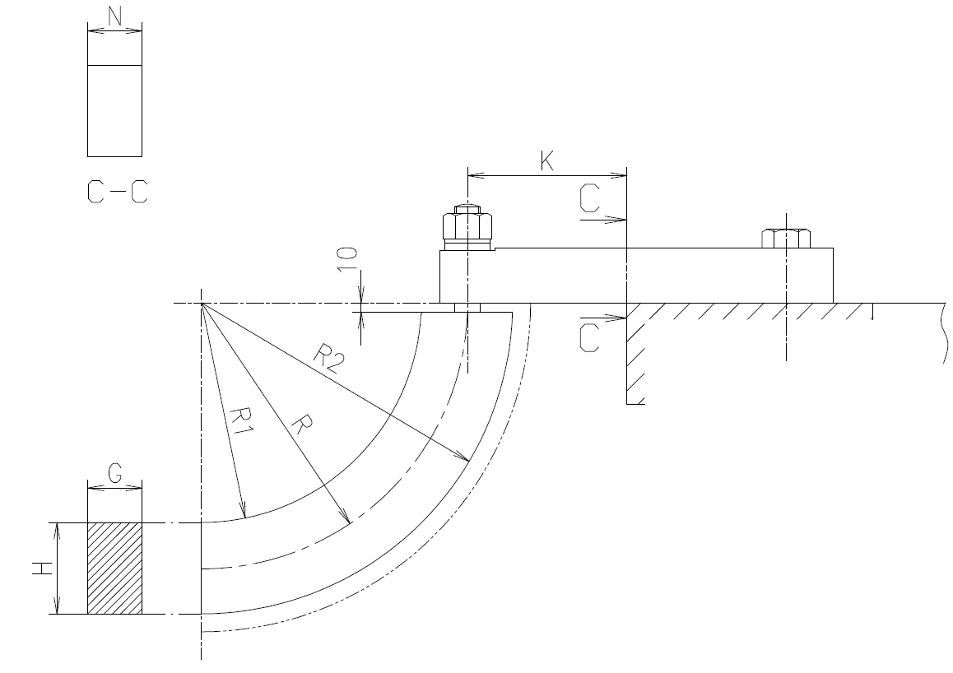

 |  |  |  |  |  |  |  | Input
 |  |  |  |  |  |  |  | Derieved
 |  |  |  |  |  |  |  | Fixed
Input Dimension

Pulling up plate inner diameter | R1 | = | 300.5 | mm

Pulling up plate outer diameter | R2 | = | 468 | mm

Pulling up plate average diameter | R | = | (R1+R2)/2 | = | 384.25 | mm

Pulling up plate width | G | = | 130 | mm

Pulling up plate thickness | H | = | 167.5 | mm

Support plate width | N | = | 100 | mm

Bolt Center-Support Edge Face | K |  | 107 | mm

Bearing load | W | = | 44700 | kg

 |  |  |  |  |  |  | No.1 BRG. |  | 2/4

１．Pulling up plate weight

 |  |  |  |  |  |  |  |  |  |  | Material | Specific Gravity | Y.S
Material | Material | = | SS400 |  | Formulae: Volume=πh((outer radius)2 - (Inner radius)2） Volume=πxGx(R12-R22) Weight Formulae: Mass=V*specific gravity*10^-6 /2（semi-circle） |  |  |  |  |  | SS400 | 7.85 | 21
 |  |  |  |  |  |  |  |  |  |  | ASTM A387 | 7.86 | 31.6
Specific Gravity | S.G | = | 7.85 |  |  |  |  |  |  |  | SCMV4 | 7.86 | 32
 |  |  |  |  |  |  |  |  |  |  | 10305MDA | 7.83 | 74/67
Yield Strength | Y.S | = | 21 | kg/mm2 |  |  |  |  |  |  | SCM440H-QT | 7.83 | 85
 |  |  |  |  |  |  |  |  |  |  | SCM440H | 7.83 | 85
Volume | V | = | 52571686.35 | mm3

Mass | m | = | 206.3 | kg

２．Strength calculation for pulling up plate

 |  |  |  |  | Formulae: Area=A= HxG. Centroid=η=R-R1. Constant=κ=(1/3×(η/R)2+(1/5×(η/R)4+(1/7×(η/R)6. Tensile Stress=σbi=W/Aπ×(1+κ)x(1-(η/(κ×(R-η))). Shear Stress=σd= τ=W/2A. Cn=（Refer to Westinghouse document; P.H. 25053.01) Principle Normal Stress=σn= Cn x (σbi +σd). Principle Shear Stress=σc= √σn2+3τ2.
Area | A | = | 21775 | mm2

Centroid | η | = | 83.75 | mm

Constant | κ | = | 0.016 |  |  |  |  |  |  |  | σd/σbi | Cn
 |  |  |  |  |  |  |  |  |  |  | 0.05 | 0.636
Tensile Stress | σbi | = | -10.56 | kg/mm2 |  |  |  |  |  |  | 0.10 | 0.618
 |  |  |  |  |  |  |  |  |  |  | 0.15 | 0.608
Shear Stress | σd(τ) | = | 1.03 | kg/mm2 |  |  |  |  |  |  | 0.20 | 0.602
 |  |  |  |  |  |  |  |  |  |  | 0.25 | 0.600
Ratio of Shear to Tensile Stress | σd/σbi | = | -0.10 |  |  |  |  |  |  |  | 0.30 | 0.602
 |  |  |  |  |  |  |  |  |  |  | 0.35 | 0.606
Stress Constant | Cn | = | 0.636 |  |  |  |  |  |  |  | 0.40 | 0.610
 |  |  |  |  |  |  |  |  |  |  | 0.45 | 0.616
Principle Normal Stress | σn | = | -6.061 |  |  |  |  |  |  |  | 0.50 | 0.622
 |  |  |  |  |  |  |  |  |  |  | 0.55 | 0.630
Principle Shear Stress | σc | = | 6.32 | kg/mm2 |  |  |  |  |  |  | 0.60 | 0.638
 |  |  |  |  |  |  |  |  |  |  | 0.65 | 0.646
 |  |  |  |  |  |  |  |  |  |  | 0.70 | 0.654
Judgement Creteria |  |  |  |  |  |  |  |  |  |  | 0.75 | 0.660
 |  |  |  |  |  |  |  |  |  |  | 0.80 | 0.666
 |  |  |  |  |  |  |  |  |  |  | 0.85 | 0.674
Allowable stress | σallowable | = | 10.5 | kg/mm2 |  |  |  |  |  |  | 0.90 | 0.680
 |  |  |  |  |  |  |  |  |  |  | 0.95 | 0.688
Design Acceptance |  | = | Design Accepted |  |  |  |  |  |  |  | 1.00 | 0.696

 |  |  |  |  |  |  |  |  |  |  | 0.5
 |  |  |  |  |  |  |  |  |  |  | 0.622
 |  |  |  |  |  |  | No.1 BRG. |  | 3/4

3.Screw strength

 |  |  |  |  |  |  |  |  |  |  | Material | Specific Gravity | Y.S
Material | Material | = | 10305MDA |  |  |  |  |  |  |  | 10305MDA | 7.83 | 74

Specific Gravity | S.G | = | 7.83

Yield Strength | Y.S | = | 74
 |  |  |  |  |  |  |  |  |  | Database
 |  |  |  |  |  |  |  |  |  | Bolt Size | Thread Details |  |  |  |  |  |  | Load Range |  | Bolt Size | Y.S
 |  |  |  |  |  |  |  |  |  |  | d (Outer Dia. of External Thread) | dp (Pitch dia.) | ds (Root dia of External Thread ) | P (Pitch) | As | ρ | β | Range1 | Range 2
 |  |  |  |  |  |  |  |  |  | 1.1/4 | 31.507 | 29.545 | 27.800 | 3.175 | 607.000 | 13.000 | 1.959 | 1 | 20000 | 1.1/4 | 74
 |  |  |  |  |  |  |  |  |  | 1.1/2 | 37.854 | 35.889 | 34.148 | 3.175 | 915.800 | 13.000 | 1.613 | 20001 | 30000 | 1.1/2 | 74
 |  |  |  |  |  |  |  |  |  | 1.3/4 | 44.202 | 42.234 | 40.495 | 3.175 | 1287.900 | 13.000 | 1.371 | 30001 | 45000 | 1.3/4 | 74
 |  |  |  |  |  |  |  |  |  | 2 | 50.552 | 48.580 | 46.845 | 3.175 | 1723.500 | 13.000 | 1.192 | 45001 | 60000 | 2 | 74
 |  |  |  |  |  |  |  |  |  | 2.1/4 | 56.899 | 54.925 | 53.193 | 3.175 | 2222.300 | 13.000 | 1.054 | 60001 | 80000 | 2.1/4 | 74
 |  |  |  |  |  |  |  |  |  | 2.1/2 | 63.249 | 61.273 | 59.543 | 3.175 | 2784.500 | 13.000 | 0.945 | 80001 | 90000 | 2.1/2 | 67

 |  |  |  |  |  |  |  |  |  | Input | d | dp | ds | P | As | ρ | β | Y.S
 |  |  |  |  |  |  |  |  |  | 1.3/4 | 44.202 | 42.234 | 40.495 | 3.175 | 1287.9 | 13 | 1.371 | 74

 |  |  |  |  |  |  |  |  |  |  |  | Input | 20001

Bolt Size | S | = | 1.3/4 |  | Formulae: Stress=σd= W/2As. Shear stress, τ=(4W×dp×tan(ρ+β))/（π×ds3) Principal stress, σc=√σd2+3τ2

Stress | σd | = | 17.353831819 | kg/mm2

Shear Stress | τ | = | 9.274 | kg/mm2

Principal Stress | σc | = | 23.65 | kg/mm2

Judgement Creteria

Allowable Stress | σallowable | = | 37 | kg/mm2 |  | Judgment criteria：shall be lower than this value
Design Acceptance |  | = | Design Accepted

 |  |  |  |  |  |  | No.1 BRG. |  | 4/6

4. Deflection Calculation

Reaction Load 1 | R1 | = | 22350 | kg

Reaction Load 2 | R2 | = | 22350 | kg

Bolt Center from Edge Face | ℓ1 | = | 10.7 | cm

Distance between the Bolt Center | ℓ2 | = | 76.9 | cm

Young Modulus | E | = | 2.1×106 | kg/cm2

Width of Pulling plate | b | = | 13 | cm
 |  |  |  |  |  | Formulae: I= (1/12)×b×h3. V1= （（W/2）×ℓ13）/6×E×I×（（（3×ℓ2）/ℓ1）+2）. V2= ((W/2)×ℓ1×ℓ22)/8×E×I.
Hanger Plate Thickness | h | = | 16.75 | cm

Moment of Interia | I | = | 5091.04 | cm4

Deflection at R2 | V1 | = | 0.01 | cm

Deflection at R1 | V2 | = | 0.017 | cm

Total Deflection (mm) | V1+V2 | = | 2.7 | cm

Judgement Creteria

Allowable Deflection |  | = | 6 | mm |  | Judgment criteria： Judged from criteria of Max. 6mm with experience QGN-2(No.6 BRG)
Design Acceptance |  | = | Design Accepted

 |  |  |  |  |  |  | No.1 BRG. |  | 5/6

4.Bolt Strength for Vertical
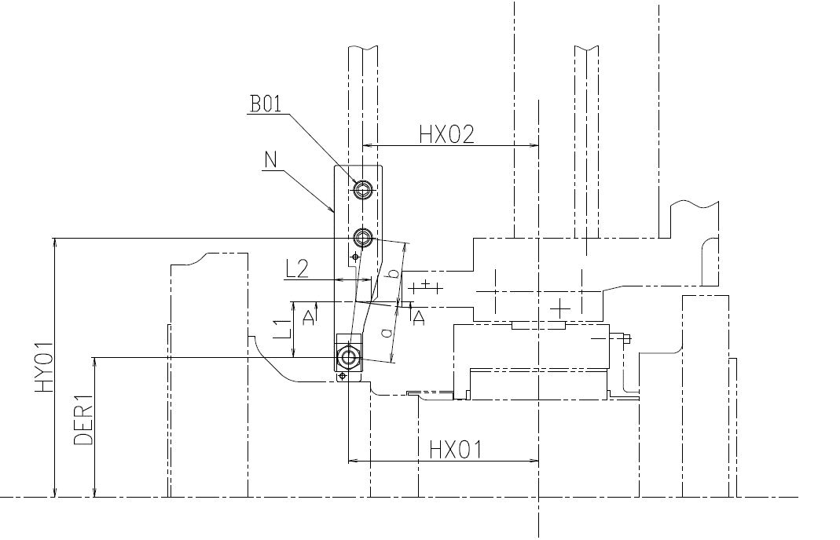

Bolt Material | Material | = | SCM440H-QT

Bolt Size | B01 | = | M24 | mm

Vertical Position Between Rotor Center & Stud Bolt | HY01 | = | 275 | mm |  |  |  |  |  |  |  |  |  |  | d
 |  |  |  |  |  |  |  |  |  |  | Calculation |  |  | M10 | 8.376
Vertical Position Between Rotor Center & Bolt 1 | HY02 | = | 470 | mm |  |  |  |  |  |  | Angle | 12.99462 |  | M12 | 10.106
 |  |  |  |  |  |  |  |  |  |  | a | 97.496775853 |  | M16 | 13.835
Horizontal Distance between Bearing Center & Bolt 2 | HX01 | = | 465 | mm |  |  |  |  |  |  | b | 102.62818511 |  | M20 | 17.294
 |  |  |  |  |  |  |  |  |  |  |  |  |  | M24 | 20.752
Horizontal Distance between Bearing Center & Bolt 2 | HX02 | = | 420 | mm |  |  |  |  |  |  |  |  |  | M30 | 26.211
 |  |  |  |  |  |  |  |  |  |  |  |  |  | M36 | 31.67
Cut distance | L1 | = | 95 | mm |  |  |  |  |  |  |  |  |  | M42 | 37.129
 |  |  |  |  |  |  |  |  |  |  |  |  |  | M48 | 42.587
Cut distance | L2 | = | 86.5 | mm |  |  |  |  |  |  |  |  |  | M56 | 50.046
 |  |  |  |  |  |  |  |  |  |  |  |  |  | M64 | 57.505
Plate Width | Na-a | = | 70 | mm

Specific Gravity | S.G | = | 7.83

Yield Strength | Y.S | = | 85

Bolt diameter | d | = | 20.752 | mm

Distance | a | = | 97.5 | mm

Distance | b | = | 102.6 | mm
 |  |  |  |  |  | Formulae: Area=A=π/4 × d4. W1=(a/b) x (W/2). σ=W1/A. Z= (bA-A x hA-A2)/6. σb A-A = ((W/2) x L1)/Z. τ=(W/2)/AA-A. σc=√((2/3)σb A-A)2+(3x τ2).
Area | Aa-a | = | 6055 | mm2

Bolt Area | Ab | = | 338.2 | mm2

Reaction Load | W1 | = | 21232.5 | Kg

Stress | σ | = | 62.78 | kg/mm2

Moment of Interia | z | = | 70641.7 | mm3

Stress | σbA-A | = | 30.057 | kg/mm2

Torque | τ | = | 3.691 | kg/mm2

Principal Stress | σc | = | 21.033 | kg/mm2

Judgement Creteria

Allowable Stress | σallowable | = | 42.5 | kg/mm2

Design Acceptance |  |  | Design Not Accepted

Allowable Stress | σallowable | = | 10.5

Design Acceptance |  | = | Design Not Accepted

 |  |  |  |  |  |  | No.1 BRG. |  | 6/6

4.Bolt Strength for Support Plate ( Horizontal)
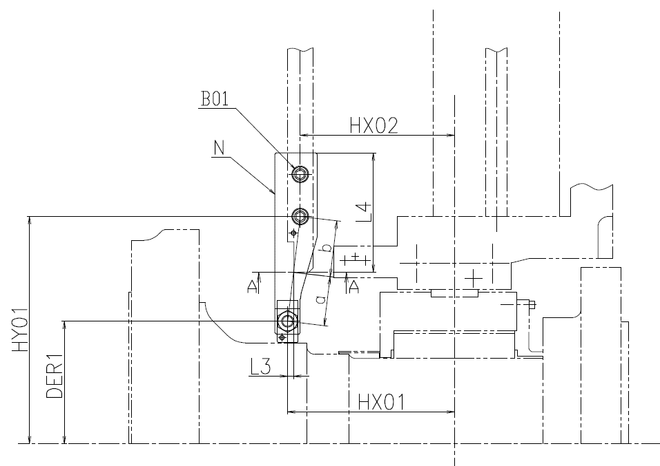

Bolt Material | Material | = | SCM440H

Bolt Size | B01 | = | M24 | mm

Vertical Position Between Rotor Center & Stud Bolt | DER1 | = | 275 | mm

Vertical Position Between Rotor Center & Bolt 1 | HY01 | = | 470 | mm

Horizontal Distance between Bearing Center & Bolt 2 | HX01 | = | 465 | mm

Horizontal Distance between Bearing Center & Bolt 2 | HX02 | = | 420 | mm

Cut distance | L3 | = | 15 | mm

Cut distance | L4 | = | 225 | mm

Plate Width | Na-a | = | 70 | mm

Specific Gravity | S.G | = | 7.83

Yield Strength | Y.S | = | 85

Bolt diameter | d | = | 20.752 | mm

Distance | a | = | 15.4 | mm |  |  |  |  |  |  | Calculation
 |  |  |  |  |  |  |  |  |  |  | Angle | 12.99462
Distance | b | = | 184.7 | mm |  |  |  |  |  |  | a | 15.394227766
 |  |  |  |  |  |  |  |  |  |  | b | 184.7307332
Area | Aa-a | = | 15750 | mm2 |  | Formulae: Area=A=π/4 × d4. W1=(a/b) x (W/2). σ=W1/A. Z= (bA-A x hA-A2)/6. σb A-A = ((W/2) x L1)/Z. τ=(W/2)/AA-A. σc=√((2/3)σb A-A)2+(3x τ2).

Bolt Area | Ab | = | 338.2 | mm2

Reaction Load | W1 | = | 1862.5 | Kg

Stress | σ | = | 5.51 | kg/mm2

Moment of Interia | z | = | 183750.0 | mm3

Stress | σbA-A | = | 1.824 | kg/mm2

Torque | τ | = | 1.419 | kg/mm2

Principal Stress | σc | = | 2.742 | kg/mm2

Judgement Creteria

Allowable Stress | σallowable | = | 42.5 | kg/mm2

Design Acceptance |  |  | Design Accepted

Allowable Stress | σallowable | = | 10.5

Design Acceptance |  | = | Design Accepted

