DaaS
days | Qs | Qe | KARO'S calendar | PicknPay Revenue (ZAR B) | Dis-Chem Revenue | KARO Logistics Revenue
91 | 2021-11-30 | 2022-02-28 | 22Q4 |  |  | 22.551
92 | 2022-03-01 | 2022-05-31 | 23Q1 | 34.53 | 13.2 | 26.292
92 | 2022-06-01 | 2022-08-31 | 23Q2 |  |  | 39.933
91 | 2022-09-01 | 2022-11-30 | 23Q3 | 36.77 | 27.108334 | 52.714
90 | 2022-12-01 | 2023-02-28 | 23Q4 |  |  | 54.502
92 | 2023-03-01 | 2023-05-31 | 24Q1 |  | 14.425255 | 59.63
92 | 2023-06-01 | 2023-08-31 | 24Q2 |  |  | 69.266
91 | 2023-09-01 | 2023-11-30 | 24Q3 |  |  | 87.154
91 | 2023-12-01 | 2024-02-29 | 24Q4 |  |  | 87.99
92 | 2024-03-01 | 2024-05-31 | 25Q1 |  |  | 96.586
92 | 2024-06-01 | 2024-08-31 | 25Q2 | 56.1 | 19.6 | 98.38 |  | SUMMARY OUTPUT
91 | 2024-09-01 | 2024-11-30 | 25Q3 | 59.5 | 19.6 | 105.545
90 | 2024-12-01 | 2025-02-28 | 25Q4 | 62.9 | 19.6 | 107.054 |  | Regression Statistics
92 | 2025-03-01 | 2025-05-31 | 26Q1 | 60.9 | 20.45 | 117.621 | 22% | Multiple R | 0.97594087044
92 | 2025-06-01 | 2025-08-31 | 26Q2 | 58.9 | 21.3 | 136.745 | 39% | R Square | 0.9524605826
91 | 2025-09-01 | 2025-11-30 | 26Q3 | 60.15 | 21.4 | 131.617 | 25% | Adjusted R Square | 0.94295269912
90 | 2025-12-01 | 2026-02-28 | 26Q4 | 61.4 | 21.5 | 141.216 | 32% | Standard Error | 4.0376287921
92 | 2026-03-01 | 2026-05-31 | 27Q1 |  | 22.29 | 173.962 | 48% | Observations | 7
 |  |  |  |  | 23.22 | 149.05 | 9%
 |  |  |  |  | 23.33 | 143.46 | 9% | ANOVA
 |  |  | 0.086734693878 |  | 23.44 | 153.93 | 9% |  | df | SS | MS | F | Significance F
 |  |  | 0.091836734694 |  |  |  |  | Regression | 1 | 1633.1118801 | 1633.1118801 | 100.17587875 | 0.00017022877496
 |  |  | 0.09693877551 |  | 0.12 | 152.693245 |  | Residual | 5 | 81.512231314 | 16.302446263
 |  |  | 0.09 |  |  | 169.63893 |  | Total | 6 | 1714.6241114
 |  |  | 0.09 |  | 0.09 | 171.63254
 |  |  |  |  |  | 173.62615 |  |  | Coefficients | Standard Error | t Stat | P-value | Lower 95% | Upper 95% | Lower 95.0% | Upper 95.0%
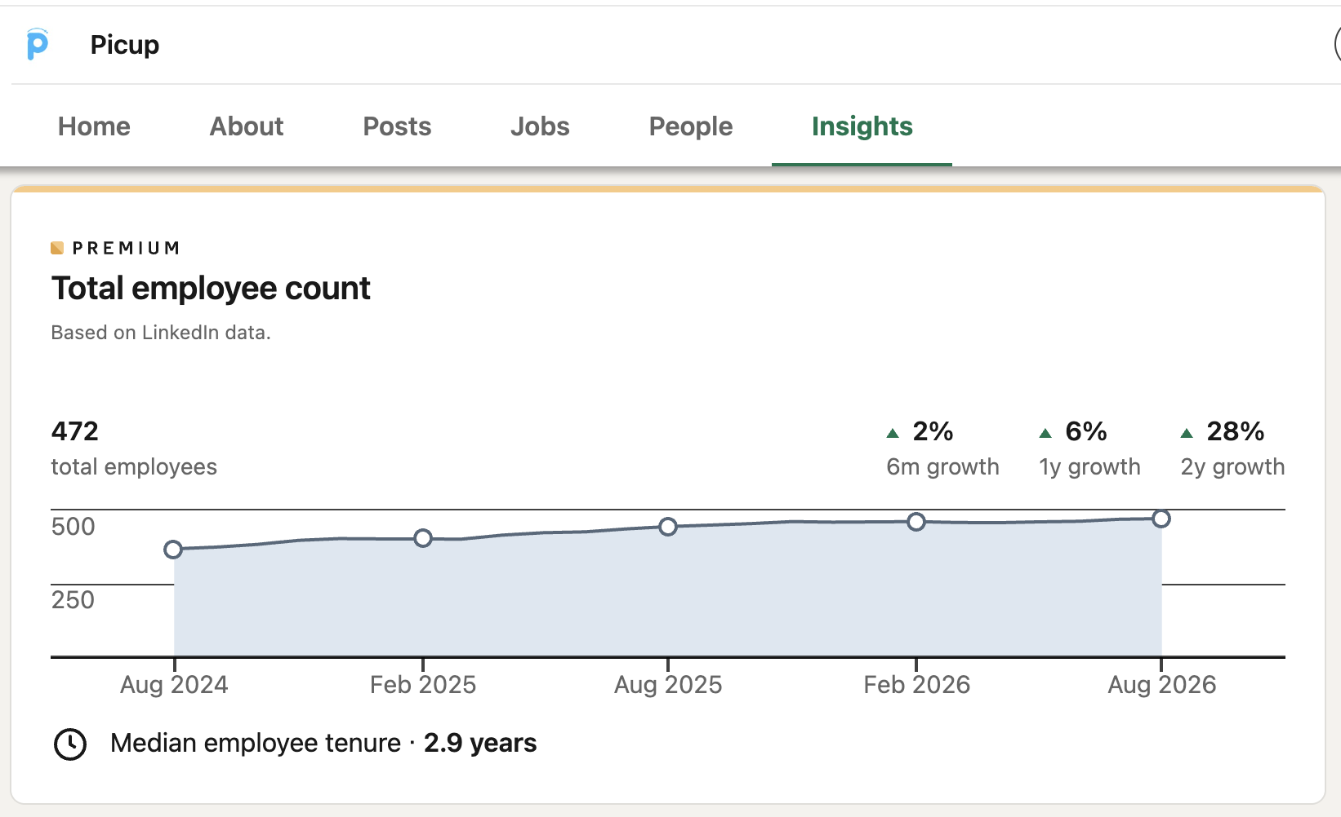
 |  |  |  |  |  |  |  | Intercept | -255.06516847 | 37.478654436 | -6.8056116824 | 0.0010432988193 | -351.40711679 | -158.72322015 | -351.40711679 | -158.72322015
 |  |  |  |  |  |  |  | X Variable 1 | 18.289537674 | 1.8273475154 | 10.008790074 | 0.00017022877496 | 13.592191343 | 22.986884004 | 13.592191343 | 22.986884004

 |  |  |  |  |  |  |  | Y = -255.07 + 18.29 × X

 |  |  |  |  |  |  |  | SUMMARY OUTPUT

 |  |  |  |  |  |  |  | Regression Statistics
 |  |  |  |  |  |  |  | Multiple R | 0.29665060178
 |  |  |  |  |  |  |  | R Square | 0.088001579539
 |  |  |  |  |  |  |  | Adjusted R Square | -0.094398104554
 |  |  |  |  |  |  |  | Standard Error | 17.684651432
 |  |  |  |  |  |  |  | Observations | 7

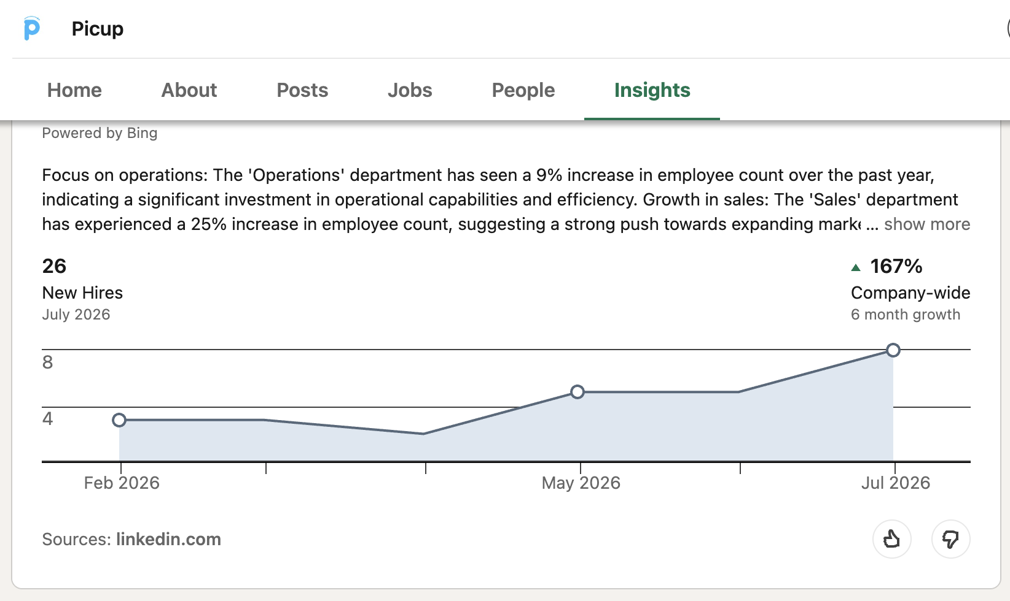
 |  |  |  |  |  |  |  | ANOVA
 |  |  |  |  |  |  |  |  | df | SS | MS | F | Significance F
 |  |  |  |  |  |  |  | Regression | 1 | 150.88963012 | 150.88963012 | 0.48246563571 | 0.51825386874
 |  |  |  |  |  |  |  | Residual | 5 | 1563.7344813 | 312.74689626
 |  |  |  |  |  |  |  | Total | 6 | 1714.6241114

 |  |  |  |  |  |  |  |  | Coefficients | Standard Error | t Stat | P-value | Lower 95% | Upper 95% | Lower 95.0% | Upper 95.0%
 |  |  |  |  |  |  |  | Intercept | -19.820907438 | 201.03417399 | -0.098594716732 | 0.92529076391 | -536.59570344 | 496.95388856 | -536.59570344 | 496.95388856
 |  |  |  |  |  |  |  | X Variable 1 | 2.3268413768 | 3.3499134399 | 0.69459746307 | 0.51825386874 | -6.2843852626 | 10.938068016 | -6.2843852626 | 10.938068016

research
Legend
Red highlight | Negative point
Blue highlight | Check if competitors also provide this
Green highlight | Positive point

* Founded in 2001 in South Africa as am SVR (Stolen Vehicle Recovery) service.
* Leading operational intelligence platform (OIP)
* Proprietary hardware and software
* Hardware is developed in-house. No outsourced manufacturing.
* Continues to develop software in fleet management, mobile asset tracking, workforce management, video solutions and logistics management.
* Distribution strategy >> Sold through independent licensees in Botswana, Malawi, Rwanda and Zimbabwe. They enter in franchise agreement and have exclusive geo licenses to market and sell solutions for a royalty.
* Royalty was only 0.1% of total revenue in 2026, 2025 and 2024.
* Lack of 3P dependence
* Platform collects, processes and analyzes data via two way communication with our proprietary harware or 3P devices in each vehicle or other assets.
* Provide customers solutions across vehicles, inclusing electric vehicles and other assets and to use our platform alone or in conjunction with the systems of OEM's or other 3P.

* Customers are defined at enetrprise or consumer level
* Subscribers are defined as each vehicle or asset we service

* OIP caters to all types of vehicle propulsion systems (internal combustion, hybrid, electric)
* Products and installations are insured by a number of insurers and motor vehicle manhufacturers.

Values of the Company
* Values - accountability, integrity, service orientation, relationships and an entrepreneurial mindset
* Startup culture

Team
* R&D centre in Singapore
* To provide leading service in installations, customer support and vehicle recovery >> Branch network of automotive technicians with rapid-response capabilities in 20+ countries. 1000+ mobile workshops to serve customers globally around-the-clock.

Technologies mentioned
* Data operations
* GSM
* Radio frequency
* Satellites
* LPWAN & V2X communications

Differentiation from competition
* Almost all our systems and prodcuts are proprietary >> leads to lower costs and greater flexibility to our customers without 3P lock-ins.
* Gamified driver scorecards
* Real time driver feedback

Benefits of using the product
* Video Telematics lowers driver distraction by 80%, rduce speed by 65%, increase seatbelt usage by 70% and reduce collisions by 60%, reduce accidents claims by 25%
* 39% of respondants mentioned reduced insurance premium
* AI-enabled real time feedback enables coaching of drivers to engage in behvaiour that lowers fuel consumption, reduces maintenance cost and improves on-road saftey.
* Increased workforce and asset productivity. Insight into key KPIs of asset and employee performance such as utilization, service intervals and billable hours.
* Technician comes to your place to fit the device. For other companies, you are suppose to go to a fitment centre.
* Route optimization. It's not just positioning itself as another tracker. If a driver deviates 5km from the decided route, it's caution the owner.
* Can detect theft.
* Fuel theft technology. Device in the fuel tank. Compare it with consumption rate.
* CarTrack has ability to absorb cost due to vertical integration. But main differentiation is pricing.
* Device is manufactured in China and brought into South Africa.
* Customer service >> People call regularly to make sure the device is working fine.

Industry Overview
* OEM telematics to grow from $96.3B in 2024 to $321.3B in 2032, CAGR of 16.3%
* 26% of commercial vehicles in South Africa were equipped with telematics devices in 2023.
* Fleet management system penetration rates in SE Asia and Europe in 2024 were 17.5% and 26.7%.

Future Growth Opportunity
* 2 wheelers. will grow at a CAGR of 12.3% between 2024 and 2029.
* New platforms - MiFleet > admin and vehicle cost accounting solution & Delivery > workforce management application such as stock control, electronic proof of delivery, invoiving, business intelligence, job dispatch, etc.
* Expand customer base
* Increase subscription sales with new features and capabilities.
* Expand geographic presence especially APAC
* "Evaluating further expansion in Europe"

Karoooo Logistics (Delivery-as-a-Service, formerly Picup)
* helps organizations improve delivery performance and enhance customer experiences and scale their operation with the capital light model.
* Platform supports wide range of logistics models > owned fleets, 3P carriers and crowd-sources delivery networks.

Asset Revovery (SVR)
* Outsources SVR assist vehicle owners, police and insurance companies with recovery of vehicles and other assets that have been stolen.
* Dedicated team of 3P rapid response recovery agents.

Consumer Application in Souther Africa - Protector
* Saftey package for all consumer vehicles. Following the installation of Cartrack telematics device, consumers can access diverse set of software features and benefits.
* Mobile app for real time movement management and communication
* Asset recovery
* Ambulance assist
* Crash alert and ignition alert system

Car Watch > mobile application that allows users to track and watchtheir vehicles from a distance

Cartrack Tag > Wireless asset tag that extends OIP to any mobile asset in South Africa, offers asset tracking, in areas with limited or no cellular connectivity.

Customers
South Africa: Dis-Chem, Kennings Car Van and Truck Hire, Lancet, MAN South Africa, Pick n Pay, SA Taxi Mobalyz, Spartan, Swissport, The Courier Guy, The Woodford Group.
Africa: AIDS Healthcare Foundation, BCI, British American Tobacco, ENHL-Bonatti, Gemfields Group, Handling, Mantrac, NCBA Kenya, Ryce Leasing, Stanbic Bank, Transortes Carlos Mesquita
Europe: Eurocash, Grupo Visabeira, Jeronimo Martins, Petit Forestier, Telefurgo, Zabka
APAC and Middle East: Al Marwan, Asia Brewery, Coca-Cola, DHL, Diag Farms, GetGo, KINTO, Ley Choon, Lootah, Lumens, Toyota Mobility Solutions.
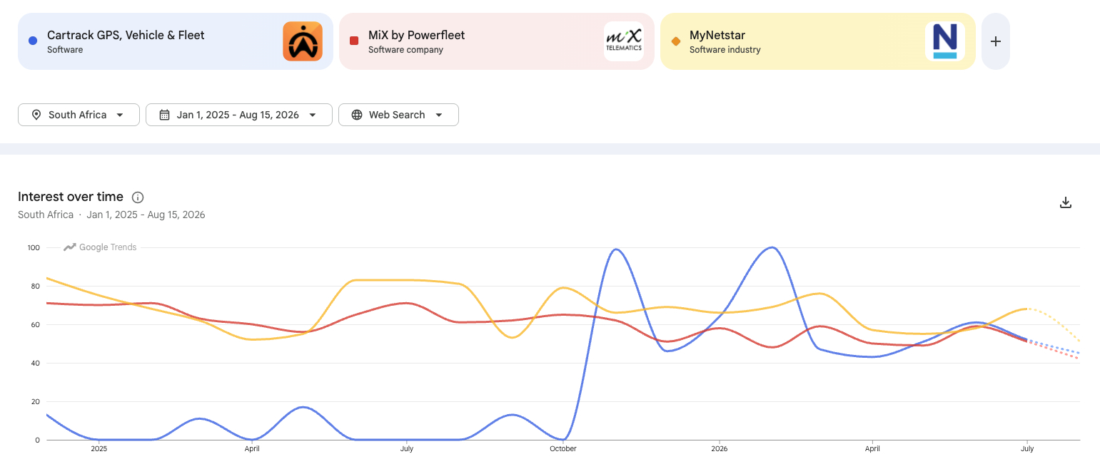

Competitors in South Africa
* MiX Telematics
* Tracker
* Netstar

2025 April
* Expert mentioned Tracker being a market leader
* Tracker would have 50% market share
* CarTrack will have 40%. Others sharing 10%

2025 November
* Tracker is losing market share

*Founder has been selling shares for the past 12 months. Down from 17.8M shares to 17.2M.
* Culture of fear. Highly top-down culture with limited upward communication
* Karooo relies on a legacy, in-house private cloud infrastructure that presents scalability and cost concerns compared to modern public cloud alternatives. (April 2023)
* Company started shifting to modern tech stack

Karooo Ligistics (DaaS), fka Picup
*Picup’s clients include PnP asap!, Dischem, Nando’s, McDonald’s, Absolute Pets, OneCart and iStore.

Pick n Pay / PnP asap!
Dis-Chem
Clicks
Nando's
McDonald's
Absolute Pets
OneCart
iStore
Bash

Karooo acquired Picup Technologies in 2021
Platinum Promotions is the name of the manufacturer of Picup's uniforms/vests.

Variant View
* Sell-side is only focusing on subscriber growth. Which is 85% of the business, but no reports have covered "delivery-as-a-service" segment which is the fastest growing segment as mentioned by the company in its 27Q1 earnings

Anirudh Krishna works in Samsara

