main
Income Statement | 23Q1 | 23Q2 | 23Q3 | 23Q4 | 24Q1 | 24Q2 | 24Q3 | 24Q4 | FY24 | 25Q1 | 25Q2 | 25Q3 | 25Q4 | FY25 | 26Q1 | 26Q2 | 26Q3 | 26Q4 | FY26 | 27Q1E | 27Q2E | 27Q3E | 27Q4E | FY27E | 28Q1E | 28Q2E | 28Q3E | 28Q4E
Quarter Ended |  |  |  |  | 2023-06-30 | 2023-09-30 | 2023-12-31 | 2024-03-31 | 2024-03-31 | 2024-06-30 | 2024-09-30 | 2024-12-31 | 2025-03-31 | 2025-03-31 | 2025-06-30 | 2025-09-30 | 2025-12-31 | 2026-03-31 | 2026-03-31
Earnings Rep Date (PDF linked) |  |  |  |  | 2026-08-10 |  |  |  | 0 |  | 2024-10-28 | 2025-01-29 | 2025-05-07 | 2025-05-07 | 2025-07-28 | 2025-10-28 | 2026-01-28 | 2026-05-07 | 2026-05-07
# of days |  |  |  |  |  | 93 | 93 | 92 | 1900-04-01 | 92 | 93 | 93 | 91 | 1900-03-31 | 92 | 93 | 93 | 91 | 1900-03-31

(in Rs. Lakhs)
Segment Revenue
Consumer |  |  |  |  | 4284.91 | 4527.79 | 4941.75 | 4913.3 | 18667.75 | 5046.26 | 5562.29 | 6799.12 | 6364.19 | 23771.86 | 6638.16 | 6364.19 | 8631.47 | 7938.95 | 29572.77 |  |  |  |  | 0 |  |  |  |  | Consumer | 32.80% | 32.54% | 30.59% | 32.91% | 32.30% | 35.24% | 33.59% | 33.44% | 33.59% | 37.80% | 35.96%
MAUs (Lakhs) |  |  |  |  |  |  |  |  |  |  |  | 490 | 440 |  | 440 | 524
ARPU (Rs.) |  |  |  |  |  |  |  |  |  |  |  | 13.88 | 14.46 |  | 15.09 | 12.15
# Listings
RPL (Revenue per Listing)
Remarketing |  |  |  |  | 4332.34 | 5191.15 | 4599.86 | 5276.68 | 19400.03 | 4406.44 | 5104.65 | 5857.88 | 5869.1 | 21238.07 | 5939.57 | 5869.1 | 6563.1 | 7166.39 | 25538.16 |  |  |  |  | 0 |  |  |  |  | Remarketing | 37.61% | 30.29% | 32.85% | 28.73% | 29.64% | 30.36% | 30.98% | 29.92% | 30.98% | 28.74% | 32.46%
Classifieds |  |  |  |  |  | 2294.4 | 4309.62 | 4341.85 | 10945.87 | 4702.22 | 4762.49 | 4977.34 | 4771.01 | 19213.06 | 4814.33 | 4771.01 | 5877.25 | 5512.35 | 20974.94 |  |  |  |  | 0 |  |  |  |  | OLX | 16.62% | 28.38% | 27.03% | 30.66% | 27.65% | 25.80% | 25.18% | 24.25% | 25.18% | 25.74% | 24.97%
(-) Intersegment Eliminiations |  |  |  |  | -10.28 | -12.21 | 7.58 | -4.12 | -19.03 | -3.05 | -8.49 | -12.8 | -52.92 | -77.26 | -88.09 | -52.92 | -104.64 | -303.38 | -549.03 |  |  |  |  | 0
Revenue from Ops |  |  |  |  | 8606.97 | 12001.13 | 13858.81 | 14527.71 | 48994.62 | 14151.87 | 15420.94 | 17621.54 | 16951.38 | 64145.73 | 17303.97 | 16951.38 | 20967.18 | 20314.31 | 75536.84 |  |  |  |  | 0
Other Revenue |  |  |  |  | 2084.37 | 1801.94 | 1327 | 1533.59 | 6746.9 | 1183.09 | 1801.94 | 1672.68 | 1994.75 | 6652.46 | 2546.11 | 1994.75 | 1870.1 | 1760.87 | 8171.83 |  |  |  |  | 0
Total Revenue |  |  |  |  | 10691.34 | 13803.07 | 15185.81 | 16061.30 | 55741.52 | 15334.96 | 17222.88 | 19294.22 | 18946.13 | 70798.19 | 19850.08 | 18946.13 | 22837.28 | 22075.18 | 83708.67 |  |  |  |  | 0

Revenue YY Calculations

Total Expense
Employee Cost |  |  |  |  | 0 | 0 | 0 | 0 |  | 0 | 0 | 0 | 7035.74 |  | 0 | 0 | 7573.83 | 7767.67 |  | 7156.6441 | 0 | 0 | 7702.9936 |  | 7899.92385 | 7279.6691215 | 0 | 0
Consumer |  |  |  |  |  |  |  |  |  |  |  |  | 3073.6 |  |  |  | 3111.23 | 3147.76 |  | 3135.072 | 0 | 0 | 3173.4546 |  | 3210.7152 | 3197.77344 | 0 | 0
Remarketing |  |  |  |  |  |  |  |  |  |  |  |  | 2437.75 |  |  |  | 2527.22 | 2839.41 |  | 2474.31625 | 0 | 0 | 2565.1283 |  | 2882.00115 | 2511.4309937 | 0 | 0
Classifieds |  |  |  |  |  |  |  |  |  |  |  |  | 1524.39 |  |  |  | 1935.38 | 1780.5 |  | 1547.25585 | 0 | 0 | 1964.4107 |  | 1807.2075 | 1570.4646877 | 0 | 0
Marketing |  |  |  |  | 0 | 0 | 0 | 0 |  | 0 | 0 | 0 | 762.75 |  | 0 | 0 | 777.74 | 803.92
Consumer |  |  |  |  |  |  |  |  |  |  |  |  | 762.75 |  |  |  | 777.74 | 803.92
Remarketing
Classifieds
Other exp |  |  |  |  | 0 | 0 | 0 | 0 |  | 0 | 0 | 0 | 4607.88 |  | 0 | 0 | 4894.85 | 4889.79 |  | 4527.59
Consumer |  |  |  |  |  |  |  |  |  |  |  |  | 713.93 |  |  |  | 1072.25 | 868.57
Remarketing |  |  |  |  |  |  |  |  |  |  |  |  | 2013.58 |  |  |  | 2081.44 | 2119
Classifieds |  |  |  |  |  |  |  |  |  |  |  |  | 1880.37 |  |  |  | 1741.16 | 1902.22
Total Expense |  |  |  |  | 0.00 | 0.00 | 0.00 | 0.00 |  | 0.00 | 0.00 | 0.00 | 12406.37 |  | 0.00 | 0.00 | 13246.42 | 13461.38

EBITDA (exl. other income) |  |  |  |  |  |  |  |  |  |  |  |  | 4,545.01 |  |  |  | 7,720.76 | 6,852.93
EBITDA Margin % |  |  |  |  |  |  |  |  |  |  |  |  | 26.81% |  |  |  | 36.82% | 33.73%

research
 | Price | ₹ 1,730.00
 | Shares Outstanding | 47,930,000
 | MC (Rs Lakhs) | 829,189
 | Cash (Rs Lakhs) | 4120.8 | < Cash + Bank Balance
 | Debt (Rs Lakhs) | 14042.94 | < Lease Liabilitie (Current & non-current)
 | EV (Rs. Lakhs) | 839,111 | 8.3K Cr

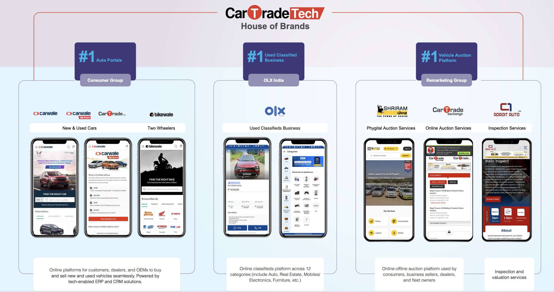
26Q4 Earnings Call
Company is building a fintech product for used-products
GST tax reduction > optimism in vehicle sales
OEM breakup - 70%/30%, 30% dealer
CarTrade laucnhes AI Transaction Tool - SuperDost
SuperDost works on WhatsApp for Dealer and Consumer
CEO talks too much about "matchmaking"
x6 buyers over sellers at OLX
Seasonality in Oct and Dec
Q4 Auction Listing - 1.7m & Q4 Auction Volume - 3lakhs
ROE 10% has been in question. Too much excess cash. No M&A in the near future to deploy the cash
CarTrade Finance pvt ltd (CTF) yet to start its activities during the year under review.

To Dos
Build driver tree for each segment
Build KPI sheet
Create a variant view sheet
Build Sensitivity Analysis sheet
Build comp sheet

