Sheet1
Refer controller FileUploadController.java

It will read the uploaded file and capture file elements in the MeetingRequest and MeetingSchedule objects

Later Sort the Meeting Detail list by Request date and Request time.
Then sort with Meeting Schedule Data and Time

Use postman to send request as below
http://localhost:8080/fileUplaodApp/fileUpload

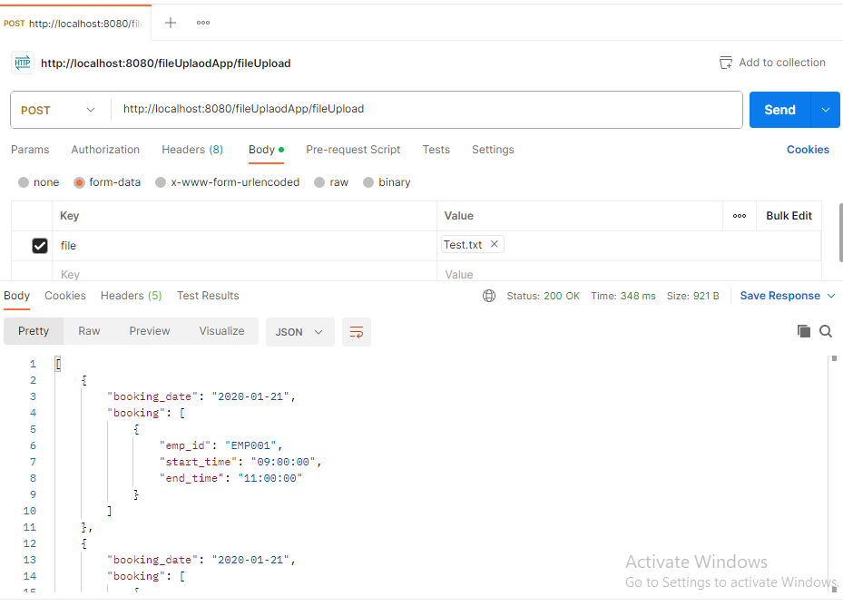

Response

[
{
"booking_date": "2020-01-21",
"booking": [
{
"emp_id": "EMP001",
"start_time": "09:00:00",
"end_time": "11:00:00"
}
]
},
{
"booking_date": "2020-01-21",
"booking": [
{
"emp_id": "EMP002",
"start_time": "09:00:00",
"end_time": "11:00:00"
}
]
},
{
"booking_date": "2020-01-21",
"booking": [
{
"emp_id": "EMP005",
"start_time": "16:00:00",
"end_time": "19:00:00"
}
]
},
{
"booking_date": "2020-01-22",
"booking": [
{
"emp_id": "EMP003",
"start_time": "14:00:00",
"end_time": "16:00:00"
}
]
},
{
"booking_date": "2020-01-22",
"booking": [
{
"emp_id": "EMP004",
"start_time": "16:00:00",
"end_time": "17:00:00"
}
]
},
{
"booking_date": "2020-01-23",
"booking": [
{
"emp_id": "EMP007",
"start_time": "15:00:00",
"end_time": "17:00:00"
}
]
},
{
"booking_date": "2020-01-23",
"booking": [
{
"emp_id": "EMP006",
"start_time": "16:00:00",
"end_time": "17:00:00"
}
]
}
]

