All Parts
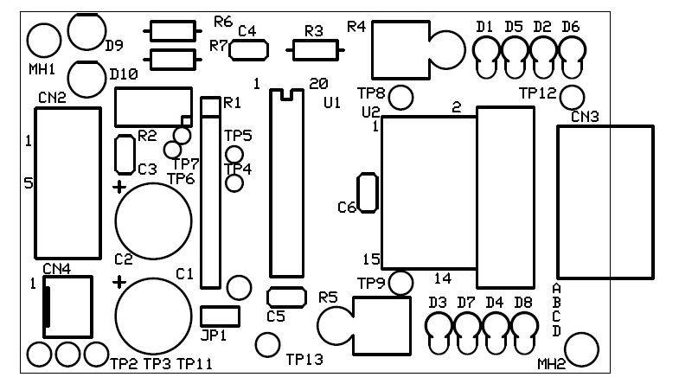
Board | Part Ref | Value | Qty | Procured? | Remarks
PS | C1 | 100u | 1 | No
PS | C2 | 100u | 1 | No
PS | C3 | 100n | 1 | Yes
PS | C4 | 100n | 1 | Yes
PS | CN1 | 3 pin | 1 | Yes
PS | CN2 | 3 pin | 1 | No
PS | CN3 | 3 pin | 1 | No
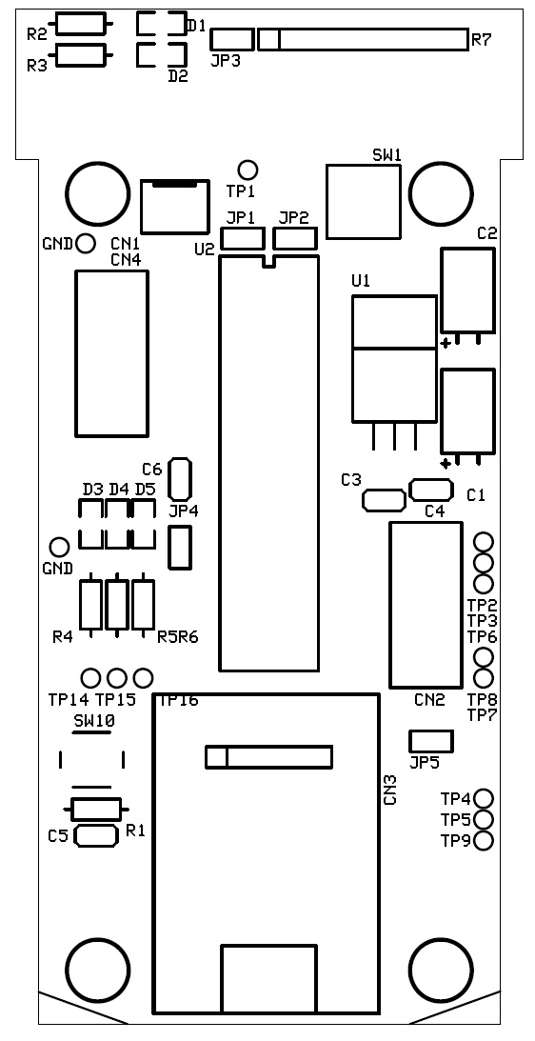
PS | CN4 | 3 pin | 1 | No
PS | D1 | Red LED | 1 | Yes
PS | D2 | Red LED | 1 | Yes
PS | R1 | 1.1k | 1 | Yes
PS | R2 | 470 | 1 | Yes
PS | SW1 | DPDT | 1 | Yes
PS | TP1 | NA | 1 | Yes
PS | TP2 | NA | 1 | Yes
PS | TP3 | NA | 1 | Yes
PS | TP4 | NA | 1 | Yes
PS | U1 | LM7805 | 1 | Yes
Control | C1 | 100u | 1 | Yes
Control | C2 | 100u | 1 | Yes
Control | C3 | 100n | 1 | Yes
Control | C4 | 100n | 1 | Yes
Control | C5 | 100n | 1 | Yes
Control | C6 | 100n | 1 | Yes
Control | CN1 | 3 pin | 1 | No
Control | CN2 | FRC 10 pin | 1 | No
Control | CN3 | Serial Comm | 1 | Yes
Control | CN4 | FRC 10 pin | 1 | No
Control | D1 | Red LED SMD | 1 | Yes
Control | D2 | Red LED SMD | 1 | Yes
Control | D3 | Red LED SMD | 1 | Yes
Control | D4 | Red LED SMD | 1 | Yes
Control | D5 | Red LED SMD | 1 | Yes
Control | D6 | Red LED SMD | 1 | Yes
Control | D7 | Red LED SMD | 1 | Yes
Control | D8 | Red LED SMD | 1 | Yes
Control | D9 | Red LED SMD | 1 | Yes
Control | D10 | Red LED SMD | 1 | Yes
Control | D11 | Red LED SMD | 1 | Yes
Control | D12 | Red LED SMD | 1 | Yes
Control | D13 | Red LED SMD | 1 | Yes
Control | JP1 | 2 pin JP | 1 | Yes
Control | JP2 | 2 pin JP | 1 | Yes
Control | JP3 | 2 pin JP | 1 | Yes
Control | JP4 | 2 pin JP | 1 | Yes
Control | JP5 | 2 pin JP | 1 | Yes
Control | R1 | 10k | 1 | Yes
Control | R2 | 1.1k | 1 | Yes
Control | R3 | 470 | 1 | Yes
Control | R4 | 470 | 1 | Yes
Control | R5 | 470 | 1 | Yes
Control | R6 | 470 | 1 | Yes
Control | R7 | 1.1k R bank 10 pin | 1 | No
Control | SW1 | DPDT | 1 | Yes
Control | SW2 | Up | 1 | Yes
Control | SW3 | Down | 1 | Yes
Control | SW4 | Left | 1 | Yes
Control | SW5 | Right | 1 | Yes
Control | SW6 | Zero | 1 | Yes
Control | SW7 | Speed | 1 | Yes
Control | SW8 | TBD1 | 1 | Yes
Control | SW9 | TBD2 | 1 | Yes
Control | SW10 | Reset | 1 | Yes
Control | TP1 | NA | 1 | Yes
Control | TP2 | NA | 1 | Yes
Control | TP3 | NA | 1 | Yes
Control | TP4 | NA | 1 | Yes
Control | TP5 | NA | 1 | Yes
Control | TP6 | NA | 1 | Yes
Control | TP7 | NA | 1 | Yes
Control | TP8 | NA | 1 | Yes
Control | TP9 | NA | 1 | Yes
Control | TP14 | NA | 1 | Yes
Control | TP15 | NA | 1 | Yes
Control | TP16 | NA | 1 | Yes
Control | U1 | LM7805 | 1 | Yes
Control | U2 | ATMEGA16L | 1 | Yes
Driver | C1 | 100u | 2 | No
Driver | C2 | 100u | 2 | No
Driver | C3 | 100n | 2 | No
Driver | C4 | 3n3 | 2 | No
Driver | C5 | 100n | 2 | No
Driver | C6 | 100n | 2 | No
Driver | CN2 | FRC 10 pin | 2 | No
Driver | CN3 | Screw in 4 pin | 2 | Yes
Driver | CN4 | 3 pin | 2 | No
Driver | D1 | 1N4001 | 2 | No
Driver | D2 | 1N4001 | 2 | No
Driver | D3 | 1N4001 | 2 | No
Driver | D4 | 1N4001 | 2 | No
Driver | D5 | 1N4001 | 2 | No
Driver | D6 | 1N4001 | 2 | No
Driver | D7 | 1N4001 | 2 | No
Driver | D8 | 1N4001 | 2 | No
Driver | D9 | Red LED | 2 | Yes
Driver | D10 | Red LED | 2 | Yes
Driver | JP1 | 2 pin JP | 2 | No
Driver | R1 | 10k | 2 | Yes
Driver | R2 | 10k | 2 | No
Driver | R3 | 22k | 2 | No
Driver | R4 | 0E47 3W | 2 | No
Driver | R5 | 0E47 3W | 2 | No
Driver | R6 | 1.1k | 2 | Yes
Driver | R7 | 470 | 2 | Yes
Driver | TP2 | NA | 2 | Yes
Driver | TP3 | NA | 2 | Yes
Driver | TP4 | NA | 2 | Yes
Driver | TP5 | NA | 2 | Yes
Driver | TP6 | NA | 2 | Yes
Driver | TP7 | NA | 2 | Yes
Driver | TP8 | NA | 2 | Yes
Driver | TP9 | NA | 2 | Yes
Driver | TP10 | NA | 2 | Yes
Driver | TP11 | NA | 2 | Yes
Driver | TP12 | NA | 2 | Yes
Driver | TP13 | NA | 2 | Yes
Driver | U1 | L297 | 2 | No
Driver | U2 | L298 | 2 | Yes
Misc | FRC cable | 10 pin | 1.5m | No
Misc | FRC connector | female | 6 | No
Misc | Red wire | 2 Amp | 1.5m | No
Misc | Black wire | 2 Amp | 1.5m | No
Misc | Silica rubber | 15cm x 15cm | <- | No
Misc | Sleeves | for wire | 15 cm | No
Misc | Sleeves | for shaft (6mm) | 15 cm | No
Misc | Castor wheel | AsmAP | 5 | No
Misc | Burg strip | female | 1 | No
Misc | Spacer studs | for board (AsAP) | 12 | No
Misc | Spacer studs | for mount (53.5mm) | 10 | No
Misc | IC base | 20 pin | 3 | No

