Motor_Details
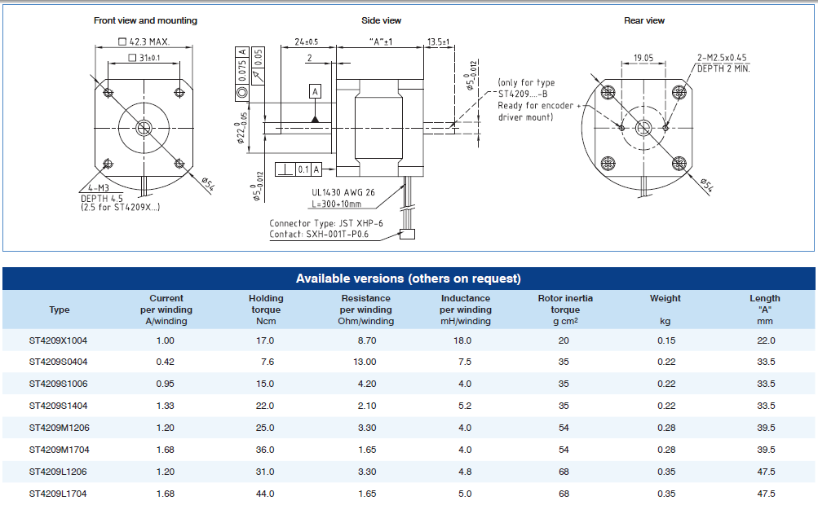
A | 47
B | 42

L | 47 | inner | Motor frame H
H | 42 | inner
h | 21
Wf | 72
Wb | 42 | step down at half len
 |  |  |  |  | h |  | H

 |  |  |  |  |  | Wb

 |  |  |  |  |  |  |  | L

 |  |  |  | Wf

Bearing_Housing
 |  |  |  |  | Thick | 5.6

Hole 1 : φ D1
Hole 2 : φ D2
Base
 |  | l |  |  | Bearing Housing 1 - Horizontal - v0.1 |  |  |  | Bearing Housing 1 - Horizontal - v0.6
 |  |  |  |  | Parameter |  | L |  | Parameter | L | W | H | l | w | h | a | φ D1 | φ D2
 |  |  |  |  | Main Dependency |  | Worm L & Wheel D |  | Main Dependency | Worm L & Wheel D | Wheel + Worm D | Worm D & Motor CL | Wheel R | Wheel R | Worm R & Motor CL | Worm R | Wheel S D | Worm S D

 |  |  |  |  | Actual (GS1) |  | 43 |  | Actual (GS1) | 43 | 63 | 42 | 21.5 | 21.5 | 21 | 10 | 12 | 12
 |  |  |  | H | Gap(each side) |  | 3 |  | Gap(each side) | 3 | 3 | 0 | 3 | 3 | 0 | 2 | 8 | 8
 |  |  |  |  | Act + Gap |  | 49 |  | Act + Gap | 49 | 69 | 42 | 24.5 | 24.5 | 21 | 15 | 28 | 28
 |  |  |  |  | Outer |  | 60.2 |  | Outer | 60.2 | 80.2 | 53.2 | - | - | - | - | - | -
 |  |  |  |  |  |  |  |  |  |  | 69 | 26.6 |  | 24.5 |  | 15 |  | 29.5
 |  |  | h |  |  |  |  | 0 |  |  |  |  |  |  |  |  |  | 29.5 | 0
 |  |  |  |  | Bearing Housing 2 - Vertical
a |  |  |  |  | Parameter |  | L
 |  |  |  |  | Main Dependency |  | Worm D
 |  |  |  | w
 |  |  |  |  | Value 1
 |  |  |  | W | Value 2
Y
X
Z
 |  |  |  |  | Value 3
 | L |  |  |  | Value 4

Front

 |  |  |  | All dimensions in mm | "D" means gear shaft φ including it's bearing φ (OD)

BH1_v0.6
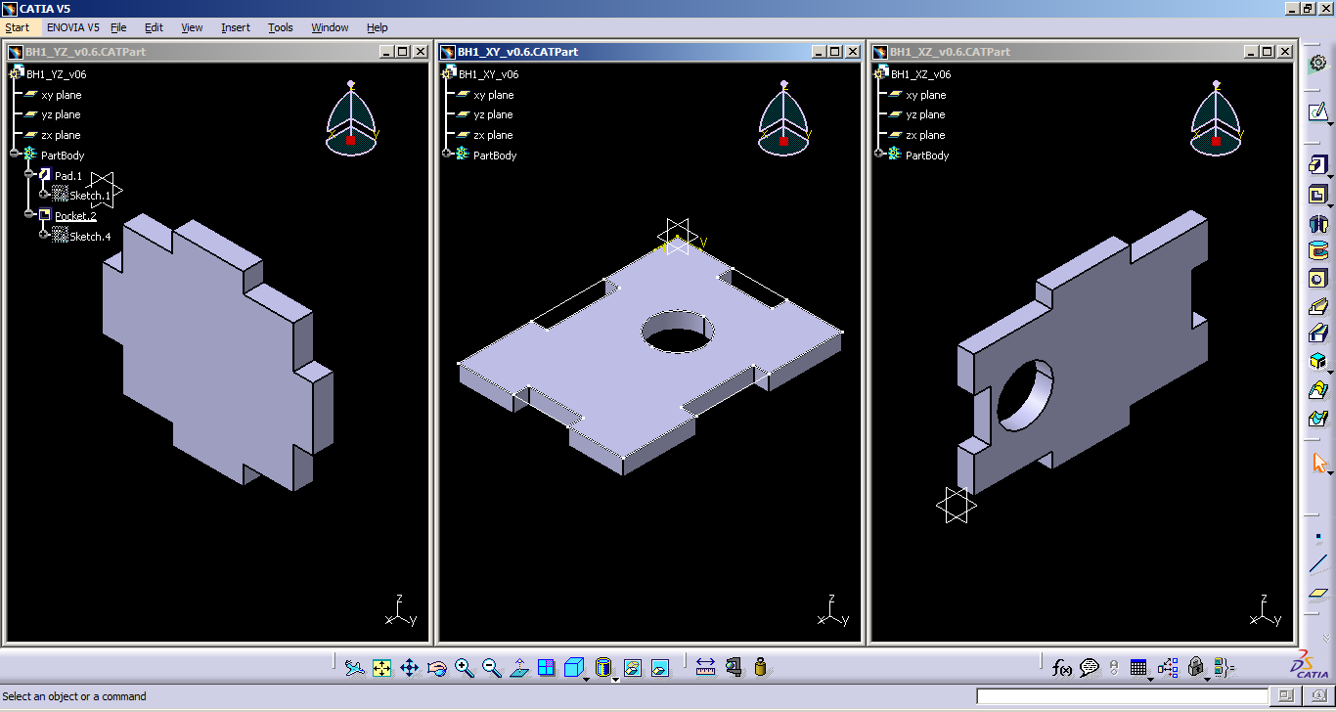
check for V0.6

 | 14.367 |  | 14.367 |  | 12.033 |  | 12.033
 | 5.6 |  | 5.6 |  | 5.6 |  | 5.6
YZ - Y | 19.967 | 20.267 | 19.967 | YZ - Z | 17.633 | 17.933 | 17.633 | XY - X | 26.833 | 26.533 | 26.833

 |  |  |  |  | 12.233 |  | 12.233
 |  |  |  |  | 5.6 |  | 5.6
XY - Y | 20.167 | 19.867 | 20.167 | XZ - Z | 17.833 | 17.533 | 17.833 | XZ - X | 26.633 | 26.933 | 26.633

delta | -0.2 | 0.4 | -0.2 |  | -0.2 | 0.4 | -0.2 |  | 0.2 | -0.4 | 0.2

Base_plate
Base plate dimensions

Ro
Pt
Ro | 150
Rh | 7
Rp | 145
Bl | ref
Pwi
Bw | ref
Pwi | 15
Boh
Pwo | 25
Pho | 70 | tbd
Pt | 6
Pcw | 5
Boh | TBD
Rh
Bov | TBD

Bov

Bw
Pcw
Pt
Rp
Bl

Pho
Pwo

