Sheet1
Sl. No | Part Number | Part Model | Description | Material in Drawing | Material Considered | Treatment/Color | Qty / Assy | Material Rate / kg | Length | Width | Thickness | Blank Weight | Part Weight (if required) | Scrap Weight (if required) | Cutting time | Cutting Length | No. of Bend | Fasteners | Fasteners Qty | Fasteners Cost | Welding | Drilling | Tapping | CSK | Hot Dip Galvanizing | Primer | Shot Blasting | Polishing | Plating | Powder Coating | Foam | Soft Anodize | Area in Sq.in | Are in Sq.ft | Remarks | Material Cost | Cutting Cost | Bending Cost | Drilling / Tapping Cost | Welding Cost | Machining Cost | Hot Dip Galvanizing | Primer | Shot Blasting | Polishing | Plating | Powder Coating | Foam | Soft Anodize | Total Process Cost | BO COST/FASTNERS | Material Cost + Total Process Cost + Other | Sub Total 1 | Rejection | OH Profit | Inspection & Packing % | Transportation % | Unit Product Price in INR | Exchange Rate USD | Exchange Rate EURO | Unit Product Price in USD | Unit Product Price in EURO | Unit Product Price in INR | Tool Cost | Unit Product Price + Tool Cost
1 | MK0102080D |  | Dust Collecting Duct KIT |  |  |  | 1 | 85.00 | 0 | 0 | 0 | 0.00 | 0 | 0.00 | 0 | 0 | 0 | 0 | 0 | 0 | 0 | 0 | 0 | 0 | 0 | 0 | 0 | 0 | 0 | 0 | 0 | 0 | 0.00 | 0.00 |  | 0.00 | 0.00 | 0.00 | 0.00 | 0 |  | 0 | 0 | 0 | 0.00 |  | 0.0 | 0.0 | 0.0 | 0.0 | 0.0 | 0.0 | 0.0 |  | - | - | - | ₹ - | 95.00 | 105.00 | $- | € - | ₹ 14,722.96
1.1 | DAA0547--- | 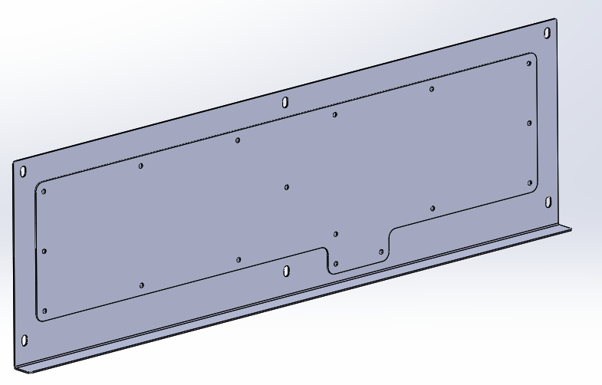 | Duct_Cover_1 | SPHC | MS-IS513 | COL TEN TEXTURE | 1 | 85.00 | 0 | 0 | 0 | 0.00 | 0 | 0.00 | 0 | 0 | 0 | 0 | 0 | 0 | 1 | 0 | 0 | 0 | 0 | 0 | 0 | 0 | 0 | 1 | 0 | 0 | 0.00 | 0.00 |  | 0.00 | 0.00 | 0.00 | 0.00 | 0 |  | 0 | 0 | 0 | 0.00 |  | 0.0 | 0.0 | 0.0 | 0.0 | 0.0 | 0.0 | 0.0 |  | - | - | - | ₹ - | 95.00 | 105.00 | $- | € -
1.1.1 |  |  |  | SPHC | MS-IS513 | COL TEN TEXTURE | 1 | 85.00 | 850 | 285.5 | 1.6 | 3.05 | 3 | 0.05 | 20 | 0 | 1 | 0 | 0 | 0 | 1 | 0 | 0 | 0 | 0 | 0 | 0 | 0 | 0 | 1 | 0 | 0 | 752.48 | 5.23 |  | 257.83 | 11.00 | 15.00 | 0.00 | 105 |  | 0 | 0 | 0 | 0.00 |  | 182.9 | 0.0 | 0.0 | 313.9 | 0.0 | 571.7 | 571.7 |  | 114.35 | 28.59 | 28.59 | ₹ 743.24 | 95.00 | 105.00 | $7.82 | € 7.08
1.1.2 |  |  |  | SPHC | MS-IS513 | COL TEN TEXTURE | 1 | 85.00 | 784 | 205 | 1.6 | 2.02 | 1.8 | 0.22 | 15 | 0 | 0 | 0 | 0 | 0 | 1 | 0 | 0 | 0 | 0 | 0 | 0 | 0 | 0 | 1 | 0 | 0 | 498.36 | 3.46 |  | 165.90 | 8.25 | 0.00 | 0.00 | 63 |  | 0 | 0 | 0 | 0.00 |  | 121.1 | 0.0 | 0.0 | 192.4 | 0.0 | 358.3 | 358.3 |  | 71.66 | 17.91 | 17.91 | ₹ 465.76 | 95.00 | 105.00 | $4.90 | € 4.44
1.2 | DA91687--A | 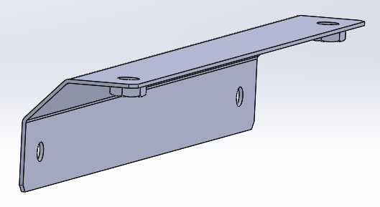 | F-UN Cover Bracket | SPHC | MS-IS513 | BLACK PRIMER | 1 | 85.00 | 300 | 103.2 | 1.6 | 0.39 | 0.3 | 0.09 | 10 | 0 | 2 | M6 WELD NUT | 2 | 4 | 1 | 0 | 0 | 0 | 0 | 0 | 0 | 0 | 0 | 1 | 0 | 0 | 96.00 | 0.67 |  | 30.74 | 5.50 | 30.00 | 0.00 | 10.5 |  | 0 | 0 | 0 | 0.00 |  | 23.3 | 0.0 | 0.0 | 69.3 | 8.0 | 108.1 | 108.1 |  | 21.62 | 5.40 | 5.40 | ₹ 140.50 | 95.00 | 105.00 | $1.48 | € 1.34
1.3 | DAA0341--B | 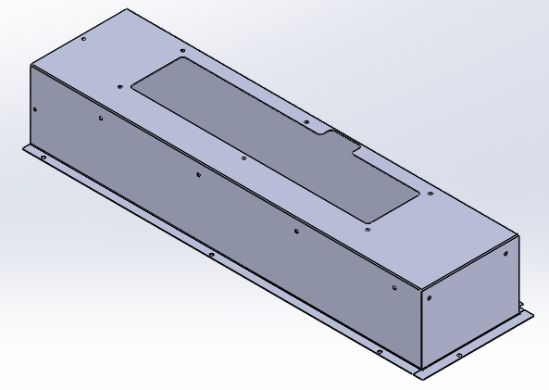 | Duct 1 | SPHC | MS-IS513 | COL TEN TEXTURE | 1 | 85.00 | 1532.2 | 824.5 | 1.6 | 15.87 | 13.9 | 1.97 | 67 | 0 | 6 | M6 WELD NUT | 12 | 4 | 1 | 0 | 0 | 0 | 0 | 0 | 0 | 0 | 0 | 1 | 0 | 0 | 3917.21 | 27.20 |  | 1297.56 | 36.85 | 90.00 | 0.00 | 486.5 |  | 0 | 0 | 0 | 0.00 |  | 952.1 | 0.0 | 0.0 | 1565.4 | 48.0 | 2911.0 | 2911.0 |  | 582.20 | 145.55 | 145.55 | ₹ 3,784.30 | 95.00 | 105.00 | $39.83 | € 36.04
1.4 | DAA0342--B | 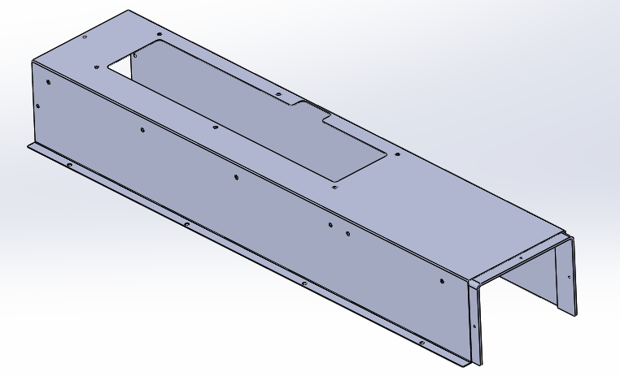 | Duct 2 | SPHC | MS-IS513 | COL TEN TEXTURE | 1 | 85.00 | 1495 | 839.6 | 1.6 | 15.77 | 15.4 | 0.37 | 58 | 0 | 4 | M6 WELD NUT | 12 | 4 | 1 | 0 | 0 | 0 | 0 | 0 | 0 | 0 | 0 | 1 | 0 | 0 | 3892.10 | 27.03 |  | 1330.55 | 31.90 | 60.00 | 0.00 | 539 |  | 0 | 0 | 0 | 0.00 |  | 946.0 | 0.0 | 0.0 | 1576.9 | 48.0 | 2955.5 | 2955.5 |  | 591.09 | 147.77 | 147.77 | ₹ 3,842.09 | 95.00 | 105.00 | $40.44 | € 36.59
1.4.1 |  |  |  | SS400 | MS-IS2062 | COL TEN TEXTURE | 1 | 85.00 | 756.5 | 70 | 6 | 2.49 | 2.49 | 0.00 | 18 | 0 | 2 | 0 | 0 | 0 | 1 | 0 | 0 | 0 | 0 | 0 | 0 | 0 | 0 | 1 | 0 | 0 | 164.20 | 1.14 |  | 211.90 | 9.90 | 30.00 | 0.00 | 87.15 |  | 0 | 0 | 0 | 0.00 |  | 39.9 | 0.0 | 0.0 | 167.0 | 0.0 | 378.9 | 378.9 |  | 75.77 | 18.94 | 18.94 | ₹ 492.51 | 95.00 | 105.00 | $5.18 | € 4.69
1.5 | DAA0343--B | 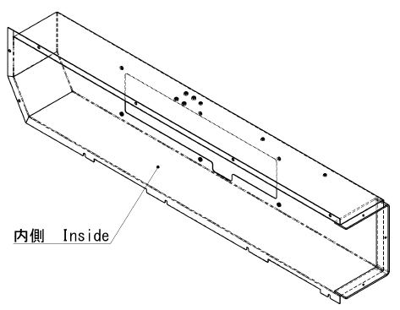 | Duct 3 | SPHC | MS-IS513 | COL TEN TEXTURE | 1 | 85.00 | 1942.2 | 834.5 | 1.6 | 20.36 | 18.5 | 1.86 | 62 | 0 | 4 | M6 WELD NUT | 9 | 4 | 1 | 0 | 0 | 0 | 0 | 0 | 0 | 0 | 0 | 1 | 0 | 0 | 5025.63 | 34.90 |  | 1682.05 | 34.10 | 60.00 | 0.00 | 647.5 |  | 0 | 0 | 0 | 0.00 |  | 1221.5 | 0.0 | 0.0 | 1963.1 | 36.0 | 3681.2 | 3681.2 |  | 736.23 | 184.06 | 184.06 | ₹ 4,785.51 | 95.00 | 105.00 | $50.37 | € 45.58
1.5.1 |  |  |  | SS400 | MS-IS2062 | COL TEN TEXTURE | 1 | 85.00 | 747.5 | 70 | 6 | 2.46 | 2.46 | 0.00 | 18 | 0 |  | M8 WELD NUT | 4 | 4 | 1 | 0 | 0 | 0 | 0 | 0 | 0 | 0 | 0 | 1 | 0 | 0 | 162.25 | 1.13 |  | 209.37 | 9.90 | 0.00 | 0.00 | 86.1 |  | 0 | 0 | 0 | 0.00 |  | 39.4 | 0.0 | 0.0 | 135.4 | 16.0 | 360.8 | 360.8 |  | 72.16 | 18.04 | 18.04 | ₹ 469.04 | 95.00 | 105.00 | $4.94 | € 4.47
 |  |  |  |  |  |  |  |  |  |  |  |  |  |  |  |  |  |  |  |  |  |  |  |  |  |  |  |  |  |  |  |  |  |  |  |  |  |  |  |  |  |  |  |  |  |  |  |  |  |  |  |  |  |  |  |  |  | ₹ 14,722.96 |  |  | $154.98 | € 140.22
2 | AC43705--- | 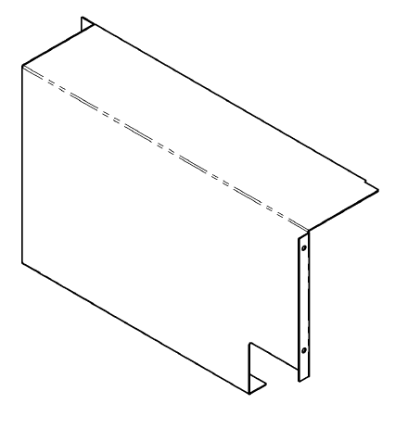 | Control box cover | SPHC | MS-IS513 | COL TEN TEXTURE | 1 | 85.00 | 1075 | 736.4 | 1.6 | 9.94 | 9.2 | 0.74 | 64 | 0 | 5 | 0 | 0 | 0 | 1 | 0 | 0 | 0 | 0 | 0 | 0 | 0 | 0 | 1 | 0 | 0 | 2454.67 | 17.05 |  | 825.83 | 35.20 | 75.00 | 0.00 | 322 |  | 0 | 0 | 0 | 0.00 |  | 596.6 | 0.0 | 0.0 | 1028.8 | 0.0 | 1854.6 | 1854.6 |  | 370.93 | 92.73 | 92.73 | ₹ 2,411.04 | 95.00 | 105.00 | $25.38 | € 22.96 | ₹ 2,411.04 | ₹ 2,000.00 | 1.2055224126

 |  |  |  |  |  |  |  | 0.00 |  |  |  | 0.00 |  | 0.00 |  |  |  |  |  |  |  |  |  |  |  |  |  |  |  |  |  |  | 0.00 | 0.00 |  | 0.00 | 0.00 | 0.00 | 0.00 | 0 |  | 0 | 0 | 0 | 0.00 |  | 0.0 | 0.0 | 0.0 | 0.0 | 0.0 | 0.0 | 0.0 |  | - | - | - | ₹ - | 75.00 |  | $-
 |  |  |  |  |  |  |  | 0.00 |  |  |  | 0.00 |  | 0.00 |  |  |  |  |  |  |  |  |  |  |  |  |  |  |  |  |  |  | 0.00 | 0.00 |  | 0.00 | 0.00 | 0.00 | 0.00 | 0 |  | 0 | 0 | 0 | 0.00 |  | 0.0 | 0.0 | 0.0 | 0.0 | 0.0 | 0.0 | 0.0 |  | - | - | - | ₹ - | 75.00 |  | $-
 |  |  |  |  |  |  |  | 0.00 |  |  |  | 0.00 |  | 0.00 |  |  |  |  |  |  |  |  |  |  |  |  |  |  |  |  |  |  | 0.00 | 0.00 |  | 0.00 | 0.00 | 0.00 | 0.00 | 0 |  | 0 | 0 | 0 | 0.00 |  | 0.0 | 0.0 | 0.0 | 0.0 | 0.0 | 0.0 | 0.0 |  | - | - | - | ₹ - | 75.00 |  | $-
 |  |  |  |  |  |  |  | 0.00 |  |  |  | 0.00 |  | 0.00 |  |  |  |  |  |  |  |  |  |  |  |  |  |  |  |  |  |  | 0.00 | 0.00 |  | 0.00 | 0.00 | 0.00 | 0.00 | 0 |  | 0 | 0 | 0 | 0.00 |  | 0.0 | 0.0 | 0.0 | 0.0 | 0.0 | 0.0 | 0.0 |  | - | - | - | ₹ - | 75.00 |  | $-
 |  |  |  |  |  |  |  | 0.00 |  |  |  | 0.00 |  | 0.00 |  |  |  |  |  |  |  |  |  |  |  |  |  |  |  |  |  |  | 0.00 | 0.00 |  | 0.00 | 0.00 | 0.00 | 0.00 | 0 |  | 0 | 0 | 0 | 0.00 |  | 0.0 | 0.0 | 0.0 | 0.0 | 0.0 | 0.0 | 0.0 |  | - | - | - | ₹ - | 75.00 |  | $-
 |  |  |  |  |  |  |  | 0.00 |  |  |  | 0.00 |  | 0.00 |  |  |  |  |  |  |  |  |  |  |  |  |  |  |  |  |  |  | 0.00 | 0.00 |  | 0.00 | 0.00 | 0.00 | 0.00 | 0 |  | 0 | 0 | 0 | 0.00 |  | 0.0 | 0.0 | 0.0 | 0.0 | 0.0 | 0.0 | 0.0 |  | - | - | - | ₹ - | 75.00 |  | $-

