Sheet1
Article CMS on Azure
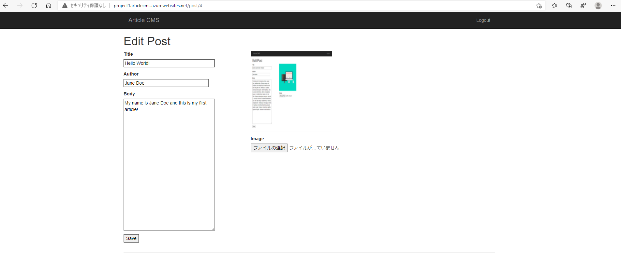

Resource Group
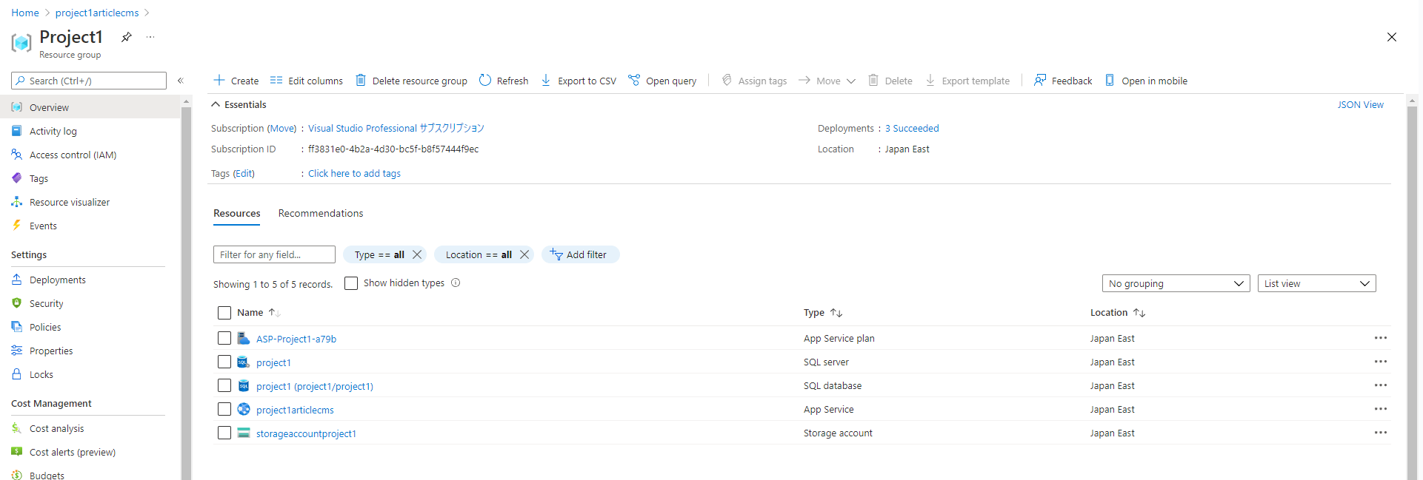

Storage
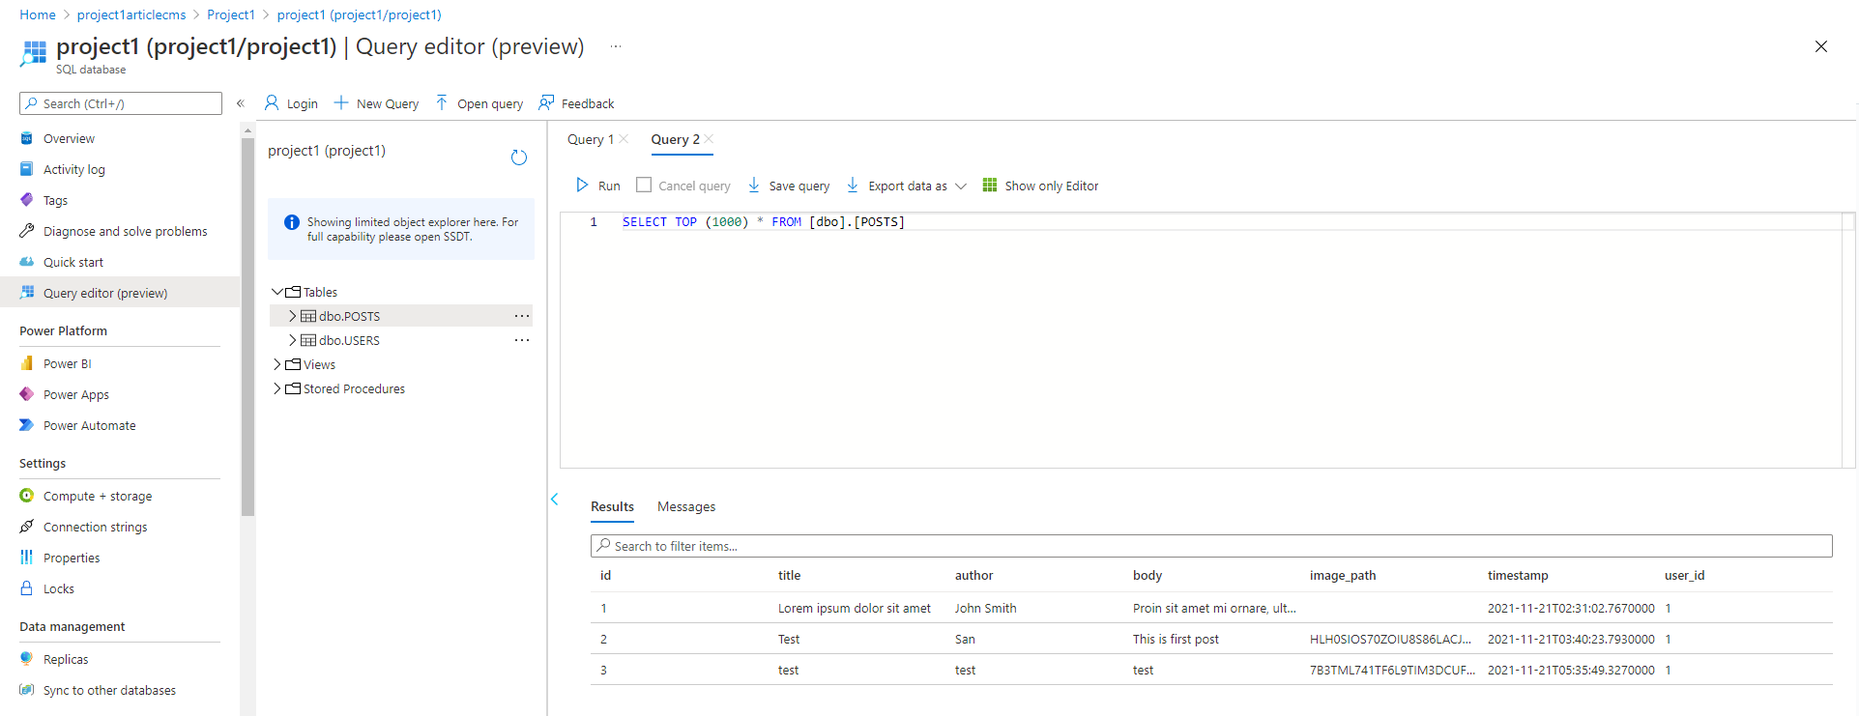

Resource Justification

 |  |  |  | Virtual Machines | App Service
 |  | Analyze costs | - | Tier : Basic A0 Monthly cost : $16.11 | Tier : Basic B1 Monthly cost : $13.87
 |  | scalability | Autoscaling | Virtual machine scale sets | Built-in service
 |  |  | Load balancer | Azure Load Balancer | Integrated
 |  |  | Scale limit | Platform image: 1000 nodes per scale set, Custom image: 600 nodes per scale set | 30 instances, 100 with App Service Environment
 |  | availability | - | - two or more instances deployed across two or more Availability Zones in the same Azure region, we guarantee you will have Virtual Machine Connectivity to at least one instance at least 99.99% of the time. - two or more instances deployed in the same Availability Set or in the same Dedicated Host Group, we guarantee you will have Virtual Machine Connectivity to at least one instance at least 99.95% of the time. - For any Single Instance Virtual Machine using Premium SSD or Ultra Disk for all Operating System Disks and Data Disks, we guarantee you will have Virtual Machine Connectivity of at least 99.9%. - For any Single Instance Virtual Machine using Standard SSD Managed Disks for Operating System Disk and Data Disks, we guarantee you will have Virtual Machine Connectivity of at least 99.5%. - For any Single Instance Virtual Machine using Standard HDD Managed Disks for Operating System Disks and Data Disks, we guarantee you will have Virtual Machine Connectivity of at least 95%. | - Apps running in a customer subscription will be available 99.95% of the time. - No SLA is provided for Apps under either the Free or Shared tiers.
 |  | workflow | - | No workflow for deployment | Workflow for deployment

 | I choose App service because of the following reasons:
 |  | Cheaper
 |  | Build-in Scaling
 |  | Easy to deploy with workflow

Deployment
 | https://project1articlecms.azurewebsites.net

Security & Monitoring

