Instructions
Member Import

Please fill in all the fields in the sheet labeled member import.
All fields in bold are mandatory, rest are optional
Save this sheet as a csv file by going to File -> Save As
Choose comma separated csv in file format

Save the file and choose this file in the data imports page under Csv file:

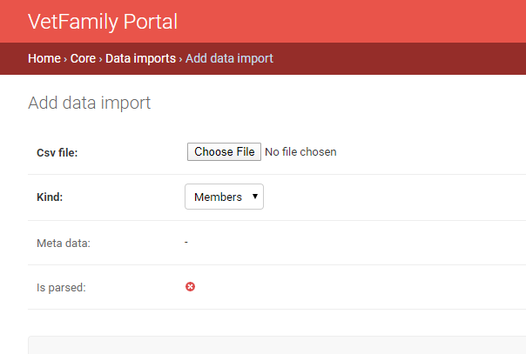

Push save and contine editing
You should under meta data now see a log of the import with errors if there where any

