Q-Sheetmetal Parts
 |  | CONTRACTUAL CONTROL PLAN |  |  |  |  |  |  |  |  |  | Format No : F/NPD/08
 |  |  |  |  |  |  |  |  |  |  |  | Released on : 23-03-2024
 |  |  |  |  |  |  |  |  |  |  |  | Revised on : 00
 |  |  |  |  |  |  |  |  |  |  |  | Revision No. : 00
 |  | This control plan is an integrated part of the purchasing agreement between CNHi and the supplier. Changes to controls for significant must receive prior approval from CNHi

 | Prototype |  | Pre-launch |  | Production |  | Key contact phone :- Mr. Vinoth NK (+91-8870708781) |  |  |  | Date (Orig.) |  | Date (Rev.)
Control Plan Number :- MAPL/PPW/CNH/CP/049/92187158/C |  |  |  |  |  |  |  |  |  |  | 7-Feb-25 |  | 19-Jul-25

Part Number latest change level :- 92187158/C |  |  |  |  |  |  | Core Team :-Mr. Satish Pandey , Mr. Prashnat Raj Srivastava, Mr. Balram Yadav,Mr. Dheeraj Dani,Mr.Vinoth NK,Mr.Amit Vishwakarma Mr. Anil Dawar, Mr.Omprakash Meghwar ,Mr.Sandeep Sisodiya |  |  |  | Customer Engineering Approval / Date

PART NAME :- DOOR, ASSY, LH, 952NX |  |  |  |  |  |  | Supplier/Part Approval Date :- |  |  |  | .

Supplier plant :- Metalman Auto Pvt. Ltd Pithampur, sec. no 3 Dist Dhar (M.P.) |  |  |  | Supplier code :- LME005 |  |  | Other Approval/Date (If Req.'d) |  |  |  | Other Approval/Date (If Req'd)

Part process/ number | Process Name / Operation Description | Machine, Device, Jig, Tools for mfg | Characteristics |  |  | Special Characteristic Class. | Methods |  |  |  |  |  | Reaction Plan
 |  |  | No | Product | Process |  | Product/Process Specification/ Tolerance | Evaluation/ Measurement Technique | Sample |  | Control Method | Responsibility
 |  |  |  |  |  |  |  |  | Size | Freq
Q | Sheet Metal Parts Control Plan
1 | PART NUMBER - 92187151 ,DESCRIPTION-PLATE ,DOOR,SIDE |  |  |  |  |  |  | 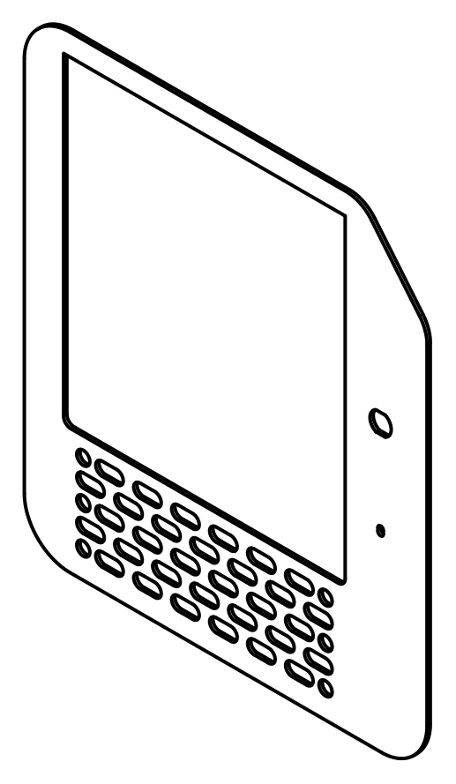 |  |  |  |  | This Part assemble in OP-10 A
10 | Raw Material Procurement |  | 1 | Source | Receiving |  | Approved Source | Verified by Approved Supplier List | 100` | Each lot | Record of Incoming Inspection report | RQC Person | Put rejection tag, store in identified rejection area and inform to supplier.
20 | Incoming Inspection | Measuring Instruments | 1 | Thickness | Inspection |  | 5+1.10/0.49 | Micrometer | As per sampling plan | Each lot | 1) Record of Incoming Inspection report. 2) Material Test Certificate 3)Third party Material test (annually) | RQC Person | Put rejection tag, store in identified rejection area and inform to supplier.
 |  |  | 2 | Material |  |  | E250BR | Supplier TC
 |  |  | 3 | Appearance |  |  | Free from dent, rust, scratches, waviness, damages, scale, oil & all other contaminants | Visual | 100% |  | Physical Verification
30 | STORAGE |  | 1 | Storage | Store |  | RM will be placed to Specified Location with identification for RM | Visual | 100% | Each lot | Record in BOP register | Store Person | Identify and inform to Production incharge
40 | Laser Cutting | Laser Cutting m/c | 1 | CUTTING PARAMETER | Cutting |  | As per Laser Cutting Work Instruction Manual : | Visual from Parameter Setting Panel Screen | 100% | Each lot | 1.Record in in-process register/ in-process inspection report/Process SOP 2.Laser Callibration - Do callibration before start cutting on daily basis. 3.Laser cutting machine preventive maintenance as per PM plan. 4.Use of approved DXF program as per current revision level. | Operator / QC Person | Put rework/rejection tag, store in identified rework/rejection area and inform to production supervisor
 |  |  | 2 | Profile As per DXF | INSPECTION |  | As per DXF | DXF Verification | 1 Nos | Half yearly
 |  |  | 3 | DIMENSIONS |  |  | As per drawing | Checking Template |  | Each lot
 |  |  | 4 | Appearance |  |  | Free from laser cut notches, burrs and other laser cutting defects as per : | Visual | 100%
 |  |  | 5 | Laser Callibration |  |  | Do callibration before start cutting on daily basis |  | 1 Nos | Daily before start cutting
110 | Storage |  | 1 | Storage | Store |  | Duly completed assembly will be mounted on the dedicated trolly/Place for Storage | Visual | 100% | Each Assembly | Record in FG register | Operator | Identify and inform to Production incharge
120 | Move to the next process
2 | PART NUMBER - 92187148 ,DESCRIPTION-PLATE, CHEQUERED |  |  |  |  |  |  | 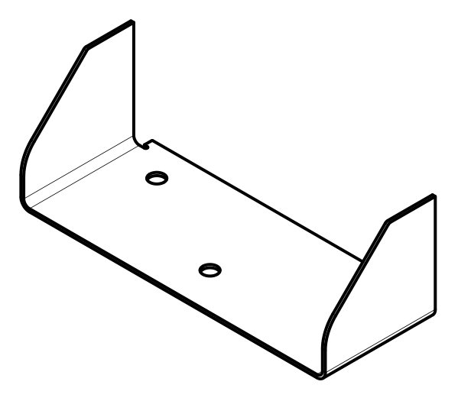 |  |  |  |  | This Part assemble in OP-10 A
10 | Raw Material Procurement |  | 1 | Source | Receiving |  | Approved Source | Verified by Approved Supplier List | 100` | Each lot | Record of Incoming Inspection report | RQC Person | Put rejection tag, store in identified rejection area and inform to supplier.
20 | Incoming Inspection | Measuring Instruments | 1 | Thickness | Inspection |  | 4+0.8/-0,4 | Micrometer | As per sampling plan | Each lot | 1) Record of Incoming Inspection report. 2) Material Test Certificate 3)Third party Material test (annually) | RQC Person | Put rejection tag, store in identified rejection area and inform to supplier.
 |  |  | 2 | Material |  |  | IS 3502 | Supplier TC
 |  |  | 3 | Appearance |  |  | Free from dent, rust, scratches, waviness, damages, scale, oil & all other contaminants | Visual | 100% |  | Physical Verification
30 | STORAGE |  | 1 | Storage | Store |  | RM will be placed to Specified Location with identification for RM | Visual | 100% | Each lot | Record in BOP register | Store Person | Identify and inform to Production incharge
40 | Laser Cutting | Laser Cutting m/c | 1 | CUTTING PARAMETER | Cutting |  | As per Laser Cutting Work Instruction Manual : | Visual from Parameter Setting Panel Screen | 100% | Each lot | 1.Record in in-process register/ in-process inspection report/Process SOP 2.Laser Callibration - Do callibration before start cutting on daily basis. 3.Laser cutting machine preventive maintenance as per PM plan. 4.Use of approved DXF program as per current revision level. | Operator / QC Person | Put rework/rejection tag, store in identified rework/rejection area and inform to production supervisor
 |  |  | 2 | Profile As per DXF | INSPECTION |  | As per DXF | DXF Verification | 1 Nos | Half yearly
 |  |  | 3 | DIMENSIONS |  |  | As per drawing | Checking Template |  | Each lot
 |  |  | 4 | Appearance |  |  | Free from laser cut notches, burrs and other laser cutting defects as per : | Visual | 100%
 |  |  | 5 | Laser Callibration |  |  | Do callibration before start cutting on daily basis |  | 1 Nos | Daily before start cutting
100 | Bending/ Forming | CNC Press Brake Bending / Roll Bending | 1 | Bending Radius | INSPECTION |  | 2X R8±1.5 | RG/Template | 5 Nos | Each lot | *Record in in-process register/ in-process inspection report/Process SOP. *CNC Prace brake prevantive maintenance as per PM plan. | Operator | Put rework/rejection tag, store in identified rework/rejection area and inform to production supervisor
 |  |  | 2 | DIMENSIONS |  |  | 2X 150 ±1.5 | VC
 |  |  | 3 | DIMENSIONS |  |  | 429 +0.0 / -1.5 | MT
 |  |  | 4 | Appearance |  |  | Free from Crack and damages | Visual
110 | Storage |  | 1 | Storage | Store |  | Duly completed assembly will be mounted on the dedicated trolly/Place for Storage | Visual | 100% | Each Assembly | Record in FG register | Operator | Identify and inform to Production incharge
120 | Move to the next process
3 | PART NUMBER - 92187147 ,DESCRIPTION-PLATE, CHEQUERED |  |  |  |  |  |  | 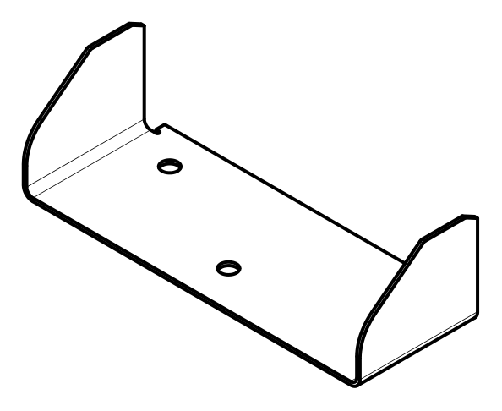 |  |  |  |  | This Part assemble in OP-10 A
10 | Raw Material Procurement |  | 1 | Source | Receiving |  | Approved Source | Verified by Approved Supplier List | 100` | Each lot | Record of Incoming Inspection report | RQC Person | Put rejection tag, store in identified rejection area and inform to supplier.
20 | Incoming Inspection | Measuring Instruments | 1 | Thickness | Inspection |  | 4+0.8/-0,4 | Micrometer | As per sampling plan | Each lot | 1) Record of Incoming Inspection report. 2) Material Test Certificate 3)Third party Material test (annually) | RQC Person | Put rejection tag, store in identified rejection area and inform to supplier.
 |  |  | 2 | Material |  |  | IS 3502 | Supplier TC
 |  |  | 3 | Appearance |  |  | Free from dent, rust, scratches, waviness, damages, scale, oil & all other contaminants | Visual | 100% |  | Physical Verification
30 | STORAGE |  | 1 | Storage | Store |  | RM will be placed to Specified Location with identification for RM | Visual | 100% | Each lot | Record in BOP register | Store Person | Identify and inform to Production incharge
40 | Laser Cutting | Laser Cutting m/c | 1 | CUTTING PARAMETER | Cutting |  | As per Laser Cutting Work Instruction Manual : | Visual from Parameter Setting Panel Screen | 100% | Each lot | 1.Record in in-process register/ in-process inspection report/Process SOP 2.Laser Callibration - Do callibration before start cutting on daily basis. 3.Laser cutting machine preventive maintenance as per PM plan. 4.Use of approved DXF program as per current revision level. | Operator / QC Person | Put rework/rejection tag, store in identified rework/rejection area and inform to production supervisor
 |  |  | 2 | Profile As per DXF | INSPECTION |  | As per DXF | DXF Verification | 1 Nos | Half yearly
 |  |  | 3 | DIMENSIONS |  |  | As per drawing | Checking Template |  | Each lot
 |  |  | 4 | Appearance |  |  | Free from laser cut notches, burrs and other laser cutting defects as per : | Visual | 100%
 |  |  | 5 | Laser Callibration |  |  | Do callibration before start cutting on daily basis |  | 1 Nos | Daily before start cutting
100 | Bending/ Forming | CNC Press Brake Bending / Roll Bending | 1 | Bending Radius | INSPECTION |  | 2X R8±1.5 | RG/Template | 5 Nos | Each lot | *Record in in-process register/ in-process inspection report/Process SOP. *CNC Prace brake prevantive maintenance as per PM plan. | Operator | Put rework/rejection tag, store in identified rework/rejection area and inform to production supervisor
 |  |  | 2 | DIMENSIONS |  |  | 2X 150 ±1.5 | VC
 |  |  | 3 | DIMENSIONS |  |  | 429 +0.0 / -1.5 | MT
 |  |  | 4 | Appearance |  |  | Free from Crack and damages | Visual
110 | Storage |  | 1 | Storage | Store |  | Duly completed assembly will be mounted on the dedicated trolly/Place for Storage | Visual | 100% | Each Assembly | Record in FG register | Operator | Identify and inform to Production incharge
120 | Move to the next process
4 | PART NUMBER - 92281502 ,DESCRIPTION-BRACKET,DOOR |  |  |  |  |  |  | 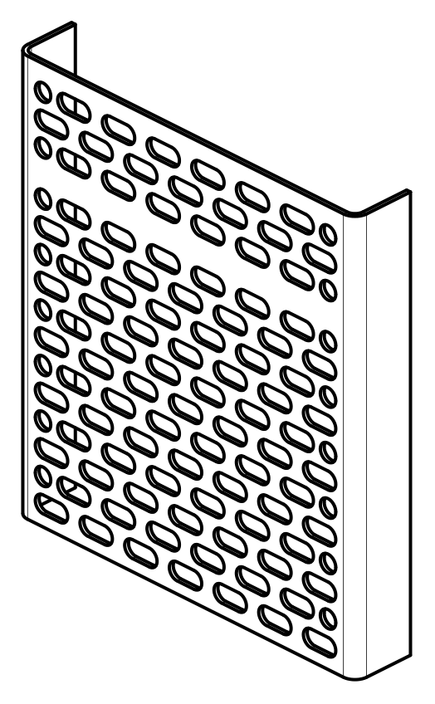 |  |  |  |  | This Part assemble in OP-10 B
10 | Raw Material Procurement |  | 1 | Source | Receiving |  | Approved Source | Verified by Approved Supplier List | 100` | Each lot | Record of Incoming Inspection report | RQC Person | Put rejection tag, store in identified rejection area and inform to supplier.
20 | Incoming Inspection | Measuring Instruments | 1 | Thickness | Inspection |  | 5+1.10/0.49 | Micrometer | As per sampling plan | Each lot | 1) Record of Incoming Inspection report. 2) Material Test Certificate 3)Third party Material test (annually) | RQC Person | Put rejection tag, store in identified rejection area and inform to supplier.
 |  |  | 2 | Material |  |  | E250BR | Supplier TC
 |  |  | 3 | Appearance |  |  | Free from dent, rust, scratches, waviness, damages, scale, oil & all other contaminants | Visual | 100% |  | Physical Verification
30 | STORAGE |  | 1 | Storage | Store |  | RM will be placed to Specified Location with identification for RM | Visual | 100% | Each lot | Record in BOP register | Store Person | Identify and inform to Production incharge
40 | Laser Cutting | Laser Cutting m/c | 1 | CUTTING PARAMETER | Cutting |  | As per Laser Cutting Work Instruction Manual : | Visual from Parameter Setting Panel Screen | 100% | Each lot | 1.Record in in-process register/ in-process inspection report/Process SOP 2.Laser Callibration - Do callibration before start cutting on daily basis. 3.Laser cutting machine preventive maintenance as per PM plan. 4.Use of approved DXF program as per current revision level. | Operator / QC Person | Put rework/rejection tag, store in identified rework/rejection area and inform to production supervisor
 |  |  | 2 | Profile As per DXF | INSPECTION |  | As per DXF | DXF Verification | 1 Nos | Half yearly
 |  |  | 3 | DIMENSIONS |  |  | As per drawing | Checking Template |  | Each lot
 |  |  | 4 | Appearance |  |  | Free from laser cut notches, burrs and other laser cutting defects as per : | Visual | 100%
 |  |  | 5 | Laser Callibration |  |  | Do callibration before start cutting on daily basis |  | 1 Nos | Daily before start cutting
100 | Bending/ Forming | CNC Press Brake Bending / Roll Bending | 1 | Bending Radius | INSPECTION |  | 2X R8±1.5 | RG/Template | 5 Nos | Each lot | *Record in in-process register/ in-process inspection report/Process SOP. *CNC Prace brake prevantive maintenance as per PM plan. | Operator | Put rework/rejection tag, store in identified rework/rejection area and inform to production supervisor
 |  |  | 2 | DIMENSIONS |  |  | 2X 150 ±1.5 | VC
 |  |  | 3 | DIMENSIONS |  |  | 429 +0.0 / -1.5 | MT
 |  |  | 4 | Appearance |  |  | Free from Crack and damages | Visual
110 | Storage |  | 1 | Storage | Store |  | Duly completed assembly will be mounted on the dedicated trolly/Place for Storage | Visual | 100% | Each Assembly | Record in FG register | Operator | Identify and inform to Production incharge
120 | Move to the next process
5 | PART NUMBER - 92187149 ,DESCRIPTION-PLATE, DOOR TOP |  |  |  |  |  |  |  |  |  |  |  | This Part assemble in OP-10 B
10 | Raw Material Procurement |  | 1 | Source | Receiving |  | Approved Source | Verified by Approved Supplier List | 100` | Each lot | Record of Incoming Inspection report | RQC Person | Put rejection tag, store in identified rejection area and inform to supplier.
20 | Incoming Inspection | Measuring Instruments | 1 | Thickness | Inspection |  | 3+0.8/-0.4 | Micrometer | As per sampling plan | Each lot | 1) Record of Incoming Inspection report. 2) Material Test Certificate 3)Third party Material test (annually) | RQC Person | Put rejection tag, store in identified rejection area and inform to supplier.
 |  |  | 2 | Material |  |  | E250BR | Supplier TC
 |  |  | 3 | Appearance |  |  | Free from dent, rust, scratches, waviness, damages, scale, oil & all other contaminants | Visual | 100% |  | Physical Verification
30 | STORAGE |  | 1 | Storage | Store |  | RM will be placed to Specified Location with identification for RM | Visual | 100% | Each lot | Record in BOP register | Store Person | Identify and inform to Production incharge
40 | Laser Cutting | Laser Cutting m/c | 1 | CUTTING PARAMETER | Cutting |  | As per Laser Cutting Work Instruction Manual : | Visual from Parameter Setting Panel Screen | 100% | Each lot | 1.Record in in-process register/ in-process inspection report/Process SOP 2.Laser Callibration - Do callibration before start cutting on daily basis. 3.Laser cutting machine preventive maintenance as per PM plan. 4.Use of approved DXF program as per current revision level. | Operator / QC Person | Put rework/rejection tag, store in identified rework/rejection area and inform to production supervisor
 |  |  | 2 | Profile As per DXF | INSPECTION |  | As per DXF | DXF Verification | 1 Nos | Half yearly
 |  |  | 3 | DIMENSIONS |  |  | As per drawing | Checking Template |  | Each lot
 |  |  | 4 | Appearance |  |  | Free from laser cut notches, burrs and other laser cutting defects as per : | Visual | 100%
 |  |  | 5 | Laser Callibration |  |  | Do callibration before start cutting on daily basis |  | 1 Nos | Daily before start cutting
110 | Storage |  | 1 | Storage | Store |  | Duly completed assembly will be mounted on the dedicated trolly/Place for Storage | Visual | 100% | Each Assembly | Record in FG register | Operator | Identify and inform to Production incharge
120 | Move to the next process
6 | PART NUMBER - 92187145 ,DESCRIPTION-PLATE, DOOR LOCK, MTG |  |  |  |  |  |  | 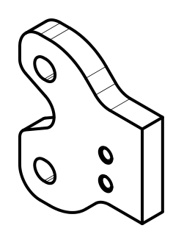 |  |  |  |  | This Part assemble in OP-10 B
10 | Raw Material Procurement |  | 1 | Source | Receiving |  | Approved Source | Verified by Approved Supplier List | 100` | Each lot | Record of Incoming Inspection report | RQC Person | Put rejection tag, store in identified rejection area and inform to supplier.
20 | Incoming Inspection | Measuring Instruments | 1 | Thickness | Inspection |  | 10+1.2/-0.73 | Micrometer | As per sampling plan | Each lot | 1) Record of Incoming Inspection report. 2) Material Test Certificate 3)Third party Material test (annually) | RQC Person | Put rejection tag, store in identified rejection area and inform to supplier.
 |  |  | 2 | Material |  |  | E350C | Supplier TC
 |  |  | 3 | Appearance |  |  | Free from dent, rust, scratches, waviness, damages, scale, oil & all other contaminants | Visual | 100% |  | Physical Verification
30 | STORAGE |  | 1 | Storage | Store |  | RM will be placed to Specified Location with identification for RM | Visual | 100% | Each lot | Record in BOP register | Store Person | Identify and inform to Production incharge
40 | Laser Cutting | Laser Cutting m/c | 1 | CUTTING PARAMETER | Cutting |  | As per Laser Cutting Work Instruction Manual : | Visual from Parameter Setting Panel Screen | 100% | Each lot | 1.Record in in-process register/ in-process inspection report/Process SOP 2.Laser Callibration - Do callibration before start cutting on daily basis. 3.Laser cutting machine preventive maintenance as per PM plan. 4.Use of approved DXF program as per current revision level. | Operator / QC Person | Put rework/rejection tag, store in identified rework/rejection area and inform to production supervisor
 |  |  | 2 | Profile As per DXF | INSPECTION |  | As per DXF | DXF Verification | 1 Nos | Half yearly
 |  |  | 3 | DIMENSIONS |  |  | As per drawing | Checking Template |  | Each lot
 |  |  | 4 | Appearance |  |  | Free from laser cut notches, burrs and other laser cutting defects as per : | Visual | 100%
 |  |  | 5 | Laser Callibration |  |  | Do callibration before start cutting on daily basis |  | 1 Nos | Daily before start cutting
60 | Drilling | Drilling M/C. | 1 | Drill Dia | Drilling |  | 2X ø8.5±0.2 | VC | As per sampling plan | Each lot | 1) Record in inprocess register/ Inprocess inspection report | Operator | Put rework/rejection tag, store in identified rework/rejection area and inform to production supervisor
 |  |  | 2 | DIMENSIONS |  |  | 2X 12.5±0.5
 |  |  | 3 | DIMENSIONS |  |  | 45±0.5
 |  |  | 4 | Appearance |  |  | Free from crack, no sharp edges,No dent marks | Visual |  |  | Physical Verification
70 | Tapping | Tapping done by Manual | 1 | Thread | Tapping |  | M10x1.5 | TPG | As per sampling plan | Each lot | 1) Record in inprocess register/ Inprocess inspection report | Operator
 |  |  | 2 | Appearance |  |  | Free from crack, no sharp edges,No dent marks | Visual |  |  | Physical Verification
110 | Storage |  | 1 | Storage | Store |  | Duly completed assembly will be mounted on the dedicated trolly/Place for Storage | Visual | 100% | Each Assembly | Record in FG register | Operator | Identify and inform to Production incharge
120 | Move to the next process
7 | PART NUMBER - 92218240 ,DESCRIPTION-BRACKET, DOOR, REINFORMENT |  |  |  |  |  |  |  |  |  |  |  | This Part assemble in OP-10 B
10 | Raw Material Procurement |  | 1 | Source | Receiving |  | Approved Source | Verified by Approved Supplier List | 100` | Each lot | Record of Incoming Inspection report | RQC Person | Put rejection tag, store in identified rejection area and inform to supplier.
20 | Incoming Inspection | Measuring Instruments | 1 | Thickness | Inspection |  | 3 | Micrometer | As per sampling plan | Each lot | 1) Record of Incoming Inspection report. 2) Material Test Certificate 3)Third party Material test (annually) | RQC Person | Put rejection tag, store in identified rejection area and inform to supplier.
 |  |  | 2 | Material |  |  | E250BR | Supplier TC
 |  |  | 3 | Appearance |  |  | Free from dent, rust, scratches, waviness, damages, scale, oil & all other contaminants | Visual | 100% |  | Physical Verification
30 | STORAGE |  | 1 | Storage | Store |  | RM will be placed to Specified Location with identification for RM | Visual | 100% | Each lot | Record in BOP register | Store Person | Identify and inform to Production incharge
40 | Laser Cutting | Laser Cutting m/c | 1 | CUTTING PARAMETER | Cutting |  | As per Laser Cutting Work Instruction Manual : | Visual from Parameter Setting Panel Screen | 100% | Each lot | 1.Record in in-process register/ in-process inspection report/Process SOP 2.Laser Callibration - Do callibration before start cutting on daily basis. 3.Laser cutting machine preventive maintenance as per PM plan. 4.Use of approved DXF program as per current revision level. | Operator / QC Person | Put rework/rejection tag, store in identified rework/rejection area and inform to production supervisor
 |  |  | 2 | Profile As per DXF | INSPECTION |  | As per DXF | DXF Verification | 1 Nos | Half yearly
 |  |  | 3 | DIMENSIONS |  |  | As per drawing | Checking Template |  | Each lot
 |  |  | 4 | Appearance |  |  | Free from laser cut notches, burrs and other laser cutting defects as per : | Visual | 100%
 |  |  | 5 | Laser Callibration |  |  | Do callibration before start cutting on daily basis |  | 1 Nos | Daily before start cutting
100 | Bending/ Forming | CNC Press Brake Bending / Roll Bending | 1 | Bending Radius | INSPECTION |  | 2X R8±1.5 | RG/Template | 5 Nos | Each lot | *Record in in-process register/ in-process inspection report/Process SOP. *CNC Prace brake prevantive maintenance as per PM plan. | Operator | Put rework/rejection tag, store in identified rework/rejection area and inform to production supervisor
 |  |  | 2 | DIMENSIONS |  |  | 2X 150 ±1.5 | VC
 |  |  | 3 | DIMENSIONS |  |  | 429 +0.0 / -1.5 | MT
 |  |  | 4 | Appearance |  |  | Free from Crack and damages | Visual
110 | Storage |  | 1 | Storage | Store |  | Duly completed assembly will be mounted on the dedicated trolly/Place for Storage | Visual | 100% | Each Assembly | Record in FG register | Operator | Identify and inform to Production incharge
120 | Move to the next process
8 | PART NUMBER - 92218241 ,DESCRIPTION-PLATE, SUPPORT |  |  |  |  |  |  | 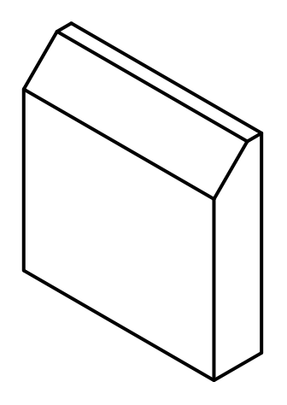 |  |  |  |  | This Part assemble in OP-10 B
10 | Raw Material Procurement |  | 1 | Source | Receiving |  | Approved Source | Verified by Approved Supplier List | 100` | Each lot | Record of Incoming Inspection report | RQC Person | Put rejection tag, store in identified rejection area and inform to supplier.
20 | Incoming Inspection | Measuring Instruments | 1 | Thickness | Inspection |  | 10+1.2/-0.73 | Micrometer | As per sampling plan | Each lot | 1) Record of Incoming Inspection report. 2) Material Test Certificate 3)Third party Material test (annually) | RQC Person | Put rejection tag, store in identified rejection area and inform to supplier.
 |  |  | 2 | Material |  |  | E350C | Supplier TC
 |  |  | 3 | Appearance |  |  | Free from dent, rust, scratches, waviness, damages, scale, oil & all other contaminants | Visual | 100% |  | Physical Verification
30 | STORAGE |  | 1 | Storage | Store |  | RM will be placed to Specified Location with identification for RM | Visual | 100% | Each lot | Record in BOP register | Store Person | Identify and inform to Production incharge
40 | Laser Cutting | Laser Cutting m/c | 1 | CUTTING PARAMETER | Cutting |  | As per Laser Cutting Work Instruction Manual : | Visual from Parameter Setting Panel Screen | 100% | Each lot | 1.Record in in-process register/ in-process inspection report/Process SOP 2.Laser Callibration - Do callibration before start cutting on daily basis. 3.Laser cutting machine preventive maintenance as per PM plan. 4.Use of approved DXF program as per current revision level. | Operator / QC Person | Put rework/rejection tag, store in identified rework/rejection area and inform to production supervisor
 |  |  | 2 | Profile As per DXF | INSPECTION |  | As per DXF | DXF Verification | 1 Nos | Half yearly
 |  |  | 3 | DIMENSIONS |  |  | As per drawing | Checking Template |  | Each lot
 |  |  | 4 | Appearance |  |  | Free from laser cut notches, burrs and other laser cutting defects as per : | Visual | 100%
 |  |  | 5 | Laser Callibration |  |  | Do callibration before start cutting on daily basis |  | 1 Nos | Daily before start cutting
110 | Storage |  | 1 | Storage | Store |  | Duly completed assembly will be mounted on the dedicated trolly/Place for Storage | Visual | 100% | Each Assembly | Record in FG register | Operator | Identify and inform to Production incharge
120 | Move to the next process
9 | PART NUMBER - 92217650 ,DESCRIPTION-BRACKET, DOOR, REINFORMENT |  |  |  |  |  |  | 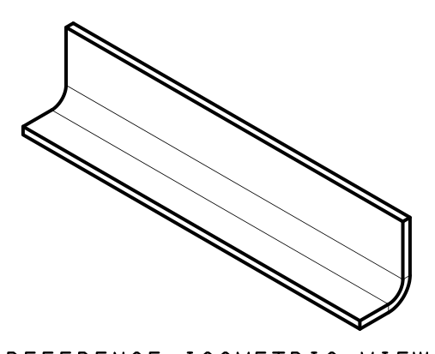 |  |  |  |  | This Part assemble in OP-10 B
10 | Raw Material Procurement |  | 1 | Source | Receiving |  | Approved Source | Verified by Approved Supplier List | 100` | Each lot | Record of Incoming Inspection report | RQC Person | Put rejection tag, store in identified rejection area and inform to supplier.
20 | Incoming Inspection | Measuring Instruments | 1 | Thickness | Inspection |  | 5+1.10/0.49 | Micrometer | As per sampling plan | Each lot | 1) Record of Incoming Inspection report. 2) Material Test Certificate 3)Third party Material test (annually) | RQC Person | Put rejection tag, store in identified rejection area and inform to supplier.
 |  |  | 2 | Material |  |  | E250BR | Supplier TC
 |  |  | 3 | Appearance |  |  | Free from dent, rust, scratches, waviness, damages, scale, oil & all other contaminants | Visual | 100% |  | Physical Verification
30 | STORAGE |  | 1 | Storage | Store |  | RM will be placed to Specified Location with identification for RM | Visual | 100% | Each lot | Record in BOP register | Store Person | Identify and inform to Production incharge
40 | Laser Cutting | Laser Cutting m/c | 1 | CUTTING PARAMETER | Cutting |  | As per Laser Cutting Work Instruction Manual : | Visual from Parameter Setting Panel Screen | 100% | Each lot | 1.Record in in-process register/ in-process inspection report/Process SOP 2.Laser Callibration - Do callibration before start cutting on daily basis. 3.Laser cutting machine preventive maintenance as per PM plan. 4.Use of approved DXF program as per current revision level. | Operator / QC Person | Put rework/rejection tag, store in identified rework/rejection area and inform to production supervisor
 |  |  | 2 | Profile As per DXF | INSPECTION |  | As per DXF | DXF Verification | 1 Nos | Half yearly
 |  |  | 3 | DIMENSIONS |  |  | As per drawing | Checking Template |  | Each lot
 |  |  | 4 | Appearance |  |  | Free from laser cut notches, burrs and other laser cutting defects as per : | Visual | 100%
 |  |  | 5 | Laser Callibration |  |  | Do callibration before start cutting on daily basis |  | 1 Nos | Daily before start cutting
100 | Bending/ Forming | CNC Press Brake Bending / Roll Bending | 1 | Bending Radius | INSPECTION |  | 2X R8±1.5 | RG/Template | 5 Nos | Each lot | *Record in in-process register/ in-process inspection report/Process SOP. *CNC Prace brake prevantive maintenance as per PM plan. | Operator | Put rework/rejection tag, store in identified rework/rejection area and inform to production supervisor
 |  |  | 2 | DIMENSIONS |  |  | 2X 150 ±1.5 | VC
 |  |  | 3 | DIMENSIONS |  |  | 429 +0.0 / -1.5 | MT
 |  |  | 4 | Appearance |  |  | Free from Crack and damages | Visual
110 | Storage |  | 1 | Storage | Store |  | Duly completed assembly will be mounted on the dedicated trolly/Place for Storage | Visual | 100% | Each Assembly | Record in FG register | Operator | Identify and inform to Production incharge
120 | Move to the next process
10 | PART NUMBER - 92217651 ,DESCRIPTION-GUSSET, STOPPER |  |  |  |  |  |  | 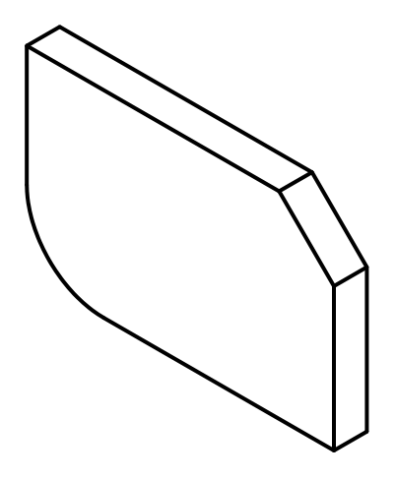 |  |  |  |  | This Part assemble in OP-10 B
10 | Raw Material Procurement |  | 1 | Source | Receiving |  | Approved Source | Verified by Approved Supplier List | 100` | Each lot | Record of Incoming Inspection report | RQC Person | Put rejection tag, store in identified rejection area and inform to supplier.
20 | Incoming Inspection | Measuring Instruments | 1 | Thickness | Inspection |  | 3+0.8/-0.4 | Micrometer | As per sampling plan | Each lot | 1) Record of Incoming Inspection report. 2) Material Test Certificate 3)Third party Material test (annually) | RQC Person | Put rejection tag, store in identified rejection area and inform to supplier.
 |  |  | 2 | Material |  |  | E250BR | Supplier TC
 |  |  | 3 | Appearance |  |  | Free from dent, rust, scratches, waviness, damages, scale, oil & all other contaminants | Visual | 100% |  | Physical Verification
30 | STORAGE |  | 1 | Storage | Store |  | RM will be placed to Specified Location with identification for RM | Visual | 100% | Each lot | Record in BOP register | Store Person | Identify and inform to Production incharge
40 | Laser Cutting | Laser Cutting m/c | 1 | CUTTING PARAMETER | Cutting |  | As per Laser Cutting Work Instruction Manual : | Visual from Parameter Setting Panel Screen | 100% | Each lot | 1.Record in in-process register/ in-process inspection report/Process SOP 2.Laser Callibration - Do callibration before start cutting on daily basis. 3.Laser cutting machine preventive maintenance as per PM plan. 4.Use of approved DXF program as per current revision level. | Operator / QC Person | Put rework/rejection tag, store in identified rework/rejection area and inform to production supervisor
 |  |  | 2 | Profile As per DXF | INSPECTION |  | As per DXF | DXF Verification | 1 Nos | Half yearly
 |  |  | 3 | DIMENSIONS |  |  | As per drawing | Checking Template |  | Each lot
 |  |  | 4 | Appearance |  |  | Free from laser cut notches, burrs and other laser cutting defects as per : | Visual | 100%
 |  |  | 5 | Laser Callibration |  |  | Do callibration before start cutting on daily basis |  | 1 Nos | Daily before start cutting
110 | Storage |  | 1 | Storage | Store |  | Duly completed assembly will be mounted on the dedicated trolly/Place for Storage | Visual | 100% | Each Assembly | Record in FG register | Operator | Identify and inform to Production incharge
120 | Move to the next process
11 | PART NUMBER - 92217652 ,DESCRIPTION-GUSSET, STOPPER |  |  |  |  |  |  | 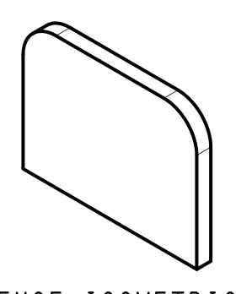 |  |  |  |  | This Part assemble in OP-10 B
10 | Raw Material Procurement |  | 1 | Source | Receiving |  | Approved Source | Verified by Approved Supplier List | 100` | Each lot | Record of Incoming Inspection report | RQC Person | Put rejection tag, store in identified rejection area and inform to supplier.
20 | Incoming Inspection | Measuring Instruments | 1 | Thickness | Inspection |  | 3+0.8/-0.4 | Micrometer | As per sampling plan | Each lot | 1) Record of Incoming Inspection report. 2) Material Test Certificate 3)Third party Material test (annually) | RQC Person | Put rejection tag, store in identified rejection area and inform to supplier.
 |  |  | 2 | Material |  |  | E250BR | Supplier TC
 |  |  | 3 | Appearance |  |  | Free from dent, rust, scratches, waviness, damages, scale, oil & all other contaminants | Visual | 100% |  | Physical Verification
30 | STORAGE |  | 1 | Storage | Store |  | RM will be placed to Specified Location with identification for RM | Visual | 100% | Each lot | Record in BOP register | Store Person | Identify and inform to Production incharge
40 | Laser Cutting | Laser Cutting m/c | 1 | CUTTING PARAMETER | Cutting |  | As per Laser Cutting Work Instruction Manual : | Visual from Parameter Setting Panel Screen | 100% | Each lot | 1.Record in in-process register/ in-process inspection report/Process SOP 2.Laser Callibration - Do callibration before start cutting on daily basis. 3.Laser cutting machine preventive maintenance as per PM plan. 4.Use of approved DXF program as per current revision level. | Operator / QC Person | Put rework/rejection tag, store in identified rework/rejection area and inform to production supervisor
 |  |  | 2 | Profile As per DXF | INSPECTION |  | As per DXF | DXF Verification | 1 Nos | Half yearly
 |  |  | 3 | DIMENSIONS |  |  | As per drawing | Checking Template |  | Each lot
 |  |  | 4 | Appearance |  |  | Free from laser cut notches, burrs and other laser cutting defects as per : | Visual | 100%
 |  |  | 5 | Laser Callibration |  |  | Do callibration before start cutting on daily basis |  | 1 Nos | Daily before start cutting
110 | Storage |  | 1 | Storage | Store |  | Duly completed assembly will be mounted on the dedicated trolly/Place for Storage | Visual | 100% | Each Assembly | Record in FG register | Operator | Identify and inform to Production incharge
120 | Move to the next process
12 | PART NUMBER - 90451393 ,DESCRIPTION-HINGE, GUARDMESH |  |  |  |  |  |  | 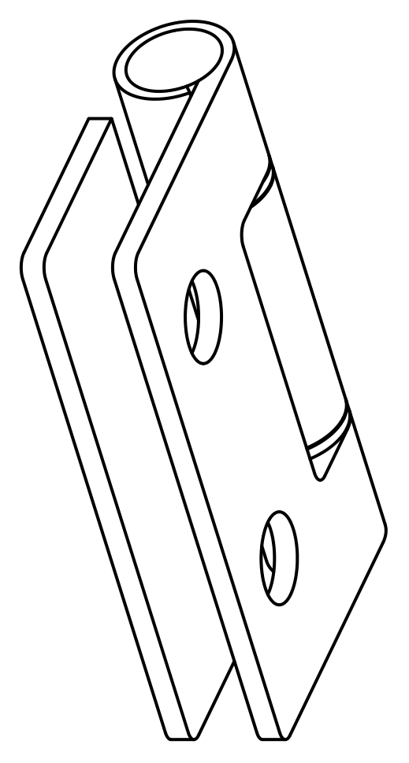 |  |  |  |  | This Part assemble in OP-10 B
120 | Move to the next process
13 | PART NUMBER - 92281539 ,DESCRIPTION-BLOCK, TAPPED M10X1.5 |  |  |  |  |  |  | 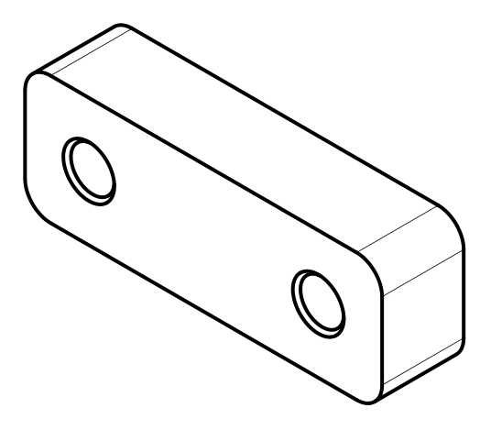 |  |  |  |  | This Part assemble in OP-10 B
10 | Raw Material Procurement |  | 1 | Source | Receiving |  | Approved Source | Verified by Approved Supplier List | 100` | Each lot | Record of Incoming Inspection report | RQC Person | Put rejection tag, store in identified rejection area and inform to supplier.
20 | Incoming Inspection | Measuring Instruments | 1 | Thickness | Inspection |  | 16+1.3/-0.6 | Micrometer | As per sampling plan | Each lot | 1) Record of Incoming Inspection report. 2) Material Test Certificate 3)Third party Material test (annually) | RQC Person | Put rejection tag, store in identified rejection area and inform to supplier.
 |  |  | 2 | Material |  |  | E350C | Supplier TC
 |  |  | 3 | Appearance |  |  | Free from dent, rust, scratches, waviness, damages, scale, oil & all other contaminants | Visual | 100% |  | Physical Verification
30 | STORAGE |  | 1 | Storage | Store |  | RM will be placed to Specified Location with identification for RM | Visual | 100% | Each lot | Record in BOP register | Store Person | Identify and inform to Production incharge
50 | Oxy Cutting | Oxy Cutting m/c | 1 | CUTTING PARAMETER | Cutting |  | As per Laser Cutting Work Instruction Manual : | Visual from Parameter Setting Panel Screen | 100% | Each lot | 1.Record in in-process register/ in-process inspection report/Process SOP 2.Laser Callibration - Do callibration before start cutting on daily basis. 3.Laser cutting machine preventive maintenance as per PM plan. 4.Use of approved DXF program as per current revision level. | Operator / QC Person | Put rework/rejection tag, store in identified rework/rejection area and inform to production supervisor
 |  |  | 2 | Profile As per DXF | INSPECTION |  | As per DXF | DXF Verification | 1 Nos | Half yearly
 |  |  | 3 | DIMENSIONS |  |  | As per drawing | Checking Template |  | Each lot
 |  |  | 4 | Appearance |  |  | Free from laser cut notches, burrs and other laser cutting defects as per : | Visual | 100%
 |  |  | 5 | Laser Callibration |  |  | Do callibration before start cutting on daily basis |  | 1 Nos | Daily before start cutting
60 | Drilling | Drilling M/C. | 1 | Drill Dia | Drilling |  | 2X ø8.5±0.2 | VC | As per sampling plan | Each lot | 1) Record in inprocess register/ Inprocess inspection report | Operator | Put rework/rejection tag, store in identified rework/rejection area and inform to production supervisor
 |  |  | 2 | DIMENSIONS |  |  | 2X 12.5±0.5
 |  |  | 3 | DIMENSIONS |  |  | 45±0.5
 |  |  | 4 | Appearance |  |  | Free from crack, no sharp edges,No dent marks | Visual |  |  | Physical Verification
70 | Tapping | Tapping done by Manual | 1 | Thread | Tapping |  | M10x1.5 | TPG | As per sampling plan | Each lot | 1) Record in inprocess register/ Inprocess inspection report | Operator
 |  |  | 2 | Appearance |  |  | Free from crack, no sharp edges,No dent marks | Visual |  |  | Physical Verification
110 | Storage |  | 1 | Storage | Store |  | Duly completed assembly will be mounted on the dedicated trolly/Place for Storage | Visual | 100% | Each Assembly | Record in FG register | Operator | Identify and inform to Production incharge
120 | Move to the next process
Note :
Prepared By: Mr.Amit Vishwakarma |  |  | CFT Team Members
 |  |  | Development |  |  | Production |  |  | Quality |  | Purchase |  | Approved By :
 |  |  | Mr.Prashant Raj Srivastava |  |  | Mr. Balram Yadav |  |  | Mr. Vinoth NK |  | Mr. Puneet Chouhan |  | Mr.Prashant Raj Srivastava

Revision History
REV NO. | Date | CHANGES |  |  |  |  |  | Prepared By |  |  | Approved By
A | 17-Jul-25 | Initial : CP done for revision "C" |  |  |  |  |  | Mr.Amit Vishwakarma |  |  | Mr.Prashant Raj Srivastava

MAPL/PPW/CNH/CP/059/92187158/SM

