92187158-BOM
 |  |  | Bill of Material |  |  |  |  |  | Format No - F/NPD/05 Rev No : 00 Rev Date: 24/04/2026

02
S.NO | Level | Part No | SAP CODE | Part Name | Photo | Rev | Qyt | Remarks | THK | GRADE | Manufacturing Process Details
1 | 2 | 92187151 | NA | PLATE ,DOOR,SIDE | 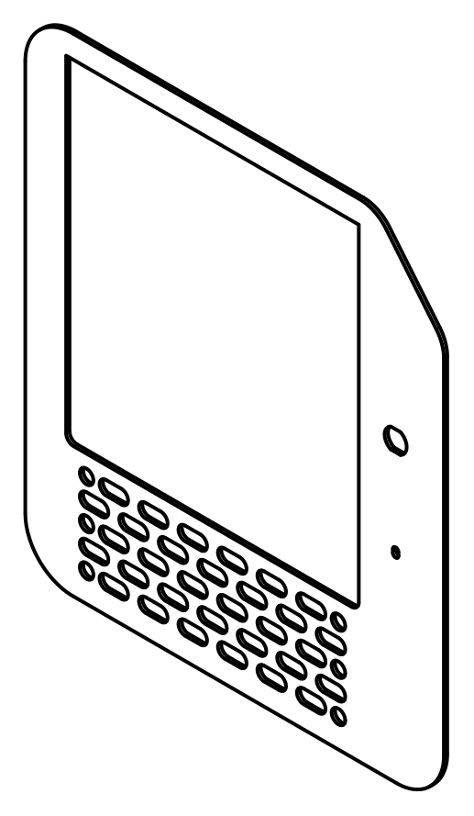 | A | 1 | SHEET METAL | 5+1.10/0.49 | E250BR | LC
2 | 2 | 92187148 | NA | PLATE, CHEQUERED | 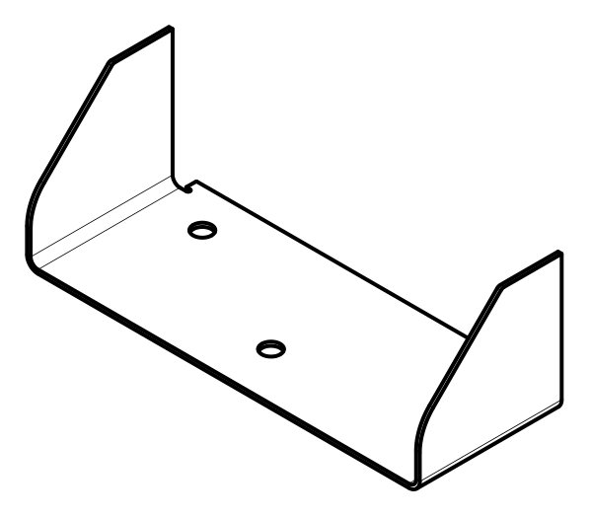 | B | 1 | SHEET METAL | 4+0.8/-0,4 | IS 3502 | LC+BENDING
3 | 2 | 92187147 | NA | PLATE, CHEQUERED | 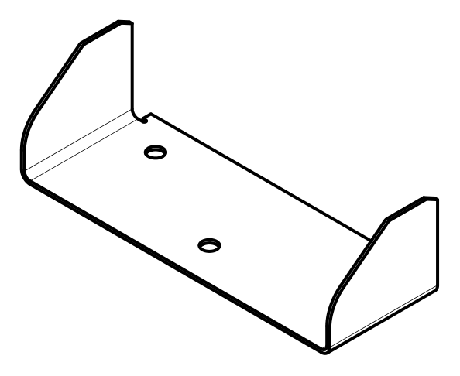 | B | 1 | SHEET METAL | 4+0.8/-0,4 | IS 3502 | LC+BENDING
4 | 2 | 92281502 | NA | BRACKET,DOOR | 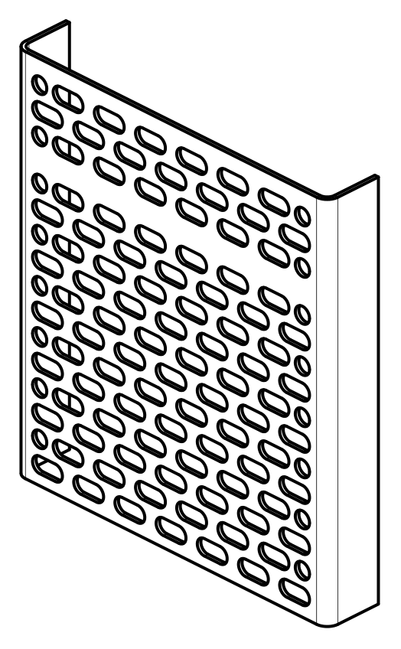 | A | 1 | SHEET METAL | 5+1.10/0.49 | E250BR | LC+BENDING
5 | 2 | 92187149 | NA | PLATE, DOOR TOP |  | A | 1 | SHEET METAL | 3+0.8/-0.4 | E250BR | LC
6 | 2 | 92187145 | NA | PLATE, DOOR LOCK, MTG | 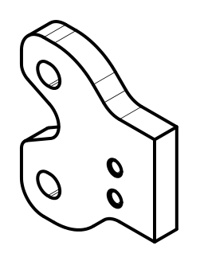 | B | 1 | SHEET METAL | 10+1.2/-0.73 | E350C | LC+DRILL+TAPPING
7 | 2 | 92218240 | NA | BRACKET, DOOR, REINFORMENT |  | A | 1 | SHEET METAL | 3 | E250BR | LC+BENDING
8 | 2 | 92218241 | NA | PLATE, SUPPORT | 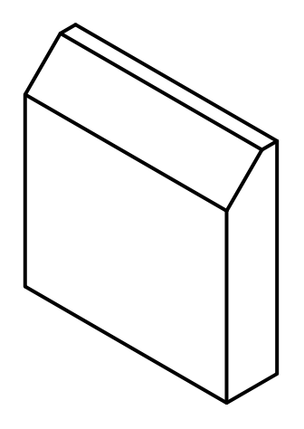 | A | 1 | SHEET METAL | 10+1.2/-0.73 | E350C | LC+GRINDING
9 | 2 | 92217650 | NA | BRACKET, DOOR, REINFORMENT | 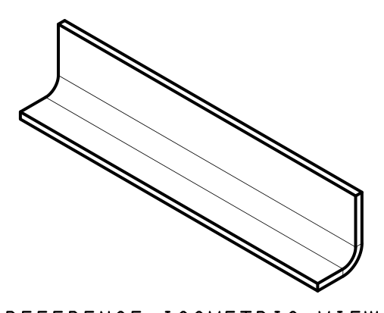 | A | 1 | SHEET METAL | 5+1.10/0.49 | E250BR | LC+BENDING
10 | 2 | 92217651 | NA | GUSSET, STOPPER | 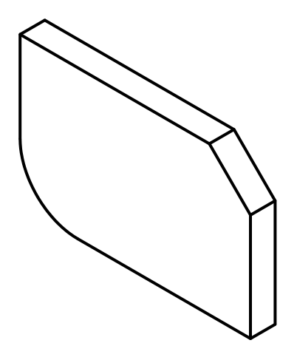 | A | 1 | SHEET METAL | 3+0.8/-0.4 | E250BR | LC
11 | 2 | 92217652 | NA | GUSSET, STOPPER | 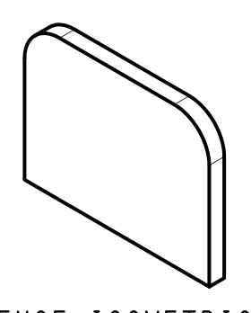 | A | 1 | SHEET METAL | 3+0.8/-0.4 | E250BR | LC
12 | 2 | 90451393 | NA | HINGE, GUARDMESH | 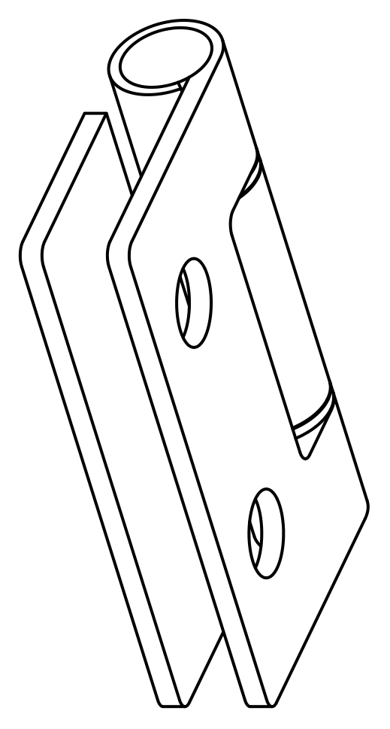 | B | 3 | BOP |  |  | BOP
13 | 2 | 92281539 | NA | BLOCK, TAPPED M10X1.5 | 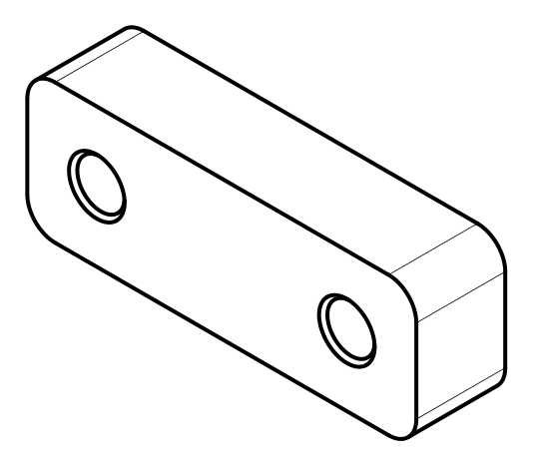 | A | 1 | SHEET METAL | 16+1.3/-0.6 | E350C | GS+DRLL+TAPPING
15 | 1 | 92249728 | NA | DOOR PWRTAN, LH, 952NX |  | C | 1 | Painted Assly |  |  | PT + CED + PAINTING
16 | 2 | 92187146 | NA | DOOR WA, LH, 952NX | 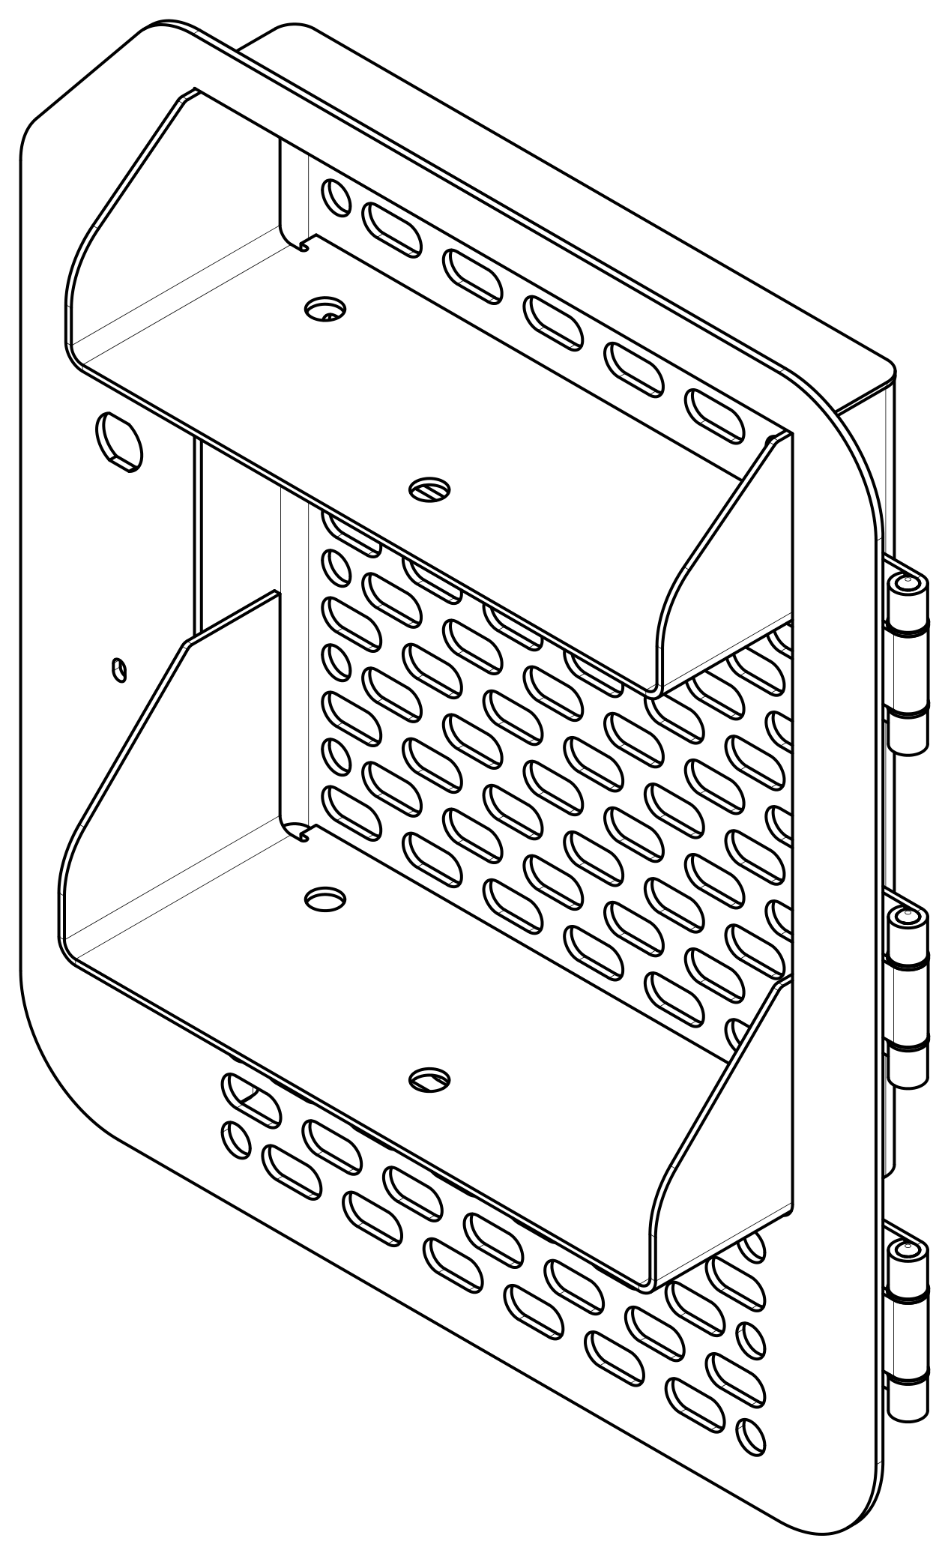 | C | 1 | Sub Assy |  |  | TW + FW + dressing
17 | 1 | 92244737 | NA | RUBBER TRACK, BEADING | 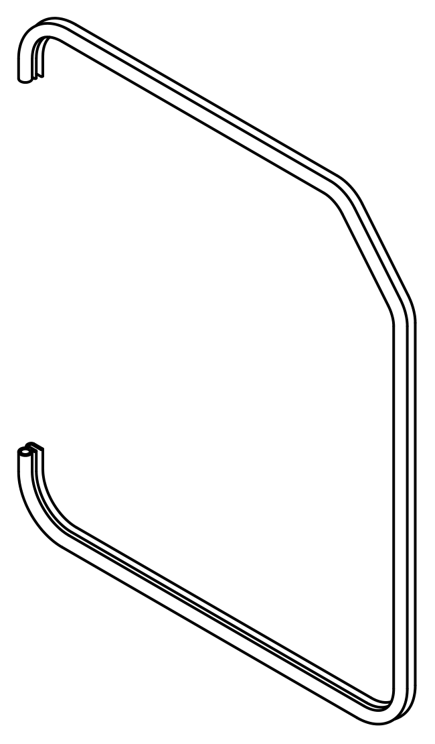 | A | 2 | BOP |  |  | BOP
18 | 0 | 92187158 | NA | DOOR PWRTAN, LH, 952NX | 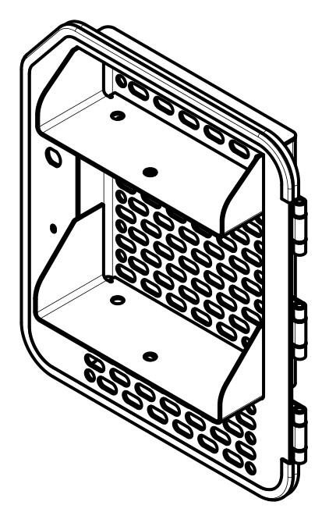 | A | 1 | Painted Assly |  |  | PT + CED + PAINTING
Prepared By:- |  |  |  |  | Reviewed By:- |  |  |  | Approved By:-

